Betting Decisions
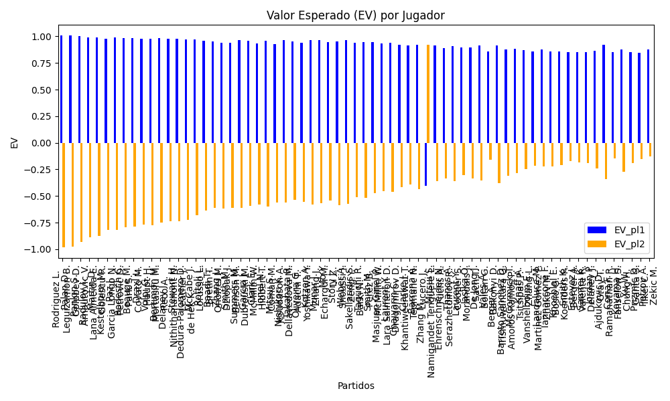
Surface | pl1 | pl1_flag | pl1_hand | pl1_bet | pl2 | pl2_flag | pl2_hand | pl2_bet | Result | DiffProffTime | DiffPts | DiffWeight | DiffHeight | DiffAge | DiffBet | Class | Prob_win_pl1 | Prob_win_pl2 | Accuracy | date_run | date | EV_pl1 | EV_pl2 | Std_Dev_pl1 | Std_Dev_pl2 | Sharpe_Ratio_pl1 | Sharpe_Ratio_pl2 | Best_Bet_EV | match | Best_Bet | Best_Bet_Sharpe | Money_to_Bet | Prob_Win | Payout
hard | Rodriguez L. | ARG | Right-Handed | 1.01 | Leguizamon B. | ARG | Right-Handed | 17.6 | 0 | 6 | 11 | -1 | -1 | 0 | -16.59 | 0 | 0.99903143544 | 0.00096856456098 | 0.72897196262 | 2024-09-03 | 20240903 | 1.0080531852 | -0.98198469917 | 0.031417761461 | 0.54747782347 | -0.061965419466 | -3.6384755944 | 1.0080531852 | Rodriguez L. Leguizamon B. | pl1 | -0.061965419466 | 1.5 | 0.99903143544 | 1.01
hard | Palan D. | CZE | Right-Handed | 1.01 | Golubev D. | RUS | Right-Handed | 15.67 | 0 | -2 | 11 | -1 | -1 | 1 | -14.66 | 0 | 0.99853251333 | 0.0014674866669 | 0.72897196262 | 2024-09-03 | 20240903 | 1.0070503518 | -0.97553699726 | 0.038662466891 | 0.59984243186 | -0.076292291664 | -3.3100976053 | 1.0070503518 | Palan D. Golubev D. | pl1 | -0.076292291664 | 1.5 | 0.99853251333 | 1.01
hard | Pankin S. | RUS | Right-Handed | 1.01 | Arnautovic V. | CHE | Right-Handed | 14.02 | 0 | 6 | -18.5 | 4 | 2 | 2 | -13.01 | 0 | 0.99544657408 | 0.0045534259166 | 0.73076923077 | 2024-09-04 | 20240904 | 1.0008476139 | -0.93160754273 | 0.067998524563 | 0.94390031127 | -0.13459683355 | -2.057004876 | 1.0008476139 | Pankin S. Arnautovic V. | pl1 | -0.13459683355 | 1.5 | 0.99544657408 | 1.01
hard | Radulov I. | BGR | Right-Handed | 1.01 | Lana Almeida E. | ESP | Right-Handed | 11.67 | 0 | 1 | -18.5 | 4 | 2 | 1 | -10.66 | 0 | 0.99114430557 | 0.0088556944265 | 0.73076923077 | 2024-09-04 | 20240904 | 0.9922000542 | -0.88779835162 | 0.094623962356 | 1.0933283571 | -0.18811245433 | -1.7357990756 | 0.9922000542 | Radulov I. Lana Almeida E. | pl1 | -0.18811245433 | 1.5 | 0.99114430557 | 1.01
hard | Martin D. | CAN | Right-Handed | 1.01 | Golescu R. | ROU | Right-Handed | 12.27 | 0 | 7 | -249 | 4 | 2 | 7 | -11.26 | 0 | 0.99062280136 | 0.0093771986418 | 0.73076923077 | 2024-09-04 | 20240904 | 0.99115183073 | -0.87556457402 | 0.097344650854 | 1.1825929366 | -0.193623061 | -1.5944324675 | 0.99115183073 | Martin D. Golescu R. | pl1 | -0.193623061 | 1.5 | 0.99062280136 | 1.01
hard | Kestelboim M. | ARG | Right-Handed | 1.01 | Garcia Longo N. | ARG | Right-Handed | 11.46 | 0 | 11 | -18.5 | 4 | 2 | 9 | -10.45 | 0 | 0.98539409522 | 0.014605904775 | 0.73076923077 | 2024-09-04 | 20240904 | 0.9806421314 | -0.8180104265 | 0.12116873782 | 1.3748452826 | -0.24228913436 | -1.3296117386 | 0.9806421314 | Kestelboim M. Garcia Longo N. | pl1 | -0.24228913436 | 1.5 | 0.98539409522 | 1.01
hard | Paz J. | ARG | Right-Handed | 1.02 | Petrovic D. | DEU | Right-Handed | 11.09 | 0 | 12 | -218.5 | 4 | 2 | 9 | -10.07 | 0 | 0.9851869675 | 0.014813032501 | 0.73076923077 | 2024-09-04 | 20240904 | 0.99007767435 | -0.82091043706 | 0.12322008065 | 1.339716367 | -0.16168083601 | -1.3666403443 | 0.99007767435 | Paz J. Petrovic D. | pl1 | -0.16168083601 | 1.5 | 0.9851869675 | 1.02
hard | Rodesch C. | LUX | Right-Handed | 1.02 | Park S. | KOR | Right-Handed | 10.5 | 0 | 7 | -18.5 | 4 | 2 | 5 | -9.48 | 0 | 0.98229059741 | 0.017709402585 | 0.73076923077 | 2024-09-04 | 20240904 | 0.98422700678 | -0.79634187027 | 0.13453092263 | 1.3848771447 | -0.19157672243 | -1.3043336567 | 0.98422700678 | Rodesch C. Park S. | pl1 | -0.19157672243 | 1.5 | 0.98229059741 | 1.02
hard | Beauge M. | FRA | Right-Handed | 1.02 | Covato M. | ITA | Right-Handed | 10.7 | 0 | 9 | 11 | -8.5 | -2 | 0 | -9.68 | 0 | 0.98202991495 | 0.017970085046 | 0.72897196262 | 2024-09-03 | 20240903 | 0.98370042821 | -0.78975000496 | 0.1354994701 | 1.4214160099 | -0.1940935398 | -1.2661669719 | 0.98370042821 | Beauge M. Covato M. | pl1 | -0.1940935398 | 1.5 | 0.98202991495 | 1.02
hard | Draxl L. | CAN | Right-Handed | 1.02 | Haupt H. | DEU | Right-Handed | 10.74 | 0 | 6 | -18.5 | 4 | 2 | -1 | -9.72 | 0 | 0.98018802729 | 0.019811972707 | 0.73076923077 | 2024-09-04 | 20240904 | 0.97997981513 | -0.76740744042 | 0.14214079135 | 1.4966589207 | -0.2112003499 | -1.1875835007 | 0.97997981513 | Draxl L. Haupt H. | pl1 | -0.2112003499 | 1.5 | 0.98018802729 | 1.02
hard | Volpi G. | ITA | Right-Handed | 1.02 | Mortasifu M. | ROU | Right-Handed | 10.09 | 0 | 7 | -18.5 | 4 | 2 | 8 | -9.07 | 0 | 0.97977447913 | 0.020225520867 | 0.73076923077 | 2024-09-04 | 20240904 | 0.97914444785 | -0.77569897359 | 0.14358632845 | 1.4203784844 | -0.21489199204 | -1.2571993966 | 0.97914444785 | Volpi G. Mortasifu M. | pl1 | -0.21489199204 | 1.5 | 0.97977447913 | 1.02
hard | Bertimon M. | FRA | Right-Handed | 1.03 | Reco A. | FRA | Right-Handed | 9.52 | 0 | -1 | 11 | -1 | -1 | -1 | -8.49 | 0 | 0.97604284675 | 0.023957153249 | 0.72897196262 | 2024-09-03 | 20240903 | 0.9813669789 | -0.74797074782 | 0.15750316006 | 1.4557573629 | -0.18179331186 | -1.2075987336 | 0.9813669789 | Bertimon M. Reco A. | pl1 | -0.18179331186 | 1.5 | 0.97604284675 | 1.03
hard | Delaney J. | AUS | Right-Handed | 1.03 | Nithithananont N. | THA | Right-Handed | 9.59 | 0 | 5 | -18.5 | 4 | 5 | 5 | -8.56 | 0 | 0.97507865091 | 0.024921349087 | 0.73076923077 | 2024-09-04 | 20240904 | 0.97940966135 | -0.73608291317 | 0.16056201986 | 1.4949415247 | -0.19052039003 | -1.1679941217 | 0.97940966135 | Delaney J. Nithithananont N. | pl1 | -0.19052039003 | 1.5 | 0.97507865091 | 1.03
hard | Stewart H. | FRA | Right-Handed | 1.03 | Leather J. | ITA | Right-Handed | 9.47 | 0 | 4 | -18.5 | 4 | 2 | 2 | -8.44 | 0 | 0.97459775635 | 0.025402243651 | 0.73076923077 | 2024-09-04 | 20240904 | 0.97843344539 | -0.73403850897 | 0.16206378103 | 1.4900427246 | -0.19477858909 | -1.1704620815 | 0.97843344539 | Stewart H. Leather J. | pl1 | -0.19477858909 | 1.5 | 0.97459775635 | 1.03
hard | Dedura-Palomero D. | DEU | Left-Handed | 1.02 | de Hek K. | NLD | Right-Handed | 9.69 | 0 | 0 | 11 | -1 | -1 | -4 | -8.67 | 0 | 0.9744440235 | 0.025555976498 | 0.72897196262 | 2024-09-03 | 20240903 | 0.96837692747 | -0.72680661124 | 0.16096255606 | 1.5291442826 | -0.25858854099 | -1.1358029658 | 0.96837692747 | Dedura-Palomero D. de Hek K. | pl1 | -0.25858854099 | 1.5 | 0.9744440235 | 1.02
hard | McCabe J. | AUS | Right-Handed | 1.04 | Lorusso L. | ITA | Right-Handed | 8.85 | 0 | -4 | -18.5 | 4 | 2 | -3 | -7.81 | 0 | 0.96777635621 | 0.032223643793 | 0.73076923077 | 2024-09-04 | 20240904 | 0.97426376666 | -0.68259710864 | 0.18365728809 | 1.5628528842 | -0.1945810793 | -1.0830175545 | 0.97426376666 | McCabe J. Lorusso L. | pl1 | -0.1945810793 | 1.5 | 0.96777635621 | 1.04
hard | Rottoli L. | ITA | Right-Handed | 1.03 | Bretin T. | FRA | Right-Handed | 9.52 | 0 | 7 | 11 | -1 | -1 | 5 | -8.49 | 0 | 0.96543311435 | 0.034566885648 | 0.72897196262 | 2024-09-03 | 20240903 | 0.95982922213 | -0.63635636298 | 0.1881604949 | 1.7391144772 | -0.26663821165 | -0.94666359494 | 0.95982922213 | Rottoli L. Bretin T. | pl1 | -0.26663821165 | 1.5 | 0.96543311435 | 1.03
hard | Baadi T. | CAN | Right-Handed | 1.03 | Onofrei M. | ROU | Right-Handed | 8.75 | 0 | 5 | 11 | -5.5 | -2 | 5 | -7.72 | 0 | 0.96044901068 | 0.039550989321 | 0.72897196262 | 2024-09-03 | 20240903 | 0.94971149168 | -0.61437785412 | 0.20074884586 | 1.7053906809 | -0.30031808184 | -0.95249603057 | 0.94971149168 | Baadi T. Onofrei M. | pl1 | -0.30031808184 | 1.5 | 0.96044901068 | 1.03
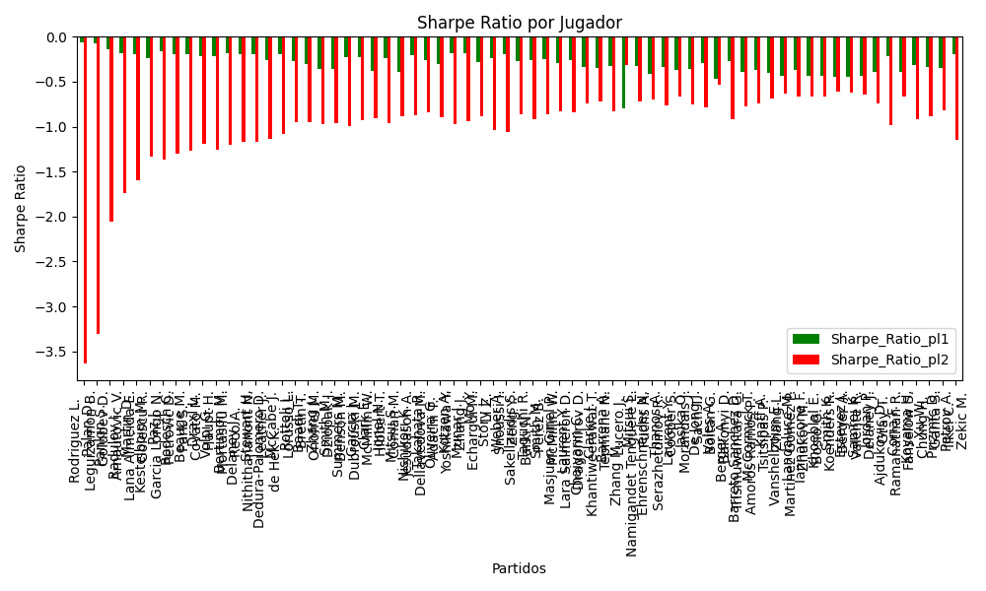
Varioussurfaces | Zhang J. | AUS | Right-Handed | 1.02 | Dziopak J. | POL | Right-Handed | 8.5 | 0 | 0 | 11 | -1 | -1 | -5 | -7.48 | 0 | 0.9594961911 | 0.0405038089 | 0.72897196262 | 2024-09-03 | 20240903 | 0.93818230602 | -0.61521381545 | 0.20108039606 | 1.6756699672 | -0.35715910345 | -0.96988896817 | 0.93818230602 | Zhang J. Dziopak J. | pl1 | -0.35715910345 | 1.5 | 0.9594961911 | 1.02
Varioussurfaces | Smith M. | ITA | Right-Handed | 1.02 | Benson M. | FRA | Right-Handed | 8.5 | 0 | -1 | 11 | -1 | -1 | 0 | -7.48 | 0 | 0.95911425798 | 0.040885742015 | 0.72897196262 | 2024-09-03 | 20240903 | 0.93741080113 | -0.61158545086 | 0.20198600862 | 1.6832167385 | -0.35937736166 | -0.96338481775 | 0.93741080113 | Smith M. Benson M. | pl1 | -0.35937736166 | 1.5 | 0.95911425798 | 1.02
hard | Summers M. | FRA | Left-Handed | 1.05 | Dubrouski M. | BLR | Right-Handed | 8.07 | 0 | 5 | -18.5 | 4 | 2 | 2 | -7.02 | 0 | 0.95744183657 | 0.042558163431 | 0.73076923077 | 2024-09-04 | 20240904 | 0.96275576497 | -0.61399745768 | 0.21195171664 | 1.6290003365 | -0.22290093131 | -0.99692886572 | 0.96275576497 | Summers M. Dubrouski M. | pl1 | -0.22290093131 | 1.5 | 0.95744183657 | 1.05
Varioussurfaces | Garcia J. | ITA | Right-Handed | 1.05 | McMillin W. | FRA | Right-Handed | 8.5 | 0 | 0 | 11 | -1 | -1 | 0 | -7.45 | 0 | 0.95686010501 | 0.043139894991 | 0.72897196262 | 2024-09-03 | 20240903 | 0.96156321527 | -0.59017099759 | 0.21333055573 | 1.7269616416 | -0.22705038463 | -0.9265816675 | 0.96156321527 | Garcia J. McMillin W. | pl1 | -0.22705038463 | 1.5 | 0.95686010501 | 1.05
Varioussurfaces | Clark E. | ITA | Right-Handed | 1.02 | Hibbert T. | AUS | Right-Handed | 8.5 | 0 | 7 | 11 | -12.5 | -15 | 2 | -7.48 | 0 | 0.95577076471 | 0.044229235293 | 0.72897196262 | 2024-09-03 | 20240903 | 0.93065694471 | -0.57982226472 | 0.20971609295 | 1.7476341079 | -0.37833555916 | -0.90969972346 | 0.93065694471 | Clark E. Hibbert T. | pl1 | -0.37833555916 | 1.5 | 0.95577076471 | 1.02
hard | Ionel N. | ROU | Right-Handed | 1.05 | Coman M. | ROU | Right-Handed | 8.07 | 0 | 2 | -18.5 | -5 | 0 | 2 | -7.02 | 0 | 0.95550407646 | 0.044495923542 | 0.73076923077 | 2024-09-04 | 20240904 | 0.95878335674 | -0.59642197348 | 0.21650388 | 1.6639869634 | -0.23656224203 | -0.96540538406 | 0.95878335674 | Ionel N. Coman M. | pl1 | -0.23656224203 | 1.5 | 0.95550407646 | 1.05
Varioussurfaces | Mitsui S. | JPN | Right-Handed | 1.02 | Jesudason A. | FRA | Right-Handed | 8.5 | 0 | 1 | 11 | -1 | -1 | 1 | -7.48 | 0 | 0.95403181037 | 0.045968189626 | 0.72897196262 | 2024-09-03 | 20240903 | 0.92714425696 | -0.56330219855 | 0.21360445178 | 1.7800370982 | -0.3878933344 | -0.88385921853 | 0.92714425696 | Mitsui S. Jesudason A. | pl1 | -0.3878933344 | 1.5 | 0.95403181037 | 1.02
clay | Nishikori K. | JPN | Right-Handed | 1.06 | Dellavedova M. | AUS | Right-Handed | 8.52 | 0 | 10 | -173 | -8 | -13 | 10 | -7.46 | 0 | 0.95374859518 | 0.046251404817 | 0.72897196262 | 2024-09-03 | 20240903 | 0.96472210608 | -0.55968662614 | 0.22263081956 | 1.7894477195 | -0.20337657658 | -0.87719054826 | 0.96472210608 | Nishikori K. Dellavedova M. | pl1 | -0.20337657658 | 1.5 | 0.95374859518 | 1.06
hard | Takahata R. | JPN | Right-Handed | 1.05 | Adachi T. | JPN | Right-Handed | 8.56 | 0 | 6 | -18.5 | 4 | 2 | -1 | -7.51 | 0 | 0.95162032924 | 0.048379670764 | 0.73076923077 | 2024-09-04 | 20240904 | 0.95082167493 | -0.53749034749 | 0.22529554753 | 1.8366951304 | -0.26266974965 | -0.84254067096 | 0.95082167493 | Takahata R. Adachi T. | pl1 | -0.26266974965 | 1.5 | 0.95162032924 | 1.05
hard | Oliveira G. | VEN | Left-Handed | 1.04 | Yoshikawa Y. | JPN | Right-Handed | 8.15 | 0 | 1 | -18.5 | 3 | 2 | -1 | -7.11 | 0 | 0.95158964475 | 0.048410355254 | 0.73076923077 | 2024-09-04 | 20240904 | 0.94124287528 | -0.55704524943 | 0.22321703127 | 1.7492488508 | -0.30802812997 | -0.89583894752 | 0.94124287528 | Oliveira G. Yoshikawa Y. | pl1 | -0.30802812997 | 1.5 | 0.95158964475 | 1.04
Varioussurfaces | Kotzen A. | FRA | Right-Handed | 1.07 | Zhang J. | AUS | Right-Handed | 7.5 | 0 | 4 | -18.5 | 4 | 2 | 5 | -6.43 | 0 | 0.9503042215 | 0.049695778504 | 0.73076923077 | 2024-09-04 | 20240904 | 0.9671297385 | -0.57758588272 | 0.2325277858 | 1.6298676574 | -0.18436618814 | -0.97405815464 | 0.9671297385 | Kotzen A. Zhang J. | pl1 | -0.18436618814 | 1.5 | 0.9503042215 | 1.07
clay | Munar J. | ESP | Right-Handed | 1.07 | Echargui M. | TUN | Right-Handed | 7.72 | 0 | 2 | 334 | 1 | 3 | -4 | -6.65 | 0 | 0.95007706135 | 0.049922938649 | 0.72897196262 | 2024-09-03 | 20240903 | 0.966659517 | -0.56467197498 | 0.2330307671 | 1.6813060953 | -0.18598609765 | -0.93657661704 | 0.966659517 | Munar J. Echargui M. | pl1 | -0.18598609765 | 1.5 | 0.95007706135 | 1.07
hard | Mo Y. | CHN | Right-Handed | 1.05 | Li Z. | CHN | Right-Handed | 8 | 0 | 2 | 46.5 | 4 | 2 | 0 | -6.95 | 0 | 0.94931392558 | 0.050686074422 | 0.73076923077 | 2024-09-04 | 20240904 | 0.94609354744 | -0.5438253302 | 0.2303236601 | 1.7548469341 | -0.27746368974 | -0.88544778467 | 0.94609354744 | Mo Y. Li Z. | pl1 | -0.27746368974 | 1.5 | 0.94931392558 | 1.05
Varioussurfaces | Story J. | ITA | Right-Handed | 1.06 | Snoussi I. | TUN | Right-Handed | 7 | 0 | 4 | 11 | -1 | -1 | 6 | -5.94 | 0 | 0.94850072876 | 0.051499271238 | 0.72897196262 | 2024-09-03 | 20240903 | 0.95391150125 | -0.5880058301 | 0.23427461963 | 1.5470965447 | -0.23941346629 | -1.0329063403 | 0.95391150125 | Story J. Snoussi I. | pl1 | -0.23941346629 | 1.5 | 0.94850072876 | 1.06
hard | Weber A. | FRA | Left-Handed | 1.08 | Zeng Y. | CHN | Right-Handed | 6.51 | 0 | 0 | -18.5 | 4 | 2 | 10 | -5.43 | 0 | 0.94359107043 | 0.056408929569 | 0.73076923077 | 2024-09-04 | 20240904 | 0.9626694265 | -0.57636893894 | 0.24916646795 | 1.5019200985 | -0.18995563044 | -1.0562272524 | 0.9626694265 | Weber A. Zeng Y. | pl1 | -0.18995563044 | 1.5 | 0.94359107043 | 1.08
hard | Sakellaridis S. | GRC | Right-Handed | 1.06 | Barki N. | IDN | Right-Handed | 7.59 | 0 | 4 | 11 | -1 | -1 | -5 | -6.53 | 0 | 0.94311870631 | 0.05688129369 | 0.72897196262 | 2024-09-03 | 20240903 | 0.942824535 | -0.51138968721 | 0.24551259539 | 1.7579628293 | -0.27361311094 | -0.86542767679 | 0.942824535 | Sakellaridis S. Barki N. | pl1 | -0.27361311094 | 1.5 | 0.94311870631 | 1.06
hard | Taguchi R. | JPN | Right-Handed | 1.07 | Perez B. | VEN | Left-Handed | 6.92 | 0 | -5 | 11 | -5.5 | -7 | 0 | -5.85 | 0 | 0.93902188775 | 0.060978112248 | 0.72897196262 | 2024-09-03 | 20240903 | 0.94377530765 | -0.51705335099 | 0.25604047433 | 1.6558879275 | -0.25864931131 | -0.9221960772 | 0.94377530765 | Taguchi R. Perez B. | pl1 | -0.25864931131 | 1.5 | 0.93902188775 | 1.07
Varioussurfaces | Smith M. | FRA | Right-Handed | 1.08 | McMillin W. | ITA | Right-Handed | 7 | 0 | 1 | -18.5 | 4 | 2 | 0 | -5.92 | 0 | 0.93442056422 | 0.06557943578 | 0.73076923077 | 2024-09-04 | 20240904 | 0.94359477358 | -0.47536451376 | 0.26734913741 | 1.7328184832 | -0.24838391874 | -0.85719567754 | 0.94359477358 | Smith M. McMillin W. | pl1 | -0.24838391874 | 1.5 | 0.93442056422 | 1.08
hard | Masjuan Ginel P. | ESP | Right-Handed | 1.07 | Lara Salmeron D. | ESP | Right-Handed | 7.09 | 0 | -1 | -18.5 | 4 | 2 | -1 | -6.02 | 0 | 0.93293062458 | 0.067069375423 | 0.73076923077 | 2024-09-04 | 20240904 | 0.93116639287 | -0.45740875283 | 0.26765205579 | 1.7735075473 | -0.29453764849 | -0.82740485379 | 0.93116639287 | Masjuan Ginel P. Lara Salmeron D. | pl1 | -0.29453764849 | 1.5 | 0.93293062458 | 1.07
Varioussurfaces | Laurent Y. | FRA | Right-Handed | 1.08 | Dragomirov D. | DEU | Right-Handed | 7 | 0 | 9 | 11 | -2.5 | -2 | 8 | -5.92 | 0 | 0.93266790136 | 0.067332098641 | 0.72897196262 | 2024-09-03 | 20240903 | 0.93994923483 | -0.46134321088 | 0.27064396426 | 1.7541738424 | -0.2588299553 | -0.83876704536 | 0.93994923483 | Laurent Y. Dragomirov D. | pl1 | -0.2588299553 | 1.5 | 0.93266790136 | 1.08
hard | Chaiyarin C. | THA | Right-Handed | 1.06 | Khantiweerawat T. | THA | Right-Handed | 7.64 | 0 | 4 | -18.5 | 4 | 2 | -3 | -6.58 | 0 | 0.93214453071 | 0.067855469292 | 0.73076923077 | 2024-09-04 | 20240904 | 0.92021773326 | -0.41372874531 | 0.26658758618 | 1.9214426023 | -0.33678337401 | -0.74096865742 | 0.92021773326 | Chaiyarin C. Khantiweerawat T. | pl1 | -0.33678337401 | 1.5 | 0.93214453071 | 1.06
hard | Clarke J. | ITA | Right-Handed | 1.06 | Tepmahc N. | FRA | Right-Handed | 7.62 | 0 | 4 | 90 | 3.5 | 3 | 3 | -6.56 | 0 | 0.92919156479 | 0.070808435211 | 0.72897196262 | 2024-09-03 | 20240903 | 0.91413462346 | -0.38963128848 | 0.27189485718 | 1.9545649167 | -0.35258252962 | -0.71608329634 | 0.91413462346 | Clarke J. Tepmahc N. | pl1 | -0.35258252962 | 1.5 | 0.92919156479 | 1.06
hard | Barrena A. | ARG | Right-Handed | 1.07 | Lucero J. | ARG | Right-Handed | 6.71 | 0 | -5 | -18.5 | 4 | 2 | -7 | -5.64 | 0 | 0.92671465594 | 0.073285344058 | 0.73076923077 | 2024-09-04 | 20240904 | 0.9182993378 | -0.43496999731 | 0.27884660352 | 1.7486548688 | -0.32885701688 | -0.82633229868 | 0.9182993378 | Barrena A. Lucero J. | pl1 | -0.32885701688 | 1.5 | 0.92671465594 | 1.07
hard | Zhang M. | CHN | Right-Handed | 6.7 | Namigandet Tenguere L. | FRA | Right-Handed | 1.08 | 0 | -6 | -18.5 | 4 | 2 | -6 | 5.62 | 1 | 0.07704070707 | 0.92295929293 | 0.73076923077 | 2024-09-04 | 20240904 | -0.40678655556 | 0.91975532929 | 1.7865953782 | 0.28798850873 | -0.79300919101 | -0.31336205428 | 0.91975532929 | Zhang M. Namigandet Tenguere L. | pl2 | -0.31336205428 | 1.5 | 0.92295929293 | 1.08
Varioussurfaces | Mitsui S. | JPN | Right-Handed | 1.08 | Fuchs A. | ITA | Right-Handed | 7 | 0 | 1 | -18.5 | 4 | 2 | -1 | -5.92 | 0 | 0.92030447335 | 0.079695526651 | 0.73076923077 | 2024-09-04 | 20240904 | 0.91423330457 | -0.36243578679 | 0.29248695046 | 1.895748753 | -0.3274221133 | -0.72395447162 | 0.91423330457 | Mitsui S. Fuchs A. | pl1 | -0.3274221133 | 1.5 | 0.92030447335 | 1.08
Varioussurfaces | Ehrenschneider N. | DEU | Right-Handed | 1.06 | Serazhetdinov R. | RUS | Right-Handed | 7 | 0 | 5 | 11 | -1 | -1 | 4 | -5.94 | 0 | 0.91658301125 | 0.083416988749 | 0.72897196262 | 2024-09-03 | 20240903 | 0.88816100318 | -0.33266409001 | 0.29310216145 | 1.9355803115 | -0.41568781418 | -0.69367521567 | 0.88816100318 | Ehrenschneider N. Serazhetdinov R. | pl1 | -0.41568781418 | 1.5 | 0.91658301125 | 1.06
hard | Thanos A. | GRC | Right-Handed | 1.09 | Cooper S. | ITA | Right-Handed | 6.35 | 0 | -7 | -18.5 | 4 | 2 | -5 | -5.26 | 0 | 0.91312695418 | 0.086873045819 | 0.73076923077 | 2024-09-04 | 20240904 | 0.90843533424 | -0.36148311323 | 0.30699733362 | 1.788470705 | -0.33083240354 | -0.7668468426 | 0.90843533424 | Thanos A. Cooper S. | pl1 | -0.33083240354 | 1.5 | 0.91312695418 | 1.09
Varioussurfaces | Laurent Y. | FRA | Right-Handed | 1.08 | Morandais J. | GLP | Right-Handed | 7 | 0 | 9 | -18.5 | 0 | 0 | 11 | -5.92 | 0 | 0.91263746522 | 0.087362534777 | 0.73076923077 | 2024-09-04 | 20240904 | 0.89828592766 | -0.30109972178 | 0.30495482932 | 1.9765590789 | -0.36632990068 | -0.6633243275 | 0.89828592766 | Laurent Y. Morandais J. | pl1 | -0.36632990068 | 1.5 | 0.91263746522 | 1.08
hard | Jasika O. | AUS | Left-Handed | 1.09 | Sach T. | AUS | Right-Handed | 6.25 | 0 | 7 | -99 | -18.5 | -2 | 6 | -5.16 | 0 | 0.90869952594 | 0.091300474063 | 0.72897196262 | 2024-09-03 | 20240903 | 0.89918200921 | -0.33807156305 | 0.3139591647 | 1.8002245682 | -0.35296944078 | -0.74883522136 | 0.89918200921 | Jasika O. Sach T. | pl1 | -0.35296944078 | 1.5 | 0.90869952594 | 1.09
hard | De Jong J. | NLD | Right-Handed | 1.11 | Boitan G. | ROU | Right-Handed | 5.98 | 0 | -1 | 62 | -8.5 | -5 | -1 | -4.87 | 0 | 0.90750169201 | 0.092498307994 | 0.72897196262 | 2024-09-03 | 20240903 | 0.91482857013 | -0.3543618102 | 0.32159818924 | 1.7325740285 | -0.29593272926 | -0.78747677601 | 0.91482857013 | De Jong J. Boitan G. | pl1 | -0.29593272926 | 1.5 | 0.90750169201 | 1.11
hard | Vales A. | ISR | Right-Handed | 1.07 | Bakonyi D. | HUN | Right-Handed | 7.15 | 0 | 1 | 11 | -1 | -1 | -5 | -6.08 | 0 | 0.89664580357 | 0.10335419643 | 0.72897196262 | 2024-09-03 | 20240903 | 0.85605681339 | -0.1576632991 | 0.32573040193 | 2.1766096952 | -0.47260920594 | -0.53645966096 | 0.85605681339 | Vales A. Bakonyi D. | pl1 | -0.47260920594 | 1.5 | 0.89664580357 | 1.07
hard | Berger A. | FRA | Right-Handed | 1.14 | Trismuwantara G. | IDN | Right-Handed | 4.93 | 0 | 1 | 11 | -1 | -1 | 2 | -3.79 | 0 | 0.89502261639 | 0.10497738361 | 0.72897196262 | 2024-09-03 | 20240903 | 0.91534839907 | -0.37748411517 | 0.34943767607 | 1.5111646868 | -0.27086833338 | -0.91815546462 | 0.91534839907 | Berger A. Trismuwantara G. | pl1 | -0.27086833338 | 1.5 | 0.89502261639 | 1.14
hard | Barreto Sanchez D. | ESP | Left-Handed | 1.1 | Amoros Ramos P. | ESP | Right-Handed | 5.51 | 0 | -5 | -18.5 | 4 | 2 | -4 | -4.41 | 0 | 0.8939283331 | 0.1060716669 | 0.73076923077 | 2024-09-04 | 20240904 | 0.8772494995 | -0.30947344846 | 0.33872225605 | 1.6966905735 | -0.39191549455 | -0.77767476821 | 0.8772494995 | Barreto Sanchez D. Amoros Ramos P. | pl1 | -0.39191549455 | 1.5 | 0.8939283331 | 1.1
hard | McCormick T. | FRA | Right-Handed | 1.11 | Tsitsipas P. | GRC | Right-Handed | 5.62 | 0 | 4 | 238.5 | 4 | 2 | 6 | -4.51 | 0 | 0.8915768478 | 0.1084231522 | 0.73076923077 | 2024-09-04 | 20240904 | 0.88122714885 | -0.28223873241 | 0.34511464152 | 1.747337194 | -0.37313065184 | -0.7395474307 | 0.88122714885 | McCormick T. Tsitsipas P. | pl1 | -0.37313065184 | 1.5 | 0.8915768478 | 1.11
hard | Knaff A. | LUX | Right-Handed | 1.1 | Zhang L. | CHN | Right-Handed | 5.87 | 0 | 3 | -18.5 | 4 | 2 | 5 | -4.77 | 0 | 0.89060511007 | 0.10939488993 | 0.73076923077 | 2024-09-04 | 20240904 | 0.87027073114 | -0.24845710615 | 0.34334742473 | 1.832226712 | -0.4069617501 | -0.6868457369 | 0.87027073114 | Knaff A. Zhang L. | pl1 | -0.4069617501 | 1.5 | 0.89060511007 | 1.1
hard | Vanshelboim E. | UKR | Right-Handed | 1.09 | Martinez Gomez P. | ESP | Right-Handed | 6.15 | 0 | 3 | -18.5 | 10 | 5 | 0 | -5.06 | 0 | 0.89017402895 | 0.10982597105 | 0.73076923077 | 2024-09-04 | 20240904 | 0.8604637205 | -0.21474430696 | 0.3408132601 | 1.9229372015 | -0.43876309114 | -0.6369133147 | 0.8604637205 | Vanshelboim E. Martinez Gomez P. | pl1 | -0.43876309114 | 1.5 | 0.89017402895 | 1.09
hard | Landaluce M. | ESP | Right-Handed | 1.12 | Zhukov M. | RUS | Right-Handed | 5.87 | 0 | -1 | -236 | -1 | -1 | -1 | -4.75 | 0 | 0.8864570562 | 0.1135429438 | 0.72897196262 | 2024-09-03 | 20240903 | 0.87928895915 | -0.21995997612 | 0.35532596836 | 1.8622887806 | -0.36786233624 | -0.66045609517 | 0.87928895915 | Landaluce M. Zhukov M. | pl1 | -0.36786233624 | 1.5 | 0.8864570562 | 1.12
hard | Iannaccone F. | ITA | Right-Handed | 1.1 | Bosio G. | ITA | Right-Handed | 5.73 | 0 | 0 | -18.5 | 4 | 2 | 2 | -4.63 | 0 | 0.88407442776 | 0.11592557224 | 0.73076923077 | 2024-09-04 | 20240904 | 0.85655629829 | -0.21982089882 | 0.35214921421 | 1.8343772704 | -0.43573489735 | -0.67042964317 | 0.85655629829 | Iannaccone F. Bosio G. | pl1 | -0.43573489735 | 1.5 | 0.88407442776 | 1.1
hard | Khoeblal E. | NLD | Right-Handed | 1.1 | Koenders R. | NLD | Right-Handed | 5.78 | 0 | 2 | 11 | -1 | -1 | 4 | -4.68 | 0 | 0.88379178122 | 0.11620821878 | 0.72897196262 | 2024-09-03 | 20240903 | 0.85596274057 | -0.21210827668 | 0.35252188739 | 1.852342281 | -0.43695800161 | -0.65976374303 | 0.85596274057 | Khoeblal E. Koenders R. | pl1 | -0.43695800161 | 1.5 | 0.88379178122 | 1.1
hard | Smith K. | FRA | Right-Handed | 1.1 | Berger A. | FRA | Right-Handed | 6.07 | 0 | 3 | -18.5 | 17 | 15 | 0 | -4.97 | 0 | 0.88282419808 | 0.11717580192 | 0.73076923077 | 2024-09-04 | 20240904 | 0.85393081597 | -0.17156708044 | 0.35379261774 | 1.9522919906 | -0.44113182752 | -0.6052204722 | 0.85393081597 | Smith K. Berger A. | pl1 | -0.44113182752 | 1.5 | 0.88282419808 | 1.1
hard | Estevez J. | ARG | Right-Handed | 1.1 | Valente R. | ARG | Right-Handed | 5.92 | 0 | 1 | -18.5 | 4 | 2 | -2 | -4.82 | 0 | 0.8820464811 | 0.1179535189 | 0.73076923077 | 2024-09-04 | 20240904 | 0.85229761031 | -0.18376164923 | 0.35480838265 | 1.9095142048 | -0.44447199502 | -0.62516510547 | 0.85229761031 | Estevez J. Valente R. | pl1 | -0.44447199502 | 1.5 | 0.8820464811 | 1.1
hard | Samrej K. | THA | Right-Handed | 1.11 | Delaney J. | AUS | Right-Handed | 5.68 | 0 | -2 | -18.5 | 4 | 2 | -2 | -4.57 | 0 | 0.87868330011 | 0.12131669989 | 0.73076923077 | 2024-09-04 | 20240904 | 0.85402176323 | -0.18960444474 | 0.36240940443 | 1.8544913668 | -0.43039235423 | -0.64686439969 | 0.85402176323 | Samrej K. Delaney J. | pl1 | -0.43039235423 | 1.5 | 0.87868330011 | 1.11
hard | Jordan P. | FRA | Right-Handed | 1.13 | Gray T. | AUS | Right-Handed | 5.09 | 0 | -1 | -18.5 | 4 | 2 | -3 | -3.96 | 0 | 0.87547137166 | 0.12452862834 | 0.73076923077 | 2024-09-04 | 20240904 | 0.86475402163 | -0.2416206534 | 0.37310753535 | 1.6806348274 | -0.3892871749 | -0.74473087968 | 0.86475402163 | Jordan P. Gray T. | pl1 | -0.3892871749 | 1.5 | 0.87547137166 | 1.13
hard | Ajdukovic D. | HRV | Right-Handed | 1.21 | Ramanathan R. | IND | Right-Handed | 4.08 | 0 | -6 | 80 | -5 | -3 | -6 | -2.87 | 0 | 0.87046061696 | 0.12953938304 | 0.72897196262 | 2024-09-03 | 20240903 | 0.92371796348 | -0.34193993416 | 0.40631311976 | 1.3700475443 | -0.21235355769 | -0.98678322499 | 0.92371796348 | Ajdukovic D. Ramanathan R. | pl1 | -0.21235355769 | 1.5 | 0.87046061696 | 1.21
clay | Coria F. | ARG | Right-Handed | 1.16 | Fanselow S. | DEU | Right-Handed | 4.94 | 0 | 0 | 331 | -5.5 | -5 | 0 | -3.78 | 0 | 0.85646779085 | 0.14353220915 | 0.72897196262 | 2024-09-03 | 20240903 | 0.84997042823 | -0.14741867763 | 0.40671312848 | 1.7320369437 | -0.39347038629 | -0.6682413339 | 0.84997042823 | Coria F. Fanselow S. | pl1 | -0.39347038629 | 1.5 | 0.85646779085 | 1.16
hard | Koyama H. | JPN | Right-Handed | 1.2 | Chung H. | KOR | Right-Handed | 3.93 | 0 | -11 | -101 | -11.5 | -4 | -4 | -2.73 | 0 | 0.85191915564 | 0.14808084436 | 0.72897196262 | 2024-09-03 | 20240903 | 0.87422214241 | -0.26996143731 | 0.42621612753 | 1.3958578177 | -0.31856574358 | -0.91697121377 | 0.87422214241 | Koyama H. Chung H. | pl1 | -0.31856574358 | 1.5 | 0.85191915564 | 1.2
hard | Xu W. | CHN | Right-Handed | 1.25 | Ganta S. | IND | Right-Handed | 3.55 | 0 | -2 | -18.5 | 4 | 2 | -1 | -2.3 | 0 | 0.82209137643 | 0.17790862357 | 0.73076923077 | 2024-09-04 | 20240904 | 0.84970559696 | -0.19051576274 | 0.47804475672 | 1.3576471091 | -0.33531254299 | -0.88426201088 | 0.84970559696 | Xu W. Ganta S. | pl1 | -0.33531254299 | 1.5 | 0.82209137643 | 1.25
hard | Prizmic D. | HRV | Right-Handed | 1.25 | Ilkel C. | TUR | Right-Handed | 3.71 | 0 | -11 | 72 | -4.5 | 1 | -10 | -2.46 | 0 | 0.81963259366 | 0.18036740634 | 0.72897196262 | 2024-09-03 | 20240903 | 0.84417333574 | -0.15046951614 | 0.48061647436 | 1.4264696959 | -0.34502908891 | -0.81352553054 | 0.84417333574 | Prizmic D. Ilkel C. | pl1 | -0.34502908891 | 1 | 0.81963259366 | 1.25
hard | Petrov A. | BGR | Left-Handed | 1.57 | Zekic M. | SRB | Right-Handed | 2.24 | 0 | -18 | 130 | -1.5 | -1 | -14 | -0.67 | 0 | 0.73081113296 | 0.26918886704 | 0.72897196262 | 2024-09-03 | 20240903 | 0.87818461171 | -0.12782807079 | 0.69635512628 | 0.99352578527 | -0.18929334088 | -1.1452426174 | 0.87818461171 | Petrov A. Zekic M. | pl1 | -0.18929334088 | 1.5 | 0.73081113296 | 1.57

Monte Carlo Summary
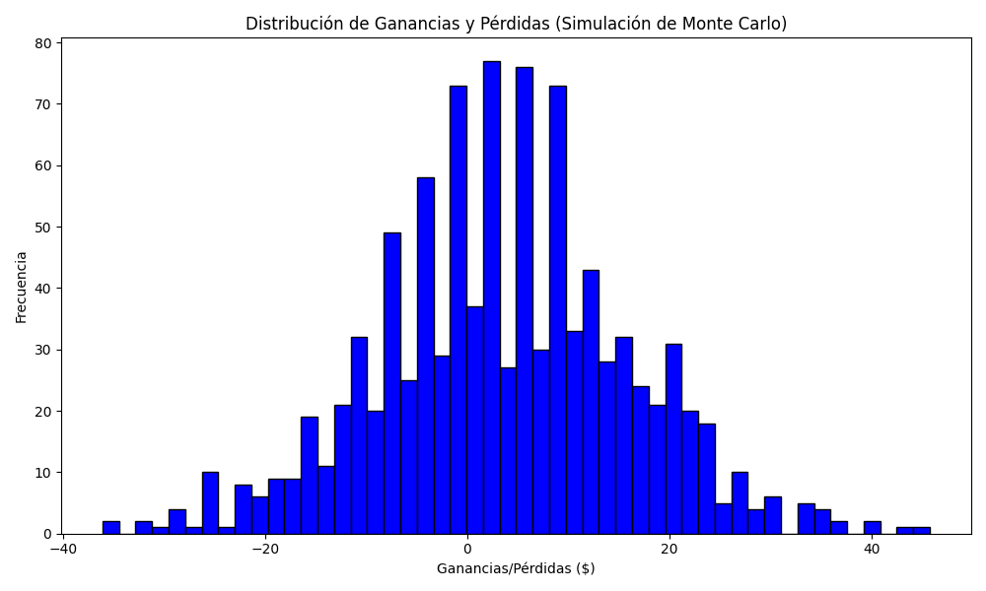
Promedio de Ganancia/Pérdida | Mediana de Ganancia/Pérdida | Ganancia/Pérdida Máxima | Ganancia/Pérdida Mínima | Probabilidad de Ganancia (>0)
3.5786 | 3.125 | 45.8 | -36.115 | 0

