Betting Decisions
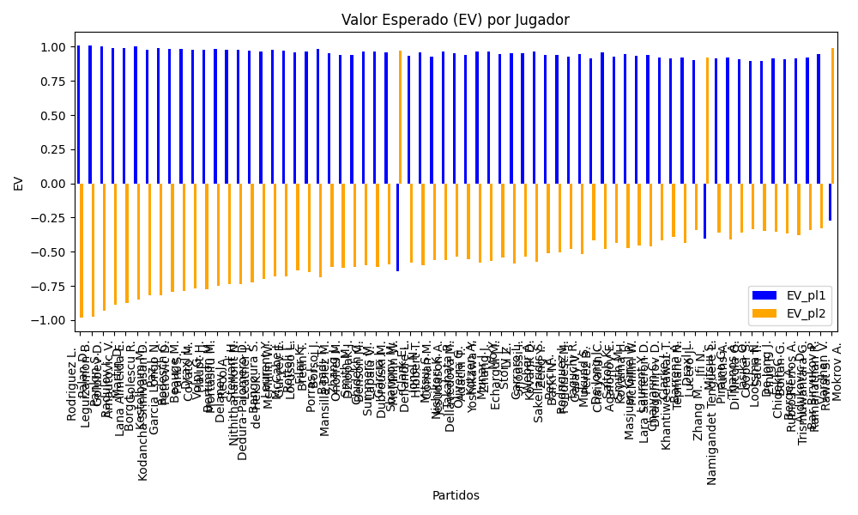
Surface | pl1 | pl1_flag | pl1_hand | pl1_bet | pl2 | pl2_flag | pl2_hand | pl2_bet | Result | DiffProffTime | DiffPts | DiffWeight | DiffHeight | DiffAge | DiffBet | Class | Prob_win_pl1 | Prob_win_pl2 | Accuracy | date_run | date | EV_pl1 | EV_pl2 | Std_Dev_pl1 | Std_Dev_pl2 | Sharpe_Ratio_pl1 | Sharpe_Ratio_pl2 | Best_Bet_EV | match | Best_Bet | Best_Bet_Sharpe | Money_to_Bet | Prob_Win | Payout
hard | Rodriguez L. | ARG | Right-Handed | 1.01 | Leguizamon B. | ARG | Right-Handed | 17.6 | 0 | 6 | 11 | -1 | -1 | 0 | -16.59 | 0 | 0.99903143544 | 0.00096856456098 | 0.72897196262 | 2024-09-03 | 20240903 | 1.0080531852 | -0.98198469917 | 0.031417761461 | 0.54747782347 | -0.061965419466 | -3.6384755944 | 1.0080531852 | Rodriguez L. Leguizamon B. | pl1 | -0.061965419466 | 1.5 | 0.99903143544 | 1.01
hard | Palan D. | CZE | Right-Handed | 1.01 | Golubev D. | RUS | Right-Handed | 15.67 | 0 | -2 | 11 | -1 | -1 | 1 | -14.66 | 0 | 0.99853251333 | 0.0014674866669 | 0.72897196262 | 2024-09-03 | 20240903 | 1.0070503518 | -0.97553699726 | 0.038662466891 | 0.59984243186 | -0.076292291664 | -3.3100976053 | 1.0070503518 | Palan D. Golubev D. | pl1 | -0.076292291664 | 1.5 | 0.99853251333 | 1.01
hard | Pankin S. | RUS | Right-Handed | 1.01 | Arnautovic V. | CHE | Right-Handed | 14.02 | 0 | 6 | -18.5 | 4 | 2 | 2 | -13.01 | 0 | 0.99544657408 | 0.0045534259166 | 0.73076923077 | 2024-09-04 | 20240904 | 1.0008476139 | -0.93160754273 | 0.067998524563 | 0.94390031127 | -0.13459683355 | -2.057004876 | 1.0008476139 | Pankin S. Arnautovic V. | pl1 | -0.13459683355 | 1.5 | 0.99544657408 | 1.01
hard | Radulov I. | BGR | Right-Handed | 1.01 | Lana Almeida E. | ESP | Right-Handed | 11.67 | 0 | 1 | -18.5 | 4 | 2 | 1 | -10.66 | 0 | 0.99114430557 | 0.0088556944265 | 0.73076923077 | 2024-09-04 | 20240904 | 0.9922000542 | -0.88779835162 | 0.094623962356 | 1.0933283571 | -0.18811245433 | -1.7357990756 | 0.9922000542 | Radulov I. Lana Almeida E. | pl1 | -0.18811245433 | 1.5 | 0.99114430557 | 1.01
hard | Martin D. | CAN | Right-Handed | 1.01 | Golescu R. | ROU | Right-Handed | 12.27 | 0 | 7 | -249 | 4 | 2 | 7 | -11.26 | 0 | 0.99062280136 | 0.0093771986418 | 0.73076923077 | 2024-09-04 | 20240904 | 0.99115183073 | -0.87556457402 | 0.097344650854 | 1.1825929366 | -0.193623061 | -1.5944324675 | 0.99115183073 | Martin D. Golescu R. | pl1 | -0.193623061 | 1.5 | 0.99062280136 | 1.01
hard | Borg L. | SWE | Right-Handed | 1.03 | Kodancha Srinivasan D. | IND | Right-Handed | 9.75 | 0 | 0 | -155 | -0.5 | 0 | -4 | -8.72 | 0 | 0.98593009928 | 0.014069900719 | 0.71333333333 | 2024-09-05 | 20240905 | 1.0014381015 | -0.84874856727 | 0.12131257014 | 1.1483471445 | -0.070577174726 | -1.6186295025 | 1.0014381015 | Borg L. Kodancha Srinivasan D. | pl1 | -0.070577174726 | 1.5 | 0.98593009928 | 1.03
hard | Kestelboim M. | ARG | Right-Handed | 1.01 | Garcia Longo N. | ARG | Right-Handed | 11.46 | 0 | 11 | -18.5 | 4 | 2 | 9 | -10.45 | 0 | 0.98539409522 | 0.014605904775 | 0.73076923077 | 2024-09-04 | 20240904 | 0.9806421314 | -0.8180104265 | 0.12116873782 | 1.3748452826 | -0.24228913436 | -1.3296117386 | 0.9806421314 | Kestelboim M. Garcia Longo N. | pl1 | -0.24228913436 | 1.5 | 0.98539409522 | 1.01
hard | Paz J. | ARG | Right-Handed | 1.02 | Petrovic D. | DEU | Right-Handed | 11.09 | 0 | 12 | -218.5 | 4 | 2 | 9 | -10.07 | 0 | 0.9851869675 | 0.014813032501 | 0.73076923077 | 2024-09-04 | 20240904 | 0.99007767435 | -0.82091043706 | 0.12322008065 | 1.339716367 | -0.16168083601 | -1.3666403443 | 0.99007767435 | Paz J. Petrovic D. | pl1 | -0.16168083601 | 1.5 | 0.9851869675 | 1.02
hard | Rodesch C. | LUX | Right-Handed | 1.02 | Park S. | KOR | Right-Handed | 10.5 | 0 | 7 | -18.5 | 4 | 2 | 5 | -9.48 | 0 | 0.98229059741 | 0.017709402585 | 0.73076923077 | 2024-09-04 | 20240904 | 0.98422700678 | -0.79634187027 | 0.13453092263 | 1.3848771447 | -0.19157672243 | -1.3043336567 | 0.98422700678 | Rodesch C. Park S. | pl1 | -0.19157672243 | 1.5 | 0.98229059741 | 1.02
hard | Beauge M. | FRA | Right-Handed | 1.02 | Covato M. | ITA | Right-Handed | 10.7 | 0 | 9 | 11 | -8.5 | -2 | 0 | -9.68 | 0 | 0.98202991495 | 0.017970085046 | 0.72897196262 | 2024-09-03 | 20240903 | 0.98370042821 | -0.78975000496 | 0.1354994701 | 1.4214160099 | -0.1940935398 | -1.2661669719 | 0.98370042821 | Beauge M. Covato M. | pl1 | -0.1940935398 | 1.5 | 0.98202991495 | 1.02
hard | Draxl L. | CAN | Right-Handed | 1.02 | Haupt H. | DEU | Right-Handed | 10.74 | 0 | 6 | -18.5 | 4 | 2 | -1 | -9.72 | 0 | 0.98018802729 | 0.019811972707 | 0.73076923077 | 2024-09-04 | 20240904 | 0.97997981513 | -0.76740744042 | 0.14214079135 | 1.4966589207 | -0.2112003499 | -1.1875835007 | 0.97997981513 | Draxl L. Haupt H. | pl1 | -0.2112003499 | 1.5 | 0.98018802729 | 1.02
hard | Volpi G. | ITA | Right-Handed | 1.02 | Mortasifu M. | ROU | Right-Handed | 10.09 | 0 | 7 | -18.5 | 4 | 2 | 8 | -9.07 | 0 | 0.97977447913 | 0.020225520867 | 0.73076923077 | 2024-09-04 | 20240904 | 0.97914444785 | -0.77569897359 | 0.14358632845 | 1.4203784844 | -0.21489199204 | -1.2571993966 | 0.97914444785 | Volpi G. Mortasifu M. | pl1 | -0.21489199204 | 1.5 | 0.97977447913 | 1.02
hard | Bertimon M. | FRA | Right-Handed | 1.03 | Reco A. | FRA | Right-Handed | 9.52 | 0 | -1 | 11 | -1 | -1 | -1 | -8.49 | 0 | 0.97604284675 | 0.023957153249 | 0.72897196262 | 2024-09-03 | 20240903 | 0.9813669789 | -0.74797074782 | 0.15750316006 | 1.4557573629 | -0.18179331186 | -1.2075987336 | 0.9813669789 | Bertimon M. Reco A. | pl1 | -0.18179331186 | 1.5 | 0.97604284675 | 1.03
hard | Delaney J. | AUS | Right-Handed | 1.03 | Nithithananont N. | THA | Right-Handed | 9.59 | 0 | 5 | -18.5 | 4 | 5 | 5 | -8.56 | 0 | 0.97507865091 | 0.024921349087 | 0.73076923077 | 2024-09-04 | 20240904 | 0.97940966135 | -0.73608291317 | 0.16056201986 | 1.4949415247 | -0.19052039003 | -1.1679941217 | 0.97940966135 | Delaney J. Nithithananont N. | pl1 | -0.19052039003 | 1.5 | 0.97507865091 | 1.03
hard | Stewart H. | FRA | Right-Handed | 1.03 | Leather J. | ITA | Right-Handed | 9.47 | 0 | 4 | -18.5 | 4 | 2 | 2 | -8.44 | 0 | 0.97459775635 | 0.025402243651 | 0.73076923077 | 2024-09-04 | 20240904 | 0.97843344539 | -0.73403850897 | 0.16206378103 | 1.4900427246 | -0.19477858909 | -1.1704620815 | 0.97843344539 | Stewart H. Leather J. | pl1 | -0.19477858909 | 1.5 | 0.97459775635 | 1.03
hard | Dedura-Palomero D. | DEU | Left-Handed | 1.02 | de Hek K. | NLD | Right-Handed | 9.69 | 0 | 0 | 11 | -1 | -1 | -4 | -8.67 | 0 | 0.9744440235 | 0.025555976498 | 0.72897196262 | 2024-09-03 | 20240903 | 0.96837692747 | -0.72680661124 | 0.16096255606 | 1.5291442826 | -0.25858854099 | -1.1358029658 | 0.96837692747 | Dedura-Palomero D. de Hek K. | pl1 | -0.25858854099 | 1.5 | 0.9744440235 | 1.02
Varioussurfaces | Bangoura S. | ITA | Right-Handed | 1.02 | McMillin W. | ITA | Right-Handed | 10.5 | 0 | 15 | -96 | -2 | -5 | 9 | -9.48 | 0 | 0.97378515154 | 0.026214848459 | 0.68965517241 | 2024-09-06 | 20240906 | 0.96704600611 | -0.69852924272 | 0.16296915794 | 1.6776236846 | -0.26357130657 | -1.0184222233 | 0.96704600611 | Bangoura S. McMillin W. | pl1 | -0.26357130657 | 1.5 | 0.97378515154 | 1.02
Varioussurfaces | Laurent Y. | FRA | Right-Handed | 1.04 | Guryev E. | UKR | Right-Handed | 9 | 0 | 12 | 36 | -2 | -2 | 12 | -7.96 | 0 | 0.968094394 | 0.031905605999 | 0.71333333333 | 2024-09-05 | 20240905 | 0.97491256376 | -0.68094394001 | 0.18277874491 | 1.5817391386 | -0.1919667205 | -1.0690409681 | 0.97491256376 | Laurent Y. Guryev E. | pl1 | -0.1919667205 | 1.5 | 0.968094394 | 1.04
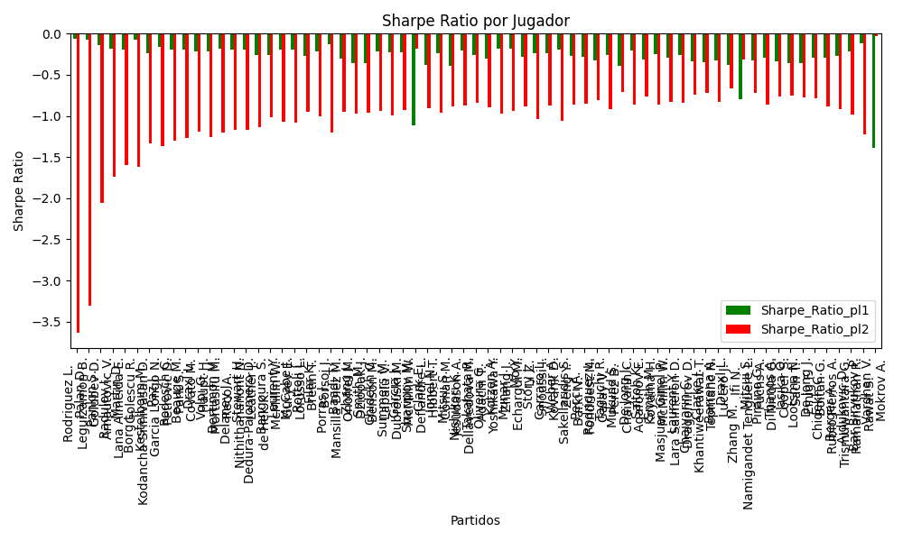
hard | McCabe J. | AUS | Right-Handed | 1.04 | Lorusso L. | ITA | Right-Handed | 8.85 | 0 | -4 | -18.5 | 4 | 2 | -3 | -7.81 | 0 | 0.96777635621 | 0.032223643793 | 0.73076923077 | 2024-09-04 | 20240904 | 0.97426376666 | -0.68259710864 | 0.18365728809 | 1.5628528842 | -0.1945810793 | -1.0830175545 | 0.97426376666 | McCabe J. Lorusso L. | pl1 | -0.1945810793 | 1.5 | 0.96777635621 | 1.04
hard | Rottoli L. | ITA | Right-Handed | 1.03 | Bretin T. | FRA | Right-Handed | 9.52 | 0 | 7 | 11 | -1 | -1 | 5 | -8.49 | 0 | 0.96543311435 | 0.034566885648 | 0.72897196262 | 2024-09-03 | 20240903 | 0.95982922213 | -0.63635636298 | 0.1881604949 | 1.7391144772 | -0.26663821165 | -0.94666359494 | 0.95982922213 | Rottoli L. Bretin T. | pl1 | -0.26663821165 | 1.5 | 0.96543311435 | 1.03
Varioussurfaces | Filar K. | POL | Right-Handed | 1.04 | Borsoi J. | ITA | Right-Handed | 9 | 0 | 5 | 36 | -0.5 | 0 | 8 | -7.96 | 0 | 0.96479875257 | 0.035201247427 | 0.71333333333 | 2024-09-05 | 20240905 | 0.96818945525 | -0.64798752573 | 0.1916596686 | 1.6585932859 | -0.21814993763 | -0.99963477473 | 0.96818945525 | Filar K. Borsoi J. | pl1 | -0.21814993763 | 1.5 | 0.96479875257 | 1.04
hard | Porras J. | ARG | Right-Handed | 1.06 | Mansilla Diez M. | ESP | Right-Handed | 7.52 | 0 | -5 | 36 | -0.5 | 0 | 4 | -6.46 | 0 | 0.96357777612 | 0.036422223882 | 0.71333333333 | 2024-09-05 | 20240905 | 0.9849702188 | -0.68968265253 | 0.19857861736 | 1.4087841533 | -0.12604469469 | -1.2064890484 | 0.9849702188 | Porras J. Mansilla Diez M. | pl1 | -0.12604469469 | 1.5 | 0.96357777612 | 1.06
hard | Baadi T. | CAN | Right-Handed | 1.03 | Onofrei M. | ROU | Right-Handed | 8.75 | 0 | 5 | 11 | -5.5 | -2 | 5 | -7.72 | 0 | 0.96044901068 | 0.039550989321 | 0.72897196262 | 2024-09-03 | 20240903 | 0.94971149168 | -0.61437785412 | 0.20074884586 | 1.7053906809 | -0.30031808184 | -0.95249603057 | 0.94971149168 | Baadi T. Onofrei M. | pl1 | -0.30031808184 | 1.5 | 0.96044901068 | 1.03
Varioussurfaces | Zhang J. | AUS | Right-Handed | 1.02 | Dziopak J. | POL | Right-Handed | 8.5 | 0 | 0 | 11 | -1 | -1 | -5 | -7.48 | 0 | 0.9594961911 | 0.0405038089 | 0.72897196262 | 2024-09-03 | 20240903 | 0.93818230602 | -0.61521381545 | 0.20108039606 | 1.6756699672 | -0.35715910345 | -0.96988896817 | 0.93818230602 | Zhang J. Dziopak J. | pl1 | -0.35715910345 | 1.5 | 0.9594961911 | 1.02
Varioussurfaces | Smith M. | ITA | Right-Handed | 1.02 | Benson M. | FRA | Right-Handed | 8.5 | 0 | -1 | 11 | -1 | -1 | 0 | -7.48 | 0 | 0.95911425798 | 0.040885742015 | 0.72897196262 | 2024-09-03 | 20240903 | 0.93741080113 | -0.61158545086 | 0.20198600862 | 1.6832167385 | -0.35937736166 | -0.96338481775 | 0.93741080113 | Smith M. Benson M. | pl1 | -0.35937736166 | 1.5 | 0.95911425798 | 1.02
hard | Chidekh C. | FRA | Right-Handed | 1.05 | Lapalu V. | FRA | Right-Handed | 8.56 | 0 | 4 | -153 | -0.5 | 0 | 1 | -7.51 | 0 | 0.95808908317 | 0.04191091683 | 0.71333333333 | 2024-09-05 | 20240905 | 0.9640826205 | -0.59933163511 | 0.21040488836 | 1.7153008042 | -0.21823342536 | -0.93822123279 | 0.9640826205 | Chidekh C. Lapalu V. | pl1 | -0.21823342536 | 1.5 | 0.95808908317 | 1.05
hard | Summers M. | FRA | Left-Handed | 1.05 | Dubrouski M. | BLR | Right-Handed | 8.07 | 0 | 5 | -18.5 | 4 | 2 | 2 | -7.02 | 0 | 0.95744183657 | 0.042558163431 | 0.73076923077 | 2024-09-04 | 20240904 | 0.96275576497 | -0.61399745768 | 0.21195171664 | 1.6290003365 | -0.22290093131 | -0.99692886572 | 0.96275576497 | Summers M. Dubrouski M. | pl1 | -0.22290093131 | 1.5 | 0.95744183657 | 1.05
Varioussurfaces | Garcia J. | ITA | Right-Handed | 1.05 | McMillin W. | FRA | Right-Handed | 8.5 | 0 | 0 | 11 | -1 | -1 | 0 | -7.45 | 0 | 0.95686010501 | 0.043139894991 | 0.72897196262 | 2024-09-03 | 20240903 | 0.96156321527 | -0.59017099759 | 0.21333055573 | 1.7269616416 | -0.22705038463 | -0.9265816675 | 0.96156321527 | Garcia J. McMillin W. | pl1 | -0.22705038463 | 1.5 | 0.95686010501 | 1.05
clay | Sharipov M. | RUS | Right-Handed | 7.26 | Deflandre L. | FRA | Left-Handed | 1.06 | 0 | 2 | 105.5 | -0.5 | 1 | -1 | 6.2 | 1 | 0.043622286448 | 0.95637771355 | 0.66666666667 | 2024-09-07 | 20240907 | -0.63967991394 | 0.97013808992 | 1.4828784606 | 0.21650842538 | -1.1124849121 | -0.18411251208 | 0.97013808992 | Sharipov M. Deflandre L. | pl2 | -0.18411251208 | 1.5 | 0.95637771355 | 1.06
Varioussurfaces | Clark E. | ITA | Right-Handed | 1.02 | Hibbert T. | AUS | Right-Handed | 8.5 | 0 | 7 | 11 | -12.5 | -15 | 2 | -7.48 | 0 | 0.95577076471 | 0.044229235293 | 0.72897196262 | 2024-09-03 | 20240903 | 0.93065694471 | -0.57982226472 | 0.20971609295 | 1.7476341079 | -0.37833555916 | -0.90969972346 | 0.93065694471 | Clark E. Hibbert T. | pl1 | -0.37833555916 | 1.5 | 0.95577076471 | 1.02
hard | Ionel N. | ROU | Right-Handed | 1.05 | Coman M. | ROU | Right-Handed | 8.07 | 0 | 2 | -18.5 | -5 | 0 | 2 | -7.02 | 0 | 0.95550407646 | 0.044495923542 | 0.73076923077 | 2024-09-04 | 20240904 | 0.95878335674 | -0.59642197348 | 0.21650388 | 1.6639869634 | -0.23656224203 | -0.96540538406 | 0.95878335674 | Ionel N. Coman M. | pl1 | -0.23656224203 | 1.5 | 0.95550407646 | 1.05
Varioussurfaces | Mitsui S. | JPN | Right-Handed | 1.02 | Jesudason A. | FRA | Right-Handed | 8.5 | 0 | 1 | 11 | -1 | -1 | 1 | -7.48 | 0 | 0.95403181037 | 0.045968189626 | 0.72897196262 | 2024-09-03 | 20240903 | 0.92714425696 | -0.56330219855 | 0.21360445178 | 1.7800370982 | -0.3878933344 | -0.88385921853 | 0.92714425696 | Mitsui S. Jesudason A. | pl1 | -0.3878933344 | 1.5 | 0.95403181037 | 1.02
clay | Nishikori K. | JPN | Right-Handed | 1.06 | Dellavedova M. | AUS | Right-Handed | 8.52 | 0 | 10 | -173 | -8 | -13 | 10 | -7.46 | 0 | 0.95374859518 | 0.046251404817 | 0.72897196262 | 2024-09-03 | 20240903 | 0.96472210608 | -0.55968662614 | 0.22263081956 | 1.7894477195 | -0.20337657658 | -0.87719054826 | 0.96472210608 | Nishikori K. Dellavedova M. | pl1 | -0.20337657658 | 1.5 | 0.95374859518 | 1.06
hard | Takahata R. | JPN | Right-Handed | 1.05 | Adachi T. | JPN | Right-Handed | 8.56 | 0 | 6 | -18.5 | 4 | 2 | -1 | -7.51 | 0 | 0.95162032924 | 0.048379670764 | 0.73076923077 | 2024-09-04 | 20240904 | 0.95082167493 | -0.53749034749 | 0.22529554753 | 1.8366951304 | -0.26266974965 | -0.84254067096 | 0.95082167493 | Takahata R. Adachi T. | pl1 | -0.26266974965 | 1.5 | 0.95162032924 | 1.05
hard | Oliveira G. | VEN | Left-Handed | 1.04 | Yoshikawa Y. | JPN | Right-Handed | 8.15 | 0 | 1 | -18.5 | 3 | 2 | -1 | -7.11 | 0 | 0.95158964475 | 0.048410355254 | 0.73076923077 | 2024-09-04 | 20240904 | 0.94124287528 | -0.55704524943 | 0.22321703127 | 1.7492488508 | -0.30802812997 | -0.89583894752 | 0.94124287528 | Oliveira G. Yoshikawa Y. | pl1 | -0.30802812997 | 1.5 | 0.95158964475 | 1.04
Varioussurfaces | Kotzen A. | FRA | Right-Handed | 1.07 | Zhang J. | AUS | Right-Handed | 7.5 | 0 | 4 | -18.5 | 4 | 2 | 5 | -6.43 | 0 | 0.9503042215 | 0.049695778504 | 0.73076923077 | 2024-09-04 | 20240904 | 0.9671297385 | -0.57758588272 | 0.2325277858 | 1.6298676574 | -0.18436618814 | -0.97405815464 | 0.9671297385 | Kotzen A. Zhang J. | pl1 | -0.18436618814 | 1.5 | 0.9503042215 | 1.07
clay | Munar J. | ESP | Right-Handed | 1.07 | Echargui M. | TUN | Right-Handed | 7.72 | 0 | 2 | 334 | 1 | 3 | -4 | -6.65 | 0 | 0.95007706135 | 0.049922938649 | 0.72897196262 | 2024-09-03 | 20240903 | 0.966659517 | -0.56467197498 | 0.2330307671 | 1.6813060953 | -0.18598609765 | -0.93657661704 | 0.966659517 | Munar J. Echargui M. | pl1 | -0.18598609765 | 1.5 | 0.95007706135 | 1.07
hard | Mo Y. | CHN | Right-Handed | 1.05 | Li Z. | CHN | Right-Handed | 8 | 0 | 2 | 46.5 | 4 | 2 | 0 | -6.95 | 0 | 0.94931392558 | 0.050686074422 | 0.73076923077 | 2024-09-04 | 20240904 | 0.94609354744 | -0.5438253302 | 0.2303236601 | 1.7548469341 | -0.27746368974 | -0.88544778467 | 0.94609354744 | Mo Y. Li Z. | pl1 | -0.27746368974 | 1.5 | 0.94931392558 | 1.05
Varioussurfaces | Story J. | ITA | Right-Handed | 1.06 | Snoussi I. | TUN | Right-Handed | 7 | 0 | 4 | 11 | -1 | -1 | 6 | -5.94 | 0 | 0.94850072876 | 0.051499271238 | 0.72897196262 | 2024-09-03 | 20240903 | 0.95391150125 | -0.5880058301 | 0.23427461963 | 1.5470965447 | -0.23941346629 | -1.0329063403 | 0.95391150125 | Story J. Snoussi I. | pl1 | -0.23941346629 | 1.5 | 0.94850072876 | 1.06
Varioussurfaces | Carraro L. | ITA | Right-Handed | 1.06 | Kovarik D. | CZE | Right-Handed | 8 | 0 | 4 | 87 | -2.5 | -5 | 3 | -6.94 | 0 | 0.94834110581 | 0.051658894194 | 0.68965517241 | 2024-09-06 | 20240906 | 0.95358267796 | -0.53506995226 | 0.23461766365 | 1.7706993483 | -0.24046493841 | -0.87257611166 | 0.95358267796 | Carraro L. Kovarik D. | pl1 | -0.24046493841 | 1.5 | 0.94834110581 | 1.06
hard | Weber A. | FRA | Left-Handed | 1.08 | Zeng Y. | CHN | Right-Handed | 6.51 | 0 | 0 | -18.5 | 4 | 2 | 10 | -5.43 | 0 | 0.94359107043 | 0.056408929569 | 0.73076923077 | 2024-09-04 | 20240904 | 0.9626694265 | -0.57636893894 | 0.24916646795 | 1.5019200985 | -0.18995563044 | -1.0562272524 | 0.9626694265 | Weber A. Zeng Y. | pl1 | -0.18995563044 | 1.5 | 0.94359107043 | 1.08
hard | Sakellaridis S. | GRC | Right-Handed | 1.06 | Barki N. | IDN | Right-Handed | 7.59 | 0 | 4 | 11 | -1 | -1 | -5 | -6.53 | 0 | 0.94311870631 | 0.05688129369 | 0.72897196262 | 2024-09-03 | 20240903 | 0.942824535 | -0.51138968721 | 0.24551259539 | 1.7579628293 | -0.27361311094 | -0.86542767679 | 0.942824535 | Sakellaridis S. Barki N. | pl1 | -0.27361311094 | 1.5 | 0.94311870631 | 1.06
hard | Pecci A. | ITA | Right-Handed | 1.06 | Fondriest M. | ITA | Right-Handed | 7.57 | 0 | 2 | 36 | -0.5 | 0 | 3 | -6.51 | 0 | 0.94214957033 | 0.057850429669 | 0.71333333333 | 2024-09-05 | 20240905 | 0.94082811488 | -0.50422181773 | 0.24746802193 | 1.7672952132 | -0.27951847911 | -0.8568018554 | 0.94082811488 | Pecci A. Fondriest M. | pl1 | -0.27951847911 | 1.5 | 0.94214957033 | 1.06
hard | Rodriguez L. | ARG | Right-Handed | 1.05 | Garay V. | ARG | Right-Handed | 7.82 | 0 | 7 | 36 | -0.5 | 0 | 7 | -6.77 | 0 | 0.94099439629 | 0.059005603713 | 0.71333333333 | 2024-09-05 | 20240905 | 0.92903851239 | -0.47957057526 | 0.24741694878 | 1.8426671804 | -0.32722692609 | -0.80837743846 | 0.92903851239 | Rodriguez L. Garay V. | pl1 | -0.32722692609 | 1.5 | 0.94099439629 | 1.05
hard | Taguchi R. | JPN | Right-Handed | 1.07 | Perez B. | VEN | Left-Handed | 6.92 | 0 | -5 | 11 | -5.5 | -7 | 0 | -5.85 | 0 | 0.93902188775 | 0.060978112248 | 0.72897196262 | 2024-09-03 | 20240903 | 0.94377530765 | -0.51705335099 | 0.25604047433 | 1.6558879275 | -0.25864931131 | -0.9221960772 | 0.94377530765 | Taguchi R. Perez B. | pl1 | -0.25864931131 | 1.5 | 0.93902188775 | 1.07
hard | Mukund S. | IND | Right-Handed | 1.04 | Chaiyarin C. | THA | Right-Handed | 8.35 | 0 | 6 | -114 | 0 | 0 | 7 | -7.31 | 0 | 0.93759432733 | 0.062405672665 | 0.71333333333 | 2024-09-05 | 20240905 | 0.91269242776 | -0.41650696058 | 0.25156652994 | 2.0197889664 | -0.38680651301 | -0.70626534967 | 0.91269242776 | Mukund S. Chaiyarin C. | pl1 | -0.38680651301 | 1.5 | 0.93759432733 | 1.04
hard | De Jong J. | NLD | Right-Handed | 1.09 | Agafonov E. | RUS | Right-Handed | 7.09 | 0 | 2 | 79 | -8 | -5 | 3 | -6 | 0 | 0.93585610895 | 0.064143891047 | 0.71333333333 | 2024-09-05 | 20240905 | 0.95593926771 | -0.48107592143 | 0.26705990389 | 1.7371144207 | -0.20242923592 | -0.85836367696 | 0.95593926771 | De Jong J. Agafonov E. | pl1 | -0.20242923592 | 1.5 | 0.93585610895 | 1.09
hard | Saitoh K. | JPN | Left-Handed | 1.06 | Koyama H. | JPN | Right-Handed | 7.71 | 0 | 4 | 36 | -10 | -22 | -1 | -6.65 | 0 | 0.93535698449 | 0.064643015511 | 0.71333333333 | 2024-09-05 | 20240905 | 0.92683538805 | -0.4369593349 | 0.26064858152 | 1.8958495882 | -0.31906796295 | -0.76322475363 | 0.92683538805 | Saitoh K. Koyama H. | pl1 | -0.31906796295 | 1.5 | 0.93535698449 | 1.06
Varioussurfaces | Smith M. | FRA | Right-Handed | 1.08 | McMillin W. | ITA | Right-Handed | 7 | 0 | 1 | -18.5 | 4 | 2 | 0 | -5.92 | 0 | 0.93442056422 | 0.06557943578 | 0.73076923077 | 2024-09-04 | 20240904 | 0.94359477358 | -0.47536451376 | 0.26734913741 | 1.7328184832 | -0.24838391874 | -0.85719567754 | 0.94359477358 | Smith M. McMillin W. | pl1 | -0.24838391874 | 1.5 | 0.93442056422 | 1.08
hard | Masjuan Ginel P. | ESP | Right-Handed | 1.07 | Lara Salmeron D. | ESP | Right-Handed | 7.09 | 0 | -1 | -18.5 | 4 | 2 | -1 | -6.02 | 0 | 0.93293062458 | 0.067069375423 | 0.73076923077 | 2024-09-04 | 20240904 | 0.93116639287 | -0.45740875283 | 0.26765205579 | 1.7735075473 | -0.29453764849 | -0.82740485379 | 0.93116639287 | Masjuan Ginel P. Lara Salmeron D. | pl1 | -0.29453764849 | 1.5 | 0.93293062458 | 1.07
Varioussurfaces | Laurent Y. | FRA | Right-Handed | 1.08 | Dragomirov D. | DEU | Right-Handed | 7 | 0 | 9 | 11 | -2.5 | -2 | 8 | -5.92 | 0 | 0.93266790136 | 0.067332098641 | 0.72897196262 | 2024-09-03 | 20240903 | 0.93994923483 | -0.46134321088 | 0.27064396426 | 1.7541738424 | -0.2588299553 | -0.83876704536 | 0.93994923483 | Laurent Y. Dragomirov D. | pl1 | -0.2588299553 | 1.5 | 0.93266790136 | 1.08
hard | Chaiyarin C. | THA | Right-Handed | 1.06 | Khantiweerawat T. | THA | Right-Handed | 7.64 | 0 | 4 | -18.5 | 4 | 2 | -3 | -6.58 | 0 | 0.93214453071 | 0.067855469292 | 0.73076923077 | 2024-09-04 | 20240904 | 0.92021773326 | -0.41372874531 | 0.26658758618 | 1.9214426023 | -0.33678337401 | -0.74096865742 | 0.92021773326 | Chaiyarin C. Khantiweerawat T. | pl1 | -0.33678337401 | 1.5 | 0.93214453071 | 1.06
hard | Clarke J. | ITA | Right-Handed | 1.06 | Tepmahc N. | FRA | Right-Handed | 7.62 | 0 | 4 | 90 | 3.5 | 3 | 3 | -6.56 | 0 | 0.92919156479 | 0.070808435211 | 0.72897196262 | 2024-09-03 | 20240903 | 0.91413462346 | -0.38963128848 | 0.27189485718 | 1.9545649167 | -0.35258252962 | -0.71608329634 | 0.91413462346 | Clarke J. Tepmahc N. | pl1 | -0.35258252962 | 1.5 | 0.92919156479 | 1.06
hard | Barrena A. | ARG | Right-Handed | 1.07 | Lucero J. | ARG | Right-Handed | 6.71 | 0 | -5 | -18.5 | 4 | 2 | -7 | -5.64 | 0 | 0.92671465594 | 0.073285344058 | 0.73076923077 | 2024-09-04 | 20240904 | 0.9182993378 | -0.43496999731 | 0.27884660352 | 1.7486548688 | -0.32885701688 | -0.82633229868 | 0.9182993378 | Barrena A. Lucero J. | pl1 | -0.32885701688 | 1.5 | 0.92671465594 | 1.07
hard | Draxl L. | CAN | Right-Handed | 1.06 | Ifi N. | BEL | Right-Handed | 7.73 | 0 | 2 | 36 | -0.5 | 0 | -4 | -6.67 | 0 | 0.92438947765 | 0.075610522347 | 0.71333333333 | 2024-09-05 | 20240905 | 0.90424232396 | -0.33992013991 | 0.28023635857 | 2.0436104262 | -0.37738741887 | -0.66055649483 | 0.90424232396 | Draxl L. Ifi N. | pl1 | -0.37738741887 | 1.5 | 0.92438947765 | 1.06
hard | Zhang M. | CHN | Right-Handed | 6.7 | Namigandet Tenguere L. | FRA | Right-Handed | 1.08 | 0 | -6 | -18.5 | 4 | 2 | -6 | 5.62 | 1 | 0.07704070707 | 0.92295929293 | 0.73076923077 | 2024-09-04 | 20240904 | -0.40678655556 | 0.91975532929 | 1.7865953782 | 0.28798850873 | -0.79300919101 | -0.31336205428 | 0.91975532929 | Zhang M. Namigandet Tenguere L. | pl2 | -0.31336205428 | 1.5 | 0.92295929293 | 1.08
Varioussurfaces | Mitsui S. | JPN | Right-Handed | 1.08 | Fuchs A. | ITA | Right-Handed | 7 | 0 | 1 | -18.5 | 4 | 2 | -1 | -5.92 | 0 | 0.92030447335 | 0.079695526651 | 0.73076923077 | 2024-09-04 | 20240904 | 0.91423330457 | -0.36243578679 | 0.29248695046 | 1.895748753 | -0.3274221133 | -0.72395447162 | 0.91423330457 | Mitsui S. Fuchs A. | pl1 | -0.3274221133 | 1.5 | 0.92030447335 | 1.08
hard | Piraino G. | ITA | Left-Handed | 1.1 | Di Nicola G. | ITA | Right-Handed | 5.91 | 0 | -8 | 36 | -0.5 | 0 | -8 | -4.81 | 0 | 0.91435304949 | 0.085646950507 | 0.71333333333 | 2024-09-05 | 20240905 | 0.92014140394 | -0.408179572 | 0.30782621064 | 1.6538662771 | -0.291913401 | -0.85749349364 | 0.92014140394 | Piraino G. Di Nicola G. | pl1 | -0.291913401 | 1.5 | 0.91435304949 | 1.1
hard | Thanos A. | GRC | Right-Handed | 1.09 | Cooper S. | ITA | Right-Handed | 6.35 | 0 | -7 | -18.5 | 4 | 2 | -5 | -5.26 | 0 | 0.91312695418 | 0.086873045819 | 0.73076923077 | 2024-09-04 | 20240904 | 0.90843533424 | -0.36148311323 | 0.30699733362 | 1.788470705 | -0.33083240354 | -0.7668468426 | 0.90843533424 | Thanos A. Cooper S. | pl1 | -0.33083240354 | 1.5 | 0.91312695418 | 1.09
hard | Jasika O. | AUS | Left-Handed | 1.09 | Sach T. | AUS | Right-Handed | 6.25 | 0 | 7 | -99 | -18.5 | -2 | 6 | -5.16 | 0 | 0.90869952594 | 0.091300474063 | 0.72897196262 | 2024-09-03 | 20240903 | 0.89918200921 | -0.33807156305 | 0.3139591647 | 1.8002245682 | -0.35296944078 | -0.74883522136 | 0.89918200921 | Jasika O. Sach T. | pl1 | -0.35296944078 | 1.5 | 0.90869952594 | 1.09
hard | Lootsma N. | NLD | Right-Handed | 1.09 | Einig F. | DEU | Right-Handed | 6.11 | 0 | 5 | 36 | 0 | 8 | 6 | -5.02 | 0 | 0.90836022584 | 0.091639774164 | 0.71333333333 | 2024-09-05 | 20240905 | 0.898472872 | -0.34844120569 | 0.31448327814 | 1.7628374582 | -0.35463611504 | -0.7705992401 | 0.898472872 | Lootsma N. Einig F. | pl1 | -0.35463611504 | 1 | 0.90836022584 | 1.09
hard | De Jong J. | NLD | Right-Handed | 1.11 | Boitan G. | ROU | Right-Handed | 5.98 | 0 | -1 | 62 | -8.5 | -5 | -1 | -4.87 | 0 | 0.90750169201 | 0.092498307994 | 0.72897196262 | 2024-09-03 | 20240903 | 0.91482857013 | -0.3543618102 | 0.32159818924 | 1.7325740285 | -0.29593272926 | -0.78747677601 | 0.91482857013 | De Jong J. Boitan G. | pl1 | -0.29593272926 | 1.5 | 0.90750169201 | 1.11
hard | Chidekh C. | FRA | Right-Handed | 1.13 | Rubio Fierros A. | MEX | Right-Handed | 5.09 | 0 | -1 | -148 | -2.5 | -5 | -2 | -3.96 | 0 | 0.89583172997 | 0.10416827003 | 0.68965517241 | 2024-09-06 | 20240906 | 0.90812158484 | -0.36561523554 | 0.34519094097 | 1.5548866279 | -0.29513641021 | -0.88470452497 | 0.90812158484 | Chidekh C. Rubio Fierros A. | pl1 | -0.29513641021 | 1.5 | 0.89583172997 | 1.13
hard | Berger A. | FRA | Right-Handed | 1.14 | Trismuwantara G. | IDN | Right-Handed | 4.93 | 0 | 1 | 11 | -1 | -1 | 2 | -3.79 | 0 | 0.89502261639 | 0.10497738361 | 0.72897196262 | 2024-09-03 | 20240903 | 0.91534839907 | -0.37748411517 | 0.34943767607 | 1.5111646868 | -0.27086833338 | -0.91815546462 | 0.91534839907 | Berger A. Trismuwantara G. | pl1 | -0.27086833338 | 1.5 | 0.89502261639 | 1.14
hard | Ajdukovic D. | HRV | Right-Handed | 1.21 | Ramanathan R. | IND | Right-Handed | 4.08 | 0 | -6 | 80 | -5 | -3 | -6 | -2.87 | 0 | 0.87046061696 | 0.12953938304 | 0.72897196262 | 2024-09-03 | 20240903 | 0.92371796348 | -0.34193993416 | 0.40631311976 | 1.3700475443 | -0.21235355769 | -0.98678322499 | 0.92371796348 | Ajdukovic D. Ramanathan R. | pl1 | -0.21235355769 | 1.5 | 0.87046061696 | 1.21
clay | Bar Biryukov P. | RUS | Left-Handed | 1.35 | Rawat S. | IND | Right-Handed | 2.91 | 0 | -12 | 105.5 | 8 | 10 | -9 | -1.56 | 0 | 0.82888670439 | 0.17111329561 | 0.66666666667 | 2024-09-07 | 20240907 | 0.94788375531 | -0.33094701416 | 0.50842071041 | 1.0959290869 | -0.12217489063 | -1.2235709684 | 0.94788375531 | Bar Biryukov P. Rawat S. | pl1 | -0.12217489063 | 1.5 | 0.82888670439 | 1.35
hard | Vardhan V. | IND | Right-Handed | 2.22 | Mokrov A. | RUS | Right-Handed | 1.57 | 0 | 20 | -114 | 6 | 3 | 18 | 0.65 | 1 | 0.22540347186 | 0.77459652814 | 0.71333333333 | 2024-09-05 | 20240905 | -0.27420082062 | 0.99071307733 | 0.92762201709 | 0.65602097605 | -1.3844009704 | -0.029399856671 | 0.99071307733 | Vardhan V. Mokrov A. | pl2 | -0.029399856671 | 1.5 | 0.77459652814 | 1.57

Monte Carlo Summary
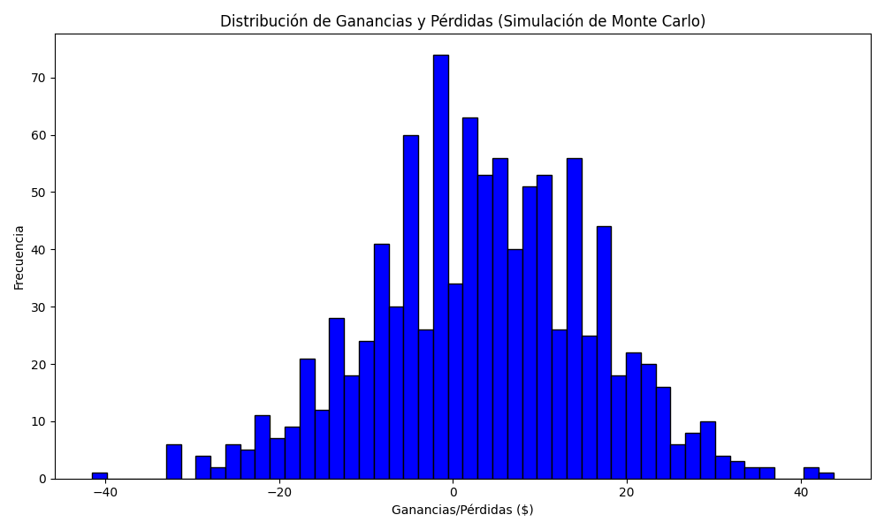
Promedio de Ganancia/Pérdida | Mediana de Ganancia/Pérdida | Ganancia/Pérdida Máxima | Ganancia/Pérdida Mínima | Probabilidad de Ganancia (>0)
3.344695 | 3.655 | 43.765 | -41.53 | 0

