Betting Decisions
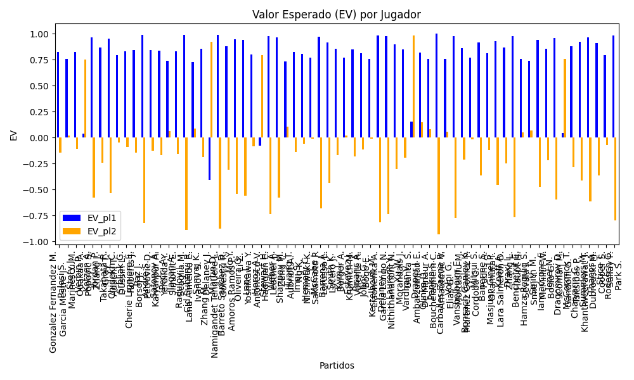
Surface | pl1 | pl1_flag | pl1_hand | pl1_bet | pl2 | pl2_flag | pl2_hand | pl2_bet | Result | DiffProffTime | DiffPts | DiffWeight | DiffHeight | DiffAge | DiffBet | Class | Prob_win_pl1 | Prob_win_pl2 | Accuracy | date | EV_pl1 | EV_pl2 | Std_Dev_pl1 | Std_Dev_pl2 | Sharpe_Ratio_pl1 | Sharpe_Ratio_pl2 | Best_Bet_EV | match | Best_Bet | Best_Bet_Sharpe | Money_to_Bet | Prob_Win | Payout
hard | Gonzalez Fernandez M. | ESP | Right-Handed | 1.11 | Garcia Mestre J. | ESP | Right-Handed | 5.38 | 0 | 0 | -18.5 | 4 | 2 | 1 | -4.27 | 0 | 0.86613762667 | 0.13386237333 | 0.73076923077 | 20240904 | 0.82755039227 | -0.14595805816 | 0.37795987083 | 1.8319136081 | -0.48272216658 | -0.63101122947 | 0.82755039227 | Gonzalez Fernandez M. Garcia Mestre J. | pl1 | -0.48272216658 | 1.5 | 0.86613762667 | 1.11
hard | Palosi S. | ROU | Right-Handed | 1.15 | Marinescu M. | ROU | Right-Handed | 4.58 | 0 | 1 | -18.5 | 4 | 2 | 2 | -3.43 | 0 | 0.81713473766 | 0.18286526234 | 0.73076923077 | 20240904 | 0.75683968596 | 0.020388163877 | 0.44453942534 | 1.7704265809 | -0.56948900279 | -0.55896801753 | 0.75683968596 | Palosi S. Marinescu M. | pl1 | -0.56948900279 | 1.5 | 0.81713473766 | 1.15
hard | Story J. | FRA | Right-Handed | 1.39 | Ouakaa A. | TUN | Right-Handed | 2.75 | 0 | -2 | -18.5 | 4 | 2 | -2 | -1.36 | 0 | 0.76290874852 | 0.23709125148 | 0.73076923077 | 20240904 | 0.82335190895 | -0.11090780694 | 0.59116520237 | 1.1695714435 | -0.31572915709 | -0.95839190768 | 0.82335190895 | Story J. Ouakaa A. | pl1 | -0.31572915709 | 1.5 | 0.76290874852 | 1.39
hard | Verbin P. | RUS | Right-Handed | 4.48 | Popovic S. | SRB | Right-Handed | 1.16 | 0 | 2 | -18.5 | 4 | 2 | 1 | 3.32 | 1 | 0.18934496129 | 0.81065503871 | 0.73076923077 | 20240904 | 0.037610387862 | 0.75101488362 | 1.7551851404 | 0.454467581 | -0.55400971086 | -0.56986488632 | 0.75101488362 | Verbin P. Popovic S. | pl2 | -0.56986488632 | 1.5 | 0.81065503871 | 1.16
Varioussurfaces | Kotzen A. | FRA | Right-Handed | 1.07 | Zhang J. | AUS | Right-Handed | 7.5 | 0 | 4 | -18.5 | 4 | 2 | 5 | -6.43 | 0 | 0.9503042215 | 0.049695778504 | 0.73076923077 | 20240904 | 0.9671297385 | -0.57758588272 | 0.2325277858 | 1.6298676574 | -0.18436618814 | -0.97405815464 | 0.9671297385 | Kotzen A. Zhang J. | pl1 | -0.18436618814 | 1.5 | 0.9503042215 | 1.07
hard | Jordan P. | FRA | Right-Handed | 1.13 | Gray T. | AUS | Right-Handed | 5.09 | 0 | -1 | -18.5 | 4 | 2 | -3 | -3.96 | 0 | 0.87547137166 | 0.12452862834 | 0.73076923077 | 20240904 | 0.86475402163 | -0.2416206534 | 0.37310753535 | 1.6806348274 | -0.3892871749 | -0.74473087968 | 0.86475402163 | Jordan P. Gray T. | pl1 | -0.3892871749 | 1.5 | 0.87547137166 | 1.13
hard | Takahata R. | JPN | Right-Handed | 1.05 | Adachi T. | JPN | Right-Handed | 8.56 | 0 | 6 | -18.5 | 4 | 2 | -1 | -7.51 | 0 | 0.95162032924 | 0.048379670764 | 0.73076923077 | 20240904 | 0.95082167493 | -0.53749034749 | 0.22529554753 | 1.8366951304 | -0.26266974965 | -0.84254067096 | 0.95082167493 | Takahata R. Adachi T. | pl1 | -0.26266974965 | 1.5 | 0.95162032924 | 1.05
hard | Chidekh C. | FRA | Right-Handed | 1.14 | Dussin L. | FRA | Right-Handed | 4.89 | 0 | -1 | -169 | 4 | 2 | -2 | -3.75 | 0 | 0.83832179753 | 0.16167820247 | 0.73076923077 | 20240904 | 0.79400864671 | -0.047715387429 | 0.41969709836 | 1.8002796587 | -0.51463627969 | -0.58752837777 | 0.79400864671 | Chidekh C. Dussin L. | pl1 | -0.51463627969 | 1.5 | 0.83832179753 | 1.14
hard | Srbljak G. | FRA | Left-Handed | 1.51 | Roberts J. | BHS | Right-Handed | 2.36 | 0 | -2 | -18.5 | -5 | 2 | -1 | -0.85 | 0 | 0.72891984313 | 0.27108015687 | 0.73076923077 | 20240904 | 0.82958880627 | -0.08917067293 | 0.6712212511 | 1.0490610282 | -0.26878051528 | -1.0477661865 | 0.82958880627 | Srbljak G. Roberts J. | pl1 | -0.26878051528 | 1.5 | 0.72891984313 | 1.51
Varioussurfaces | Cherie Ligniere E. | ITA | Right-Handed | 1.12 | Borsoi J. | ITA | Right-Handed | 5.5 | 0 | 1 | -18.5 | 4 | 2 | 2 | -4.38 | 0 | 0.86836523296 | 0.13163476704 | 0.73076923077 | 20240904 | 0.84093429388 | -0.14437401425 | 0.37866445565 | 1.8595129519 | -0.44647894355 | -0.62079374769 | 0.84093429388 | Cherie Ligniere E. Borsoi J. | pl1 | -0.44647894355 | 1.5 | 0.86836523296 | 1.12
hard | Paz J. | ARG | Right-Handed | 1.02 | Petrovic D. | DEU | Right-Handed | 11.09 | 0 | 12 | -218.5 | 4 | 2 | 9 | -10.07 | 0 | 0.9851869675 | 0.014813032501 | 0.73076923077 | 20240904 | 0.99007767435 | -0.82091043706 | 0.12322008065 | 1.339716367 | -0.16168083601 | -1.3666403443 | 0.99007767435 | Paz J. Petrovic D. | pl1 | -0.16168083601 | 1.5 | 0.9851869675 | 1.02
hard | Andre S. | SEN | Right-Handed | 1.43 | Kalyanpur A. | IND | Right-Handed | 2.59 | 0 | -4 | -18.5 | 2 | -3 | -3 | -1.16 | 0 | 0.75736597877 | 0.24263402123 | 0.73076923077 | 20240904 | 0.84039932841 | -0.12894386378 | 0.61300607954 | 1.1102697525 | -0.27667045606 | -1.0258262564 | 0.84039932841 | Andre S. Kalyanpur A. | pl1 | -0.27667045606 | 1.5 | 0.75736597877 | 1.43
hard | Safonov A. | RUS | Left-Handed | 1.12 | Yerdilda Y. | KAZ | Right-Handed | 5.22 | 0 | 0 | -18.5 | 4 | 2 | 3 | -4.1 | 0 | 0.86617344293 | 0.13382655707 | 0.73076923077 | 20240904 | 0.83628769901 | -0.16759881503 | 0.38132177614 | 1.7772318495 | -0.45555305744 | -0.6626028086 | 0.83628769901 | Safonov A. Yerdilda Y. | pl1 | -0.45555305744 | 1.5 | 0.86617344293 | 1.12
hard | Pecci A. | ITA | Right-Handed | 1.16 | Simonit E. | ARG | Right-Handed | 4.42 | 0 | 0 | -18.5 | 4 | 2 | 1 | -3.26 | 0 | 0.80435029757 | 0.19564970243 | 0.73076923077 | 20240904 | 0.73739664275 | 0.060421387168 | 0.46017200931 | 1.7534140355 | -0.592394478 | -0.54155983334 | 0.73739664275 | Pecci A. Simonit E. | pl1 | -0.592394478 | 1.5 | 0.80435029757 | 1.16
hard | Ilagan A. | FRA | Left-Handed | 1.14 | Scaglia M. | FRA | Right-Handed | 4.89 | 0 | -3 | -18.5 | 4 | 2 | -2 | -3.75 | 0 | 0.85668753355 | 0.14331246645 | 0.73076923077 | 20240904 | 0.83331132181 | -0.15588957264 | 0.39944598487 | 1.7134130404 | -0.44233434528 | -0.68044863975 | 0.83331132181 | Ilagan A. Scaglia M. | pl1 | -0.44233434528 | 1.5 | 0.85668753355 | 1.14
hard | Radulov I. | BGR | Right-Handed | 1.01 | Lana Almeida E. | ESP | Right-Handed | 11.67 | 0 | 1 | -18.5 | 4 | 2 | 1 | -10.66 | 0 | 0.99114430557 | 0.0088556944265 | 0.73076923077 | 20240904 | 0.9922000542 | -0.88779835162 | 0.094623962356 | 1.0933283571 | -0.18811245433 | -1.7357990756 | 0.9922000542 | Radulov I. Lana Almeida E. | pl1 | -0.18811245433 | 1.5 | 0.99114430557 | 1.01
hard | Cid Subervi R. | FRA | Right-Handed | 1.16 | Ivanov S. | RUS | Right-Handed | 4.48 | 0 | 12 | -18.5 | 6 | 10 | 11 | -3.32 | 0 | 0.80113850059 | 0.19886149941 | 0.73076923077 | 20240904 | 0.73045916127 | 0.08976101679 | 0.46300656153 | 1.7881632721 | -0.60375135464 | -0.51462805302 | 0.73045916127 | Cid Subervi R. Ivanov S. | pl1 | -0.60375135464 | 1.26 | 0.80113850059 | 1.16
hard | Samrej K. | THA | Right-Handed | 1.11 | Delaney J. | AUS | Right-Handed | 5.68 | 0 | -2 | -18.5 | 4 | 2 | -2 | -4.57 | 0 | 0.87868330011 | 0.12131669989 | 0.73076923077 | 20240904 | 0.85402176323 | -0.18960444474 | 0.36240940443 | 1.8544913668 | -0.43039235423 | -0.64686439969 | 0.85402176323 | Samrej K. Delaney J. | pl1 | -0.43039235423 | 1.5 | 0.87868330011 | 1.11
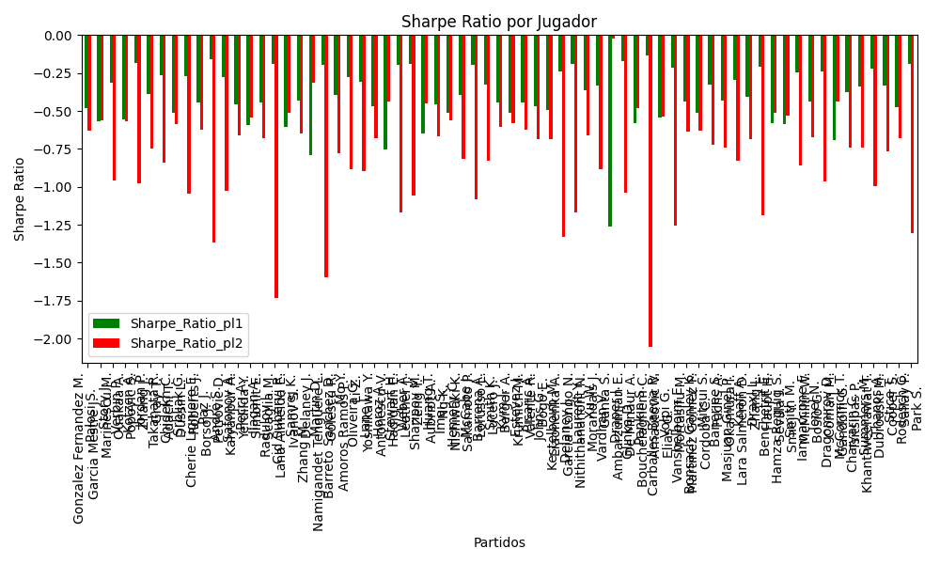
hard | Zhang M. | CHN | Right-Handed | 6.7 | Namigandet Tenguere L. | FRA | Right-Handed | 1.08 | 0 | -6 | -18.5 | 4 | 2 | -6 | 5.62 | 1 | 0.07704070707 | 0.92295929293 | 0.73076923077 | 20240904 | -0.40678655556 | 0.91975532929 | 1.7865953782 | 0.28798850873 | -0.79300919101 | -0.31336205428 | 0.91975532929 | Zhang M. Namigandet Tenguere L. | pl2 | -0.31336205428 | 1.5 | 0.92295929293 | 1.08
hard | Martin D. | CAN | Right-Handed | 1.01 | Golescu R. | ROU | Right-Handed | 12.27 | 0 | 7 | -249 | 4 | 2 | 7 | -11.26 | 0 | 0.99062280136 | 0.0093771986418 | 0.73076923077 | 20240904 | 0.99115183073 | -0.87556457402 | 0.097344650854 | 1.1825929366 | -0.193623061 | -1.5944324675 | 0.99115183073 | Martin D. Golescu R. | pl1 | -0.193623061 | 1.5 | 0.99062280136 | 1.01
hard | Barreto Sanchez D. | ESP | Left-Handed | 1.1 | Amoros Ramos P. | ESP | Right-Handed | 5.51 | 0 | -5 | -18.5 | 4 | 2 | -4 | -4.41 | 0 | 0.8939283331 | 0.1060716669 | 0.73076923077 | 20240904 | 0.8772494995 | -0.30947344846 | 0.33872225605 | 1.6966905735 | -0.39191549455 | -0.77767476821 | 0.8772494995 | Barreto Sanchez D. Amoros Ramos P. | pl1 | -0.39191549455 | 1.5 | 0.8939283331 | 1.1
hard | Mo Y. | CHN | Right-Handed | 1.05 | Li Z. | CHN | Right-Handed | 8 | 0 | 2 | 46.5 | 4 | 2 | 0 | -6.95 | 0 | 0.94931392558 | 0.050686074422 | 0.73076923077 | 20240904 | 0.94609354744 | -0.5438253302 | 0.2303236601 | 1.7548469341 | -0.27746368974 | -0.88544778467 | 0.94609354744 | Mo Y. Li Z. | pl1 | -0.27746368974 | 1.5 | 0.94931392558 | 1.05
hard | Oliveira G. | VEN | Left-Handed | 1.04 | Yoshikawa Y. | JPN | Right-Handed | 8.15 | 0 | 1 | -18.5 | 3 | 2 | -1 | -7.11 | 0 | 0.95158964475 | 0.048410355254 | 0.73076923077 | 20240904 | 0.94124287528 | -0.55704524943 | 0.22321703127 | 1.7492488508 | -0.30802812997 | -0.89583894752 | 0.94124287528 | Oliveira G. Yoshikawa Y. | pl1 | -0.30802812997 | 1.5 | 0.95158964475 | 1.04
hard | Lane L. | DEU | Right-Handed | 1.18 | Antonescu V. | ROU | Right-Handed | 4.26 | 0 | -9 | -18.5 | -2 | 2 | -11 | -3.08 | 0 | 0.82594477328 | 0.17405522672 | 0.73076923077 | 20240904 | 0.80055960575 | -0.084469507462 | 0.44740521973 | 1.6152086746 | -0.46812237544 | -0.67760254428 | 0.80055960575 | Lane L. Antonescu V. | pl1 | -0.46812237544 | 1.5 | 0.82594477328 | 1.18
hard | Horoz A. | TUR | Right-Handed | 3.62 | Hadigian E. | ITA | Right-Handed | 1.24 | 0 | 7 | -18.5 | 4 | 2 | 5 | 2.38 | 1 | 0.19944177918 | 0.80055822082 | 0.73076923077 | 20240904 | -0.078578980175 | 0.79325041463 | 1.446482225 | 0.49548009917 | -0.75256989776 | -0.43745366511 | 0.79325041463 | Horoz A. Hadigian E. | pl2 | -0.43745366511 | 1.5 | 0.80055822082 | 1.24
hard | Stewart H. | FRA | Right-Handed | 1.03 | Leather J. | ITA | Right-Handed | 9.47 | 0 | 4 | -18.5 | 4 | 2 | 2 | -8.44 | 0 | 0.97459775635 | 0.025402243651 | 0.73076923077 | 20240904 | 0.97843344539 | -0.73403850897 | 0.16206378103 | 1.4900427246 | -0.19477858909 | -1.1704620815 | 0.97843344539 | Stewart H. Leather J. | pl1 | -0.19477858909 | 1.5 | 0.97459775635 | 1.03
hard | Weber A. | FRA | Left-Handed | 1.08 | Zeng Y. | CHN | Right-Handed | 6.51 | 0 | 0 | -18.5 | 4 | 2 | 10 | -5.43 | 0 | 0.94359107043 | 0.056408929569 | 0.73076923077 | 20240904 | 0.9626694265 | -0.57636893894 | 0.24916646795 | 1.5019200985 | -0.18995563044 | -1.0562272524 | 0.9626694265 | Weber A. Zeng Y. | pl1 | -0.18995563044 | 1.5 | 0.94359107043 | 1.08
hard | Sharipov M. | RUS | Right-Handed | 1.11 | Aubriot A. | FRA | Right-Handed | 5.25 | 0 | -1 | -18.5 | 4 | 2 | -4 | -4.14 | 0 | 0.82296518153 | 0.17703481847 | 0.73076923077 | 20240904 | 0.73645653304 | 0.10646761542 | 0.42368496657 | 2.0039153824 | -0.64562939105 | -0.45088350162 | 0.73645653304 | Sharipov M. Aubriot A. | pl1 | -0.64562939105 | 1.24 | 0.82296518153 | 1.11
hard | Huang T. | FRA | Right-Handed | 1.14 | Ng K. | HKG | Right-Handed | 4.87 | 0 | 1 | -18.5 | 4 | 2 | 1 | -3.73 | 0 | 0.85285908578 | 0.14714091422 | 0.73076923077 | 20240904 | 0.82511844358 | -0.13628283354 | 0.40384082145 | 1.7251796495 | -0.45780799415 | -0.66444258942 | 0.82511844358 | Huang T. Ng K. | pl1 | -0.45780799415 | 1.5 | 0.85285908578 | 1.14
hard | Imai S. | JPN | Right-Handed | 1.12 | Nishiwaki K. | JPN | Right-Handed | 5.36 | 0 | 2 | -18.5 | 4 | 0 | 1 | -4.24 | 0 | 0.85240583508 | 0.14759416492 | 0.73076923077 | 20240904 | 0.80710037036 | -0.061301111094 | 0.39726090144 | 1.9011771712 | -0.51074653684 | -0.56349356984 | 0.80710037036 | Imai S. Nishiwaki K. | pl1 | -0.51074653684 | 1.5 | 0.85240583508 | 1.12
clay | Hemery C. | FRA | Right-Handed | 1.38 | Sakamoto P. | BRA | Right-Handed | 2.87 | 0 | -4 | 391 | 5 | 13 | -2 | -1.49 | 0 | 0.74493700394 | 0.25506299606 | 0.73076923077 | 20240904 | 0.77295006938 | -0.012906205248 | 0.60153733682 | 1.2510233019 | -0.3940735115 | -0.81765559735 | 0.77295006938 | Hemery C. Sakamoto P. | pl1 | -0.3940735115 | 1.5 | 0.74493700394 | 1.38
hard | McCabe J. | AUS | Right-Handed | 1.04 | Lorusso L. | ITA | Right-Handed | 8.85 | 0 | -4 | -18.5 | 4 | 2 | -3 | -7.81 | 0 | 0.96777635621 | 0.032223643793 | 0.73076923077 | 20240904 | 0.97426376666 | -0.68259710864 | 0.18365728809 | 1.5628528842 | -0.1945810793 | -1.0830175545 | 0.97426376666 | McCabe J. Lorusso L. | pl1 | -0.1945810793 | 1.5 | 0.96777635621 | 1.04
hard | Barrena A. | ARG | Right-Handed | 1.07 | Lucero J. | ARG | Right-Handed | 6.71 | 0 | -5 | -18.5 | 4 | 2 | -7 | -5.64 | 0 | 0.92671465594 | 0.073285344058 | 0.73076923077 | 20240904 | 0.9182993378 | -0.43496999731 | 0.27884660352 | 1.7486548688 | -0.32885701688 | -0.82633229868 | 0.9182993378 | Barrena A. Lucero J. | pl1 | -0.32885701688 | 1.5 | 0.92671465594 | 1.07
hard | Smith K. | FRA | Right-Handed | 1.1 | Berger A. | FRA | Right-Handed | 6.07 | 0 | 3 | -18.5 | 17 | 15 | 0 | -4.97 | 0 | 0.88282419808 | 0.11717580192 | 0.73076923077 | 20240904 | 0.85393081597 | -0.17156708044 | 0.35379261774 | 1.9522919906 | -0.44113182752 | -0.6052204722 | 0.85393081597 | Smith K. Berger A. | pl1 | -0.44113182752 | 1.5 | 0.88282419808 | 1.1
clay | Kym J. | CHE | Right-Handed | 1.19 | Krumich M. | CZE | Right-Handed | 4.33 | 0 | -1 | -18.5 | 11 | 15 | 0 | -3.14 | 0 | 0.80823554552 | 0.19176445448 | 0.73076923077 | 20240904 | 0.77003584468 | 0.022104542397 | 0.46848963759 | 1.7046723788 | -0.51220803207 | -0.57952218261 | 0.77003584468 | Kym J. Krumich M. | pl1 | -0.51220803207 | 1.5 | 0.80823554552 | 1.19
hard | Estevez J. | ARG | Right-Handed | 1.1 | Valente R. | ARG | Right-Handed | 5.92 | 0 | 1 | -18.5 | 4 | 2 | -2 | -4.82 | 0 | 0.8820464811 | 0.1179535189 | 0.73076923077 | 20240904 | 0.85229761031 | -0.18376164923 | 0.35480838265 | 1.9095142048 | -0.44447199502 | -0.62516510547 | 0.85229761031 | Estevez J. Valente R. | pl1 | -0.44447199502 | 1.5 | 0.8820464811 | 1.1
hard | Pisaric A. | SRB | Right-Handed | 1.16 | Bogo E. | BRA | Right-Handed | 4.47 | 0 | -10 | -18.5 | 4 | 2 | -11 | -3.31 | 0 | 0.83833603368 | 0.16166396632 | 0.73076923077 | 20240904 | 0.81080583275 | -0.11569810423 | 0.42704502903 | 1.6455959308 | -0.46644768984 | -0.68406714136 | 0.81080583275 | Pisaric A. Bogo E. | pl1 | -0.46644768984 | 1.5 | 0.83833603368 | 1.16
hard | Johns G. | FRA | Right-Handed | 1.24 | Liaonenka A. | BLR | Right-Handed | 3.6 | 0 | -2 | -18.5 | -6 | -3 | -2 | -2.36 | 0 | 0.78456011527 | 0.21543988473 | 0.73076923077 | 20240904 | 0.75741465819 | -0.0089765302211 | 0.50979767706 | 1.4800577721 | -0.49546193161 | -0.68847078096 | 0.75741465819 | Johns G. Liaonenka A. | pl1 | -0.49546193161 | 1.5 | 0.78456011527 | 1.24
hard | Kestelboim M. | ARG | Right-Handed | 1.01 | Garcia Longo N. | ARG | Right-Handed | 11.46 | 0 | 11 | -18.5 | 4 | 2 | 9 | -10.45 | 0 | 0.98539409522 | 0.014605904775 | 0.73076923077 | 20240904 | 0.9806421314 | -0.8180104265 | 0.12116873782 | 1.3748452826 | -0.24228913436 | -1.3296117386 | 0.9806421314 | Kestelboim M. Garcia Longo N. | pl1 | -0.24228913436 | 1.5 | 0.98539409522 | 1.01
hard | Delaney J. | AUS | Right-Handed | 1.03 | Nithithananont N. | THA | Right-Handed | 9.59 | 0 | 5 | -18.5 | 4 | 5 | 5 | -8.56 | 0 | 0.97507865091 | 0.024921349087 | 0.73076923077 | 20240904 | 0.97940966135 | -0.73608291317 | 0.16056201986 | 1.4949415247 | -0.19052039003 | -1.1679941217 | 0.97940966135 | Delaney J. Nithithananont N. | pl1 | -0.19052039003 | 1.5 | 0.97507865091 | 1.03
Varioussurfaces | Laurent Y. | FRA | Right-Handed | 1.08 | Morandais J. | GLP | Right-Handed | 7 | 0 | 9 | -18.5 | 0 | 0 | 11 | -5.92 | 0 | 0.91263746522 | 0.087362534777 | 0.73076923077 | 20240904 | 0.89828592766 | -0.30109972178 | 0.30495482932 | 1.9765590789 | -0.36632990068 | -0.6633243275 | 0.89828592766 | Laurent Y. Morandais J. | pl1 | -0.36632990068 | 1.5 | 0.91263746522 | 1.08
hard | Xu W. | CHN | Right-Handed | 1.25 | Ganta S. | IND | Right-Handed | 3.55 | 0 | -2 | -18.5 | 4 | 2 | -1 | -2.3 | 0 | 0.82209137643 | 0.17790862357 | 0.73076923077 | 20240904 | 0.84970559696 | -0.19051576274 | 0.47804475672 | 1.3576471091 | -0.33531254299 | -0.88426201088 | 0.84970559696 | Xu W. Ganta S. | pl1 | -0.33531254299 | 1.5 | 0.82209137643 | 1.25
hard | Vardhan V. | IND | Right-Handed | 1.36 | Ambarzumjan E. | DEU | Right-Handed | 2.87 | 0 | 12 | -130 | 8 | 5 | 9 | -1.51 | 1 | 0.48810285511 | 0.51189714489 | 0.73076923077 | 20240904 | 0.15192273805 | 0.98104195073 | 0.67980747555 | 1.4345937168 | -1.2622356959 | -0.020185540287 | 0.98104195073 | Vardhan V. Ambarzumjan E. | pl2 | -0.020185540287 | 1.5 | 0.51189714489 | 2.87
hard | Draper J. | FRA | Left-Handed | 2.2 | De Minaur A. | AUS | Right-Handed | 1.67 | 0 | -2 | -1208 | 11 | 8 | -3 | 0.53 | 0 | 0.56905935757 | 0.43094064243 | 0.73076923077 | 20240904 | 0.82098994421 | 0.1506115153 | 1.0894572487 | 0.82699709336 | -0.17349010804 | -1.0391674791 | 0.82098994421 | Draper J. De Minaur A. | pl1 | -0.17349010804 | 1.5 | 0.56905935757 | 2.2
hard | Glinka D. | EST | Left-Handed | 1.14 | Bouchelaghem C. | FRA | Right-Handed | 5.05 | 0 | 4 | -18.5 | 4 | 2 | 4 | -3.91 | 0 | 0.82121477764 | 0.17878522236 | 0.73076923077 | 20240904 | 0.75739962415 | 0.081650595265 | 0.43681650402 | 1.9350204783 | -0.57827571422 | -0.47976205685 | 0.75739962415 | Glinka D. Bouchelaghem C. | pl1 | -0.57827571422 | 1.5 | 0.82121477764 | 1.14
hard | Pankin S. | RUS | Right-Handed | 1.01 | Arnautovic V. | CHE | Right-Handed | 14.02 | 0 | 6 | -18.5 | 4 | 2 | 2 | -13.01 | 0 | 0.99544657408 | 0.0045534259166 | 0.73076923077 | 20240904 | 1.0008476139 | -0.93160754273 | 0.067998524563 | 0.94390031127 | -0.13459683355 | -2.057004876 | 1.0008476139 | Pankin S. Arnautovic V. | pl1 | -0.13459683355 | 1.5 | 0.99544657408 | 1.01
clay | Carballes Baena R. | ESP | Right-Handed | 1.18 | Elias G. | PRT | Right-Handed | 4.47 | 0 | -3 | 387 | 1 | 0 | -2 | -3.29 | 0 | 0.80636783321 | 0.19363216679 | 0.73076923077 | 20240904 | 0.7578818764 | 0.059167952331 | 0.46626987526 | 1.7662935105 | -0.54071287247 | -0.53832052374 | 0.7578818764 | Carballes Baena R. Elias G. | pl1 | -0.54071287247 | 1.5 | 0.80636783321 | 1.18
hard | Volpi G. | ITA | Right-Handed | 1.02 | Mortasifu M. | ROU | Right-Handed | 10.09 | 0 | 7 | -18.5 | 4 | 2 | 8 | -9.07 | 0 | 0.97977447913 | 0.020225520867 | 0.73076923077 | 20240904 | 0.97914444785 | -0.77569897359 | 0.14358632845 | 1.4203784844 | -0.21489199204 | -1.2571993966 | 0.97914444785 | Volpi G. Mortasifu M. | pl1 | -0.21489199204 | 1.5 | 0.97977447913 | 1.02
hard | Vanshelboim E. | UKR | Right-Handed | 1.09 | Martinez Gomez P. | ESP | Right-Handed | 6.15 | 0 | 3 | -18.5 | 10 | 5 | 0 | -5.06 | 0 | 0.89017402895 | 0.10982597105 | 0.73076923077 | 20240904 | 0.8604637205 | -0.21474430696 | 0.3408132601 | 1.9229372015 | -0.43876309114 | -0.6369133147 | 0.8604637205 | Vanshelboim E. Martinez Gomez P. | pl1 | -0.43876309114 | 1.5 | 0.89017402895 | 1.09
hard | Bonsach Ganley K. | DNK | Right-Handed | 1.19 | Cordoba C. | ESP | Right-Handed | 4.14 | 0 | 2 | -18.5 | 4 | 2 | -4 | -2.95 | 0 | 0.80834400132 | 0.19165599868 | 0.73076923077 | 20240904 | 0.77027336288 | -0.014888166771 | 0.46838856051 | 1.629519866 | -0.51181146878 | -0.62895101076 | 0.77027336288 | Bonsach Ganley K. Cordoba C. | pl1 | -0.51181146878 | 1.5 | 0.80834400132 | 1.19
Varioussurfaces | Mitsui S. | JPN | Right-Handed | 1.08 | Fuchs A. | ITA | Right-Handed | 7 | 0 | 1 | -18.5 | 4 | 2 | -1 | -5.92 | 0 | 0.92030447335 | 0.079695526651 | 0.73076923077 | 20240904 | 0.91423330457 | -0.36243578679 | 0.29248695046 | 1.895748753 | -0.3274221133 | -0.72395447162 | 0.91423330457 | Mitsui S. Fuchs A. | pl1 | -0.3274221133 | 1.5 | 0.92030447335 | 1.08
hard | Banerjee S. | FRA | Right-Handed | 1.2 | Okamura I. | JPN | Right-Handed | 3.99 | 0 | -7 | -18.5 | 12 | 15 | -12 | -2.79 | 0 | 0.82349056068 | 0.17650943932 | 0.73076923077 | 20240904 | 0.8116792335 | -0.11921789779 | 0.45750361124 | 1.5211995074 | -0.43348459254 | -0.74232070962 | 0.8116792335 | Banerjee S. Okamura I. | pl1 | -0.43348459254 | 1.5 | 0.82349056068 | 1.2
hard | Masjuan Ginel P. | ESP | Right-Handed | 1.07 | Lara Salmeron D. | ESP | Right-Handed | 7.09 | 0 | -1 | -18.5 | 4 | 2 | -1 | -6.02 | 0 | 0.93293062458 | 0.067069375423 | 0.73076923077 | 20240904 | 0.93116639287 | -0.45740875283 | 0.26765205579 | 1.7735075473 | -0.29453764849 | -0.82740485379 | 0.93116639287 | Masjuan Ginel P. Lara Salmeron D. | pl1 | -0.29453764849 | 1.5 | 0.93293062458 | 1.07
hard | Knaff A. | LUX | Right-Handed | 1.1 | Zhang L. | CHN | Right-Handed | 5.87 | 0 | 3 | -18.5 | 4 | 2 | 5 | -4.77 | 0 | 0.89060511007 | 0.10939488993 | 0.73076923077 | 20240904 | 0.87027073114 | -0.24845710615 | 0.34334742473 | 1.832226712 | -0.4069617501 | -0.6868457369 | 0.87027073114 | Knaff A. Zhang L. | pl1 | -0.4069617501 | 1.5 | 0.89060511007 | 1.1
hard | Draxl L. | CAN | Right-Handed | 1.02 | Haupt H. | DEU | Right-Handed | 10.74 | 0 | 6 | -18.5 | 4 | 2 | -1 | -9.72 | 0 | 0.98018802729 | 0.019811972707 | 0.73076923077 | 20240904 | 0.97997981513 | -0.76740744042 | 0.14214079135 | 1.4966589207 | -0.2112003499 | -1.1875835007 | 0.97997981513 | Draxl L. Haupt H. | pl1 | -0.2112003499 | 1.5 | 0.98018802729 | 1.02
hard | Benchetrit E. | MAR | Right-Handed | 1.14 | Sevilla I. | ESP | Right-Handed | 4.86 | 0 | 8 | -172 | 12 | 10 | 7 | -3.72 | 0 | 0.8208310377 | 0.1791689623 | 0.73076923077 | 20240904 | 0.75657842069 | 0.049930119055 | 0.43718285859 | 1.863779555 | -0.57966952349 | -0.51511986938 | 0.75657842069 | Benchetrit E. Sevilla I. | pl1 | -0.57966952349 | 1.5 | 0.8208310377 | 1.14
hard | Hamza Reguig S. | DZA | Right-Handed | 1.16 | Smiej Y. | MAR | Right-Handed | 4.5 | 0 | 1 | -18.5 | 4 | 2 | -2 | -3.34 | 0 | 0.80582761002 | 0.19417238998 | 0.73076923077 | 20240904 | 0.74058763764 | 0.0679481449 | 0.45885217969 | 1.7800300074 | -0.58714412678 | -0.52923369336 | 0.74058763764 | Hamza Reguig S. Smiej Y. | pl1 | -0.58714412678 | 1.5 | 0.80582761002 | 1.16
Varioussurfaces | Smith M. | FRA | Right-Handed | 1.08 | McMillin W. | ITA | Right-Handed | 7 | 0 | 1 | -18.5 | 4 | 2 | 0 | -5.92 | 0 | 0.93442056422 | 0.06557943578 | 0.73076923077 | 20240904 | 0.94359477358 | -0.47536451376 | 0.26734913741 | 1.7328184832 | -0.24838391874 | -0.85719567754 | 0.94359477358 | Smith M. McMillin W. | pl1 | -0.24838391874 | 1.5 | 0.93442056422 | 1.08
hard | Iannaccone F. | ITA | Right-Handed | 1.1 | Bosio G. | ITA | Right-Handed | 5.73 | 0 | 0 | -18.5 | 4 | 2 | 2 | -4.63 | 0 | 0.88407442776 | 0.11592557224 | 0.73076923077 | 20240904 | 0.85655629829 | -0.21982089882 | 0.35214921421 | 1.8343772704 | -0.43573489735 | -0.67042964317 | 0.85655629829 | Iannaccone F. Bosio G. | pl1 | -0.43573489735 | 1.5 | 0.88407442776 | 1.1
hard | Ionel N. | ROU | Right-Handed | 1.05 | Coman M. | ROU | Right-Handed | 8.07 | 0 | 2 | -18.5 | -5 | 0 | 2 | -7.02 | 0 | 0.95550407646 | 0.044495923542 | 0.73076923077 | 20240904 | 0.95878335674 | -0.59642197348 | 0.21650388 | 1.6639869634 | -0.23656224203 | -0.96540538406 | 0.95878335674 | Ionel N. Coman M. | pl1 | -0.23656224203 | 1.5 | 0.95550407646 | 1.05
Varioussurfaces | Dragomirov D. | DEU | Right-Handed | 3.25 | Gandolfi G. | ITA | Right-Handed | 1.33 | 0 | 4 | -18.5 | 4 | 2 | 1 | 1.92 | 1 | 0.24540144135 | 0.75459855865 | 0.73076923077 | 20240904 | 0.042956125754 | 0.75821464165 | 1.3985561303 | 0.57233220103 | -0.6914587504 | -0.43992869509 | 0.75821464165 | Dragomirov D. Gandolfi G. | pl2 | -0.43992869509 | 1.5 | 0.75459855865 | 1.33
hard | McCormick T. | FRA | Right-Handed | 1.11 | Tsitsipas P. | GRC | Right-Handed | 5.62 | 0 | 4 | 238.5 | 4 | 2 | 6 | -4.51 | 0 | 0.8915768478 | 0.1084231522 | 0.73076923077 | 20240904 | 0.88122714885 | -0.28223873241 | 0.34511464152 | 1.747337194 | -0.37313065184 | -0.7395474307 | 0.88122714885 | McCormick T. Tsitsipas P. | pl1 | -0.37313065184 | 1.5 | 0.8915768478 | 1.11
hard | Chaiyarin C. | THA | Right-Handed | 1.06 | Khantiweerawat T. | THA | Right-Handed | 7.64 | 0 | 4 | -18.5 | 4 | 2 | -3 | -6.58 | 0 | 0.93214453071 | 0.067855469292 | 0.73076923077 | 20240904 | 0.92021773326 | -0.41372874531 | 0.26658758618 | 1.9214426023 | -0.33678337401 | -0.74096865742 | 0.92021773326 | Chaiyarin C. Khantiweerawat T. | pl1 | -0.33678337401 | 1.5 | 0.93214453071 | 1.06
hard | Summers M. | FRA | Left-Handed | 1.05 | Dubrouski M. | BLR | Right-Handed | 8.07 | 0 | 5 | -18.5 | 4 | 2 | 2 | -7.02 | 0 | 0.95744183657 | 0.042558163431 | 0.73076923077 | 20240904 | 0.96275576497 | -0.61399745768 | 0.21195171664 | 1.6290003365 | -0.22290093131 | -0.99692886572 | 0.96275576497 | Summers M. Dubrouski M. | pl1 | -0.22290093131 | 1.5 | 0.95744183657 | 1.05
hard | Thanos A. | GRC | Right-Handed | 1.09 | Cooper S. | ITA | Right-Handed | 6.35 | 0 | -7 | -18.5 | 4 | 2 | -5 | -5.26 | 0 | 0.91312695418 | 0.086873045819 | 0.73076923077 | 20240904 | 0.90843533424 | -0.36148311323 | 0.30699733362 | 1.788470705 | -0.33083240354 | -0.7668468426 | 0.90843533424 | Thanos A. Cooper S. | pl1 | -0.33083240354 | 1.5 | 0.91312695418 | 1.09
hard | Stice T. | FRA | Right-Handed | 1.19 | Sallay P. | HUN | Right-Handed | 4.13 | 0 | -2 | -18.5 | 4 | 2 | 1 | -2.94 | 0 | 0.81895176332 | 0.18104823668 | 0.73076923077 | 20240904 | 0.79350436167 | -0.071222545823 | 0.45821918891 | 1.5902901262 | -0.47247178549 | -0.67989012067 | 0.79350436167 | Stice T. Sallay P. | pl1 | -0.47247178549 | 1.5 | 0.81895176332 | 1.19
hard | Rodesch C. | LUX | Right-Handed | 1.02 | Park S. | KOR | Right-Handed | 10.5 | 0 | 7 | -18.5 | 4 | 2 | 5 | -9.48 | 0 | 0.98229059741 | 0.017709402585 | 0.73076923077 | 20240904 | 0.98422700678 | -0.79634187027 | 0.13453092263 | 1.3848771447 | -0.19157672243 | -1.3043336567 | 0.98422700678 | Rodesch C. Park S. | pl1 | -0.19157672243 | 1.5 | 0.98229059741 | 1.02

Monte Carlo Summary
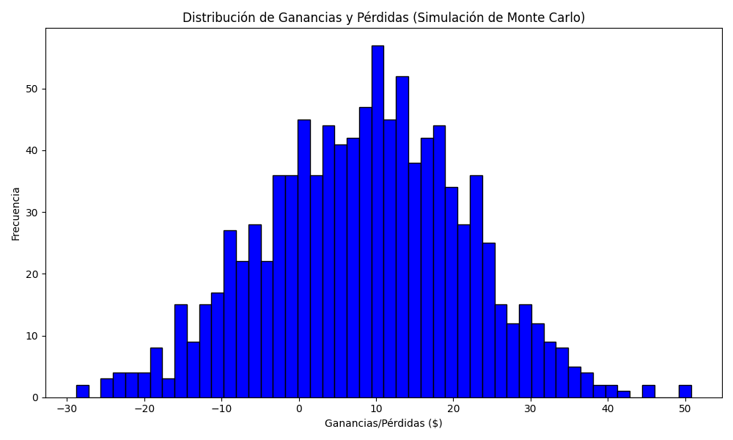
Promedio de Ganancia/Pérdida | Mediana de Ganancia/Pérdida | Ganancia/Pérdida Máxima | Ganancia/Pérdida Mínima | Probabilidad de Ganancia (>0)
8.506443 | 9.018 | 50.808 | -28.81 | 0

