Betting Decisions
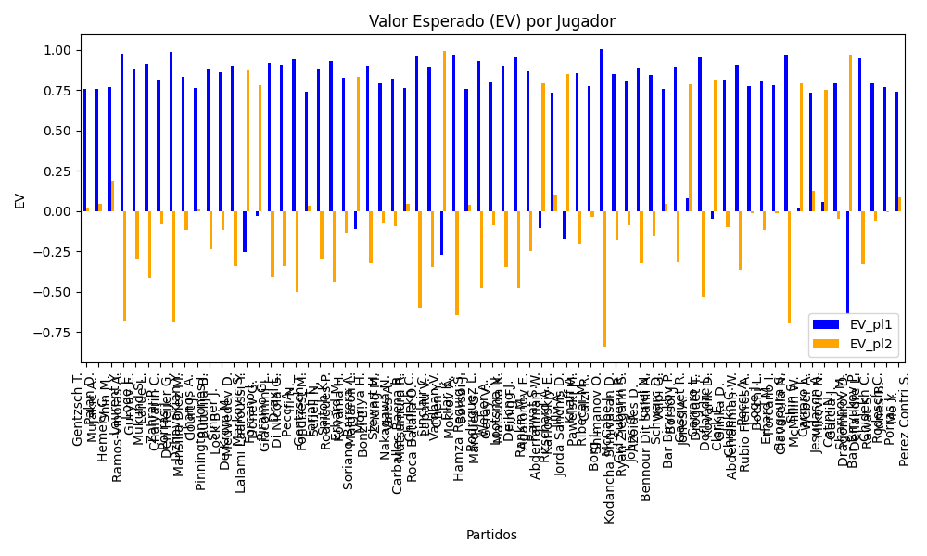
Surface | pl1 | pl1_flag | pl1_hand | pl1_bet | pl2 | pl2_flag | pl2_hand | pl2_bet | Result | DiffProffTime | DiffPts | DiffWeight | DiffHeight | DiffAge | DiffBet | Class | Prob_win_pl1 | Prob_win_pl2 | Accuracy | date | EV_pl1 | EV_pl2 | Std_Dev_pl1 | Std_Dev_pl2 | Sharpe_Ratio_pl1 | Sharpe_Ratio_pl2 | Best_Bet_EV | match | Best_Bet | Best_Bet_Sharpe | Money_to_Bet | Prob_Win | Payout
hard | Gentzsch T. | DEU | Right-Handed | 1.2 | Mujakic A. | DEU | Right-Handed | 4.04 | 0 | -3 | 36 | -0.5 | 0 | -1 | -2.84 | 0 | 0.79730088654 | 0.20269911346 | 0.71333333333 | 20240905 | 0.75406195038 | 0.021603531849 | 0.48241221307 | 1.6241211174 | -0.53053808067 | -0.6085731277 | 0.75406195038 | Gentzsch T. Mujakic A. | pl1 | -0.53053808067 | 1.5 | 0.79730088654 | 1.2
hard | Palan D. | CZE | Right-Handed | 1.19 | Shin M. | UZB | Right-Handed | 4.26 | 0 | 1 | 36 | -0.5 | 0 | 2 | -3.07 | 0 | 0.80201556139 | 0.19798443861 | 0.71333333333 | 20240905 | 0.75641407945 | 0.041398147071 | 0.47419163343 | 1.6975263516 | -0.53477518933 | -0.57059606292 | 0.75641407945 | Palan D. Shin M. | pl1 | -0.53477518933 | 1.5 | 0.80201556139 | 1.19
clay | Hemery C. | FRA | Right-Handed | 2.25 | Ramos-Vinolas A. | ESP | Left-Handed | 1.6 | 0 | -8 | -303 | 7 | 3 | -7 | 0.65 | 0 | 0.54402185647 | 0.45597814353 | 0.71333333333 | 20240905 | 0.76807103353 | 0.18554317318 | 1.1206311884 | 0.79689328956 | -0.21588634063 | -1.0345887431 | 0.76807103353 | Hemery C. Ramos-Vinolas A. | pl1 | -0.21588634063 | 1.5 | 0.54402185647 | 2.25
Varioussurfaces | Laurent Y. | FRA | Right-Handed | 1.04 | Guryev E. | UKR | Right-Handed | 9 | 0 | 12 | 36 | -2 | -2 | 12 | -7.96 | 0 | 0.968094394 | 0.031905605999 | 0.71333333333 | 20240905 | 0.97491256376 | -0.68094394001 | 0.18277874491 | 1.5817391386 | -0.1919667205 | -1.0690409681 | 0.97491256376 | Laurent Y. Guryev E. | pl1 | -0.1919667205 | 1.5 | 0.968094394 | 1.04
hard | Loge J. | BEL | Right-Handed | 1.07 | Larue L. | FRA | Right-Handed | 6.8 | 0 | 0 | 36 | -0.5 | 0 | -5 | -5.73 | 0 | 0.91060784327 | 0.08939215673 | 0.71333333333 | 20240905 | 0.88495823557 | -0.30274117751 | 0.30528058043 | 1.940100885 | -0.40959619592 | -0.67663552328 | 0.88495823557 | Loge J. Larue L. | pl1 | -0.40959619592 | 1.5 | 0.91060784327 | 1.07
hard | Mukund S. | IND | Right-Handed | 1.04 | Chaiyarin C. | THA | Right-Handed | 8.35 | 0 | 6 | -114 | 0 | 0 | 7 | -7.31 | 0 | 0.93759432733 | 0.062405672665 | 0.71333333333 | 20240905 | 0.91269242776 | -0.41650696058 | 0.25156652994 | 2.0197889664 | -0.38680651301 | -0.70626534967 | 0.91269242776 | Mukund S. Chaiyarin C. | pl1 | -0.38680651301 | 1.5 | 0.93759432733 | 1.04
hard | Zahraj P. | DEU | Right-Handed | 1.12 | Den Heijer G. | NLD | Right-Handed | 5.41 | 0 | -2 | 36 | -0.5 | 0 | -2 | -4.29 | 0 | 0.85707171197 | 0.14292828803 | 0.71333333333 | 20240905 | 0.81699202937 | -0.083829673723 | 0.39199966802 | 1.8934983964 | -0.49236768899 | -0.57767657781 | 0.81699202937 | Zahraj P. Den Heijer G. | pl1 | -0.49236768899 | 1.5 | 0.85707171197 | 1.12
hard | Porras J. | ARG | Right-Handed | 1.06 | Mansilla Diez M. | ESP | Right-Handed | 7.52 | 0 | -5 | 36 | -0.5 | 0 | 4 | -6.46 | 0 | 0.96357777612 | 0.036422223882 | 0.71333333333 | 20240905 | 0.9849702188 | -0.68968265253 | 0.19857861736 | 1.4087841533 | -0.12604469469 | -1.2064890484 | 0.9849702188 | Porras J. Mansilla Diez M. | pl1 | -0.12604469469 | 1.5 | 0.96357777612 | 1.06
hard | Dzhavakian Y. | UKR | Right-Handed | 1.12 | Court J. | AUS | Right-Handed | 5.44 | 0 | 6 | 36 | -14.5 | -3 | 7 | -4.32 | 0 | 0.86324492917 | 0.13675507083 | 0.71333333333 | 20240905 | 0.83007924984 | -0.11929734384 | 0.38481922448 | 1.8691219475 | -0.46754615861 | -0.60418601653 | 0.83007924984 | Dzhavakian Y. Court J. | pl1 | -0.46754615861 | 1.5 | 0.86324492917 | 1.12
hard | Thanos A. | GRC | Right-Handed | 1.18 | Butulija B. | SRB | Left-Handed | 4.25 | 0 | -5 | 36 | -0.5 | 0 | -2 | -3.07 | 0 | 0.80777080092 | 0.19222919908 | 0.71333333333 | 20240905 | 0.760940346 | 0.0092032951805 | 0.46498159267 | 1.674721838 | -0.53563336253 | -0.5975898099 | 0.760940346 | Thanos A. Butulija B. | pl1 | -0.53563336253 | 1.5 | 0.80777080092 | 1.18
hard | Pinnington Jones J. | ITA | Right-Handed | 1.22 | Lock B. | ZWE | Right-Handed | 4.03 | 0 | -12 | 36 | -8.5 | -13 | -10 | -2.81 | 0 | 0.84877309882 | 0.15122690118 | 0.71333333333 | 20240905 | 0.88427627938 | -0.23932868705 | 0.43708928531 | 1.4438277212 | -0.28763853256 | -0.86528930616 | 0.88427627938 | Pinnington Jones J. Lock B. | pl1 | -0.28763853256 | 1.5 | 0.84877309882 | 1.22
hard | Sinner J. | ITA | Right-Handed | 1.34 | Medvedev D. | RUS | Right-Handed | 3.31 | 0 | -4 | -2545 | -7 | -10 | -5 | -1.97 | 0 | 0.79451078178 | 0.20548921822 | 0.71333333333 | 20240905 | 0.85915522937 | -0.11434146948 | 0.54143860223 | 1.3374341592 | -0.27859995576 | -0.84067051953 | 0.85915522937 | Sinner J. Medvedev D. | pl1 | -0.27859995576 | 1.5 | 0.79451078178 | 1.34
hard | De Krom M. | NLD | Right-Handed | 1.08 | Lalami Laaroussi Y. | MAR | Right-Handed | 6.56 | 0 | 2 | 277 | -0.5 | 0 | 3 | -5.48 | 0 | 0.91243704839 | 0.087562951613 | 0.71333333333 | 20240905 | 0.89786906064 | -0.33802408581 | 0.30527090011 | 1.8542380599 | -0.36731617496 | -0.72699623361 | 0.89786906064 | De Krom M. Lalami Laaroussi Y. | pl1 | -0.36731617496 | 1.5 | 0.91243704839 | 1.08
hard | Markovic S. | SRB | Right-Handed | 6.2 | Donev G. | BGR | Right-Handed | 1.09 | 0 | -8 | 36 | 7.5 | 5 | -10 | 5.11 | 1 | 0.10329328976 | 0.89670671024 | 0.71333333333 | 20240905 | -0.25628831375 | 0.87411702441 | 1.8869176812 | 0.33173230202 | -0.67108826546 | -0.40961635259 | 0.87411702441 | Markovic S. Donev G. | pl2 | -0.40961635259 | 1.5 | 0.89670671024 | 1.09
hard | Forcano I. | ESP | Right-Handed | 4.49 | Giacomini L. | ITA | Right-Handed | 1.16 | 0 | -2 | 36 | 14.5 | 15 | -2 | 3.33 | 1 | 0.1763157058 | 0.8236842942 | 0.71333333333 | 20240905 | -0.032026775145 | 0.77915807547 | 1.7110875586 | 0.44206271001 | -0.60898506913 | -0.52219271001 | 0.77915807547 | Forcano I. Giacomini L. | pl2 | -0.52219271001 | 1.5 | 0.8236842942 | 1.16
hard | Piraino G. | ITA | Left-Handed | 1.1 | Di Nicola G. | ITA | Right-Handed | 5.91 | 0 | -8 | 36 | -0.5 | 0 | -8 | -4.81 | 0 | 0.91435304949 | 0.085646950507 | 0.71333333333 | 20240905 | 0.92014140394 | -0.408179572 | 0.30782621064 | 1.6538662771 | -0.291913401 | -0.85749349364 | 0.92014140394 | Piraino G. Di Nicola G. | pl1 | -0.291913401 | 1.5 | 0.91435304949 | 1.1
hard | Draxl L. | CAN | Right-Handed | 1.06 | Ifi N. | BEL | Right-Handed | 7.73 | 0 | 2 | 36 | -0.5 | 0 | -4 | -6.67 | 0 | 0.92438947765 | 0.075610522347 | 0.71333333333 | 20240905 | 0.90424232396 | -0.33992013991 | 0.28023635857 | 2.0436104262 | -0.37738741887 | -0.66055649483 | 0.90424232396 | Draxl L. Ifi N. | pl1 | -0.37738741887 | 1.5 | 0.92438947765 | 1.06
hard | Pecci A. | ITA | Right-Handed | 1.06 | Fondriest M. | ITA | Right-Handed | 7.57 | 0 | 2 | 36 | -0.5 | 0 | 3 | -6.51 | 0 | 0.94214957033 | 0.057850429669 | 0.71333333333 | 20240905 | 0.94082811488 | -0.50422181773 | 0.24746802193 | 1.7672952132 | -0.27951847911 | -0.8568018554 | 0.94082811488 | Pecci A. Fondriest M. | pl1 | -0.27951847911 | 1.5 | 0.94214957033 | 1.06
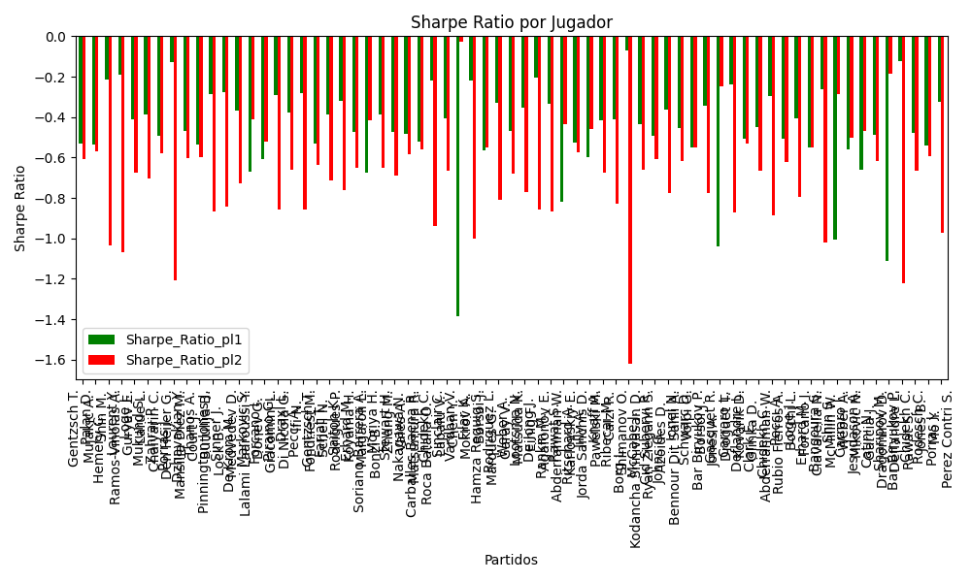
hard | Gentzsch T. | DEU | Right-Handed | 1.23 | Schell N. | DEU | Right-Handed | 3.7 | 0 | -6 | 36 | -0.5 | 0 | -5 | -2.47 | 0 | 0.78043877154 | 0.21956122846 | 0.71333333333 | 20240905 | 0.74037846054 | 0.03193777374 | 0.50915774663 | 1.5316127338 | -0.5295442154 | -0.63858324281 | 0.74037846054 | Gentzsch T. Schell N. | pl1 | -0.5295442154 | 1.5 | 0.78043877154 | 1.23
hard | Farjat T. | ARG | Right-Handed | 1.09 | Rodrigues P. | BRA | Right-Handed | 6.18 | 0 | 5 | 36 | -0.5 | 0 | 5 | -5.09 | 0 | 0.90202876858 | 0.097971231415 | 0.71333333333 | 20240905 | 0.88524012634 | -0.29656655844 | 0.32403056327 | 1.837164111 | -0.38502501863 | -0.71118663303 | 0.88524012634 | Farjat T. Rodrigues P. | pl1 | -0.38502501863 | 1.5 | 0.90202876858 | 1.09
hard | Saitoh K. | JPN | Left-Handed | 1.06 | Koyama H. | JPN | Right-Handed | 7.71 | 0 | 4 | 36 | -10 | -22 | -1 | -6.65 | 0 | 0.93535698449 | 0.064643015511 | 0.71333333333 | 20240905 | 0.92683538805 | -0.4369593349 | 0.26064858152 | 1.8958495882 | -0.31906796295 | -0.76322475363 | 0.92683538805 | Saitoh K. Koyama H. | pl1 | -0.31906796295 | 1.5 | 0.93535698449 | 1.06
hard | Erhard M. | FRA | Right-Handed | 1.13 | Malgaroli L. | ITA | Right-Handed | 5 | 0 | 1 | 36 | 2 | 3 | 0 | -3.87 | 0 | 0.85588140927 | 0.14411859073 | 0.71333333333 | 20240905 | 0.82302740175 | -0.13528845565 | 0.39686723313 | 1.7560497041 | -0.47112127845 | -0.65219592188 | 0.82302740175 | Erhard M. Malgaroli L. | pl1 | -0.47112127845 | 1.5 | 0.85588140927 | 1.13
hard | Soriano Barrera A. | COL | Right-Handed | 4.53 | Bonzi B. | FRA | Right-Handed | 1.18 | 0 | -1 | -313 | 1.5 | 0 | -3 | 3.35 | 1 | 0.16072976983 | 0.83927023017 | 0.71333333333 | 20240905 | -0.11116437285 | 0.82960910177 | 1.6637852608 | 0.43339218715 | -0.67386362846 | -0.41623015729 | 0.82960910177 | Soriano Barrera A. Bonzi B. | pl2 | -0.41623015729 | 1.5 | 0.83927023017 | 1.18
hard | Moriya H. | JPN | Right-Handed | 1.06 | Zhang M. | CHN | Right-Handed | 7.68 | 0 | 15 | -61 | -13 | -17 | 14 | -6.62 | 0 | 0.92220117477 | 0.077798825229 | 0.71333333333 | 20240905 | 0.89973442003 | -0.32470619701 | 0.28392603683 | 2.0571244932 | -0.3883602265 | -0.6488213044 | 0.89973442003 | Moriya H. Zhang M. | pl1 | -0.3883602265 | 1.5 | 0.92220117477 | 1.06
hard | Stewart H. | ITA | Right-Handed | 1.19 | Vales A. | ISR | Right-Handed | 4.09 | 0 | 4 | 36 | -0.5 | 0 | 6 | -2.9 | 0 | 0.8186087185 | 0.1813912815 | 0.71333333333 | 20240905 | 0.79275309352 | -0.076718377168 | 0.45855702251 | 1.5760489261 | -0.47376203137 | -0.68952071168 | 0.79275309352 | Stewart H. Vales A. | pl1 | -0.47376203137 | 1.5 | 0.8186087185 | 1.19
hard | Nakagawa N. | JPN | Right-Handed | 1.12 | Matsumura R. | JPN | Right-Handed | 5.44 | 0 | 0 | 36 | 6 | -3 | 0 | -4.32 | 0 | 0.85892613629 | 0.14107386371 | 0.71333333333 | 20240905 | 0.82092340893 | -0.091484317695 | 0.38986945608 | 1.8936516438 | -0.48497410638 | -0.58167209438 | 0.82092340893 | Nakagawa N. Matsumura R. | pl1 | -0.48497410638 | 1.5 | 0.85892613629 | 1.12
clay | Carballes Baena R. | ESP | Right-Handed | 1.19 | Roca Batalla O. | ESP | Right-Handed | 4.37 | 0 | -1 | 682 | 2 | 10 | 0 | -3.18 | 0 | 0.80543005065 | 0.19456994935 | 0.71333333333 | 20240905 | 0.76389181093 | 0.044840627985 | 0.47108443916 | 1.7299487387 | -0.52242903524 | -0.55791212213 | 0.76389181093 | Carballes Baena R. Roca Batalla O. | pl1 | -0.52242903524 | 1.5 | 0.80543005065 | 1.19
hard | Chidekh C. | FRA | Right-Handed | 1.05 | Lapalu V. | FRA | Right-Handed | 8.56 | 0 | 4 | -153 | -0.5 | 0 | 1 | -7.51 | 0 | 0.95808908317 | 0.04191091683 | 0.71333333333 | 20240905 | 0.9640826205 | -0.59933163511 | 0.21040488836 | 1.7153008042 | -0.21823342536 | -0.93822123279 | 0.9640826205 | Chidekh C. Lapalu V. | pl1 | -0.21823342536 | 1.5 | 0.95808908317 | 1.05
hard | Sinclair C. | ITA | Right-Handed | 1.05 | Chen Y. | ITA | Right-Handed | 7.78 | 0 | 11 | 36 | 4 | 3 | 5 | -6.73 | 0 | 0.9256177336 | 0.0743822664 | 0.71333333333 | 20240905 | 0.89751635388 | -0.34692370101 | 0.27551156635 | 2.0414095107 | -0.40827195609 | -0.66469941182 | 0.89751635388 | Sinclair C. Chen Y. | pl1 | -0.40827195609 | 1.5 | 0.9256177336 | 1.05
hard | Vardhan V. | IND | Right-Handed | 2.22 | Mokrov A. | RUS | Right-Handed | 1.57 | 0 | 20 | -114 | 6 | 3 | 18 | 0.65 | 1 | 0.22540347186 | 0.77459652814 | 0.71333333333 | 20240905 | -0.27420082062 | 0.99071307733 | 0.92762201709 | 0.65602097605 | -1.3844009704 | -0.029399856671 | 0.99071307733 | Vardhan V. Mokrov A. | pl2 | -0.029399856671 | 1.5 | 0.77459652814 | 1.57
Varioussurfaces | Filar K. | POL | Right-Handed | 1.04 | Borsoi J. | ITA | Right-Handed | 9 | 0 | 5 | 36 | -0.5 | 0 | 8 | -7.96 | 0 | 0.96479875257 | 0.035201247427 | 0.71333333333 | 20240905 | 0.96818945525 | -0.64798752573 | 0.1916596686 | 1.6585932859 | -0.21814993763 | -0.99963477473 | 0.96818945525 | Filar K. Borsoi J. | pl1 | -0.21814993763 | 1.5 | 0.96479875257 | 1.04
hard | Hamza Reguig S. | DZA | Right-Handed | 1.16 | Marques G. | PRT | Right-Handed | 4.53 | 0 | 5 | 36 | -0.5 | 0 | 4 | -3.37 | 0 | 0.81266212619 | 0.18733787381 | 0.71333333333 | 20240905 | 0.75535019256 | 0.035978442184 | 0.45261171716 | 1.767526792 | -0.56262310007 | -0.55106466404 | 0.75535019256 | Hamza Reguig S. Marques G. | pl1 | -0.56262310007 | 1.5 | 0.81266212619 | 1.16
hard | Rodriguez L. | ARG | Right-Handed | 1.05 | Garay V. | ARG | Right-Handed | 7.82 | 0 | 7 | 36 | -0.5 | 0 | 7 | -6.77 | 0 | 0.94099439629 | 0.059005603713 | 0.71333333333 | 20240905 | 0.92903851239 | -0.47957057526 | 0.24741694878 | 1.8426671804 | -0.32722692609 | -0.80837743846 | 0.92903851239 | Rodriguez L. Garay V. | pl1 | -0.32722692609 | 1.5 | 0.94099439629 | 1.05
hard | Weber A. | FRA | Left-Handed | 1.18 | Matsuda K. | JPN | Right-Handed | 4.24 | 0 | 5 | 36 | -0.5 | 0 | 9 | -3.06 | 0 | 0.82549563705 | 0.17450436295 | 0.71333333333 | 20240905 | 0.79958048876 | -0.085597138128 | 0.44786027585 | 1.6092606522 | -0.46983294251 | -0.68080775891 | 0.79958048876 | Weber A. Matsuda K. | pl1 | -0.46983294251 | 1.5 | 0.82549563705 | 1.18
hard | Lootsma N. | NLD | Right-Handed | 1.09 | Einig F. | DEU | Right-Handed | 6.11 | 0 | 5 | 36 | 0 | 8 | 6 | -5.02 | 0 | 0.90836022584 | 0.091639774164 | 0.71333333333 | 20240905 | 0.898472872 | -0.34844120569 | 0.31448327814 | 1.7628374582 | -0.35463611504 | -0.7705992401 | 0.898472872 | Lootsma N. Einig F. | pl1 | -0.35463611504 | 1.5 | 0.90836022584 | 1.09
hard | De Jong J. | NLD | Right-Handed | 1.09 | Agafonov E. | RUS | Right-Handed | 7.09 | 0 | 2 | 79 | -8 | -5 | 3 | -6 | 0 | 0.93585610895 | 0.064143891047 | 0.71333333333 | 20240905 | 0.95593926771 | -0.48107592143 | 0.26705990389 | 1.7371144207 | -0.20242923592 | -0.85836367696 | 0.95593926771 | De Jong J. Agafonov E. | pl1 | -0.20242923592 | 1.5 | 0.93585610895 | 1.09
Varioussurfaces | Rankin M. | ITA | Right-Handed | 1.19 | Abderrahman W. | TUN | Right-Handed | 4.11 | 0 | -2 | 36 | -0.5 | 0 | 0 | -2.92 | 0 | 0.85322432923 | 0.14677567077 | 0.71333333333 | 20240905 | 0.86856128102 | -0.24997632239 | 0.42111975371 | 1.4544556199 | -0.33586341589 | -0.86628722466 | 0.86856128102 | Rankin M. Abderrahman W. | pl1 | -0.33586341589 | 1.5 | 0.85322432923 | 1.19
hard | Rawat S. | IND | Right-Handed | 3.38 | Karlovskiy E. | RUS | Right-Handed | 1.25 | 0 | 1 | 36 | -15 | -16 | 1 | 2.13 | 1 | 0.20375087833 | 0.79624912167 | 0.71333333333 | 20240905 | -0.1075711529 | 0.79156052375 | 1.3614162441 | 0.5034823388 | -0.82088865747 | -0.43385727644 | 0.79156052375 | Rawat S. Karlovskiy E. | pl2 | -0.43385727644 | 1.5 | 0.79624912167 | 1.25
clay | Ritschard A. | CHE | Right-Handed | 1.25 | Jorda Sanchis D. | ESP | Right-Handed | 3.78 | 0 | 0 | 103 | -4 | -3 | 0 | -2.53 | 0 | 0.77003330912 | 0.22996669088 | 0.71333333333 | 20240905 | 0.73257494552 | 0.099240782411 | 0.52601391968 | 1.5906660931 | -0.52741010096 | -0.57256467686 | 0.73257494552 | Ritschard A. Jorda Sanchis D. | pl1 | -0.52741010096 | 1.27 | 0.77003330912 | 1.25
hard | Jilly A. | HUN | Right-Handed | 6.2 | Pawelski M. | POL | Right-Handed | 1.09 | 0 | -3 | 36 | -0.5 | 0 | -1 | 5.11 | 1 | 0.11479375257 | 0.88520624743 | 0.71333333333 | 20240905 | -0.17348498148 | 0.85008105712 | 1.9763918358 | 0.34746243564 | -0.59881090382 | -0.46024814907 | 0.85008105712 | Jilly A. Pawelski M. | pl2 | -0.46024814907 | 1.5 | 0.88520624743 | 1.09
hard | Knaff A. | LUX | Right-Handed | 1.12 | Calzi R. | LUX | Right-Handed | 5.44 | 0 | -1 | 36 | -0.5 | 0 | -1 | -4.32 | 0 | 0.87604491633 | 0.12395508367 | 0.71333333333 | 20240905 | 0.85721522261 | -0.20172926115 | 0.36907393989 | 1.7926448509 | -0.41396793671 | -0.67594496509 | 0.85721522261 | Knaff A. Calzi R. | pl1 | -0.41396793671 | 1.5 | 0.87604491633 | 1.12
hard | Ribecai M. | ITA | Right-Handed | 1.35 | Shimanov O. | ISR | Right-Handed | 2.92 | 0 | -2 | 36 | -0.5 | 0 | 2 | -1.57 | 0 | 0.75384967911 | 0.24615032089 | 0.71333333333 | 20240905 | 0.77154674591 | -0.035090742119 | 0.58153565704 | 1.2578400878 | -0.41004064188 | -0.8308613728 | 0.77154674591 | Ribecai M. Shimanov O. | pl1 | -0.41004064188 | 1.5 | 0.75384967911 | 1.35
hard | Borg L. | SWE | Right-Handed | 1.03 | Kodancha Srinivasan D. | IND | Right-Handed | 9.75 | 0 | 0 | -155 | -0.5 | 0 | -4 | -8.72 | 0 | 0.98593009928 | 0.014069900719 | 0.71333333333 | 20240905 | 1.0014381015 | -0.84874856727 | 0.12131257014 | 1.1483471445 | -0.070577174726 | -1.6186295025 | 1.0014381015 | Borg L. Kodancha Srinivasan D. | pl1 | -0.070577174726 | 1.5 | 0.98593009928 | 1.03
hard | McCabe J. | AUS | Right-Handed | 1.12 | Ryan Ziegann S. | AUS | Right-Handed | 5.36 | 0 | -3 | 36 | -0.5 | 0 | -5 | -4.24 | 0 | 0.87070241074 | 0.12929758926 | 0.71333333333 | 20240905 | 0.84588911077 | -0.17766733231 | 0.37579250141 | 1.7984355425 | -0.43670613068 | -0.66038915728 | 0.84588911077 | McCabe J. Ryan Ziegann S. | pl1 | -0.43670613068 | 1.5 | 0.87070241074 | 1.12
hard | Cid Subervi R. | ITA | Right-Handed | 1.13 | Azoides D. | GRC | Right-Handed | 5.08 | 0 | 6 | 36 | 4 | 8 | 7 | -3.95 | 0 | 0.85026166182 | 0.14973833818 | 0.71333333333 | 20240905 | 0.81105733967 | -0.089590903848 | 0.40320067137 | 1.8126189474 | -0.49340855424 | -0.60663103264 | 0.81105733967 | Cid Subervi R. Azoides D. | pl1 | -0.49340855424 | 1.5 | 0.85026166182 | 1.13
hard | Johns G. | ITA | Right-Handed | 1.1 | Bennour Dit Sahli A. | TUN | Right-Handed | 5.73 | 0 | 5 | 36 | -8 | -5 | -1 | -4.63 | 0 | 0.89983337671 | 0.10016662329 | 0.71333333333 | 20240905 | 0.8896500911 | -0.32587862528 | 0.33024423954 | 1.720272266 | -0.36442697402 | -0.7765506959 | 0.8896500911 | Johns G. Bennour Dit Sahli A. | pl1 | -0.36442697402 | 1.5 | 0.89983337671 | 1.1
hard | Ionel N. | ROU | Right-Handed | 1.11 | Volpi G. | ITA | Right-Handed | 5.68 | 0 | -3 | 36 | -7 | -2 | -7 | -4.57 | 0 | 0.87357369038 | 0.12642630962 | 0.71333333333 | 20240905 | 0.8432404867 | -0.15547225173 | 0.36888541314 | 1.8876298618 | -0.45206318103 | -0.61742626311 | 0.8432404867 | Ionel N. Volpi G. | pl1 | -0.45206318103 | 1.5 | 0.87357369038 | 1.11
Varioussurfaces | Schwarc D. | SVK | Right-Handed | 1.17 | Borsoi J. | ITA | Right-Handed | 4.5 | 0 | 0 | 87 | -2.5 | -5 | 5.5 | -3.33 | 0 | 0.81041955641 | 0.18958044359 | 0.68965517241 | 20240906 | 0.7586104374 | 0.04269243976 | 0.45860373304 | 1.7638605117 | -0.54816292255 | -0.54840365994 | 0.7586104374 | Schwarc D. Borsoi J. | pl1 | -0.54816292255 | 1.5 | 0.81041955641 | 1.17
hard | Bar Biryukov P. | RUS | Left-Handed | 1.11 | Jones A. | ITA | Right-Handed | 5.66 | 0 | -7 | 23 | -2.5 | -5 | -4 | -4.55 | 0 | 0.89786693881 | 0.10213306119 | 0.68965517241 | 20240906 | 0.89449924089 | -0.31979381247 | 0.33613376766 | 1.7139793919 | -0.34361545975 | -0.77585169273 | 0.89449924089 | Bar Biryukov P. Jones A. | pl1 | -0.34361545975 | 1.5 | 0.89786693881 | 1.11
hard | Gasquet R. | FRA | Right-Handed | 1.84 | Droguet T. | FRA | Right-Handed | 1.88 | 0 | 15 | 666 | 0 | -5 | 15 | -0.04 | 1 | 0.38021327056 | 0.61978672944 | 0.68965517241 | 20240906 | 0.079805688394 | 0.78498578078 | 0.89320798122 | 0.91262554603 | -1.041408419 | -0.2465570027 | 0.78498578078 | Gasquet R. Droguet T. | pl2 | -0.2465570027 | 1.5 | 0.61978672944 | 1.88
Varioussurfaces | Carraro L. | ITA | Right-Handed | 1.06 | Kovarik D. | CZE | Right-Handed | 8 | 0 | 4 | 87 | -2.5 | -5 | 3 | -6.94 | 0 | 0.94834110581 | 0.051658894194 | 0.68965517241 | 20240906 | 0.95358267796 | -0.53506995226 | 0.23461766365 | 1.7706993483 | -0.24046493841 | -0.87257611166 | 0.95358267796 | Carraro L. Kovarik D. | pl1 | -0.24046493841 | 1.5 | 0.94834110581 | 1.06
hard | Deflandre L. | FRA | Left-Handed | 6.2 | Glinka D. | EST | Left-Handed | 1.09 | 0 | -6 | 87 | -2.5 | -5 | -2 | 5.11 | 1 | 0.13196825272 | 0.86803174728 | 0.68965517241 | 20240906 | -0.049828580382 | 0.81418635181 | 2.0984287485 | 0.36891731223 | -0.50505816848 | -0.53077923345 | 0.81418635181 | Deflandre L. Glinka D. | pl2 | -0.53077923345 | 1.5 | 0.86803174728 | 1.09
Varioussurfaces | Clark E. | ITA | Right-Handed | 1.17 | Abderrahman W. | TUN | Right-Handed | 4.5 | 0 | 5 | 87 | -13 | -18 | 3 | -3.33 | 0 | 0.83640782458 | 0.16359217542 | 0.68965517241 | 20240906 | 0.81500497933 | -0.10024303517 | 0.43278895523 | 1.6645729047 | -0.45055452158 | -0.66698372418 | 0.81500497933 | Clark E. Abderrahman W. | pl1 | -0.45055452158 | 1.5 | 0.83640782458 | 1.17
hard | Chidekh C. | FRA | Right-Handed | 1.13 | Rubio Fierros A. | MEX | Right-Handed | 5.09 | 0 | -1 | -148 | -2.5 | -5 | -2 | -3.96 | 0 | 0.89583172997 | 0.10416827003 | 0.68965517241 | 20240906 | 0.90812158484 | -0.36561523554 | 0.34519094097 | 1.5548866279 | -0.29513641021 | -0.88470452497 | 0.90812158484 | Chidekh C. Rubio Fierros A. | pl1 | -0.29513641021 | 1.5 | 0.89583172997 | 1.13
hard | Pecci A. | ITA | Right-Handed | 1.19 | Bocchi L. | ITA | Right-Handed | 4.18 | 0 | -4 | 87 | -1.5 | 3 | -3 | -2.99 | 0 | 0.80958595711 | 0.19041404289 | 0.68965517241 | 20240906 | 0.77299324607 | -0.013655257838 | 0.4672269999 | 1.6411839156 | -0.50726253828 | -0.62372976489 | 0.77299324607 | Pecci A. Bocchi L. | pl1 | -0.50726253828 | 1.5 | 0.80958595711 | 1.19
hard | Loge J. | BEL | Right-Handed | 1.24 | Forcano I. | ESP | Right-Handed | 3.61 | 0 | -7 | 87 | -2.5 | -5 | -5 | -2.37 | 0 | 0.80851929234 | 0.19148070766 | 0.68965517241 | 20240906 | 0.81108321483 | -0.11727393767 | 0.48789839639 | 1.4204138798 | -0.40770124813 | -0.79362357245 | 0.81108321483 | Loge J. Forcano I. | pl1 | -0.40770124813 | 1.5 | 0.80851929234 | 1.24
hard | Erhard M. | FRA | Right-Handed | 1.13 | Ciavarella N. | ITA | Right-Handed | 5.02 | 0 | 5 | 87 | 1 | 0 | 2 | -3.89 | 0 | 0.83599344224 | 0.16400655776 | 0.68965517241 | 20240906 | 0.78066603197 | -0.012680522288 | 0.41841812175 | 1.8588132488 | -0.54809759929 | -0.55017927322 | 0.78066603197 | Erhard M. Ciavarella N. | pl1 | -0.54809759929 | 1.5 | 0.83599344224 | 1.13
Varioussurfaces | Bangoura S. | ITA | Right-Handed | 1.02 | McMillin W. | ITA | Right-Handed | 10.5 | 0 | 15 | -96 | -2 | -5 | 9 | -9.48 | 0 | 0.97378515154 | 0.026214848459 | 0.68965517241 | 20240906 | 0.96704600611 | -0.69852924272 | 0.16296915794 | 1.6776236846 | -0.26357130657 | -1.0184222233 | 0.96704600611 | Bangoura S. McMillin W. | pl1 | -0.26357130657 | 1.5 | 0.97378515154 | 1.02
clay | Shin S. | KOR | Right-Handed | 2.12 | Weber A. | FRA | Left-Handed | 1.65 | 0 | 2 | 105.5 | -3.5 | -4 | -5 | 0.47 | 1 | 0.32470876544 | 0.67529123456 | 0.66666666667 | 20240907 | 0.013091348179 | 0.78952177158 | 0.99272377587 | 0.77263878783 | -1.0042155492 | -0.28535744244 | 0.78952177158 | Shin S. Weber A. | pl2 | -0.28535744244 | 1.5 | 0.67529123456 | 1.65
Varioussurfaces | Carraro L. | ITA | Right-Handed | 1.2 | Mikovic N. | SVN | Right-Handed | 4.33 | 0 | 7 | 105.5 | -0.5 | 1 | 6 | -3.13 | 0 | 0.78893234922 | 0.21106765078 | 0.66666666667 | 20240907 | 0.73565116829 | 0.12499057865 | 0.48967954879 | 1.7669270386 | -0.56026197621 | -0.50087490996 | 0.73565116829 | Carraro L. Mikovic N. | pl1 | -0.56026197621 | 1.23 | 0.78893234922 | 1.2
Varioussurfaces | Jesudason A. | AUT | Right-Handed | 3.4 | Garcia J. | ARG | Right-Handed | 1.3 | 0 | 1 | 105.5 | -0.5 | 1 | -3 | 2.1 | 1 | 0.23967326591 | 0.76032673409 | 0.66666666667 | 20240907 | 0.054562370024 | 0.7487514884 | 1.4514057675 | 0.55494926405 | -0.6582843002 | -0.47076107408 | 0.7487514884 | Jesudason A. Garcia J. | pl2 | -0.47076107408 | 1.5 | 0.76032673409 | 1.3
Varioussurfaces | Catini N. | ITA | Right-Handed | 1.17 | Dragomirov D. | DEU | Right-Handed | 4.5 | 0 | 2 | 105.5 | -0.5 | 1 | 2 | -3.33 | 0 | 0.82651044185 | 0.17348955815 | 0.66666666667 | 20240907 | 0.79352765882 | -0.045807430196 | 0.44304384201 | 1.7040147769 | -0.48860252791 | -0.61959992629 | 0.79352765882 | Catini N. Dragomirov D. | pl1 | -0.48860252791 | 1.5 | 0.82651044185 | 1.17
clay | Sharipov M. | RUS | Right-Handed | 7.26 | Deflandre L. | FRA | Left-Handed | 1.06 | 0 | 2 | 105.5 | -0.5 | 1 | -1 | 6.2 | 1 | 0.043622286448 | 0.95637771355 | 0.66666666667 | 20240907 | -0.63967991394 | 0.97013808992 | 1.4828784606 | 0.21650842538 | -1.1124849121 | -0.18411251208 | 0.97013808992 | Sharipov M. Deflandre L. | pl2 | -0.18411251208 | 1.5 | 0.95637771355 | 1.06
clay | Bar Biryukov P. | RUS | Left-Handed | 1.35 | Rawat S. | IND | Right-Handed | 2.91 | 0 | -12 | 105.5 | 8 | 10 | -9 | -1.56 | 0 | 0.82888670439 | 0.17111329561 | 0.66666666667 | 20240907 | 0.94788375531 | -0.33094701416 | 0.50842071041 | 1.0959290869 | -0.12217489063 | -1.2235709684 | 0.94788375531 | Bar Biryukov P. Rawat S. | pl1 | -0.12217489063 | 1.5 | 0.82888670439 | 1.35
clay | Chidekh C. | FRA | Right-Handed | 1.19 | Jones B. | ARG | Right-Handed | 4.15 | 0 | -2 | -181 | -0.5 | 1 | -3 | -2.96 | 0 | 0.8170328104 | 0.1829671896 | 0.66666666667 | 20240907 | 0.78930185479 | -0.057718973583 | 0.46010114991 | 1.6045544304 | -0.4796731007 | -0.6654301988 | 0.78930185479 | Chidekh C. Jones B. | pl1 | -0.4796731007 | 1.5 | 0.8170328104 | 1.19
clay | Rodesch C. | LUX | Right-Handed | 1.16 | Mo Y. | CHN | Right-Handed | 4.46 | 0 | 0 | 105.5 | -0.5 | 1 | -1 | -3.3 | 0 | 0.81819179537 | 0.18180820463 | 0.66666666667 | 20240907 | 0.76729427801 | -0.0073272027432 | 0.44739619725 | 1.7201612411 | -0.5424849909 | -0.59141386191 | 0.76729427801 | Rodesch C. Mo Y. | pl1 | -0.5424849909 | 1.5 | 0.81819179537 | 1.16
clay | Porras J. | ARG | Right-Handed | 1.73 | Perez Contri S. | ESP | Left-Handed | 1.98 | 0 | -8 | 105.5 | -0.5 | 1 | 0 | -0.25 | 0 | 0.6366178091 | 0.3633821909 | 0.66666666667 | 20240907 | 0.73796661885 | 0.082878928872 | 0.83208427466 | 0.95232766695 | -0.32693008321 | -0.97353159349 | 0.73796661885 | Porras J. Perez Contri S. | pl1 | -0.32693008321 | 1.5 | 0.6366178091 | 1.73

Monte Carlo Summary
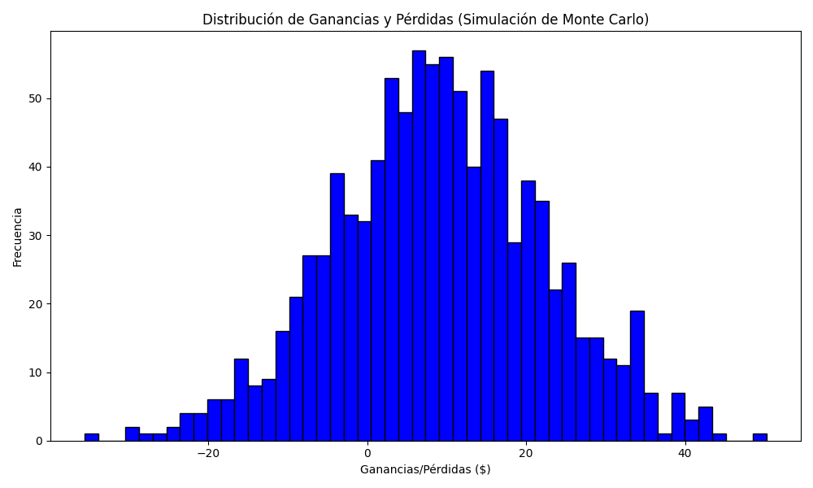
Promedio de Ganancia/Pérdida | Mediana de Ganancia/Pérdida | Ganancia/Pérdida Máxima | Ganancia/Pérdida Mínima | Probabilidad de Ganancia (>0)
9.0561455 | 8.86475 | 50.2925 | -35.62 | 0

