Betting Decisions
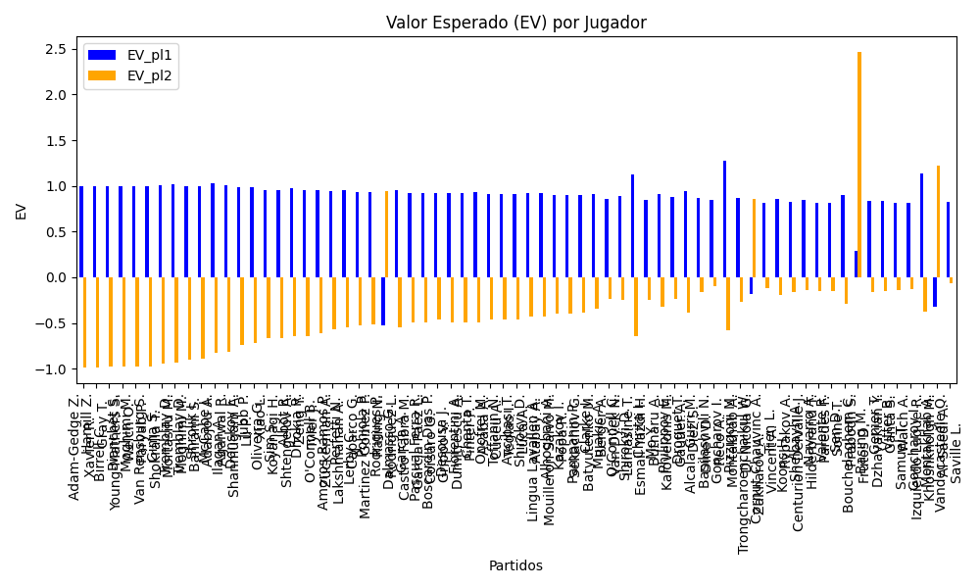
Surface | pl1 | pl1_flag | pl1_hand | pl1_bet | pl2 | pl2_flag | pl2_hand | pl2_bet | Result | DiffProffTime | DiffPts | DiffWeight | DiffHeight | DiffAge | DiffBet | Class | Prob_win_pl1 | Prob_win_pl2 | Accuracy | date | EV_pl1 | EV_pl2 | Std_Dev_pl1 | Std_Dev_pl2 | Sharpe_Ratio_pl1 | Sharpe_Ratio_pl2 | Best_Bet_EV | match | Best_Bet | Best_Bet_Sharpe | Money_to_Bet | Prob_Win | Payout
clay | Adam-Gedge Z. | AUS | Right-Handed | 1 | Xavier R. | AUS | Right-Handed | 17 | 0 | -11 | 37.5 | -0.5 | 1 | -8 | -16 | 0 | 0.99932775957 | 0.00067224042931 | 0.8198757764 | 20240909 | 0.99865551914 | -0.98789967227 | 0.025918883505 | 0.44062101958 | -0.43769172606 | -4.5342813518 | 0.99865551914 | Adam-Gedge Z. Xavier R. | pl1 | -0.43769172606 | 1.5 | 0.99932775957 | 1 | 1.5 | 104.01
clay | Hamill Z. | AUS | Right-Handed | 1 | Gray T. | AUS | Right-Handed | 17 | 0 | -2 | 37.5 | -0.5 | 1 | -4 | -16 | 0 | 0.99907717639 | 0.00092282361134 | 0.8198757764 | 20240909 | 0.99815435278 | -0.983389175 | 0.030363991963 | 0.51618786337 | -0.39012153729 | -3.8617513438 | 0.99815435278 | Hamill Z. Gray T. | pl1 | -0.39012153729 | 1.5 | 0.99907717639 | 1 | 1.5
clay | Birrell C. | AUS | Right-Handed | 1 | Young-Mathers S. | AUS | Right-Handed | 17 | 0 | 6 | 37.5 | -0.5 | 1 | 4 | -16 | 0 | 0.99886880848 | 0.0011311915241 | 0.8198757764 | 20240909 | 0.99773761695 | -0.97963855257 | 0.033614162638 | 0.57144076484 | -0.36479811145 | -3.4817931708 | 0.99773761695 | Birrell C. Young-Mathers S. | pl1 | -0.36479811145 | 1.5 | 0.99886880848 | 1 | 1.5
clay | Bianchet S. | AUS | Right-Handed | 1 | Welch O. | AUS | Right-Handed | 17 | 0 | 4 | 37.5 | -0.5 | 1 | -1 | -16 | 0 | 0.99886685065 | 0.0011331493475 | 0.8198757764 | 20240909 | 0.9977337013 | -0.97960331174 | 0.03364320615 | 0.57193450456 | -0.36459957592 | -3.478725791 | 0.9977337013 | Bianchet S. Welch O. | pl1 | -0.36459957592 | 1.5 | 0.99886685065 | 1 | 1.5
clay | Moghimi M. | IRN | Right-Handed | 1 | Paryab P. | IRN | Right-Handed | 17 | 0 | 12 | 37.5 | -0.5 | 1 | 15 | -16 | 0 | 0.99878224299 | 0.0012177570106 | 0.8198757764 | 20240909 | 0.99756448598 | -0.97808037381 | 0.034875121197 | 0.59287706034 | -0.35657263959 | -3.3532759265 | 0.99756448598 | Moghimi M. Paryab P. | pl1 | -0.35657263959 | 1.5 | 0.99878224299 | 1 | 1.5
clay | Van Rensburg S. | AUS | Right-Handed | 1 | Shokralla T. | AUS | Right-Handed | 17 | 0 | 8 | 37.5 | -0.5 | 1 | 2 | -16 | 0 | 0.99872325249 | 0.0012767475086 | 0.8198757764 | 20240909 | 0.99744650498 | -0.97701854484 | 0.035708786376 | 0.60704936839 | -0.35155199298 | -3.2732404452 | 0.99744650498 | Van Rensburg S. Shokralla T. | pl1 | -0.35155199298 | 1.5 | 0.99872325249 | 1 | 1.5
clay | Gima S. | ROU | Left-Handed | 1.01 | Mortasifu M. | ROU | Right-Handed | 14.2 | 0 | 4 | -31 | 1.5 | 0 | 2 | -13.19 | 0 | 0.99660154872 | 0.0033984512832 | 0.73885350318 | 20240910 | 1.0031691129 | -0.9483435405 | 0.058779065478 | 0.82639874237 | -0.11621292417 | -2.3697319951 | 1.0031691129 | Gima S. Mortasifu M. | pl1 | -0.11621292417 | 1.5 | 0.99660154872 | 1.01 | 1.515
Varioussurfaces | Tremblay D. | FRA | Right-Handed | 1.03 | Moghimi M. | IRN | Right-Handed | 8.35 | 0 | -11 | -31 | 1.5 | 0 | -9 | -7.32 | 0 | 0.99283937906 | 0.0071606209394 | 0.73885350318 | 20240910 | 1.0154639395 | -0.93304819422 | 0.086846448665 | 0.70404645277 | 0.062914944445 | -2.7598295348 | 1.0154639395 | Tremblay D. Moghimi M. | pl1 | 0.062914944445 | 1.5 | 0.99283937906 | 1.03 | 1.545
clay | Tremblay D. | FRA | Right-Handed | 1.02 | Bahrami S. | IRN | Right-Handed | 8.25 | 0 | 1 | 37.5 | -0.5 | 1 | -4 | -7.23 | 0 | 0.98881020942 | 0.01118979058 | 0.8198757764 | 20240909 | 0.99739662303 | -0.89649443713 | 0.10729206944 | 0.86780350284 | -0.11746792692 | -2.1969194995 | 0.99739662303 | Tremblay D. Bahrami S. | pl1 | -0.11746792692 | 1.5 | 0.98881020942 | 1.02 | 1.53
clay | Shrolik I. | RUS | Right-Handed | 1.02 | Adabjou A. | IRN | Right-Handed | 8 | 0 | -4 | 37.5 | -0.5 | 1 | -1 | -6.98 | 0 | 0.98808962067 | 0.01191037933 | 0.8198757764 | 20240909 | 0.99594103375 | -0.89280658603 | 0.11065247621 | 0.86786255848 | -0.12705514353 | -2.192520656 | 0.99594103375 | Shrolik I. Adabjou A. | pl1 | -0.12705514353 | 1.5 | 0.98808962067 | 1.02 | 1.53
hard | McCabe J. | AUS | Right-Handed | 1.06 | Agarwal R. | IND | Right-Handed | 8.82 | 0 | -7 | -31 | 5 | 10 | -7 | -7.76 | 0 | 0.98263750043 | 0.017362499566 | 0.73885350318 | 20240910 | 1.0242332509 | -0.82950025426 | 0.13845500392 | 1.152050127 | 0.10280055246 | -1.5967189371 | 1.0242332509 | McCabe J. Agarwal R. | pl1 | 0.10280055246 | 1.5 | 0.98263750043 | 1.06 | 1.59
clay | Ilagan A. | FRA | Left-Handed | 1.05 | Shanmugam A. | IND | Right-Handed | 8.21 | 0 | -2 | -31 | 9 | 7 | -2 | -7.16 | 0 | 0.98017271508 | 0.019827284923 | 0.73885350318 | 20240910 | 1.0093540659 | -0.81739070586 | 0.14637679281 | 1.1445271133 | -0.0044128176326 | -1.5966338277 | 1.0093540659 | Ilagan A. Shanmugam A. | pl1 | -0.0044128176326 | 1.5 | 0.98017271508 | 1.05 | 1.575
hard | Donskoy E. | RUS | Right-Handed | 1.03 | Lu P. | CHN | Right-Handed | 10.42 | 0 | 12 | 237.5 | -3 | 2 | 12 | -9.39 | 0 | 0.97759543422 | 0.022404565781 | 0.8198757764 | 20240909 | 0.98451873147 | -0.74413985879 | 0.15243513252 | 1.5421107581 | -0.16716138933 | -1.1374927835 | 0.98451873147 | Donskoy E. Lu P. | pl1 | -0.16716138933 | 1.5 | 0.97759543422 | 1.03 | 1.545
hard | Jubb P. | FRA | Right-Handed | 1.05 | Xiao L. | CHN | Right-Handed | 8.71 | 0 | 2 | 37.5 | -9 | -3 | 0 | -7.66 | 0 | 0.97079040629 | 0.029209593709 | 0.8198757764 | 20240909 | 0.9901203329 | -0.71637484509 | 0.17681324515 | 1.4667079669 | -0.11243313297 | -1.1770406134 | 0.9901203329 | Jubb P. Xiao L. | pl1 | -0.11243313297 | 1.5 | 0.97079040629 | 1.05 | 1.575
clay | Oliveira G. | VEN | Left-Handed | 1.01 | Koyanagi H. | JPN | Right-Handed | 10.17 | 0 | 12 | -31 | 2.5 | 0 | 4 | -9.16 | 0 | 0.96998273696 | 0.030017263038 | 0.73885350318 | 20240910 | 0.94966530129 | -0.66470717186 | 0.17234112428 | 1.7353556772 | -0.35008880763 | -0.96505125368 | 0.94966530129 | Oliveira G. Koyanagi H. | pl1 | -0.35008880763 | 1.5 | 0.96998273696 | 1.01 | 1.515
clay | Sim S. | KOR | Right-Handed | 1.03 | Shtengelov A. | AUS | Right-Handed | 8.5 | 0 | 1 | 37.5 | -0.5 | 1 | 5 | -7.47 | 0 | 0.96420234942 | 0.035797650584 | 0.8198757764 | 20240909 | 0.95733076931 | -0.65992231945 | 0.19135886205 | 1.5791750752 | -0.27523800111 | -1.0574649674 | 0.95733076931 | Sim S. Shtengelov A. | pl1 | -0.27523800111 | 1.5 | 0.96420234942 | 1.03 | 1.545
hard | Albot R. | FRA | Right-Handed | 1.05 | Zeng Y. | CHN | Right-Handed | 8.84 | 0 | 11 | 233 | -7.5 | -10 | 12 | -7.79 | 0 | 0.96386076976 | 0.036139230243 | 0.73885350318 | 20240910 | 0.975914578 | -0.64438997441 | 0.19596833385 | 1.6498667345 | -0.17393331528 | -1.0027415789 | 0.975914578 | Albot R. Zeng Y. | pl1 | -0.17393331528 | 1.5 | 0.96386076976 | 1.05 | 1.575
Varioussurfaces | Dhokia R. | FRA | Right-Handed | 1.04 | Tyler J. | ITA | Right-Handed | 7.88 | 0 | -2 | -31 | 1.5 | 0 | -1 | -6.84 | 0 | 0.95976321798 | 0.040236782023 | 0.73885350318 | 20240910 | 0.95791696467 | -0.64269737564 | 0.20437464256 | 1.5485309455 | -0.25484098553 | -1.0672679034 | 0.95791696467 | Dhokia R. Tyler J. | pl1 | -0.25484098553 | 1.5 | 0.95976321798 | 1.04 | 1.56
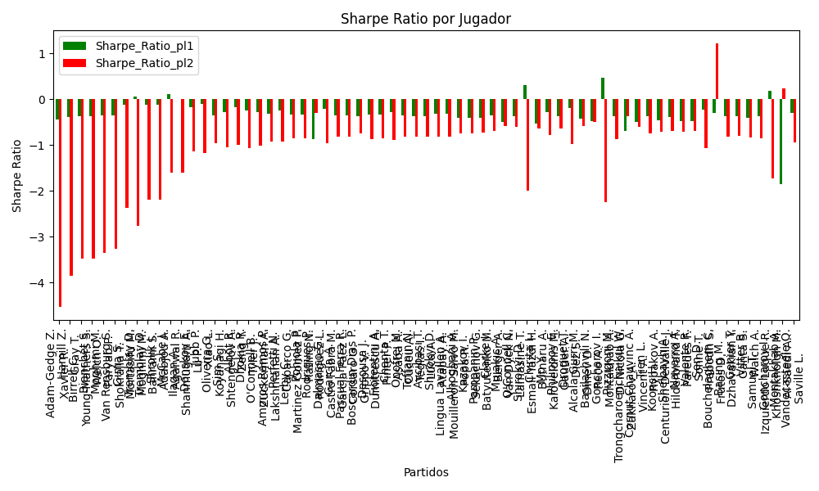
Varioussurfaces | O'Connell B. | AUS | Right-Handed | 1.04 | Zuckerman A. | ITA | Right-Handed | 7.88 | 0 | -5 | -31 | 1.5 | 0 | 0 | -6.84 | 0 | 0.95647377633 | 0.043526223675 | 0.73885350318 | 20240910 | 0.9512065037 | -0.61348713377 | 0.21219999424 | 1.6078230333 | -0.27706643681 | -1.0097424282 | 0.9512065037 | O'Connell B. Zuckerman A. | pl1 | -0.27706643681 | 1.5 | 0.95647377633 | 1.04 | 1.56
Varioussurfaces | Amoros Ramos P. | ESP | Right-Handed | 1.04 | Lakshmanan A. | IND | Right-Handed | 7.88 | 0 | 9 | -31 | 1.5 | 0 | 1 | -6.84 | 0 | 0.95112690189 | 0.048873098107 | 0.73885350318 | 20240910 | 0.94029887986 | -0.56600688881 | 0.22422679387 | 1.6989491689 | -0.31085098679 | -0.92763628108 | 0.94029887986 | Amoros Ramos P. Lakshmanan A. | pl1 | -0.31085098679 | 1.5 | 0.95112690189 | 1.04 | 1.56
clay | Perfetti N. | ITA | Right-Handed | 1.06 | Caparco G. | ITA | Right-Handed | 7.48 | 0 | -4 | -31 | 1.5 | 0 | -5 | -6.42 | 0 | 0.94623695076 | 0.053763049241 | 0.73885350318 | 20240910 | 0.94924811856 | -0.54408934243 | 0.23908248604 | 1.6871103732 | -0.25410427356 | -0.92115451787 | 0.94924811856 | Perfetti N. Caparco G. | pl1 | -0.25410427356 | 1.5 | 0.94623695076 | 1.06 | 1.59
Varioussurfaces | Lerby C. | NLD | Right-Handed | 1.04 | Martinez Gomez P. | ESP | Right-Handed | 7.88 | 0 | 5 | -31 | 1.5 | 0 | -3 | -6.84 | 0 | 0.94616776463 | 0.053832235367 | 0.73885350318 | 20240910 | 0.93018223985 | -0.52196974994 | 0.23471379761 | 1.7784083896 | -0.34006420143 | -0.86142741955 | 0.93018223985 | Lerby C. Martinez Gomez P. | pl1 | -0.34006420143 | 1.5 | 0.94616776463 | 1.04 | 1.56
Varioussurfaces | Pohjola P. | FIN | Right-Handed | 1.04 | Rating N. | ESP | Right-Handed | 7.88 | 0 | 8 | -31 | 1.5 | 0 | 4 | -6.84 | 0 | 0.94562763007 | 0.054372369932 | 0.73885350318 | 20240910 | 0.92908036534 | -0.517173355 | 0.23582103844 | 1.7867978682 | -0.34314001498 | -0.85469844251 | 0.92908036534 | Pohjola P. Rating N. | pl1 | -0.34314001498 | 1.5 | 0.94562763007 | 1.04 | 1.56
clay | Dalmasso G. | FRA | Right-Handed | 1.07 | Castro Fabra M. | ESP | Right-Handed | 7.19 | 0 | 1 | -31 | 1.5 | 0 | -4 | -6.12 | 0 | 0.94523338299 | 0.05476661701 | 0.73885350318 | 20240910 | 0.95663310279 | -0.55146140668 | 0.24345083071 | 1.6358985727 | -0.21921016681 | -0.95449768873 | 0.95663310279 | Dalmasso G. Castro Fabra M. | pl1 | -0.21921016681 | 1.5 | 0.94523338299 | 1.07 | 1.605
Varioussurfaces | Garcia A. | ESP | Right-Handed | 1.04 | Garcia Paez L. | ESP | Right-Handed | 7.88 | 0 | 6 | -189 | 1.5 | 0 | 4 | -6.84 | 0 | 0.94304941266 | 0.056950587335 | 0.73885350318 | 20240910 | 0.92382080184 | -0.49427878446 | 0.24101810497 | 1.8261756415 | -0.35756317218 | -0.8237317103 | 0.92382080184 | Garcia A. Garcia Paez L. | pl1 | -0.35756317218 | 1.5 | 0.94304941266 | 1.04 | 1.56
Varioussurfaces | Pascual Ferra R. | ESP | Left-Handed | 1.04 | Corsaro G. | ITA | Right-Handed | 7.88 | 0 | 1 | -31 | 1.5 | 0 | -2 | -6.84 | 0 | 0.94281939205 | 0.05718060795 | 0.73885350318 | 20240910 | 0.92335155978 | -0.4922362014 | 0.24147488997 | 1.8296366663 | -0.35883002258 | -0.82105711428 | 0.92335155978 | Pascual Ferra R. Corsaro G. | pl1 | -0.35883002258 | 1.5 | 0.94281939205 | 1.04 | 1.56
clay | Boscardin Dias P. | BRA | Right-Handed | 1.04 | Grippo V. | ARG | Right-Handed | 8.34 | 0 | 5 | -31 | -3.5 | -5 | -4 | -7.3 | 0 | 0.94188781437 | 0.058112185626 | 0.73885350318 | 20240910 | 0.92145114132 | -0.45723218625 | 0.24331368339 | 1.9511885764 | -0.36392880764 | -0.75196841761 | 0.92145114132 | Boscardin Dias P. Grippo V. | pl1 | -0.36392880764 | 1.5 | 0.94188781437 | 1.04 | 1.56
clay | Desousa J. | NLD | Right-Handed | 1.05 | Dumitrescu A. | ROU | Right-Handed | 7.25 | 0 | 3 | 37.5 | -0.5 | 1 | 2 | -6.2 | 0 | 0.93901070665 | 0.06098929335 | 0.8198757764 | 20240909 | 0.92497194863 | -0.49683832986 | 0.25127620936 | 1.735002398 | -0.33838480605 | -0.86849351426 | 0.92497194863 | Desousa J. Dumitrescu A. | pl1 | -0.33838480605 | 1.5 | 0.93901070665 | 1.05 | 1.575
clay | Fiorentini A. | ITA | Right-Handed | 1.05 | Pinter P. | AUT | Right-Handed | 7.25 | 0 | 5 | 37.5 | -0.5 | 1 | 4 | -6.2 | 0 | 0.93798469735 | 0.062015302647 | 0.8198757764 | 20240909 | 0.92286862957 | -0.48837375317 | 0.25324251003 | 1.7485792359 | -0.34406297117 | -0.85690926805 | 0.92286862957 | Fiorentini A. Pinter P. | pl1 | -0.34406297117 | 1.5 | 0.93798469735 | 1.05 | 1.575
clay | Chanta T. | THA | Right-Handed | 1.07 | Asaba A. | GHA | Right-Handed | 6.84 | 0 | -4 | -31 | 1.5 | 0 | -2 | -5.77 | 0 | 0.93558885139 | 0.064411148606 | 0.73885350318 | 20240910 | 0.93666892239 | -0.49501659493 | 0.26266778909 | 1.6791099788 | -0.27917803652 | -0.89631805771 | 0.93666892239 | Chanta T. Asaba A. | pl1 | -0.27917803652 | 1.5 | 0.93558885139 | 1.07 | 1.605
clay | Onofrei M. | ROU | Right-Handed | 1.05 | Cuceu A. | ROU | Right-Handed | 7.25 | 0 | 0 | 37.5 | -0.5 | 1 | -4 | -6.2 | 0 | 0.9347770573 | 0.0652229427 | 0.8198757764 | 20240909 | 0.91629296746 | -0.46191072272 | 0.25926477541 | 1.7901615445 | -0.36143372114 | -0.82222228897 | 0.91629296746 | Onofrei M. Cuceu A. | pl1 | -0.36143372114 | 1.5 | 0.9347770573 | 1.05 | 1.575
clay | Toffanin N. | ITA | Right-Handed | 1.05 | Teglas I. | ROU | Right-Handed | 7.25 | 0 | 4 | 37.5 | -0.5 | 1 | 0 | -6.2 | 0 | 0.9343548464 | 0.065645153597 | 0.8198757764 | 20240909 | 0.91542743513 | -0.45842748282 | 0.26004383057 | 1.7955407349 | -0.3636793254 | -0.81781908609 | 0.91542743513 | Toffanin N. Teglas I. | pl1 | -0.3636793254 | 1.5 | 0.9343548464 | 1.05 | 1.575
clay | Avcibasi T. | TUR | Right-Handed | 1.05 | Luca A. | ROU | Right-Handed | 7.25 | 0 | 0 | 37.5 | -0.5 | 1 | -2 | -6.2 | 0 | 0.93425416763 | 0.065745832375 | 0.8198757764 | 20240909 | 0.91522104363 | -0.45759688291 | 0.26022914515 | 1.7968202879 | -0.36421345624 | -0.81677443914 | 0.91522104363 | Avcibasi T. Luca A. | pl1 | -0.36421345624 | 1.5 | 0.93425416763 | 1.05 | 1.575
clay | Shirokyi D. | UKR | Right-Handed | 1.07 | Atabay A. | TUR | Right-Handed | 6.88 | 0 | 0 | 37.5 | -0.5 | 1 | -1 | -5.81 | 0 | 0.92800712982 | 0.071992870179 | 0.8198757764 | 20240909 | 0.92097475873 | -0.43269618299 | 0.27656943228 | 1.778315602 | -0.321891109 | -0.81127117223 | 0.92097475873 | Shirokyi D. Atabay A. | pl1 | -0.321891109 | 1.5 | 0.92800712982 | 1.07 | 1.605
clay | Lingua Lavallen A. | ARG | Left-Handed | 1.07 | Mouilleron Salvo M. | ARG | Right-Handed | 6.87 | 0 | 2 | -31 | 1.5 | 0 | 2 | -5.8 | 0 | 0.92770576939 | 0.072294230605 | 0.73885350318 | 20240910 | 0.92035094265 | -0.43104440514 | 0.27710268024 | 1.7791545919 | -0.32352288067 | -0.8099601978 | 0.92035094265 | Lingua Lavallen A. Mouilleron Salvo M. | pl1 | -0.32352288067 | 1.5 | 0.92770576939 | 1.07 | 1.605
clay | Alhogbani A. | SAU | Right-Handed | 1.05 | Popa R. | ROU | Right-Handed | 7.25 | 0 | 0 | 37.5 | -0.5 | 1 | -5 | -6.2 | 0 | 0.92737329943 | 0.072626700566 | 0.8198757764 | 20240909 | 0.90111526384 | -0.40082972033 | 0.27249889795 | 1.8815400096 | -0.39957862942 | -0.74982711668 | 0.90111526384 | Alhogbani A. Popa R. | pl1 | -0.39957862942 | 1.5 | 0.92737329943 | 1.05 | 1.575
clay | Kazakov I. | RUS | Right-Handed | 1.05 | Sekachov G. | UKR | Right-Handed | 7.25 | 0 | 5 | 37.5 | -0.5 | 1 | 0 | -6.2 | 0 | 0.92637265371 | 0.073627346294 | 0.8198757764 | 20240909 | 0.8990639401 | -0.39257439307 | 0.27422164774 | 1.8934351868 | -0.40454887795 | -0.74075648476 | 0.8990639401 | Kazakov I. Sekachov G. | pl1 | -0.40454887795 | 1.5 | 0.92637265371 | 1.05 | 1.575
clay | Pampanin P. | ITA | Right-Handed | 1.05 | Batyutenko M. | KAZ | Right-Handed | 7.25 | 0 | 5 | 37.5 | -0.5 | 1 | -1 | -6.2 | 0 | 0.9260630741 | 0.073936925897 | 0.8198757764 | 20240909 | 0.89842930191 | -0.39002036135 | 0.27475163005 | 1.8970945885 | -0.40607838457 | -0.7379813162 | 0.89842930191 | Pampanin P. Batyutenko M. | pl1 | -0.40607838457 | 1.5 | 0.9260630741 | 1.05 | 1.575
clay | Clarke J. | FRA | Right-Handed | 1.07 | Berger A. | FRA | Right-Handed | 7.38 | 0 | 6 | -21 | 5.5 | 3 | 0 | -6.31 | 0 | 0.92206457932 | 0.077935420678 | 0.73885350318 | 20240910 | 0.9086736792 | -0.34690117472 | 0.28683483211 | 1.9783561317 | -0.35325668106 | -0.68587306044 | 0.9086736792 | Clarke J. Berger A. | pl1 | -0.35325668106 | 1.5 | 0.92206457932 | 1.07 | 1.605
clay | Mujakic A. | DEU | Right-Handed | 1.05 | Van Dyck N. | BEL | Right-Handed | 7.25 | 0 | 5 | 37.5 | -0.5 | 1 | -1 | -6.2 | 0 | 0.90755522576 | 0.09244477424 | 0.8198757764 | 20240909 | 0.86048821281 | -0.23733061252 | 0.30413542805 | 2.0999827175 | -0.49159608977 | -0.59397184659 | 0.86048821281 | Mujakic A. Van Dyck N. | pl1 | -0.49159608977 | 1.5 | 0.90755522576 | 1.05 | 1.575
hard | O'Connell C. | AUS | Right-Handed | 1.09 | Lamasine T. | FRA | Right-Handed | 7.05 | 0 | -1 | 277 | 9 | 0 | -1 | -5.96 | 0 | 0.9065137141 | 0.0934862859 | 0.73885350318 | 20240910 | 0.89461366247 | -0.24743539851 | 0.31731283579 | 2.0523444883 | -0.36363589656 | -0.61268242522 | 0.89461366247 | O'Connell C. Lamasine T. | pl1 | -0.36363589656 | 1.5 | 0.9065137141 | 1.09 | 1.635
Varioussurfaces | Shirokyi D. | UKR | Right-Handed | 1.35 | Esmail Yazdi H. | IRN | Right-Handed | 2.82 | 0 | -15 | -31 | 1.5 | 0 | -13 | -1.47 | 0 | 0.9053158963 | 0.094684103702 | 0.73885350318 | 20240910 | 1.1274923563 | -0.63830672386 | 0.39525045429 | 0.8256342823 | 0.29726052184 | -1.9964126481 | 1.1274923563 | Shirokyi D. Esmail Yazdi H. | pl1 | 0.29726052184 | 1.5 | 0.9053158963 | 1.35 | 2.025
clay | Chirita I. | ROU | Right-Handed | 1.05 | Butnaru A. | ROU | Right-Handed | 6.5 | 0 | 3 | -31 | 1.5 | 0 | -4 | -5.45 | 0 | 0.89955327222 | 0.10044672778 | 0.73885350318 | 20240910 | 0.84408420805 | -0.24664954165 | 0.3156244507 | 1.9538656472 | -0.52567471113 | -0.64316067149 | 0.84408420805 | Chirita I. Butnaru A. | pl1 | -0.52567471113 | 1.5 | 0.89955327222 | 1.05 | 1.575
hard | Mo Y. | CHN | Right-Handed | 1.13 | Kalovelonis M. | GRC | Right-Handed | 5.62 | 0 | -5 | -31 | -12 | -6 | -6 | -4.49 | 0 | 0.89833716391 | 0.10166283609 | 0.73885350318 | 20240910 | 0.91345815914 | -0.32699202511 | 0.34149098035 | 1.6983887695 | -0.28270685441 | -0.78721200299 | 0.91345815914 | Mo Y. Kalovelonis M. | pl1 | -0.28270685441 | 1.5 | 0.89833716391 | 1.13 | 1.695
clay | Philippov E. | RUS | Right-Handed | 1.1 | Gautier A. | FRA | Right-Handed | 6.4 | 0 | -7 | -31 | 3 | -13 | -5 | -5.3 | 0 | 0.89714426809 | 0.10285573191 | 0.73885350318 | 20240910 | 0.88400296299 | -0.23886758388 | 0.33414739366 | 1.9441302904 | -0.37707023726 | -0.64237854328 | 0.88400296299 | Philippov E. Gautier A. | pl1 | -0.37707023726 | 1.5 | 0.89714426809 | 1.1 | 1.65
indoors | Droguet T. | FRA | Right-Handed | 1.18 | Diez S. | CAN | Right-Handed | 4.58 | 0 | -10 | 185 | 2 | 10 | -10 | -3.4 | 0 | 0.89049504975 | 0.10950495025 | 0.73885350318 | 20240910 | 0.94127920846 | -0.38896237761 | 0.36848060883 | 1.430204397 | -0.18649771493 | -0.97815555633 | 0.94127920846 | Droguet T. Diez S. | pl1 | -0.18649771493 | 1.5 | 0.89049504975 | 1.18 | 1.77
clay | Alcala Gurri M. | ESP | Right-Handed | 1.1 | Dinev D. | BGR | Right-Handed | 6.4 | 0 | 3 | -31 | 1.5 | 0 | 1 | -5.3 | 0 | 0.88728845861 | 0.11271154139 | 0.73885350318 | 20240910 | 0.86330576307 | -0.16593459368 | 0.34786384735 | 2.0239351119 | -0.42170015092 | -0.58101397954 | 0.86330576307 | Alcala Gurri M. Dinev D. | pl1 | -0.42170015092 | 1.5 | 0.88728845861 | 1.1 | 1.65
indoors | Basilashvili N. | GEO | Right-Handed | 1.08 | Reco A. | FRA | Right-Handed | 6.95 | 0 | 8 | 262.5 | 1 | 2 | 7 | -5.87 | 0 | 0.8861988509 | 0.1138011491 | 0.8198757764 | 20240909 | 0.84329360988 | -0.095280864673 | 0.34297516242 | 2.2071086841 | -0.48605965793 | -0.50078225537 | 0.84329360988 | Basilashvili N. Reco A. | pl1 | -0.48605965793 | 1.5 | 0.8861988509 | 1.08 | 1.62
Varioussurfaces | Goncharov I. | RUS | Right-Handed | 1.63 | Montakhab A. | IRN | Right-Handed | 2.08 | 0 | -15 | -31 | 1.5 | 0 | -12 | -0.45 | 0 | 0.86472319927 | 0.13527680073 | 0.73885350318 | 20240910 | 1.2742220141 | -0.58334745376 | 0.55749094987 | 0.71139949431 | 0.47394852626 | -2.2397365566 | 1.2742220141 | Goncharov I. Montakhab A. | pl1 | 0.47394852626 | 1.5 | 0.86472319927 | 1.63 | 2.445
clay | Pizzigoni M. | ITA | Right-Handed | 1.16 | Di Nicola G. | ITA | Right-Handed | 4.32 | 0 | -13 | 37.5 | -0.5 | 1 | -6 | -3.16 | 0 | 0.86331756598 | 0.13668243402 | 0.8198757764 | 20240909 | 0.86476594251 | -0.27284945099 | 0.3984736703 | 1.4839709101 | -0.36447591979 | -0.86447075363 | 0.86476594251 | Pizzigoni M. Di Nicola G. | pl1 | -0.36447591979 | 1.5 | 0.86331756598 | 1.16 | 1.74
clay | Cornut Chauvinc A. | FRA | Right-Handed | 1.11 | Vincent A. | FRA | Right-Handed | 5.35 | 0 | 0 | 37.5 | -0.5 | 1 | -2 | -4.24 | 0 | 0.86099063598 | 0.13900936402 | 0.8198757764 | 20240909 | 0.81669024191 | -0.11729053845 | 0.38401149176 | 1.850866199 | -0.50339576351 | -0.60906106505 | 0.81669024191 | Cornut Chauvinc A. Vincent A. | pl1 | -0.50339576351 | 1 | 0.86099063598 | 1.11 | 1.11
hard | Tien L. | FRA | Left-Handed | 1.17 | Rybakov A. | ITA | Left-Handed | 4.65 | 0 | -9 | -115 | 10 | 0 | -9 | -3.48 | 0 | 0.85761204575 | 0.14238795425 | 0.73885350318 | 20240910 | 0.86101813929 | -0.19550805851 | 0.40885369131 | 1.6249313372 | -0.36438917853 | -0.74188246043 | 0.86101813929 | Tien L. Rybakov A. | pl1 | -0.36438917853 | 1.5 | 0.85761204575 | 1.17 | 1.755
clay | Koons H. | FRA | Right-Handed | 1.14 | Centurion Delvalle J. | ARG | Right-Handed | 4.61 | 0 | 0 | 37.5 | -0.5 | 1 | 5 | -3.47 | 0 | 0.85097997877 | 0.14902002123 | 0.8198757764 | 20240909 | 0.82109715457 | -0.1639976809 | 0.40596335504 | 1.6416588305 | -0.46531994351 | -0.71512890445 | 0.82109715457 | Koons H. Centurion Delvalle J. | pl1 | -0.46531994351 | 1.5 | 0.85097997877 | 1.14 | 1.71
hard | Shelbayh A. | JOR | Left-Handed | 1.17 | Hilderbrand T. | ITA | Right-Handed | 4.7 | 0 | -3 | -133 | 1.5 | 0 | -4 | -3.53 | 0 | 0.849444073 | 0.150555927 | 0.73885350318 | 20240910 | 0.84329363841 | -0.14183121609 | 0.41841012519 | 1.6807928106 | -0.39842812484 | -0.68529042296 | 0.84329363841 | Shelbayh A. Hilderbrand T. | pl1 | -0.39842812484 | 1.5 | 0.849444073 | 1.17 | 1.755
clay | Navarro A. | ARG | Right-Handed | 1.14 | Paredes F. | ARG | Right-Handed | 4.61 | 0 | -4 | 37.5 | -0.5 | 1 | 1 | -3.47 | 0 | 0.84868274687 | 0.15131725313 | 0.8198757764 | 20240909 | 0.8161810783 | -0.15111020994 | 0.40852793847 | 1.6520296459 | -0.47443247682 | -0.70283860391 | 0.8161810783 | Navarro A. Paredes F. | pl1 | -0.47443247682 | 1.5 | 0.84868274687 | 1.14 | 1.71
clay | Valente R. | ARG | Right-Handed | 1.14 | Sonne T. | ARG | Right-Handed | 4.61 | 0 | -6 | 37.5 | -0.5 | 1 | -4 | -3.47 | 0 | 0.84846028799 | 0.15153971201 | 0.8198757764 | 20240909 | 0.8157050163 | -0.14986221563 | 0.40877454156 | 1.6530268742 | -0.47531087175 | -0.70165962437 | 0.8157050163 | Valente R. Sonne T. | pl1 | -0.47531087175 | 1.5 | 0.84846028799 | 1.14 | 1.71
clay | Sen D. | AUS | Right-Handed | 1.29 | Prabodh S. | IND | Right-Handed | 3.23 | 0 | -12 | 37.5 | -1.5 | -4 | -11 | -1.94 | 0 | 0.83102017269 | 0.16897982731 | 0.8198757764 | 20240909 | 0.90303619546 | -0.28521533047 | 0.48340698826 | 1.2103911411 | -0.22127070386 | -1.070079982 | 0.90303619546 | Sen D. Prabodh S. | pl1 | -0.22127070386 | 1.5 | 0.83102017269 | 1.29 | 1.935
clay | Basing M. | FRA | Right-Handed | 1.23 | Dzhavakian Y. | UKR | Right-Handed | 3.77 | 0 | -8 | -31 | 1.5 | 0 | -10 | -2.54 | 0 | 0.82320735442 | 0.17679264558 | 0.73885350318 | 20240910 | 0.83575240036 | -0.15669908058 | 0.46923654637 | 1.4382290893 | -0.37134277155 | -0.81120531442 | 0.83575240036 | Basing M. Dzhavakian Y. | pl1 | -0.37134277155 | 1.5 | 0.82320735442 | 1.23 | 1.845
clay | Genier T. | CHE | Right-Handed | 1.23 | Ganta S. | IND | Right-Handed | 3.77 | 0 | 2 | -31 | 1.5 | 0 | 2 | -2.54 | 0 | 0.8210720905 | 0.1789279095 | 0.73885350318 | 20240910 | 0.83099076183 | -0.14651387171 | 0.47144908849 | 1.4450106208 | -0.37970004088 | -0.80034973794 | 0.83099076183 | Genier T. Ganta S. | pl1 | -0.37970004088 | 1.5 | 0.8210720905 | 1.23 | 1.845
clay | Vitter B. | FRA | Right-Handed | 1.24 | Walch A. | FRA | Right-Handed | 3.49 | 0 | -14 | 37.5 | -0.5 | 1 | -9 | -2.25 | 0 | 0.8087288694 | 0.1912711306 | 0.8198757764 | 20240909 | 0.81155266746 | -0.14119262362 | 0.48769451467 | 1.3726240776 | -0.40690909282 | -0.83868019105 | 0.81155266746 | Vitter B. Walch A. | pl1 | -0.40690909282 | 1.5 | 0.8087288694 | 1.24 | 1.86
clay | Samuel T. | FRA | Right-Handed | 1.28 | Izquierdo Luque R. | ESP | Right-Handed | 3.29 | 0 | -5 | -31 | 1.5 | 0 | -2 | -2.01 | 0 | 0.79620434475 | 0.20379565525 | 0.73885350318 | 20240910 | 0.81534590602 | -0.12571663896 | 0.51560806483 | 1.3252738541 | -0.37752336951 | -0.85696751311 | 0.81534590602 | Samuel T. Izquierdo Luque R. | pl1 | -0.37752336951 | 1.5 | 0.79620434475 | 1.28 | 1.92
clay | Goncharov I. | RUS | Right-Handed | 1.7 | Khoshkholgh M. | IRN | Right-Handed | 1.97 | 0 | 0 | 37.5 | -0.5 | 1 | -2 | -0.27 | 0 | 0.78990556006 | 0.21009443994 | 0.8198757764 | 20240909 | 1.1327450122 | -0.37601951338 | 0.69253828374 | 0.80252965822 | 0.17723931665 | -1.7270632919 | 1.1327450122 | Goncharov I. Khoshkholgh M. | pl1 | 0.17723931665 | 1.5 | 0.78990556006 | 1.7 | 2.55
hard | Vandecasteele Q. | FRA | Right-Handed | 1.46 | Saville L. | AUS | Right-Handed | 2.61 | 0 | -10 | 110 | -5 | -3 | -8 | -1.15 | 0 | 0.74061490004 | 0.25938509996 | 0.73885350318 | 20240910 | 0.82191265409 | -0.063619789135 | 0.63991396921 | 1.1439557943 | -0.29392598842 | -0.93851510216 | 0.82191265409 | Vandecasteele Q. Saville L. | pl1 | -0.29392598842 | 1.5 | 0.74061490004 | 1.46 | 2.19

Monte Carlo Summary
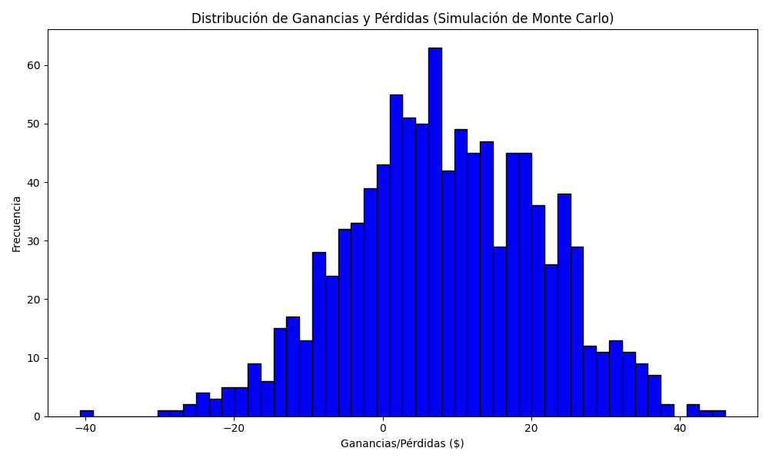
Promedio de Ganancia/Pérdida | Mediana de Ganancia/Pérdida | Ganancia/Pérdida Máxima | Ganancia/Pérdida Mínima | Probabilidad de Ganancia (>0)
8.409575 | 7.9 | 46.14 | -40.78 | 0

