Betting Decisions
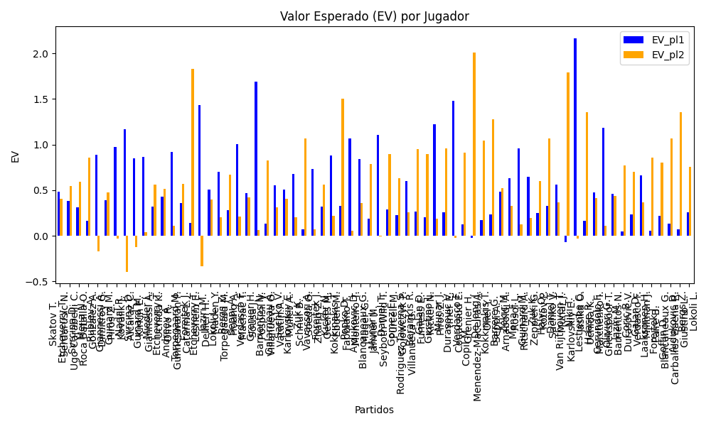
Surface | pl1 | pl1_flag | pl1_hand | pl1_bet | pl2 | pl2_flag | pl2_hand | pl2_bet | Result | DiffProffTime | DiffPts | DiffWeight | DiffHeight | Class | Prob_win_pl1 | Prob_win_pl2 | Accuracy | date_run | date | EV_pl1 | EV_pl2 | Std_Dev_pl1 | Std_Dev_pl2 | Sharpe_Ratio_pl1 | Sharpe_Ratio_pl2 | Best_Bet_EV | match | Best_Bet | Best_Bet_Sharpe | Money_to_Bet | Prob_Win | Payout
clay | Skatov T. | KAZ | Right-Handed | 2.2 | Serdarusic N. | HRV | Right-Handed | 1.62 | 0 | -5 | -4 | -12 | -18 | 1 | 0.46426076912 | 0.53573923088 | 0.57142857143 | 2022-03-18 | 20220318 | 0.48563446118 | 0.40363678491 | 1.0971863578 | 0.80792813618 | -0.47791839108 | -0.75051627482 | 0.40363678491 | Skatov T. Serdarusic N. | pl2 | -0.75051627482 | 1 | 0.53573923088 | 1.62
clay | Etcheverry T. | ARG | Right-Handed | 1.53 | Ugo Carabelli C. | ARG | Right-Handed | 2.41 | 0 | 1 | 155 | -1 | 11 | 0 | 0.54705594751 | 0.45294405249 | 0.57142857143 | 2022-03-18 | 20220318 | 0.38405154721 | 0.54453921898 | 0.76160464391 | 1.1996517594 | -0.82188108725 | -0.387996581 | 0.38405154721 | Etcheverry T. Ugo Carabelli C. | pl1 | -0.82188108725 | 1 | 0.54705594751 | 1.53
clay | Svrcina D. | CZE | Right-Handed | 1.52 | Roca Batalla O. | ESP | Right-Handed | 2.32 | 0 | -9 | 95 | -7 | 5 | 0 | 0.52167677646 | 0.47832322354 | 0.57142857143 | 2022-03-18 | 20220318 | 0.31462547668 | 0.58803310215 | 0.75928544247 | 1.1589093596 | -0.91582754577 | -0.36410690307 | 0.31462547668 | Svrcina D. Roca Batalla O. | pl1 | -0.91582754577 | 1 | 0.52167677646 | 1.52
clay | Mejia N. | COL | Right-Handed | 1.45 | Gonzalez A. | COL | Right-Handed | 2.54 | 0 | -11 | -166 | -6 | -6 | 1 | 0.4762775006 | 0.5237224994 | 0.57142857143 | 2022-03-18 | 20220318 | 0.16687987646 | 0.85397764789 | 0.72418354266 | 1.268569792 | -1.1642354098 | -0.12299075155 | 0.85397764789 | Mejia N. Gonzalez A. | pl2 | -0.12299075155 | 1 | 0.5237224994 | 2.54
hard | Rublev A. | RUS | Right-Handed | 1.34 | Dimitrov G. | BGR | Right-Handed | 3.32 | 0 | -6 | 3209 | -11 | -3 | 0 | 0.80743518531 | 0.19256481469 | 0.57142857143 | 2022-03-18 | 20220318 | 0.88939833361 | -0.16812000052 | 0.52838088954 | 1.309122801 | -0.2282475933 | -0.8999308542 | 0.88939833361 | Rublev A. Dimitrov G. | pl1 | -0.2282475933 | 1 | 0.80743518531 | 1.34
clay | Giannessi A. | ITA | Left-Handed | 2.04 | Piros Z. | HUN | Right-Handed | 1.72 | 0 | 9 | 327 | 14 | 5 | 1 | 0.45707808272 | 0.54292191728 | 0.57142857143 | 2022-03-18 | 20220318 | 0.38951737147 | 0.476747615 | 1.0162347769 | 0.85682540016 | -0.61057015821 | -0.62235828315 | 0.476747615 | Giannessi A. Piros Z. | pl2 | -0.62235828315 | 1 | 0.54292191728 | 1.72
clay | Guinard M. | FRA | Right-Handed | 2.07 | Kovalik J. | SVK | Right-Handed | 1.72 | 0 | -6 | 56 | -1 | 13 | 0 | 0.64330646158 | 0.35669353842 | 0.57142857143 | 2022-03-18 | 20220318 | 0.97495083704 | -0.029793575488 | 0.99157809299 | 0.82391996133 | -0.035346850851 | -1.2620079914 | 0.97495083704 | Guinard M. Kovalik J. | pl1 | -0.035346850851 | 1 | 0.64330646158 | 2.07
hard | Nadal R. | ESP | Left-Handed | 1.66 | Alcaraz C. | ESP | Right-Handed | 2.24 | 0 | 17 | 4459 | 13 | 0 | 0 | 0.81384043192 | 0.18615956808 | 0.83333333333 | 2022-03-19 | 20220319 | 1.1648155489 | -0.39684299941 | 0.6461307356 | 0.87188725767 | 0.23960406211 | -1.6135606835 | 1.1648155489 | Nadal R. Alcaraz C. | pl1 | 0.23960406211 | 2.4645392917 | 0.81384043192 | 1.66
clay | Svrcina D. | CZE | Right-Handed | 1.45 | Kirkin E. | TUR | Right-Handed | 2.58 | 0 | -3 | 166 | -5 | -2 | 0 | 0.75468478558 | 0.24531521442 | 0.83333333333 | 2022-03-19 | 20220319 | 0.84897772468 | -0.12177153239 | 0.62389720719 | 1.1101067549 | -0.25809103402 | -1.0195159406 | 0.84897772468 | Svrcina D. Kirkin E. | pl1 | -0.25809103402 | 1 | 0.75468478558 | 1.45
clay | Guinard M. | FRA | Right-Handed | 1.98 | Giannessi A. | ITA | Left-Handed | 1.78 | 0 | -7 | -1 | -1 | 11 | 0 | 0.62485878293 | 0.37514121707 | 0.83333333333 | 2022-03-19 | 20220319 | 0.86207917313 | 0.042892583458 | 0.95863552963 | 0.86180365795 | -0.15430350983 | -1.1221899648 | 0.86207917313 | Guinard M. Giannessi A. | pl1 | -0.15430350983 | 1 | 0.62485878293 | 1.98
clay | Miedler L. | AUT | Right-Handed | 1.69 | Uchida K. | JPN | Right-Handed | 2.05 | 0 | -4 | -136 | 4 | 3 | 1 | 0.48964051156 | 0.51035948844 | 0.83333333333 | 2022-03-19 | 20220319 | 0.3171329761 | 0.55659643973 | 0.84481861142 | 1.0247799724 | -0.82013702649 | -0.44243991146 | 0.55659643973 | Miedler L. Uchida K. | pl2 | -0.44243991146 | 1 | 0.51035948844 | 2.05
clay | Etcheverry T. | ARG | Right-Handed | 1.45 | Olivo R. | ARG | Right-Handed | 2.64 | 0 | -7 | 218 | 9 | 16 | 0 | 0.58433268315 | 0.41566731685 | 0.83333333333 | 2022-03-19 | 20220319 | 0.43161507371 | 0.51302903334 | 0.71461319394 | 1.3010888497 | -0.8093678247 | -0.38196543364 | 0.43161507371 | Etcheverry T. Olivo R. | pl1 | -0.8093678247 | 1 | 0.58433268315 | 1.45
clay | Andreev A. | BGR | Right-Handed | 2.46 | Gunneswaran P. | IND | Left-Handed | 1.48 | 0 | -9 | -120 | -14 | -8 | 0 | 0.55391951249 | 0.44608048751 | 0.83333333333 | 2022-03-19 | 20220319 | 0.91656151322 | 0.10627960902 | 1.2228270931 | 0.7356845926 | -0.076411855202 | -1.228407391 | 0.91656151322 | Andreev A. Gunneswaran P. | pl1 | -0.076411855202 | 1 | 0.55391951249 | 2.46
indoors | Torpegaard M. | DNK | Right-Handed | 1.53 | Catarina L. | MCO | Right-Handed | 2.38 | 0 | 2 | 237 | 4 | 8 | 0 | 0.53632265628 | 0.46367734372 | 1 | 2022-03-20 | 20220320 | 0.35689632038 | 0.56722942178 | 0.76297874666 | 1.1868558281 | -0.85599196895 | -0.37306180559 | 0.35689632038 | Torpegaard M. Catarina L. | pl1 | -0.85599196895 | 1 | 0.53632265628 | 1.53
indoors | Forejtek J. | CZE | Right-Handed | 1.14 | Leshem E. | ISR | Right-Handed | 5.05 | 0 | -5 | -83 | 1 | -3 | 0 | 0.53229054678 | 0.46770945322 | 1 | 2022-03-20 | 20220320 | 0.13910177011 | 1.829642192 | 0.56881010349 | 2.5197289672 | -1.531087835 | 0.32528982388 | 0.13910177011 | Forejtek J. Leshem E. | pl1 | -1.531087835 | 1 | 0.53229054678 | 1.14
clay | Etcheverry T. | ARG | Right-Handed | 2.27 | Dellien H. | BOL | Right-Handed | 1.6 | 0 | -7 | -108 | 7 | 16 | 0 | 0.74419544651 | 0.25580455349 | 1 | 2022-03-20 | 20220320 | 1.4335191101 | -0.33490816093 | 0.99042933922 | 0.69809997478 | 0.42761163601 | -1.9265265857 | 1.4335191101 | Etcheverry T. Dellien H. | pl1 | 0.42761163601 | 3.0330674891 | 0.74419544651 | 2.27
indoors | Jaziri M. | TUN | Right-Handed | 2.23 | Maden Y. | DEU | Right-Handed | 1.61 | 0 | 4 | -237 | 11 | 0 | 1 | 0.46612537143 | 0.53387462857 | 0.5 | 2022-03-21 | 20220321 | 0.50558494971 | 0.39341278057 | 1.1124381532 | 0.80315041554 | -0.45343199425 | -0.76771076438 | 0.39341278057 | Jaziri M. Maden Y. | pl2 | -0.76771076438 | 1 | 0.53387462857 | 1.61
indoors | Lokoli L. | FRA | Right-Handed | 2.09 | Torpegaard M. | DNK | Right-Handed | 1.68 | 0 | 1 | -167 | -6 | -5 | 0 | 0.55013891134 | 0.44986108866 | 0.5 | 2022-03-21 | 20220321 | 0.69992923603 | 0.20562771762 | 1.0397326521 | 0.83576595959 | -0.29822162778 | -0.96243723875 | 0.69992923603 | Lokoli L. Torpegaard M. | pl1 | -0.29822162778 | 1 | 0.55013891134 | 2.09
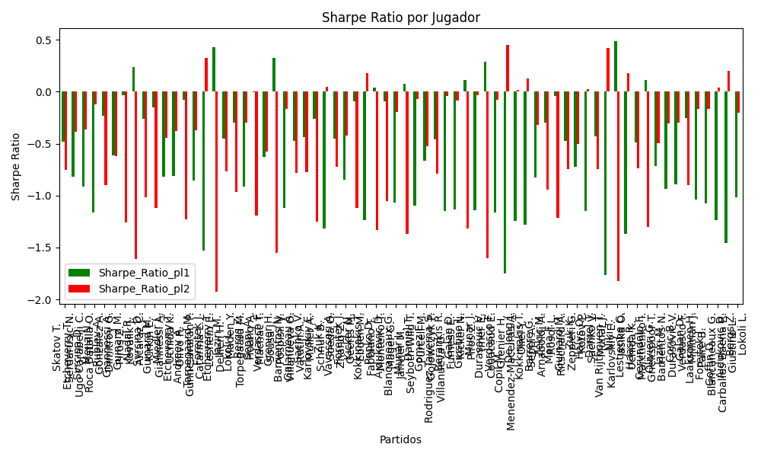
indoors | Bergs Z. | BEL | Right-Handed | 1.61 | Hoang A. | FRA | Right-Handed | 2.27 | 0 | -3 | -91 | 7 | 2 | 1 | 0.48930402779 | 0.51069597221 | 0.5 | 2022-03-21 | 20220321 | 0.27708351254 | 0.66997582911 | 0.80481578877 | 1.1347402736 | -0.91066365457 | -0.29964933721 | 0.66997582911 | Bergs Z. Hoang A. | pl2 | -0.29964933721 | 1 | 0.51069597221 | 2.27
hard | Seppi A. | ITA | Right-Handed | 3.16 | Machac T. | CZE | Right-Handed | 1.34 | 0 | 16 | 195 | 5 | 8 | 1 | 0.48257101807 | 0.51742898193 | 0.5 | 2022-03-21 | 20220321 | 1.0074954352 | 0.21078381772 | 1.5790397969 | 0.66959282526 | -0.0015861315418 | -1.1935853434 | 0.21078381772 | Seppi A. Machac T. | pl2 | -1.1935853434 | 1 | 0.51742898193 | 1.34
hard | Verdasco F. | ESP | Left-Handed | 1.74 | Sousa J. | PRT | Right-Handed | 2.05 | 0 | 3 | -347 | 16 | 3 | 0 | 0.53505305608 | 0.46494694392 | 0.5 | 2022-03-21 | 20220321 | 0.46604537366 | 0.41808817895 | 0.86785939944 | 1.0224780281 | -0.62677736358 | -0.57889930619 | 0.46604537366 | Verdasco F. Sousa J. | pl1 | -0.62677736358 | 1 | 0.53505305608 | 1.74
hard | Grenier H. | FRA | Right-Handed | 4.15 | Pospisil V. | CAN | Right-Handed | 1.22 | 0 | -8 | -33 | -3 | 3 | 0 | 0.52153864023 | 0.47846135977 | 0.5 | 2022-03-21 | 20220321 | 1.6859239972 | 0.062184218689 | 2.073073867 | 0.60943376331 | 0.32604916204 | -1.5552400251 | 1.6859239972 | Grenier H. Pospisil V. | pl1 | 0.32604916204 | 3.5671106363 | 0.52153864023 | 4.15
clay | Barrientos N. | COL | Right-Handed | 1.58 | Villanueva G. | ARG | Right-Handed | 2.25 | 0 | 8 | -13 | 5 | 0 | 1 | 0.43841991471 | 0.56158008529 | 0.5 | 2022-03-21 | 20220321 | 0.13112337995 | 0.82513527719 | 0.7839855766 | 1.1164351566 | -1.1210367209 | -0.16558482749 | 0.82513527719 | Barrientos N. Villanueva G. | pl2 | -0.16558482749 | 1 | 0.56158008529 | 2.25
indoors | Galarneau A. | CAN | Right-Handed | 1.92 | Vatutin A. | RUS | Right-Handed | 1.8 | 0 | -6 | -33 | 10 | 2 | 0 | 0.53280331709 | 0.46719668291 | 0.5 | 2022-03-21 | 20220321 | 0.55578568592 | 0.30815071214 | 0.95793174142 | 0.89806100758 | -0.47416146104 | -0.78151626887 | 0.55578568592 | Galarneau A. Vatutin A. | pl1 | -0.47416146104 | 1 | 0.53280331709 | 1.92
indoors | Sachko V. | UKR | Right-Handed | 2.32 | Muller A. | FRA | Right-Handed | 1.57 | 0 | -1 | -266 | -7 | 0 | 1 | 0.45394074028 | 0.54605925972 | 0.5 | 2022-03-21 | 20220321 | 0.50708325771 | 0.40337229749 | 1.1550677376 | 0.78166221897 | -0.43540021587 | -0.77607397132 | 0.40337229749 | Sachko V. Muller A. | pl2 | -0.77607397132 | 1 | 0.54605925972 | 1.57
indoors | Karlovskiy E. | RUS | Right-Handed | 2.53 | Schnur B. | CAN | Right-Handed | 1.29 | 0 | 1 | -24 | 1 | -2 | 1 | 0.47477215299 | 0.52522784701 | 0.5 | 2022-03-21 | 20220321 | 0.67594570005 | 0.20277176966 | 1.2633887699 | 0.6441784637 | -0.26441132604 | -1.2531127255 | 0.20277176966 | Karlovskiy E. Schnur B. | pl2 | -1.2531127255 | 1 | 0.52522784701 | 1.29
indoors | Zuk K. | POL | Right-Handed | 1.44 | Soeda G. | JPN | Right-Handed | 2.68 | 0 | -13 | -101 | 5 | 5 | 1 | 0.43759403786 | 0.56240596214 | 0.5 | 2022-03-21 | 20220321 | 0.067729452374 | 1.0696539407 | 0.71436990157 | 1.3295217613 | -1.3190233037 | 0.044868720784 | 1.0696539407 | Zuk K. Soeda G. | pl2 | 0.044868720784 | 1 | 0.56240596214 | 2.68
clay | Vavassori A. | ITA | Right-Handed | 1.38 | Zhang Z. | CHN | Right-Handed | 2.93 | 0 | 1 | -91 | -9 | 0 | 0 | 0.72758542351 | 0.27241457649 | 0.5 | 2022-03-21 | 20220321 | 0.73165330794 | 0.070589285622 | 0.61437884401 | 1.3044420384 | -0.45305383603 | -0.72016286408 | 0.73165330794 | Vavassori A. Zhang Z. | pl1 | -0.45305383603 | 1 | 0.72758542351 | 1.38
indoors | Forejtek J. | CZE | Right-Handed | 1.63 | Geerts M. | BEL | Right-Handed | 2.13 | 0 | -4 | -94 | -2 | 2 | 0 | 0.50232618991 | 0.49767381009 | 0.5 | 2022-03-21 | 20220321 | 0.32111787947 | 0.55771902557 | 0.81499117976 | 1.0649884742 | -0.84526328338 | -0.42468156736 | 0.32111787947 | Forejtek J. Geerts M. | pl1 | -0.84526328338 | 1 | 0.50232618991 | 1.63
hard | Kicker N. | ARG | Right-Handed | 2.78 | Ebden M. | AUS | Right-Handed | 1.42 | 0 | -4 | 34 | -5 | -10 | 1 | 0.4969344019 | 0.5030655981 | 0.5 | 2022-03-21 | 20220321 | 0.87841203917 | 0.21741874741 | 1.3899738736 | 0.70998665487 | -0.094669377121 | -1.1163326059 | 0.21741874741 | Kicker N. Ebden M. | pl2 | -1.1163326059 | 1 | 0.5030655981 | 1.42
hard | Kokkinakis T. | AUS | Right-Handed | 1.14 | Fabbiano T. | ITA | Right-Handed | 5.59 | 0 | -7 | 345 | 14 | 20 | 0 | 0.62012849445 | 0.37987150555 | 0.5 | 2022-03-21 | 20220321 | 0.32707497812 | 1.5033532216 | 0.55330431104 | 2.7131325427 | -1.234266584 | 0.18183896799 | 0.32707497812 | Kokkinakis T. Fabbiano T. | pl1 | -1.234266584 | 1 | 0.62012849445 | 1.14
hard | Popko D. | KAZ | Right-Handed | 2.63 | Monteiro T. | BRA | Left-Handed | 1.45 | 0 | -3 | -267 | 9 | 8 | 0 | 0.5692603925 | 0.4307396075 | 0.5 | 2022-03-21 | 20220321 | 1.0664152248 | 0.055312038381 | 1.3023227776 | 0.71801065686 | 0.043318926564 | -1.3296292367 | 1.0664152248 | Popko D. Monteiro T. | pl1 | 0.043318926564 | 1 | 0.5692603925 | 2.63
clay | Ajdukovic D. | HRV | Right-Handed | 3.63 | Mager G. | ITA | Right-Handed | 1.26 | 0 | -5 | -731 | -2 | -3 | 1 | 0.39784703213 | 0.60215296787 | 0.5 | 2022-03-21 | 20220321 | 0.84203175875 | 0.36086570739 | 1.7767163626 | 0.61671146469 | -0.094538579586 | -1.0525737395 | 0.36086570739 | Ajdukovic D. Mager G. | pl2 | -1.0525737395 | 1 | 0.60215296787 | 1.26
indoors | Blancaneaux G. | FRA | Right-Handed | 1.55 | Janvier M. | FRA | Right-Handed | 2.33 | 0 | -2 | -123 | -5 | -13 | 1 | 0.46438563985 | 0.53561436015 | 0.5 | 2022-03-21 | 20220321 | 0.18418338162 | 0.7835958193 | 0.77303150692 | 1.1620409104 | -1.0682832601 | -0.19483322719 | 0.7835958193 | Blancaneaux G. Janvier M. | pl2 | -0.19483322719 | 1 | 0.53561436015 | 2.33
hard | Munar J. | ESP | Right-Handed | 2.47 | Seyboth Wild T. | BRA | Right-Handed | 1.52 | 0 | 2 | 178 | -2 | -2 | 0 | 0.60633000517 | 0.39366999483 | 0.5 | 2022-03-21 | 20220321 | 1.103965118 | -0.0079516130377 | 1.2067509261 | 0.7426159545 | 0.077866207453 | -1.3707645343 | 1.103965118 | Munar J. Seyboth Wild T. | pl1 | 0.077866207453 | 1 | 0.60633000517 | 2.47
hard | Daniel T. | JPN | Right-Handed | 1.32 | Purcell M. | AUS | Right-Handed | 3.26 | 0 | 5 | 250 | 5 | 6 | 0 | 0.55598255801 | 0.44401744199 | 0.5 | 2022-03-21 | 20220321 | 0.28987953459 | 0.89151430286 | 0.65585001094 | 1.6197507846 | -1.0979956597 | -0.073150572463 | 0.28987953459 | Daniel T. Purcell M. | pl1 | -1.0979956597 | 1 | 0.55598255801 | 1.32
hard | Gomez E. | ECU | Right-Handed | 2.47 | Gojowczyk P. | DEU | Right-Handed | 1.52 | 0 | -1 | -246 | -2 | -3 | 1 | 0.35311746935 | 0.64688253065 | 0.53846153846 | 2022-03-22 | 20220322 | 0.22531761865 | 0.63014397723 | 1.1805089023 | 0.72646701678 | -0.6646984024 | -0.52288130637 | 0.63014397723 | Gomez E. Gojowczyk P. | pl2 | -0.52288130637 | 1 | 0.64688253065 | 1.52
clay | Rodriguez Taverna S. | ARG | Right-Handed | 1.81 | Villanueva G. | ARG | Right-Handed | 1.92 | 0 | -3 | 113 | 12 | 16 | 0 | 0.56938336371 | 0.43061663629 | 0.53846153846 | 2022-03-22 | 20220322 | 0.59996725202 | 0.25740057797 | 0.89624421169 | 0.95071209196 | -0.45750113934 | -0.79161654553 | 0.59996725202 | Rodriguez Taverna S. Villanueva G. | pl1 | -0.45750113934 | 1 | 0.56938336371 | 1.81
indoors | Berankis R. | LTU | Right-Handed | 1.31 | Furness E. | FRA | Right-Handed | 3.29 | 0 | 9 | 424 | 11 | 5 | 0 | 0.54634009882 | 0.45365990118 | 0.53846153846 | 2022-03-22 | 20220322 | 0.26204562827 | 0.94620097607 | 0.65218083282 | 1.6379198015 | -1.1468512015 | -0.038951250163 | 0.26204562827 | Berankis R. Furness E. | pl1 | -1.1468512015 | 1 | 0.54634009882 | 1.31
hard | Galan D. | COL | Right-Handed | 1.43 | Kicker N. | ARG | Right-Handed | 2.74 | 0 | -2 | 82 | -3 | 13 | 1 | 0.49421597162 | 0.50578402838 | 0.53846153846 | 2022-03-22 | 20220322 | 0.20094481105 | 0.89163226612 | 0.71495215777 | 1.3699083303 | -1.1316214381 | -0.086405587337 | 0.89163226612 | Galan D. Kicker N. | pl2 | -0.086405587337 | 1 | 0.50578402838 | 2.74
clay | Giustino L. | ITA | Right-Handed | 3.71 | Piros Z. | HUN | Right-Handed | 1.25 | 0 | 9 | 362 | 15 | 0 | 1 | 0.47112053879 | 0.52887946121 | 0.53846153846 | 2022-03-22 | 20220322 | 1.2189777377 | 0.18997878773 | 1.8519031887 | 0.62395659995 | 0.11284485008 | -1.3142279645 | 0.18997878773 | Giustino L. Piros Z. | pl2 | -1.3142279645 | 1 | 0.52887946121 | 1.25
hard | Munar J. | ESP | Right-Handed | 1.33 | Ymer E. | SWE | Right-Handed | 3.23 | 0 | 0 | 170 | -3 | 0 | 0 | 0.53793936742 | 0.46206063258 | 0.53846153846 | 2022-03-22 | 20220322 | 0.25339872609 | 0.95451647581 | 0.66308284032 | 1.6103440408 | -1.1410358222 | -0.0344544537 | 0.25339872609 | Munar J. Ymer E. | pl1 | -1.1410358222 | 1 | 0.53793936742 | 1.33
indoors | Durasovic V. | NOR | Right-Handed | 3.28 | Couacaud E. | FRA | Right-Handed | 1.31 | 0 | -1 | -260 | 2 | 2 | 0 | 0.57862038284 | 0.42137961716 | 0.53846153846 | 2022-03-22 | 20220322 | 1.4764952385 | -0.026613084352 | 1.6195988882 | 0.646851995 | 0.28803134031 | -1.6025506489 | 1.4764952385 | Durasovic V. Couacaud E. | pl1 | 0.28803134031 | 3.1239972138 | 0.57862038284 | 3.28
hard | Verdasco F. | ESP | Left-Handed | 1.54 | Grenier H. | FRA | Right-Handed | 2.43 | 0 | 12 | -6 | 5 | -8 | 1 | 0.44201820789 | 0.55798179211 | 0.53846153846 | 2022-03-22 | 20220322 | 0.12272624804 | 0.91387754694 | 0.76480516859 | 1.2068029608 | -1.1601304337 | -0.079650494883 | 0.91387754694 | Verdasco F. Grenier H. | pl2 | -0.079650494883 | 1 | 0.55798179211 | 2.43
indoors | Copil M. | ROU | Right-Handed | 1.19 | Menendez-Maceiras A. | ESP | Right-Handed | 4.42 | 0 | -3 | 256 | 12 | 10 | 1 | 0.4455931291 | 0.5544068709 | 0.53846153846 | 2022-03-22 | 20220322 | -0.024151047274 | 2.0048852403 | 0.5914669827 | 2.1968773643 | -1.7484510167 | 0.45286334888 | 2.0048852403 | Copil M. Menendez-Maceiras A. | pl2 | 0.45286334888 | 4.2419750102 | 0.5544068709 | 4.42
clay | De Jong J. | NLD | Right-Handed | 1.34 | Oliel Y. | ISR | Left-Handed | 3.1 | 0 | -2 | 230 | -8 | -8 | 0 | 0.5017777508 | 0.4982222492 | 0.53846153846 | 2022-03-22 | 20220322 | 0.17415993686 | 1.0427112217 | 0.66999576505 | 1.5499902027 | -1.2475303677 | 0.021104147416 | 0.17415993686 | De Jong J. Oliel Y. | pl1 | -1.2475303677 | 1 | 0.5017777508 | 1.34
hard | Kokkinakis T. | AUS | Right-Handed | 1.22 | Seppi A. | ITA | Right-Handed | 4.11 | 0 | -10 | 107 | 6 | 2 | 0 | 0.55485080265 | 0.44514919735 | 0.53846153846 | 2022-03-22 | 20220322 | 0.23176878187 | 1.2747123985 | 0.60631838506 | 2.0425971824 | -1.2835355769 | 0.12959598728 | 0.23176878187 | Kokkinakis T. Seppi A. | pl1 | -1.2835355769 | 1 | 0.55485080265 | 1.22
indoors | Barrere G. | FRA | Right-Handed | 1.33 | Arnaboldi A. | ITA | Left-Handed | 3.18 | 0 | -8 | 287 | 8 | 3 | 0 | 0.63637229475 | 0.36362770525 | 0.53846153846 | 2022-03-22 | 20220322 | 0.48274744676 | 0.51996380796 | 0.63978750709 | 1.5297174982 | -0.82410573416 | -0.32034424175 | 0.48274744676 | Barrere G. Arnaboldi A. | pl1 | -0.82410573416 | 1 | 0.63637229475 | 1.33
clay | Zekic M. | SRB | Right-Handed | 2.56 | Rosol L. | CZE | Right-Handed | 1.45 | 0 | -1 | -140 | -4 | -8 | 1 | 0.45760756822 | 0.54239243178 | 0.53846153846 | 2022-03-22 | 20220322 | 0.62908294286 | 0.32886145787 | 1.2753910795 | 0.72238947863 | -0.29866686639 | -0.94289654305 | 0.32886145787 | Zekic M. Rosol L. | pl2 | -0.94289654305 | 1 | 0.54239243178 | 1.45
clay | Mena F. | ARG | Right-Handed | 2.62 | Ritschard A. | CHE | Right-Handed | 1.46 | 0 | 1 | 67 | -4 | -10 | 0 | 0.54139576252 | 0.45860423748 | 0.47368421053 | 2022-03-23 | 20220323 | 0.95985266031 | 0.12816642421 | 1.305502624 | 0.72749382865 | -0.038412285637 | -1.2121526549 | 0.95985266031 | Mena F. Ritschard A. | pl1 | -0.038412285637 | 1 | 0.54139576252 | 2.62
clay | Guinard M. | FRA | Right-Handed | 1.6 | Zeppieri G. | ITA | Left-Handed | 2.25 | 0 | 3 | 245 | 3 | 11 | 0 | 0.63161467843 | 0.36838532157 | 0.47368421053 | 2022-03-23 | 20220323 | 0.64219816392 | 0.1972522951 | 0.77178662572 | 1.0853249424 | -0.47655896568 | -0.74885195496 | 0.64219816392 | Guinard M. Zeppieri G. | pl1 | -0.47655896568 | 1 | 0.63161467843 | 1.6
indoors | Zuk K. | POL | Right-Handed | 2.14 | Kotov P. | RUS | Right-Handed | 1.66 | 0 | 0 | 175 | -8 | -8 | 1 | 0.39849217553 | 0.60150782447 | 0.47368421053 | 2022-03-23 | 20220323 | 0.25126543116 | 0.6000108131 | 1.0477177776 | 0.81271565927 | -0.72417838568 | -0.50446817682 | 0.6000108131 | Zuk K. Kotov P. | pl2 | -0.50446817682 | 1 | 0.60150782447 | 1.66
indoors | Halys Q. | FRA | Right-Handed | 1.21 | Sachko V. | UKR | Right-Handed | 4.19 | 0 | 2 | 442 | 10 | 8 | 0 | 0.60161149782 | 0.39838850218 | 0.47368421053 | 2022-03-23 | 20220323 | 0.32956141018 | 1.0676363263 | 0.5923751506 | 2.0512825463 | -1.1486616026 | 0.028097702301 | 0.32956141018 | Halys Q. Sachko V. | pl1 | -1.1486616026 | 1 | 0.60161149782 | 1.21
hard | Daniel T. | JPN | Right-Handed | 2.1 | Munar J. | ESP | Right-Handed | 1.74 | 0 | 4 | -83 | 4 | 8 | 0 | 0.50237910596 | 0.49762089404 | 0.47368421053 | 2022-03-23 | 20220323 | 0.55737522848 | 0.36348124967 | 1.0499881136 | 0.86999015129 | -0.43107609091 | -0.74313341292 | 0.55737522848 | Daniel T. Munar J. | pl1 | -0.43107609091 | 1 | 0.50237910596 | 2.1
indoors | Van Rijthoven T. | NLD | Right-Handed | 1.24 | Karlovskiy E. | RUS | Right-Handed | 3.77 | 0 | -3 | -118 | 4 | -3 | 1 | 0.41492797382 | 0.58507202618 | 0.47368421053 | 2022-03-23 | 20220323 | -0.070561338653 | 1.7907935649 | 0.61095990454 | 1.8575151936 | -1.7686288914 | 0.42034303007 | 1.7907935649 | Van Rijthoven T. Karlovskiy E. | pl2 | 0.42034303007 | 3.7889956982 | 0.58507202618 | 3.77
clay | Niki T. | JPN | Right-Handed | 4.75 | Jasika O. | AUS | Left-Handed | 1.15 | 0 | 6 | -40 | 13 | 0 | 0 | 0.55044306503 | 0.44955693497 | 0.47368421053 | 2022-03-23 | 20220323 | 2.1650476239 | -0.033452589809 | 2.3628827003 | 0.57206633797 | 0.48882986183 | -1.8240062744 | 2.1650476239 | Niki T. Jasika O. | pl1 | 0.48882986183 | 4.5808496826 | 0.55044306503 | 4.75
indoors | Lestienne C. | FRA | Right-Handed | 1.24 | Uchida K. | JPN | Right-Handed | 3.9 | 0 | -1 | -8 | 3 | 0 | 0 | 0.51916604478 | 0.48083395522 | 0.47368421053 | 2022-03-23 | 20220323 | 0.1629319403 | 1.3560863806 | 0.61954433434 | 1.948566858 | -1.3672436543 | 0.17761072922 | 0.1629319403 | Lestienne C. Uchida K. | pl1 | -1.3672436543 | 1 | 0.51916604478 | 1.24
indoors | Haase R. | NLD | Right-Handed | 2.2 | Marchenko I. | UKR | Right-Handed | 1.62 | 0 | -1 | -63 | -5 | 6 | 1 | 0.46035605821 | 0.53964394179 | 0.47368421053 | 2022-03-23 | 20220323 | 0.47313938627 | 0.41386712749 | 1.0965369361 | 0.80744992564 | -0.48959647056 | -0.73829082594 | 0.41386712749 | Haase R. Marchenko I. | pl2 | -0.73829082594 | 1 | 0.53964394179 | 1.62
hard | Cerundolo F. | ARG | Right-Handed | 3.09 | Griekspoor T. | NLD | Right-Handed | 1.38 | 0 | -4 | -294 | -7 | -3 | 0 | 0.53331695745 | 0.46668304255 | 0.47368421053 | 2022-03-23 | 20220323 | 1.181266356 | 0.11070564127 | 1.5415662235 | 0.68846646873 | 0.11109892872 | -1.3062282618 | 1.181266356 | Cerundolo F. Griekspoor T. | pl1 | 0.11109892872 | 1 | 0.53331695745 | 3.09
clay | Olivieri G. | ARG | Right-Handed | 1.55 | Barrientos N. | COL | Right-Handed | 2.36 | 0 | -11 | 96 | -2 | 0 | 0 | 0.57328879152 | 0.42671120848 | 0.47368421053 | 2022-03-23 | 20220323 | 0.46188641838 | 0.43374966049 | 0.76662936232 | 1.1672550291 | -0.71496554732 | -0.49367989441 | 0.46188641838 | Olivieri G. Barrientos N. | pl1 | -0.71496554732 | 1 | 0.57328879152 | 1.55
indoors | Jaziri M. | TUN | Right-Handed | 2.19 | Durasovic V. | NOR | Right-Handed | 1.64 | 0 | 11 | 30 | 1 | 0 | 1 | 0.3283383375 | 0.6716616625 | 0.47368421053 | 2022-03-23 | 20220323 | 0.047399296641 | 0.77318678899 | 1.028442919 | 0.77015816762 | -0.93597873602 | -0.30748646313 | 0.77318678899 | Jaziri M. Durasovic V. | pl2 | -0.30748646313 | 1 | 0.6716616625 | 1.64
hard | Coric B. | HRV | Right-Handed | 1.75 | Verdasco F. | ESP | Left-Handed | 2.09 | 0 | -10 | -181 | -5 | 0 | 1 | 0.44914547245 | 0.55085452755 | 0.47368421053 | 2022-03-23 | 20220323 | 0.23515004925 | 0.70214049012 | 0.87046241427 | 1.0395808262 | -0.89015899831 | -0.29613811849 | 0.70214049012 | Coric B. Verdasco F. | pl2 | -0.29613811849 | 1 | 0.55085452755 | 2.09
hard | Galan D. | COL | Right-Handed | 2.75 | Millman J. | AUS | Right-Handed | 1.45 | 0 | -5 | -459 | -7 | 8 | 1 | 0.4430452611 | 0.5569547389 | 0.47368421053 | 2022-03-23 | 20220323 | 0.66141972911 | 0.36453911032 | 1.3660503075 | 0.72028107125 | -0.25517381678 | -0.89612363208 | 0.36453911032 | Galan D. Millman J. | pl2 | -0.89612363208 | 1 | 0.5569547389 | 1.45
hard | Laaksonen H. | CHE | Right-Handed | 1.9 | Paire B. | FRA | Right-Handed | 1.92 | 0 | 1 | -297 | -2 | -11 | 1 | 0.36460598997 | 0.63539401003 | 0.47368421053 | 2022-03-23 | 20220323 | 0.057357370915 | 0.85535050929 | 0.91450705191 | 0.92413344193 | -1.0417006923 | -0.16734541106 | 0.85535050929 | Laaksonen H. Paire B. | pl2 | -0.16734541106 | 1 | 0.63539401003 | 1.92
indoors | Forejtek J. | CZE | Right-Handed | 1.48 | Blancaneaux G. | FRA | Right-Handed | 2.53 | 0 | -3 | -52 | -4 | 0 | 1 | 0.48997046252 | 0.51002953748 | 0.47368421053 | 2022-03-23 | 20220323 | 0.21512674704 | 0.80040426731 | 0.73985110942 | 1.2647454776 | -1.0743692114 | -0.16572167001 | 0.80040426731 | Forejtek J. Blancaneaux G. | pl2 | -0.16572167001 | 1 | 0.51002953748 | 2.53
hard | Goffin D. | BEL | Right-Handed | 1.42 | Carballes Baena R. | ESP | Right-Handed | 2.89 | 0 | 3 | 62 | -7 | -3 | 1 | 0.46902100309 | 0.53097899691 | 0.47368421053 | 2022-03-23 | 20220323 | 0.13503082748 | 1.065508298 | 0.70863591812 | 1.4422238052 | -1.2347231493 | 0.038487991795 | 1.065508298 | Goffin D. Carballes Baena R. | pl2 | 0.038487991795 | 1 | 0.53097899691 | 2.89
clay | Ajdukovic D. | HRV | Right-Handed | 1.29 | Giustino L. | ITA | Right-Handed | 3.42 | 0 | -9 | -227 | -8 | 5 | 1 | 0.468038634 | 0.531961366 | 0.47368421053 | 2022-03-23 | 20220323 | 0.071808471849 | 1.3512692377 | 0.6436808788 | 1.706502795 | -1.4575413983 | 0.19998164594 | 1.3512692377 | Ajdukovic D. Giustino L. | pl2 | 0.19998164594 | 1 | 0.531961366 | 3.42
indoors | Bergs Z. | BEL | Right-Handed | 1.49 | Lokoli L. | FRA | Right-Handed | 2.53 | 0 | -4 | 192 | 5 | -3 | 0 | 0.50342747117 | 0.49657252883 | 0.47368421053 | 2022-03-23 | 20220323 | 0.2535344032 | 0.75290102679 | 0.74498249593 | 1.2649702783 | -1.0154139204 | -0.20324507035 | 0.2535344032 | Bergs Z. Lokoli L. | pl1 | -1.0154139204 | 1 | 0.50342747117 | 1.49

Monte Carlo Summary
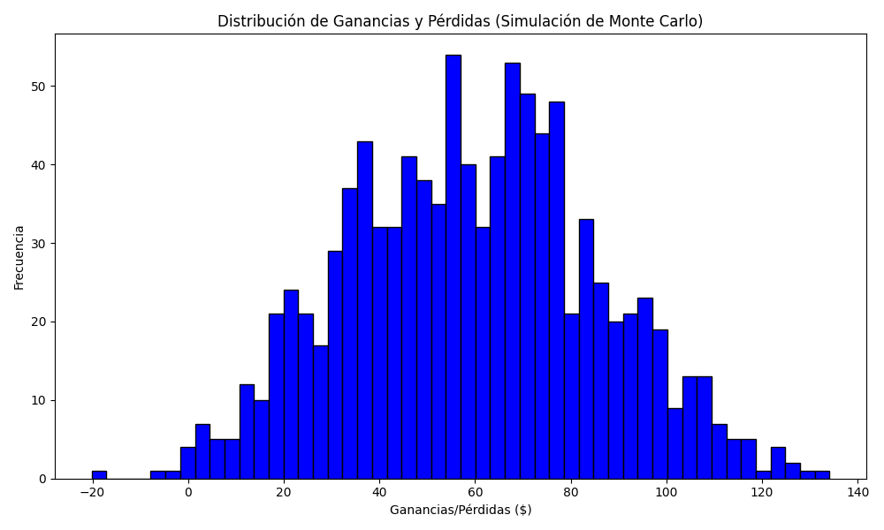
Promedio de Ganancia/Pérdida | Mediana de Ganancia/Pérdida | Ganancia/Pérdida Máxima | Ganancia/Pérdida Mínima | Probabilidad de Ganancia (>0)
59.393013568 | 59.525074037 | 134.13031375 | -20.170535022 | 0.064

