Betting Decisions
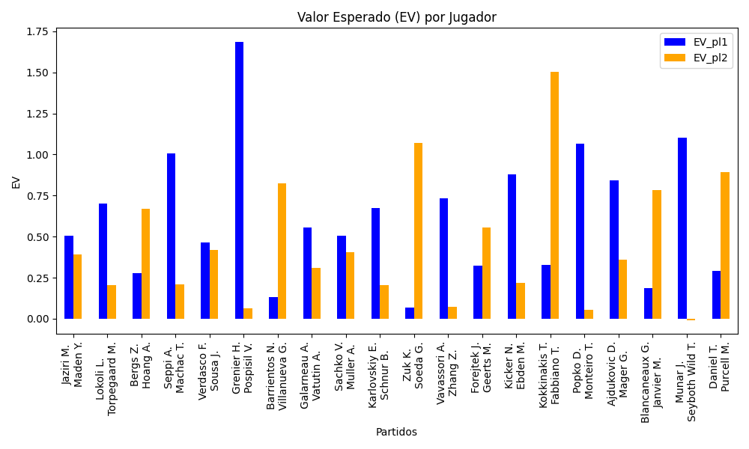
Surface | pl1 | pl1_flag | pl1_hand | pl1_bet | pl2 | pl2_flag | pl2_hand | pl2_bet | Result | DiffProffTime | DiffPts | DiffWeight | DiffHeight | Class | Prob_win_pl1 | Prob_win_pl2 | Accuracy | EV_pl1 | EV_pl2 | Std_Dev_pl1 | Std_Dev_pl2 | Sharpe_Ratio_pl1 | Sharpe_Ratio_pl2 | Best_Bet_EV | match | Best_Bet | Best_Bet_Sharpe | Money_to_Bet | Prob_Win | Payout
indoors | Jaziri M. | TUN | Right-Handed | 2.23 | Maden Y. | DEU | Right-Handed | 1.61 | 0 | 4 | -237 | 11 | 0 | 1 | 0.46612537143 | 0.53387462857 | 0.5 | 0.50558494971 | 0.39341278057 | 1.1124381532 | 0.80315041554 | -0.45343199425 | -0.76771076438 | 0.39341278057 | Jaziri M. Maden Y. | pl2 | -0.76771076438 | 1 | 0.53387462857 | 1.61
indoors | Lokoli L. | FRA | Right-Handed | 2.09 | Torpegaard M. | DNK | Right-Handed | 1.68 | 0 | 1 | -167 | -6 | -5 | 0 | 0.55013891134 | 0.44986108866 | 0.5 | 0.69992923603 | 0.20562771762 | 1.0397326521 | 0.83576595959 | -0.29822162778 | -0.96243723875 | 0.69992923603 | Lokoli L. Torpegaard M. | pl1 | -0.29822162778 | 1 | 0.55013891134 | 2.09
indoors | Bergs Z. | BEL | Right-Handed | 1.61 | Hoang A. | FRA | Right-Handed | 2.27 | 0 | -3 | -91 | 7 | 2 | 1 | 0.48930402779 | 0.51069597221 | 0.5 | 0.27708351254 | 0.66997582911 | 0.80481578877 | 1.1347402736 | -0.91066365457 | -0.29964933721 | 0.66997582911 | Bergs Z. Hoang A. | pl2 | -0.29964933721 | 1 | 0.51069597221 | 2.27
hard | Seppi A. | ITA | Right-Handed | 3.16 | Machac T. | CZE | Right-Handed | 1.34 | 0 | 16 | 195 | 5 | 8 | 1 | 0.48257101807 | 0.51742898193 | 0.5 | 1.0074954352 | 0.21078381772 | 1.5790397969 | 0.66959282526 | -0.0015861315418 | -1.1935853434 | 0.21078381772 | Seppi A. Machac T. | pl2 | -1.1935853434 | 1 | 0.51742898193 | 1.34
hard | Verdasco F. | ESP | Left-Handed | 1.74 | Sousa J. | PRT | Right-Handed | 2.05 | 0 | 3 | -347 | 16 | 3 | 0 | 0.53505305608 | 0.46494694392 | 0.5 | 0.46604537366 | 0.41808817895 | 0.86785939944 | 1.0224780281 | -0.62677736358 | -0.57889930619 | 0.46604537366 | Verdasco F. Sousa J. | pl1 | -0.62677736358 | 1 | 0.53505305608 | 1.74
hard | Grenier H. | FRA | Right-Handed | 4.15 | Pospisil V. | CAN | Right-Handed | 1.22 | 0 | -8 | -33 | -3 | 3 | 0 | 0.52153864023 | 0.47846135977 | 0.5 | 1.6859239972 | 0.062184218689 | 2.073073867 | 0.60943376331 | 0.32604916204 | -1.5552400251 | 1.6859239972 | Grenier H. Pospisil V. | pl1 | 0.32604916204 | 2.268812335 | 0.52153864023 | 4.15
clay | Barrientos N. | COL | Right-Handed | 1.58 | Villanueva G. | ARG | Right-Handed | 2.25 | 0 | 8 | -13 | 5 | 0 | 1 | 0.43841991471 | 0.56158008529 | 0.5 | 0.13112337995 | 0.82513527719 | 0.7839855766 | 1.1164351566 | -1.1210367209 | -0.16558482749 | 0.82513527719 | Barrientos N. Villanueva G. | pl2 | -0.16558482749 | 1 | 0.56158008529 | 2.25
indoors | Galarneau A. | CAN | Right-Handed | 1.92 | Vatutin A. | RUS | Right-Handed | 1.8 | 0 | -6 | -33 | 10 | 2 | 0 | 0.53280331709 | 0.46719668291 | 0.5 | 0.55578568592 | 0.30815071214 | 0.95793174142 | 0.89806100758 | -0.47416146104 | -0.78151626887 | 0.55578568592 | Galarneau A. Vatutin A. | pl1 | -0.47416146104 | 1 | 0.53280331709 | 1.92
indoors | Sachko V. | UKR | Right-Handed | 2.32 | Muller A. | FRA | Right-Handed | 1.57 | 0 | -1 | -266 | -7 | 0 | 1 | 0.45394074028 | 0.54605925972 | 0.5 | 0.50708325771 | 0.40337229749 | 1.1550677376 | 0.78166221897 | -0.43540021587 | -0.77607397132 | 0.40337229749 | Sachko V. Muller A. | pl2 | -0.77607397132 | 1 | 0.54605925972 | 1.57
indoors | Karlovskiy E. | RUS | Right-Handed | 2.53 | Schnur B. | CAN | Right-Handed | 1.29 | 0 | 1 | -24 | 1 | -2 | 1 | 0.47477215299 | 0.52522784701 | 0.5 | 0.67594570005 | 0.20277176966 | 1.2633887699 | 0.6441784637 | -0.26441132604 | -1.2531127255 | 0.20277176966 | Karlovskiy E. Schnur B. | pl2 | -1.2531127255 | 1 | 0.52522784701 | 1.29
indoors | Zuk K. | POL | Right-Handed | 1.44 | Soeda G. | JPN | Right-Handed | 2.68 | 0 | -13 | -101 | 5 | 5 | 1 | 0.43759403786 | 0.56240596214 | 0.5 | 0.067729452374 | 1.0696539407 | 0.71436990157 | 1.3295217613 | -1.3190233037 | 0.044868720784 | 1.0696539407 | Zuk K. Soeda G. | pl2 | 0.044868720784 | 1 | 0.56240596214 | 2.68
clay | Vavassori A. | ITA | Right-Handed | 1.38 | Zhang Z. | CHN | Right-Handed | 2.93 | 0 | 1 | -91 | -9 | 0 | 0 | 0.72758542351 | 0.27241457649 | 0.5 | 0.73165330794 | 0.070589285622 | 0.61437884401 | 1.3044420384 | -0.45305383603 | -0.72016286408 | 0.73165330794 | Vavassori A. Zhang Z. | pl1 | -0.45305383603 | 1 | 0.72758542351 | 1.38
indoors | Forejtek J. | CZE | Right-Handed | 1.63 | Geerts M. | BEL | Right-Handed | 2.13 | 0 | -4 | -94 | -2 | 2 | 0 | 0.50232618991 | 0.49767381009 | 0.5 | 0.32111787947 | 0.55771902557 | 0.81499117976 | 1.0649884742 | -0.84526328338 | -0.42468156736 | 0.32111787947 | Forejtek J. Geerts M. | pl1 | -0.84526328338 | 1 | 0.50232618991 | 1.63
hard | Kicker N. | ARG | Right-Handed | 2.78 | Ebden M. | AUS | Right-Handed | 1.42 | 0 | -4 | 34 | -5 | -10 | 1 | 0.4969344019 | 0.5030655981 | 0.5 | 0.87841203917 | 0.21741874741 | 1.3899738736 | 0.70998665487 | -0.094669377121 | -1.1163326059 | 0.21741874741 | Kicker N. Ebden M. | pl2 | -1.1163326059 | 1 | 0.5030655981 | 1.42
hard | Kokkinakis T. | AUS | Right-Handed | 1.14 | Fabbiano T. | ITA | Right-Handed | 5.59 | 0 | -7 | 345 | 14 | 20 | 0 | 0.62012849445 | 0.37987150555 | 0.5 | 0.32707497812 | 1.5033532216 | 0.55330431104 | 2.7131325427 | -1.234266584 | 0.18183896799 | 0.32707497812 | Kokkinakis T. Fabbiano T. | pl1 | -1.234266584 | 1 | 0.62012849445 | 1.14
hard | Popko D. | KAZ | Right-Handed | 2.63 | Monteiro T. | BRA | Left-Handed | 1.45 | 0 | -3 | -267 | 9 | 8 | 0 | 0.5692603925 | 0.4307396075 | 0.5 | 1.0664152248 | 0.055312038381 | 1.3023227776 | 0.71801065686 | 0.043318926564 | -1.3296292367 | 1.0664152248 | Popko D. Monteiro T. | pl1 | 0.043318926564 | 1 | 0.5692603925 | 2.63
clay | Ajdukovic D. | HRV | Right-Handed | 3.63 | Mager G. | ITA | Right-Handed | 1.26 | 0 | -5 | -731 | -2 | -3 | 1 | 0.39784703213 | 0.60215296787 | 0.5 | 0.84203175875 | 0.36086570739 | 1.7767163626 | 0.61671146469 | -0.094538579586 | -1.0525737395 | 0.36086570739 | Ajdukovic D. Mager G. | pl2 | -1.0525737395 | 1 | 0.60215296787 | 1.26
indoors | Blancaneaux G. | FRA | Right-Handed | 1.55 | Janvier M. | FRA | Right-Handed | 2.33 | 0 | -2 | -123 | -5 | -13 | 1 | 0.46438563985 | 0.53561436015 | 0.5 | 0.18418338162 | 0.7835958193 | 0.77303150692 | 1.1620409104 | -1.0682832601 | -0.19483322719 | 0.7835958193 | Blancaneaux G. Janvier M. | pl2 | -0.19483322719 | 1 | 0.53561436015 | 2.33
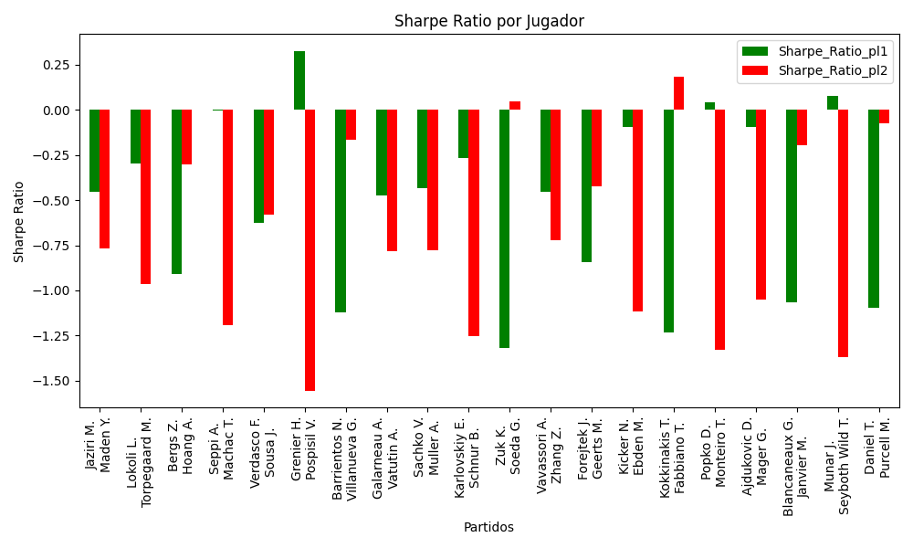
hard | Munar J. | ESP | Right-Handed | 2.47 | Seyboth Wild T. | BRA | Right-Handed | 1.52 | 0 | 2 | 178 | -2 | -2 | 0 | 0.60633000517 | 0.39366999483 | 0.5 | 1.103965118 | -0.0079516130377 | 1.2067509261 | 0.7426159545 | 0.077866207453 | -1.3707645343 | 1.103965118 | Munar J. Seyboth Wild T. | pl1 | 0.077866207453 | 1 | 0.60633000517 | 2.47
hard | Daniel T. | JPN | Right-Handed | 1.32 | Purcell M. | AUS | Right-Handed | 3.26 | 0 | 5 | 250 | 5 | 6 | 0 | 0.55598255801 | 0.44401744199 | 0.5 | 0.28987953459 | 0.89151430286 | 0.65585001094 | 1.6197507846 | -1.0979956597 | -0.073150572463 | 0.28987953459 | Daniel T. Purcell M. | pl1 | -1.0979956597 | 1 | 0.55598255801 | 1.32

Monte Carlo Summary
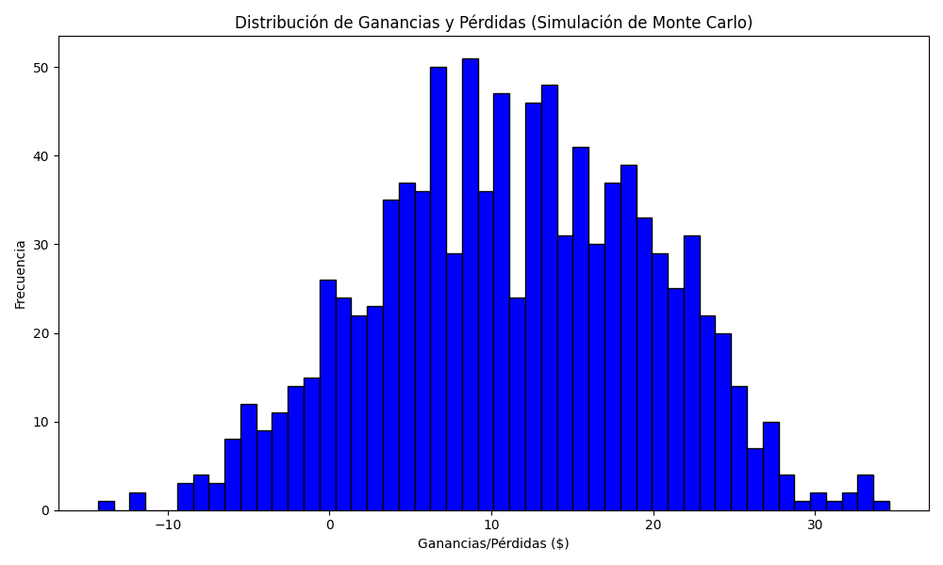
Promedio de Ganancia/Pérdida | Mediana de Ganancia/Pérdida | Ganancia/Pérdida Máxima | Ganancia/Pérdida Mínima | Probabilidad de Ganancia (>0)
11.347183127 | 11.178379428 | 34.58557119 | -14.298812335 | 0.293

