Betting Decisions
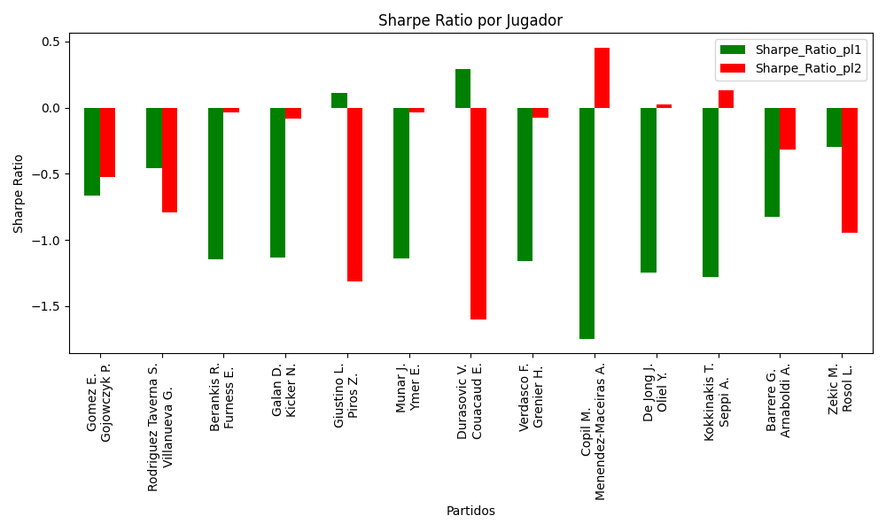
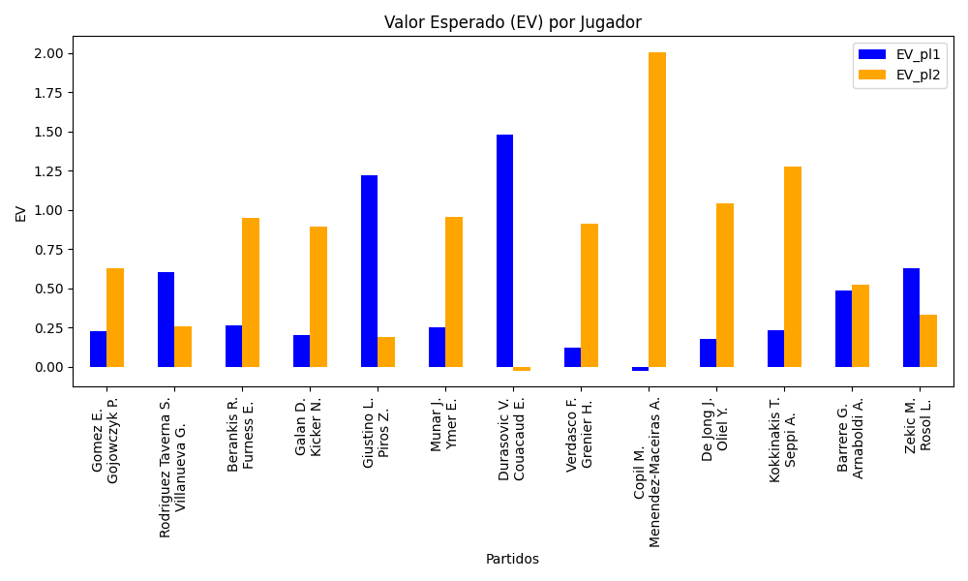
Surface | pl1 | pl1_flag | pl1_hand | pl1_bet | pl2 | pl2_flag | pl2_hand | pl2_bet | Result | DiffProffTime | DiffPts | DiffWeight | DiffHeight | Class | Prob_win_pl1 | Prob_win_pl2 | Accuracy | EV_pl1 | EV_pl2 | Std_Dev_pl1 | Std_Dev_pl2 | Sharpe_Ratio_pl1 | Sharpe_Ratio_pl2 | Best_Bet_EV | match | Best_Bet | Best_Bet_Sharpe | Money_to_Bet | Prob_Win | Payout
hard | Gomez E. | ECU | Right-Handed | 2.47 | Gojowczyk P. | DEU | Right-Handed | 1.52 | 0 | -1 | -246 | -2 | -3 | 1 | 0.35311746935 | 0.64688253065 | 0.53846153846 | 0.22531761865 | 0.63014397723 | 1.1805089023 | 0.72646701678 | -0.6646984024 | -0.52288130637 | 0.63014397723 | Gomez E. Gojowczyk P. | pl2 | -0.52288130637 | 1 | 0.64688253065 | 1.52
clay | Rodriguez Taverna S. | ARG | Right-Handed | 1.81 | Villanueva G. | ARG | Right-Handed | 1.92 | 0 | -3 | 113 | 12 | 16 | 0 | 0.56938336371 | 0.43061663629 | 0.53846153846 | 0.59996725202 | 0.25740057797 | 0.89624421169 | 0.95071209196 | -0.45750113934 | -0.79161654553 | 0.59996725202 | Rodriguez Taverna S. Villanueva G. | pl1 | -0.45750113934 | 1 | 0.56938336371 | 1.81
indoors | Berankis R. | LTU | Right-Handed | 1.31 | Furness E. | FRA | Right-Handed | 3.29 | 0 | 9 | 424 | 11 | 5 | 0 | 0.54634009882 | 0.45365990118 | 0.53846153846 | 0.26204562827 | 0.94620097607 | 0.65218083282 | 1.6379198015 | -1.1468512015 | -0.038951250163 | 0.26204562827 | Berankis R. Furness E. | pl1 | -1.1468512015 | 1 | 0.54634009882 | 1.31
hard | Galan D. | COL | Right-Handed | 1.43 | Kicker N. | ARG | Right-Handed | 2.74 | 0 | -2 | 82 | -3 | 13 | 1 | 0.49421597162 | 0.50578402838 | 0.53846153846 | 0.20094481105 | 0.89163226612 | 0.71495215777 | 1.3699083303 | -1.1316214381 | -0.086405587337 | 0.89163226612 | Galan D. Kicker N. | pl2 | -0.086405587337 | 1 | 0.50578402838 | 2.74
clay | Giustino L. | ITA | Right-Handed | 3.71 | Piros Z. | HUN | Right-Handed | 1.25 | 0 | 9 | 362 | 15 | 0 | 1 | 0.47112053879 | 0.52887946121 | 0.53846153846 | 1.2189777377 | 0.18997878773 | 1.8519031887 | 0.62395659995 | 0.11284485008 | -1.3142279645 | 0.18997878773 | Giustino L. Piros Z. | pl2 | -1.3142279645 | 1 | 0.52887946121 | 1.25
hard | Munar J. | ESP | Right-Handed | 1.33 | Ymer E. | SWE | Right-Handed | 3.23 | 0 | 0 | 170 | -3 | 0 | 0 | 0.53793936742 | 0.46206063258 | 0.53846153846 | 0.25339872609 | 0.95451647581 | 0.66308284032 | 1.6103440408 | -1.1410358222 | -0.0344544537 | 0.25339872609 | Munar J. Ymer E. | pl1 | -1.1410358222 | 1 | 0.53793936742 | 1.33
indoors | Durasovic V. | NOR | Right-Handed | 3.28 | Couacaud E. | FRA | Right-Handed | 1.31 | 0 | -1 | -260 | 2 | 2 | 0 | 0.57862038284 | 0.42137961716 | 0.53846153846 | 1.4764952385 | -0.026613084352 | 1.6195988882 | 0.646851995 | 0.28803134031 | -1.6025506489 | 1.4764952385 | Durasovic V. Couacaud E. | pl1 | 0.28803134031 | 2.9156829308 | 0.57862038284 | 3.28
hard | Verdasco F. | ESP | Left-Handed | 1.54 | Grenier H. | FRA | Right-Handed | 2.43 | 0 | 12 | -6 | 5 | -8 | 1 | 0.44201820789 | 0.55798179211 | 0.53846153846 | 0.12272624804 | 0.91387754694 | 0.76480516859 | 1.2068029608 | -1.1601304337 | -0.079650494883 | 0.91387754694 | Verdasco F. Grenier H. | pl2 | -0.079650494883 | 1 | 0.55798179211 | 2.43
indoors | Copil M. | ROU | Right-Handed | 1.19 | Menendez-Maceiras A. | ESP | Right-Handed | 4.42 | 0 | -3 | 256 | 12 | 10 | 1 | 0.4455931291 | 0.5544068709 | 0.53846153846 | -0.024151047274 | 2.0048852403 | 0.5914669827 | 2.1968773643 | -1.7484510167 | 0.45286334888 | 2.0048852403 | Copil M. Menendez-Maceiras A. | pl2 | 0.45286334888 | 3.9591117673 | 0.5544068709 | 4.42
clay | De Jong J. | NLD | Right-Handed | 1.34 | Oliel Y. | ISR | Left-Handed | 3.1 | 0 | -2 | 230 | -8 | -8 | 0 | 0.5017777508 | 0.4982222492 | 0.53846153846 | 0.17415993686 | 1.0427112217 | 0.66999576505 | 1.5499902027 | -1.2475303677 | 0.021104147416 | 0.17415993686 | De Jong J. Oliel Y. | pl1 | -1.2475303677 | 1 | 0.5017777508 | 1.34
hard | Kokkinakis T. | AUS | Right-Handed | 1.22 | Seppi A. | ITA | Right-Handed | 4.11 | 0 | -10 | 107 | 6 | 2 | 0 | 0.55485080265 | 0.44514919735 | 0.53846153846 | 0.23176878187 | 1.2747123985 | 0.60631838506 | 2.0425971824 | -1.2835355769 | 0.12959598728 | 0.23176878187 | Kokkinakis T. Seppi A. | pl1 | -1.2835355769 | 1 | 0.55485080265 | 1.22
indoors | Barrere G. | FRA | Right-Handed | 1.33 | Arnaboldi A. | ITA | Left-Handed | 3.18 | 0 | -8 | 287 | 8 | 3 | 0 | 0.63637229475 | 0.36362770525 | 0.53846153846 | 0.48274744676 | 0.51996380796 | 0.63978750709 | 1.5297174982 | -0.82410573416 | -0.32034424175 | 0.48274744676 | Barrere G. Arnaboldi A. | pl1 | -0.82410573416 | 1 | 0.63637229475 | 1.33
clay | Zekic M. | SRB | Right-Handed | 2.56 | Rosol L. | CZE | Right-Handed | 1.45 | 0 | -1 | -140 | -4 | -8 | 1 | 0.45760756822 | 0.54239243178 | 0.53846153846 | 0.62908294286 | 0.32886145787 | 1.2753910795 | 0.72238947863 | -0.29866686639 | -0.94289654305 | 0.32886145787 | Zekic M. Rosol L. | pl2 | -0.94289654305 | 1 | 0.54239243178 | 1.45

Monte Carlo Summary
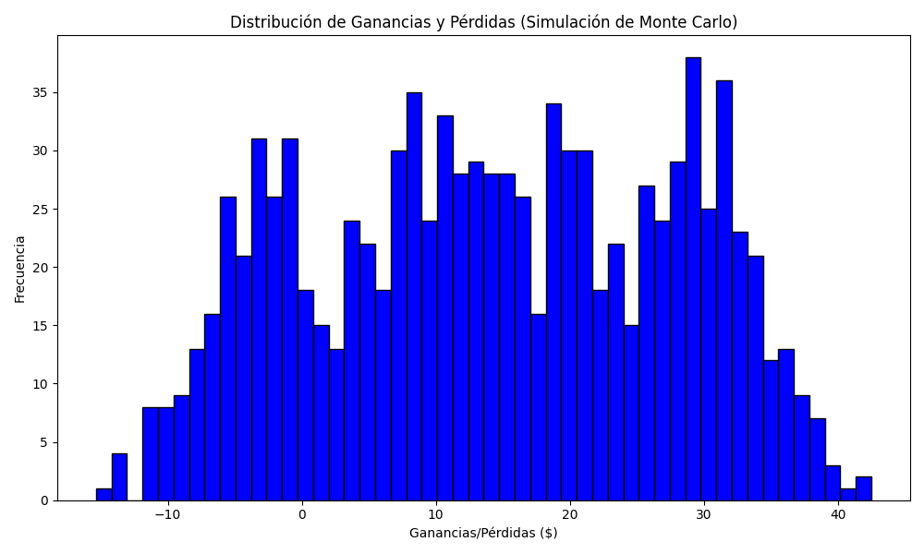
Promedio de Ganancia/Pérdida | Mediana de Ganancia/Pérdida | Ganancia/Pérdida Máxima | Ganancia/Pérdida Mínima | Probabilidad de Ganancia (>0)
14.253673803 | 14.188959663 | 42.482714025 | -15.354794698 | 0.443

