Betting Decisions
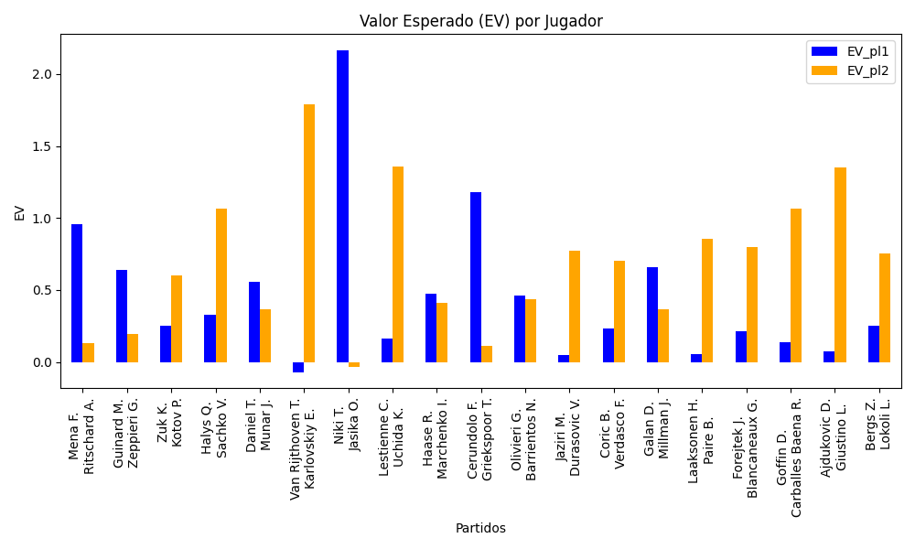
Surface | pl1 | pl1_flag | pl1_hand | pl1_bet | pl2 | pl2_flag | pl2_hand | pl2_bet | Result | DiffProffTime | DiffPts | DiffWeight | DiffHeight | Class | Prob_win_pl1 | Prob_win_pl2 | Accuracy | EV_pl1 | EV_pl2 | Std_Dev_pl1 | Std_Dev_pl2 | Sharpe_Ratio_pl1 | Sharpe_Ratio_pl2 | Best_Bet_EV | match | Best_Bet | Best_Bet_Sharpe | Money_to_Bet | Prob_Win | Payout
clay | Mena F. | ARG | Right-Handed | 2.62 | Ritschard A. | CHE | Right-Handed | 1.46 | 0 | 1 | 67 | -4 | -10 | 0 | 0.54139576252 | 0.45860423748 | 0.47368421053 | 0.95985266031 | 0.12816642421 | 1.305502624 | 0.72749382865 | -0.038412285637 | -1.2121526549 | 0.95985266031 | Mena F. Ritschard A. | pl1 | -0.038412285637 | 1 | 0.54139576252 | 2.62
clay | Guinard M. | FRA | Right-Handed | 1.6 | Zeppieri G. | ITA | Left-Handed | 2.25 | 0 | 3 | 245 | 3 | 11 | 0 | 0.63161467843 | 0.36838532157 | 0.47368421053 | 0.64219816392 | 0.1972522951 | 0.77178662572 | 1.0853249424 | -0.47655896568 | -0.74885195496 | 0.64219816392 | Guinard M. Zeppieri G. | pl1 | -0.47655896568 | 1 | 0.63161467843 | 1.6
indoors | Zuk K. | POL | Right-Handed | 2.14 | Kotov P. | RUS | Right-Handed | 1.66 | 0 | 0 | 175 | -8 | -8 | 1 | 0.39849217553 | 0.60150782447 | 0.47368421053 | 0.25126543116 | 0.6000108131 | 1.0477177776 | 0.81271565927 | -0.72417838568 | -0.50446817682 | 0.6000108131 | Zuk K. Kotov P. | pl2 | -0.50446817682 | 1 | 0.60150782447 | 1.66
indoors | Halys Q. | FRA | Right-Handed | 1.21 | Sachko V. | UKR | Right-Handed | 4.19 | 0 | 2 | 442 | 10 | 8 | 0 | 0.60161149782 | 0.39838850218 | 0.47368421053 | 0.32956141018 | 1.0676363263 | 0.5923751506 | 2.0512825463 | -1.1486616026 | 0.028097702301 | 0.32956141018 | Halys Q. Sachko V. | pl1 | -1.1486616026 | 1 | 0.60161149782 | 1.21
hard | Daniel T. | JPN | Right-Handed | 2.1 | Munar J. | ESP | Right-Handed | 1.74 | 0 | 4 | -83 | 4 | 8 | 0 | 0.50237910596 | 0.49762089404 | 0.47368421053 | 0.55737522848 | 0.36348124967 | 1.0499881136 | 0.86999015129 | -0.43107609091 | -0.74313341292 | 0.55737522848 | Daniel T. Munar J. | pl1 | -0.43107609091 | 1 | 0.50237910596 | 2.1
indoors | Van Rijthoven T. | NLD | Right-Handed | 1.24 | Karlovskiy E. | RUS | Right-Handed | 3.77 | 0 | -3 | -118 | 4 | -3 | 1 | 0.41492797382 | 0.58507202618 | 0.47368421053 | -0.070561338653 | 1.7907935649 | 0.61095990454 | 1.8575151936 | -1.7686288914 | 0.42034303007 | 1.7907935649 | Van Rijthoven T. Karlovskiy E. | pl2 | 0.42034303007 | 1.9342293089 | 0.58507202618 | 3.77
clay | Niki T. | JPN | Right-Handed | 4.75 | Jasika O. | AUS | Left-Handed | 1.15 | 0 | 6 | -40 | 13 | 0 | 0 | 0.55044306503 | 0.44955693497 | 0.47368421053 | 2.1650476239 | -0.033452589809 | 2.3628827003 | 0.57206633797 | 0.48882986183 | -1.8240062744 | 2.1650476239 | Niki T. Jasika O. | pl1 | 0.48882986183 | 2.3384596926 | 0.55044306503 | 4.75
indoors | Lestienne C. | FRA | Right-Handed | 1.24 | Uchida K. | JPN | Right-Handed | 3.9 | 0 | -1 | -8 | 3 | 0 | 0 | 0.51916604478 | 0.48083395522 | 0.47368421053 | 0.1629319403 | 1.3560863806 | 0.61954433434 | 1.948566858 | -1.3672436543 | 0.17761072922 | 0.1629319403 | Lestienne C. Uchida K. | pl1 | -1.3672436543 | 1 | 0.51916604478 | 1.24
indoors | Haase R. | NLD | Right-Handed | 2.2 | Marchenko I. | UKR | Right-Handed | 1.62 | 0 | -1 | -63 | -5 | 6 | 1 | 0.46035605821 | 0.53964394179 | 0.47368421053 | 0.47313938627 | 0.41386712749 | 1.0965369361 | 0.80744992564 | -0.48959647056 | -0.73829082594 | 0.41386712749 | Haase R. Marchenko I. | pl2 | -0.73829082594 | 1 | 0.53964394179 | 1.62
hard | Cerundolo F. | ARG | Right-Handed | 3.09 | Griekspoor T. | NLD | Right-Handed | 1.38 | 0 | -4 | -294 | -7 | -3 | 0 | 0.53331695745 | 0.46668304255 | 0.47368421053 | 1.181266356 | 0.11070564127 | 1.5415662235 | 0.68846646873 | 0.11109892872 | -1.3062282618 | 1.181266356 | Cerundolo F. Griekspoor T. | pl1 | 0.11109892872 | 1 | 0.53331695745 | 3.09
clay | Olivieri G. | ARG | Right-Handed | 1.55 | Barrientos N. | COL | Right-Handed | 2.36 | 0 | -11 | 96 | -2 | 0 | 0 | 0.57328879152 | 0.42671120848 | 0.47368421053 | 0.46188641838 | 0.43374966049 | 0.76662936232 | 1.1672550291 | -0.71496554732 | -0.49367989441 | 0.46188641838 | Olivieri G. Barrientos N. | pl1 | -0.71496554732 | 1 | 0.57328879152 | 1.55
indoors | Jaziri M. | TUN | Right-Handed | 2.19 | Durasovic V. | NOR | Right-Handed | 1.64 | 0 | 11 | 30 | 1 | 0 | 1 | 0.3283383375 | 0.6716616625 | 0.47368421053 | 0.047399296641 | 0.77318678899 | 1.028442919 | 0.77015816762 | -0.93597873602 | -0.30748646313 | 0.77318678899 | Jaziri M. Durasovic V. | pl2 | -0.30748646313 | 1 | 0.6716616625 | 1.64
hard | Coric B. | HRV | Right-Handed | 1.75 | Verdasco F. | ESP | Left-Handed | 2.09 | 0 | -10 | -181 | -5 | 0 | 1 | 0.44914547245 | 0.55085452755 | 0.47368421053 | 0.23515004925 | 0.70214049012 | 0.87046241427 | 1.0395808262 | -0.89015899831 | -0.29613811849 | 0.70214049012 | Coric B. Verdasco F. | pl2 | -0.29613811849 | 1 | 0.55085452755 | 2.09
hard | Galan D. | COL | Right-Handed | 2.75 | Millman J. | AUS | Right-Handed | 1.45 | 0 | -5 | -459 | -7 | 8 | 1 | 0.4430452611 | 0.5569547389 | 0.47368421053 | 0.66141972911 | 0.36453911032 | 1.3660503075 | 0.72028107125 | -0.25517381678 | -0.89612363208 | 0.36453911032 | Galan D. Millman J. | pl2 | -0.89612363208 | 1 | 0.5569547389 | 1.45
hard | Laaksonen H. | CHE | Right-Handed | 1.9 | Paire B. | FRA | Right-Handed | 1.92 | 0 | 1 | -297 | -2 | -11 | 1 | 0.36460598997 | 0.63539401003 | 0.47368421053 | 0.057357370915 | 0.85535050929 | 0.91450705191 | 0.92413344193 | -1.0417006923 | -0.16734541106 | 0.85535050929 | Laaksonen H. Paire B. | pl2 | -0.16734541106 | 1 | 0.63539401003 | 1.92
indoors | Forejtek J. | CZE | Right-Handed | 1.48 | Blancaneaux G. | FRA | Right-Handed | 2.53 | 0 | -3 | -52 | -4 | 0 | 1 | 0.48997046252 | 0.51002953748 | 0.47368421053 | 0.21512674704 | 0.80040426731 | 0.73985110942 | 1.2647454776 | -1.0743692114 | -0.16572167001 | 0.80040426731 | Forejtek J. Blancaneaux G. | pl2 | -0.16572167001 | 1 | 0.51002953748 | 2.53
hard | Goffin D. | BEL | Right-Handed | 1.42 | Carballes Baena R. | ESP | Right-Handed | 2.89 | 0 | 3 | 62 | -7 | -3 | 1 | 0.46902100309 | 0.53097899691 | 0.47368421053 | 0.13503082748 | 1.065508298 | 0.70863591812 | 1.4422238052 | -1.2347231493 | 0.038487991795 | 1.065508298 | Goffin D. Carballes Baena R. | pl2 | 0.038487991795 | 1 | 0.53097899691 | 2.89
clay | Ajdukovic D. | HRV | Right-Handed | 1.29 | Giustino L. | ITA | Right-Handed | 3.42 | 0 | -9 | -227 | -8 | 5 | 1 | 0.468038634 | 0.531961366 | 0.47368421053 | 0.071808471849 | 1.3512692377 | 0.6436808788 | 1.706502795 | -1.4575413983 | 0.19998164594 | 1.3512692377 | Ajdukovic D. Giustino L. | pl2 | 0.19998164594 | 1 | 0.531961366 | 3.42
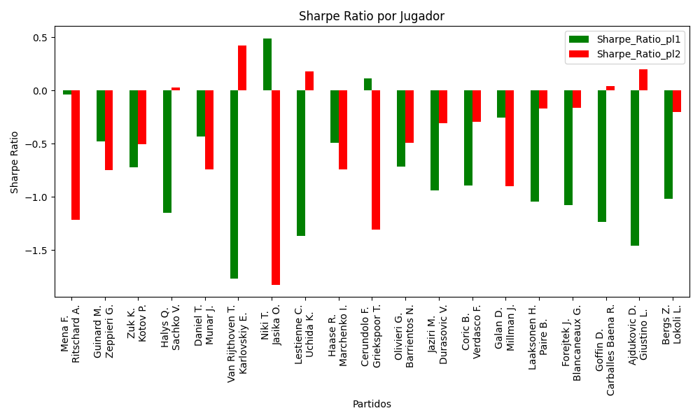
indoors | Bergs Z. | BEL | Right-Handed | 1.49 | Lokoli L. | FRA | Right-Handed | 2.53 | 0 | -4 | 192 | 5 | -3 | 0 | 0.50342747117 | 0.49657252883 | 0.47368421053 | 0.2535344032 | 0.75290102679 | 0.74498249593 | 1.2649702783 | -1.0154139204 | -0.20324507035 | 0.2535344032 | Bergs Z. Lokoli L. | pl1 | -1.0154139204 | 1 | 0.50342747117 | 1.49

Monte Carlo Summary
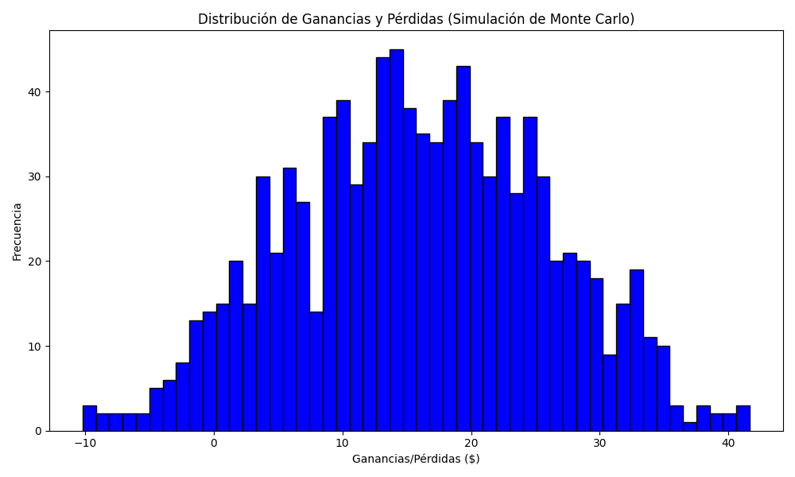
Promedio de Ganancia/Pérdida | Mediana de Ganancia/Pérdida | Ganancia/Pérdida Máxima | Ganancia/Pérdida Mínima | Probabilidad de Ganancia (>0)
15.916253295 | 15.893519516 | 41.649728035 | -10.192689002 | 0.473

