Betting Decisions
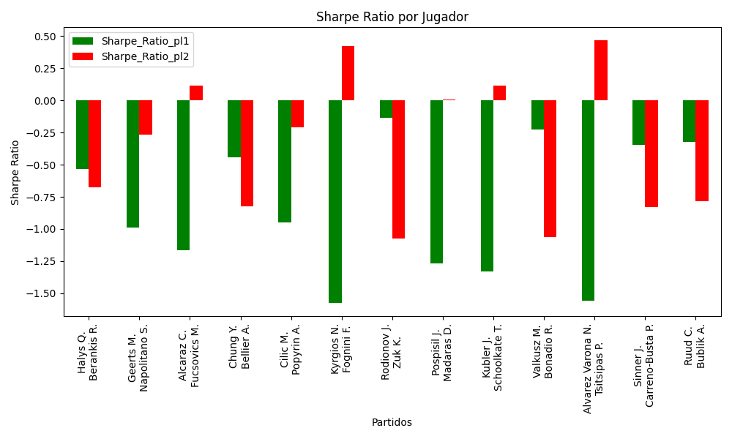
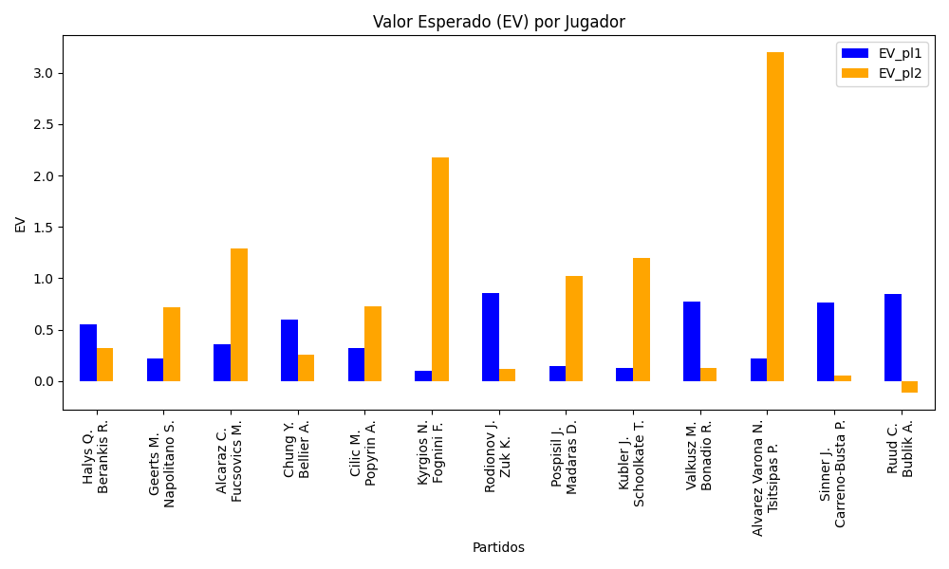
Surface | pl1 | pl1_flag | pl1_hand | pl1_bet | pl2 | pl2_flag | pl2_hand | pl2_bet | Result | DiffProffTime | DiffPts | DiffWeight | DiffHeight | Class | Prob_win_pl1 | Prob_win_pl2 | Accuracy | date_run | date | EV_pl1 | EV_pl2 | Std_Dev_pl1 | Std_Dev_pl2 | Sharpe_Ratio_pl1 | Sharpe_Ratio_pl2 | Best_Bet_EV | match | Best_Bet | Best_Bet_Sharpe | Money_to_Bet | Prob_Win | Payout
indoors | Halys Q. | FRA | Right-Handed | 1.73 | Berankis R. | LTU | Right-Handed | 2.06 | 0 | -6 | -169 | 1 | 16 | 0 | 0.56851006486 | 0.43148993514 | 0.76923076923 | 2022-03-27 | 20220327 | 0.55203247706 | 0.32035920154 | 0.85684154767 | 1.0202853111 | -0.53448332914 | -0.6759293611 | 0.55203247706 | Halys Q. Berankis R. | pl1 | -0.53448332914 | 7.69 | 0.56851006486 | 1.73
indoors | Geerts M. | BEL | Right-Handed | 1.6 | Napolitano S. | ITA | Right-Handed | 2.23 | 0 | -3 | -104 | -17 | -18 | 1 | 0.46858328779 | 0.53141671221 | 0.76923076923 | 2022-03-27 | 20220327 | 0.21831654825 | 0.71647598045 | 0.79841922252 | 1.1127967914 | -0.99156361648 | -0.2637714467 | 0.71647598045 | Geerts M. Napolitano S. | pl2 | -0.2637714467 | 7.69 | 0.53141671221 | 2.23
hard | Alcaraz C. | ESP | Right-Handed | 1.16 | Fucsovics M. | HUN | Right-Handed | 5.16 | 0 | -10 | 1437 | -10 | -3 | 0 | 0.62777213838 | 0.37222786162 | 0.76923076923 | 2022-03-27 | 20220327 | 0.35598781889 | 1.2929236276 | 0.560742465 | 2.4943371719 | -1.1663325358 | 0.11342637667 | 0.35598781889 | Alcaraz C. Fucsovics M. | pl1 | -1.1663325358 | 7.69 | 0.62777213838 | 1.16
indoors | Chung Y. | KOR | Right-Handed | 1.87 | Bellier A. | CHE | Left-Handed | 1.84 | 0 | 0 | 66 | -2 | -18 | 0 | 0.55780933318 | 0.44219066682 | 0.76923076923 | 2022-03-27 | 20220327 | 0.60091278622 | 0.25582149377 | 0.92872958575 | 0.91383018063 | -0.44048043699 | -0.82529393559 | 0.60091278622 | Chung Y. Bellier A. | pl1 | -0.44048043699 | 7.69 | 0.55780933318 | 1.87
hard | Cilic M. | HRV | Right-Handed | 1.45 | Popyrin A. | AUS | Right-Handed | 2.75 | 0 | 9 | 1074 | 11 | 2 | 0 | 0.53993805182 | 0.46006194818 | 0.76923076923 | 2022-03-27 | 20220327 | 0.32284822696 | 0.72523230567 | 0.72268347955 | 1.3706065991 | -0.95083365329 | -0.20776763698 | 0.32284822696 | Cilic M. Popyrin A. | pl1 | -0.95083365329 | 7.69 | 0.53993805182 | 1.45
hard | Kyrgios N. | AUS | Right-Handed | 1.15 | Fognini F. | ITA | Right-Handed | 5.53 | 0 | -8 | -666 | 6 | 15 | 0 | 0.5133287707 | 0.4866712293 | 0.76923076923 | 2022-03-27 | 20220327 | 0.103656857 | 2.1779631273 | 0.57479565914 | 2.764017387 | -1.5768093036 | 0.42255997839 | 0.103656857 | Kyrgios N. Fognini F. | pl1 | -1.5768093036 | 7.69 | 0.5133287707 | 1.15
indoors | Rodionov J. | AUT | Left-Handed | 2.21 | Zuk K. | POL | Right-Handed | 1.67 | 0 | 0 | 70 | 8 | 8 | 0 | 0.57971942871 | 0.42028057129 | 0.76923076923 | 2022-03-27 | 20220327 | 0.86089936617 | 0.12214912533 | 1.0908646248 | 0.82431851738 | -0.13668115221 | -1.0770725829 | 0.86089936617 | Rodionov J. Zuk K. | pl1 | -0.13668115221 | 7.69 | 0.57971942871 | 2.21
clay | Pospisil J. | CZE | Right-Handed | 1.36 | Madaras D. | SWE | Left-Handed | 2.94 | 0 | 14 | 68 | -13 | -13 | 1 | 0.4862997473 | 0.5137002527 | 0.76923076923 | 2022-03-27 | 20220327 | 0.14766740363 | 1.0239789956 | 0.67974468425 | 1.4694480674 | -1.2686124899 | 0.0095130926683 | 1.0239789956 | Pospisil J. Madaras D. | pl2 | 0.0095130926683 | 7.69 | 0.5137002527 | 2.94
clay | Kubler J. | AUS | Right-Handed | 1.33 | Schoolkate T. | AUS | Right-Handed | 3.26 | 0 | 11 | 192 | -4 | -5 | 1 | 0.4838214708 | 0.5161785292 | 0.76923076923 | 2022-03-27 | 20220327 | 0.12730402695 | 1.1989205344 | 0.66465178824 | 1.6291464885 | -1.328057772 | 0.11596288962 | 1.1989205344 | Kubler J. Schoolkate T. | pl2 | 0.11596288962 | 7.69 | 0.5161785292 | 3.26
clay | Valkusz M. | HUN | Right-Handed | 2.08 | Bonadio R. | ITA | Right-Handed | 1.67 | 0 | -6 | -232 | -6 | 3 | 0 | 0.57652338071 | 0.42347661929 | 0.76923076923 | 2022-03-27 | 20220327 | 0.77569201257 | 0.13068257352 | 1.0277477057 | 0.82516282143 | -0.22798200971 | -1.065628993 | 0.77569201257 | Valkusz M. Bonadio R. | pl1 | -0.22798200971 | 7.69 | 0.57652338071 | 2.08
clay | Alvarez Varona N. | ESP | Right-Handed | 1.03 | Tsitsipas P. | GRC | Right-Handed | 9.58 | 0 | 0 | 160 | 4 | 3 | 0 | 0.60329716514 | 0.39670283486 | 0.76923076923 | 2022-03-27 | 20220327 | 0.22469324523 | 3.1971159928 | 0.50388974403 | 4.6866638328 | -1.5584892609 | 0.46666799046 | 0.22469324523 | Alvarez Varona N. Tsitsipas P. | pl1 | -1.5584892609 | 7.69 | 0.60329716514 | 1.03
hard | Sinner J. | ITA | Right-Handed | 1.53 | Carreno-Busta P. | ESP | Right-Handed | 2.51 | 0 | -9 | 2595 | -2 | 0 | 0 | 0.69905520229 | 0.30094479771 | 0.76923076923 | 2022-03-27 | 20220327 | 0.76860966179 | 0.056316239972 | 0.70176319453 | 1.151258574 | -0.34397691428 | -0.82838363295 | 0.76860966179 | Sinner J. Carreno-Busta P. | pl1 | -0.34397691428 | 7.69 | 0.69905520229 | 1.53
hard | Ruud C. | NOR | Right-Handed | 1.28 | Bublik A. | KAZ | Right-Handed | 3.67 | 0 | -2 | 2454 | 0 | -15 | 0 | 0.81038898672 | 0.18961101328 | 0.76923076923 | 2022-03-27 | 20220327 | 0.84768688972 | -0.11451656798 | 0.50175130919 | 1.4386150818 | -0.32349314751 | -0.78166604967 | 0.84768688972 | Ruud C. Bublik A. | pl1 | -0.32349314751 | 7.69 | 0.81038898672 | 1.28

Monte Carlo Summary
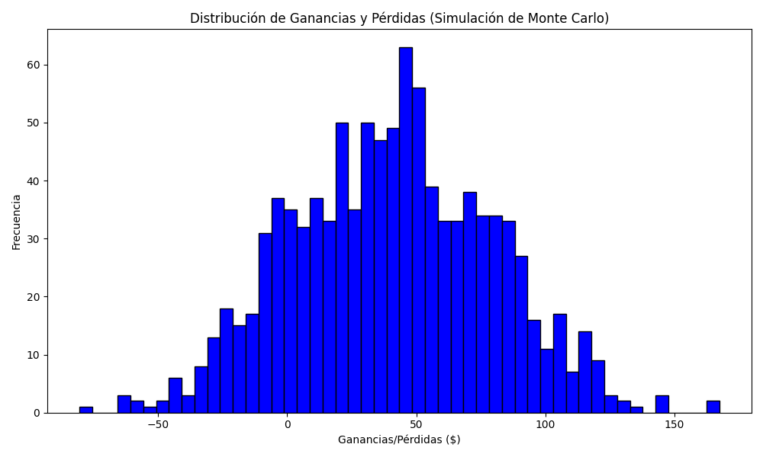
Promedio de Ganancia/Pérdida | Mediana de Ganancia/Pérdida | Ganancia/Pérdida Máxima | Ganancia/Pérdida Mínima | Probabilidad de Ganancia (>0)
40.3366646 | 40.64165 | 167.4113 | -80.5143 | 0.063

