Betting Decisions
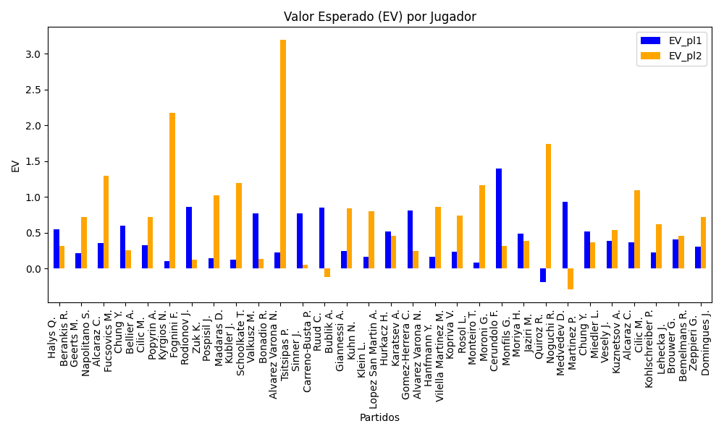
Surface | pl1 | pl1_flag | pl1_hand | pl1_bet | pl2 | pl2_flag | pl2_hand | pl2_bet | Result | DiffProffTime | DiffPts | DiffWeight | DiffHeight | Class | Prob_win_pl1 | Prob_win_pl2 | Accuracy | date_run | date | EV_pl1 | EV_pl2 | Std_Dev_pl1 | Std_Dev_pl2 | Sharpe_Ratio_pl1 | Sharpe_Ratio_pl2 | Best_Bet_EV | match | Best_Bet | Best_Bet_Sharpe | Money_to_Bet | Prob_Win | Payout
indoors | Halys Q. | FRA | Right-Handed | 1.73 | Berankis R. | LTU | Right-Handed | 2.06 | 0 | -6 | -169 | 1 | 16 | 0 | 0.56851006486 | 0.43148993514 | 0.76923076923 | 2022-03-27 | 20220327 | 0.55203247706 | 0.32035920154 | 0.85684154767 | 1.0202853111 | -0.53448332914 | -0.6759293611 | 0.55203247706 | Halys Q. Berankis R. | pl1 | -0.53448332914 | 3.33 | 0.56851006486 | 1.73
indoors | Geerts M. | BEL | Right-Handed | 1.6 | Napolitano S. | ITA | Right-Handed | 2.23 | 0 | -3 | -104 | -17 | -18 | 1 | 0.46858328779 | 0.53141671221 | 0.76923076923 | 2022-03-27 | 20220327 | 0.21831654825 | 0.71647598045 | 0.79841922252 | 1.1127967914 | -0.99156361648 | -0.2637714467 | 0.71647598045 | Geerts M. Napolitano S. | pl2 | -0.2637714467 | 3.33 | 0.53141671221 | 2.23
hard | Alcaraz C. | ESP | Right-Handed | 1.16 | Fucsovics M. | HUN | Right-Handed | 5.16 | 0 | -10 | 1437 | -10 | -3 | 0 | 0.62777213838 | 0.37222786162 | 0.76923076923 | 2022-03-27 | 20220327 | 0.35598781889 | 1.2929236276 | 0.560742465 | 2.4943371719 | -1.1663325358 | 0.11342637667 | 0.35598781889 | Alcaraz C. Fucsovics M. | pl1 | -1.1663325358 | 3.33 | 0.62777213838 | 1.16
indoors | Chung Y. | KOR | Right-Handed | 1.87 | Bellier A. | CHE | Left-Handed | 1.84 | 0 | 0 | 66 | -2 | -18 | 0 | 0.55780933318 | 0.44219066682 | 0.76923076923 | 2022-03-27 | 20220327 | 0.60091278622 | 0.25582149377 | 0.92872958575 | 0.91383018063 | -0.44048043699 | -0.82529393559 | 0.60091278622 | Chung Y. Bellier A. | pl1 | -0.44048043699 | 3.33 | 0.55780933318 | 1.87
hard | Cilic M. | HRV | Right-Handed | 1.45 | Popyrin A. | AUS | Right-Handed | 2.75 | 0 | 9 | 1074 | 11 | 2 | 0 | 0.53993805182 | 0.46006194818 | 0.76923076923 | 2022-03-27 | 20220327 | 0.32284822696 | 0.72523230567 | 0.72268347955 | 1.3706065991 | -0.95083365329 | -0.20776763698 | 0.32284822696 | Cilic M. Popyrin A. | pl1 | -0.95083365329 | 3.33 | 0.53993805182 | 1.45
hard | Kyrgios N. | AUS | Right-Handed | 1.15 | Fognini F. | ITA | Right-Handed | 5.53 | 0 | -8 | -666 | 6 | 15 | 0 | 0.5133287707 | 0.4866712293 | 0.76923076923 | 2022-03-27 | 20220327 | 0.103656857 | 2.1779631273 | 0.57479565914 | 2.764017387 | -1.5768093036 | 0.42255997839 | 0.103656857 | Kyrgios N. Fognini F. | pl1 | -1.5768093036 | 3.33 | 0.5133287707 | 1.15
indoors | Rodionov J. | AUT | Left-Handed | 2.21 | Zuk K. | POL | Right-Handed | 1.67 | 0 | 0 | 70 | 8 | 8 | 0 | 0.57971942871 | 0.42028057129 | 0.76923076923 | 2022-03-27 | 20220327 | 0.86089936617 | 0.12214912533 | 1.0908646248 | 0.82431851738 | -0.13668115221 | -1.0770725829 | 0.86089936617 | Rodionov J. Zuk K. | pl1 | -0.13668115221 | 3.33 | 0.57971942871 | 2.21
clay | Pospisil J. | CZE | Right-Handed | 1.36 | Madaras D. | SWE | Left-Handed | 2.94 | 0 | 14 | 68 | -13 | -13 | 1 | 0.4862997473 | 0.5137002527 | 0.76923076923 | 2022-03-27 | 20220327 | 0.14766740363 | 1.0239789956 | 0.67974468425 | 1.4694480674 | -1.2686124899 | 0.0095130926683 | 1.0239789956 | Pospisil J. Madaras D. | pl2 | 0.0095130926683 | 3.33 | 0.5137002527 | 2.94
clay | Kubler J. | AUS | Right-Handed | 1.33 | Schoolkate T. | AUS | Right-Handed | 3.26 | 0 | 11 | 192 | -4 | -5 | 1 | 0.4838214708 | 0.5161785292 | 0.76923076923 | 2022-03-27 | 20220327 | 0.12730402695 | 1.1989205344 | 0.66465178824 | 1.6291464885 | -1.328057772 | 0.11596288962 | 1.1989205344 | Kubler J. Schoolkate T. | pl2 | 0.11596288962 | 3.33 | 0.5161785292 | 3.26
clay | Valkusz M. | HUN | Right-Handed | 2.08 | Bonadio R. | ITA | Right-Handed | 1.67 | 0 | -6 | -232 | -6 | 3 | 0 | 0.57652338071 | 0.42347661929 | 0.76923076923 | 2022-03-27 | 20220327 | 0.77569201257 | 0.13068257352 | 1.0277477057 | 0.82516282143 | -0.22798200971 | -1.065628993 | 0.77569201257 | Valkusz M. Bonadio R. | pl1 | -0.22798200971 | 3.33 | 0.57652338071 | 2.08
clay | Alvarez Varona N. | ESP | Right-Handed | 1.03 | Tsitsipas P. | GRC | Right-Handed | 9.58 | 0 | 0 | 160 | 4 | 3 | 0 | 0.60329716514 | 0.39670283486 | 0.76923076923 | 2022-03-27 | 20220327 | 0.22469324523 | 3.1971159928 | 0.50388974403 | 4.6866638328 | -1.5584892609 | 0.46666799046 | 0.22469324523 | Alvarez Varona N. Tsitsipas P. | pl1 | -1.5584892609 | 3.33 | 0.60329716514 | 1.03
hard | Sinner J. | ITA | Right-Handed | 1.53 | Carreno-Busta P. | ESP | Right-Handed | 2.51 | 0 | -9 | 2595 | -2 | 0 | 0 | 0.69905520229 | 0.30094479771 | 0.76923076923 | 2022-03-27 | 20220327 | 0.76860966179 | 0.056316239972 | 0.70176319453 | 1.151258574 | -0.34397691428 | -0.82838363295 | 0.76860966179 | Sinner J. Carreno-Busta P. | pl1 | -0.34397691428 | 3.33 | 0.69905520229 | 1.53
hard | Ruud C. | NOR | Right-Handed | 1.28 | Bublik A. | KAZ | Right-Handed | 3.67 | 0 | -2 | 2454 | 0 | -15 | 0 | 0.81038898672 | 0.18961101328 | 0.76923076923 | 2022-03-27 | 20220327 | 0.84768688972 | -0.11451656798 | 0.50175130919 | 1.4386150818 | -0.32349314751 | -0.78166604967 | 0.84768688972 | Ruud C. Bublik A. | pl1 | -0.32349314751 | 3.33 | 0.81038898672 | 1.28
clay | Giannessi A. | ITA | Left-Handed | 1.43 | Kuhn N. | DEU | Right-Handed | 2.77 | 0 | 9 | 147 | 7 | 0 | 0 | 0.51170291772 | 0.48829708228 | 0.41176470588 | 2022-03-28 | 20220328 | 0.24343809006 | 0.84088000019 | 0.71480412282 | 1.3846205736 | -1.07240835 | -0.12214176435 | 0.24343809006 | Giannessi A. Kuhn N. | pl1 | -1.07240835 | 3.33 | 0.51170291772 | 1.43
clay | Klein L. | SVK | Right-Handed | 1.55 | Lopez San Martin A. | ESP | Right-Handed | 2.32 | 0 | -1 | 74 | 15 | 15 | 1 | 0.45620296751 | 0.54379703249 | 0.41176470588 | 2022-03-28 | 20220328 | 0.16331756715 | 0.80540614786 | 0.77202109584 | 1.1555412531 | -1.0967089337 | -0.17705456346 | 0.80540614786 | Klein L. Lopez San Martin A. | pl2 | -0.17705456346 | 3.33 | 0.54379703249 | 2.32
hard | Hurkacz H. | POL | Right-Handed | 1.41 | Karatsev A. | RUS | Right-Handed | 2.96 | 0 | -5 | 2085 | -4 | 11 | 0 | 0.63148596371 | 0.36851403629 | 0.41176470588 | 2022-03-28 | 20220328 | 0.52188117253 | 0.45931558372 | 0.68018645719 | 1.4279091584 | -0.71762503106 | -0.3856578782 | 0.52188117253 | Hurkacz H. Karatsev A. | pl1 | -0.71762503106 | 3.33 | 0.63148596371 | 1.41
clay | Gomez-Herrera C. | ESP | Right-Handed | 2.75 | Alvarez Varona N. | ESP | Right-Handed | 1.4 | 0 | 9 | -143 | 5 | 3 | 1 | 0.4821311833 | 0.5178688167 | 0.41176470588 | 2022-03-28 | 20220328 | 0.80799193739 | 0.24288516007 | 1.3741216593 | 0.69955284473 | -0.14700886289 | -1.0965788299 | 0.24288516007 | Gomez-Herrera C. Alvarez Varona N. | pl2 | -1.0965788299 | 3.33 | 0.5178688167 | 1.4
clay | Hanfmann Y. | DEU | Right-Handed | 1.49 | Vilella Martinez M. | ESP | Right-Handed | 2.5 | 0 | 4 | 154 | 12 | 15 | 1 | 0.46819726229 | 0.53180273771 | 0.41176470588 | 2022-03-28 | 20220328 | 0.1658111831 | 0.86130958198 | 0.74349146565 | 1.2474689021 | -1.1354384763 | -0.11919368713 | 0.86130958198 | Hanfmann Y. Vilella Martinez M. | pl2 | -0.11919368713 | 3.33 | 0.53180273771 | 2.5
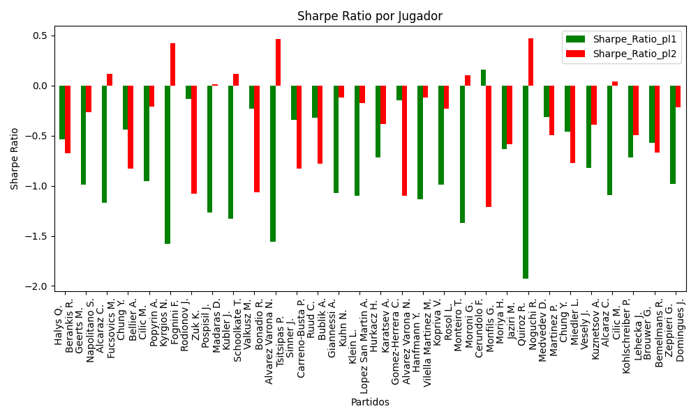
clay | Kopriva V. | CZE | Right-Handed | 1.56 | Rosol L. | CZE | Right-Handed | 2.37 | 0 | -13 | 46 | -14 | -15 | 1 | 0.48378359999 | 0.51621640001 | 0.41176470588 | 2022-03-28 | 20220328 | 0.23848601596 | 0.73964926805 | 0.77958965632 | 1.1843765933 | -0.98964112438 | -0.22826416318 | 0.73964926805 | Kopriva V. Rosol L. | pl2 | -0.22826416318 | 3.33 | 0.51621640001 | 2.37
clay | Monteiro T. | BRA | Left-Handed | 1.36 | Moroni G. | ITA | Right-Handed | 3 | 0 | 4 | 469 | -3 | -2 | 1 | 0.45820871445 | 0.54179128555 | 0.41176470588 | 2022-03-28 | 20220328 | 0.081372566109 | 1.1671651422 | 0.67762058133 | 1.4947512823 | -1.3704238913 | 0.10514467794 | 1.1671651422 | Monteiro T. Moroni G. | pl2 | 0.10514467794 | 3.33 | 0.54179128555 | 3
hard | Cerundolo F. | ARG | Right-Handed | 5.12 | Monfils G. | FRA | Right-Handed | 1.17 | 0 | -13 | -1055 | -7 | -8 | 1 | 0.39212112736 | 0.60787887264 | 0.41176470588 | 2022-03-28 | 20220328 | 1.3997812994 | 0.31909715364 | 2.4997041254 | 0.57122145053 | 0.15593097418 | -1.2095183851 | 0.31909715364 | Cerundolo F. Monfils G. | pl2 | -1.2095183851 | 3.33 | 0.60787887264 | 1.17
indoors | Moriya H. | JPN | Right-Handed | 1.67 | Jaziri M. | TUN | Right-Handed | 2.13 | 0 | -5 | 159 | -16 | -17 | 0 | 0.55577261482 | 0.44422738518 | 0.41176470588 | 2022-03-28 | 20220328 | 0.48391288156 | 0.39043171562 | 0.82978906399 | 1.0583537163 | -0.63400102661 | -0.5854075767 | 0.48391288156 | Moriya H. Jaziri M. | pl1 | -0.63400102661 | 3.33 | 0.55577261482 | 1.67
clay | Quiroz R. | ECU | Left-Handed | 1.3 | Noguchi R. | JPN | Right-Handed | 3.24 | 0 | 10 | 4 | 25 | 25 | 1 | 0.35281908778 | 0.64718091222 | 0.41176470588 | 2022-03-28 | 20220328 | -0.1885160981 | 1.7440470678 | 0.6212011322 | 1.5482243602 | -1.9293527265 | 0.47412189515 | 1.7440470678 | Quiroz R. Noguchi R. | pl2 | 0.47412189515 | 3.33 | 0.64718091222 | 3.24
hard | Medvedev D. | RUS | Right-Handed | 1.05 | Martinez P. | ESP | Right-Handed | 11.39 | 0 | 1 | 7333 | 7 | 13 | 0 | 0.94283498258 | 0.057165017422 | 0.41176470588 | 2022-03-28 | 20220328 | 0.93281171428 | -0.29172543414 | 0.24376554098 | 2.6442757255 | -0.3166497012 | -0.49228052187 | 0.93281171428 | Medvedev D. Martinez P. | pl1 | -0.3166497012 | 3.33 | 0.94283498258 | 1.05
indoors | Chung Y. | KOR | Right-Handed | 2.1 | Miedler L. | AUT | Right-Handed | 1.68 | 0 | -1 | -72 | 0 | -5 | 1 | 0.49156588141 | 0.50843411859 | 0.41176470588 | 2022-03-28 | 20220328 | 0.52385423236 | 0.36260343783 | 1.0498506072 | 0.83988048578 | -0.46306185308 | -0.77081986441 | 0.36260343783 | Chung Y. Miedler L. | pl2 | -0.77081986441 | 3.33 | 0.50843411859 | 1.68
clay | Vesely J. | CZE | Left-Handed | 1.53 | Kuznetsov A. | RUS | Right-Handed | 2.41 | 0 | -3 | 249 | 23 | 13 | 0 | 0.54726355131 | 0.45273644869 | 0.41176470588 | 2022-03-28 | 20220328 | 0.38457678481 | 0.54383129004 | 0.76157455069 | 1.1996043576 | -0.8212238902 | -0.38860204783 | 0.38457678481 | Vesely J. Kuznetsov A. | pl1 | -0.8212238902 | 3.33 | 0.54726355131 | 1.53
hard | Alcaraz C. | ESP | Right-Handed | 1.21 | Cilic M. | HRV | Right-Handed | 4.5 | 0 | -14 | 629 | -17 | -13 | 0 | 0.61881902026 | 0.38118097974 | 0.41176470588 | 2022-03-28 | 20220328 | 0.36759003477 | 1.0964953886 | 0.58766903559 | 2.1855460001 | -1.0931492495 | 0.0395761007 | 0.36759003477 | Alcaraz C. Cilic M. | pl1 | -1.0931492495 | 3.33 | 0.61881902026 | 1.21
clay | Kohlschreiber P. | DEU | Right-Handed | 2.25 | Lehecka J. | CZE | Right-Handed | 1.61 | 0 | 19 | -44 | -10 | -5 | 1 | 0.37783104575 | 0.62216895425 | 0.41176470588 | 2022-03-28 | 20220328 | 0.2279508987 | 0.62386097059 | 1.0909014184 | 0.78060057053 | -0.71688338477 | -0.49466916115 | 0.62386097059 | Kohlschreiber P. Lehecka J. | pl2 | -0.49466916115 | 3.33 | 0.62216895425 | 1.61
indoors | Brouwer G. | NLD | Left-Handed | 2.1 | Bemelmans R. | BEL | Left-Handed | 1.67 | 0 | -8 | -194 | -3 | 8 | 1 | 0.45504711284 | 0.54495288716 | 0.41176470588 | 2022-03-28 | 20220328 | 0.41064604981 | 0.45502420871 | 1.0457477895 | 0.83161848024 | -0.57313432186 | -0.66734422632 | 0.45502420871 | Brouwer G. Bemelmans R. | pl2 | -0.66734422632 | 3.33 | 0.54495288716 | 1.67
clay | Zeppieri G. | ITA | Left-Handed | 1.44 | Domingues J. | PRT | Right-Handed | 2.7 | 0 | -8 | -130 | 8 | 7 | 0 | 0.53452721274 | 0.46547278726 | 0.41176470588 | 2022-03-28 | 20220328 | 0.30424639908 | 0.72224931286 | 0.7182812837 | 1.3467774069 | -0.9825588066 | -0.21365868306 | 0.30424639908 | Zeppieri G. Domingues J. | pl1 | -0.9825588066 | 3.33 | 0.53452721274 | 1.44

Monte Carlo Summary
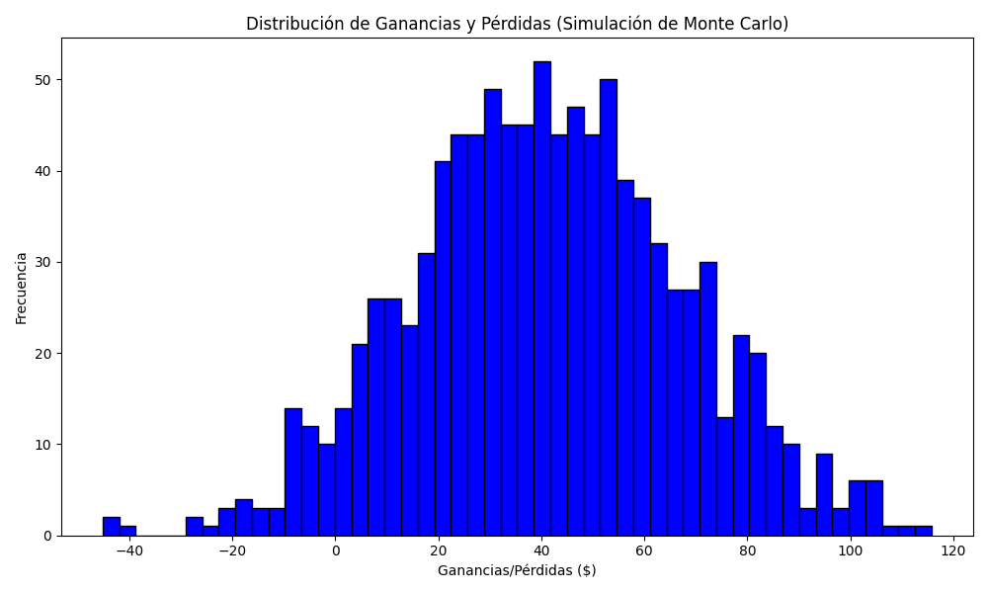
Promedio de Ganancia/Pérdida | Mediana de Ganancia/Pérdida | Ganancia/Pérdida Máxima | Ganancia/Pérdida Mínima | Probabilidad de Ganancia (>0)
41.216742 | 40.7592 | 115.8174 | -45.1548 | 0.015

