1. Title Page
Instacart Grocery Basket Analysis

Project Name: Instacart Grocery Basket Analysis
Date: 08/00/2023
Analyst Name: Juliana Romero

Contents:
Population Flow
Consistency checks
Wrangling steps
Column derivations
Visualizations
Recommendations

2. Population Flow
Title page

Population flow

Exclusion flag
Condition: max_order < 5
Obervations to be removed: 1,441,488
Final total count of order_products_all: 30,991,542

Orders_products_combined
Orders_products_merged
Orders_products_all

Total: 32,433,030 x 23
Total: 32,434,489 x 10
Total: 32,433,030 x 33

1.) The grey boxes in the first row of the population flow represent the original data sets as they were when you downloaded them. In the Total fields you need to add the count of the rows when you imported the data set into Jupyter.
2.) The second row of boxes (coloured) represents the data sets after you manipulated them, e.g., removed missing values and duplicates. In the Total fields you need to add the count of the rows after conducting these operations. This offers a visual oveview of how the data flows throughout the data consistency checks.
3.) The third row, where also the arrows are coloured, represents the merges you performed between the datasets. In the Total fields you need to add the count of the rows in the merged datasets, so that you end up with the final dataset (in the red box). Keep in mind the final dataset should be without exclusions (based on the exclusion flag).

3. Consistency checks
 |  |  |  | Title page
Consistency checks

Dataset | Missing values | Missing values treatment | Duplicates
orders | days_since_prior_order : 206.209 | Nothing | 0
products | product_name: 16 | Removed | 5 - Deleted
orders_products_prior | 2 outlier numberS | Changed to more logical value (1.49 and 9.99) | 0
customers | first_name: 11279 | Nothing since it does not affect the analysis | 0
departments | 0 | 0 | 0

4. Wrangling steps
 |  |  |  | Title page
Wrangling steps

Columns dropped | Columns renamed | Columns' type changed | Comment/Reason
'eval_set' |  |  | Irrelevant. From orders
'first_name' |  |  | PPI information. From Customers dataset
'last_name' |  |  | PPI information. From Customers dataset
 | 'order_dow' to 'orders_day_of_week' |  | More descriptve of the data. From orders dataset
 | 'days_since_prior_order' to 'days_since_last_order' |  | More descriptve of the data. . From orders dataset
 | 'Surnam' to 'last_Name' |  | Spelling and consistency with other columns. . From Customers dataset
 | First Name' : 'first_name' 'Gender' : 'gender' 'STATE' : 'state' 'Age' : 'age' 'fam_status' : 'marital_status' 'n_dependants' : 'number_of_dependants' |  | More descritive name and in the same format as the other columns. . From Customers dataset
 |  | order_id to str | The values do not represent real numeric values
 |  | user_id to str | The values do not represent real numeric values
 |  | product_name' to str | Due to mixed-data, although it was later deleted
Unnamed: 0' 'Unnamed: 0.1' |  |  | Irrelevant. From orders
Unnamed: 0 |  |  | Irrelevant. From products
Unnamed: 0' 'Unnamed: 0.1' 'eval_set' |  |  | Irrelevant. From df_ords_prods_combined
 |  | first_name | Due to mixed-data. From customers dataset

5. Column derivations
Column derivations and aggregations

Dataset | New column | Column/s it was derived from | Conditions |  | Frequency tables:
 |  |  | if | then
ords_prods_merged | price_range_loc | prices |  |  | price_range_loc
 |  |  | price > 5 | High-range product | Mid-range product | 21792446
 |  |  | >5 price <=15 | Mid-range product | Low-range product | 10130768
 |  |  | price <=5 | Low-range product | High-range product | 412555
ords_prods_merged | busiest_day | orders_day_of_week |  |  | busiest_day
 |  |  | orders_day_of_week == 0 | Busiest day | Regularly busy | 22436578
 |  |  | orders_day_of_week == 4 | Least busy | Busiest day | 6209410
 |  |  | else | Regularly busy | Least busy | 3787042
ords_prods_merged | busiest_days | orders_day_of_week |  |  | busiest_days
 |  |  | orders_day_of_week== 0 or value == 1 | Busiest day | Regularly busy days | 12927045
 |  |  | order_of_the_week == 3 or ==4 | Least busy days | Busiest day | 11875014
 |  |  | else | Regularly busy days | Least busy days | 7630971
ords_prods_merged | busiest_period_of_day | order_hour_of_day |  |  | busiest_period_of_day
 |  |  | order_hour_of_day value in [10, 11, 14, 15, 13, 12, 16, 9, 17] | Most orders | Most orders | 23225861
 |  |  | order_hour_of_day value in [6, 0, 1, 5, 2, 4, 3] | Fewest Orders | Average orders | 8319621
 |  |  | else | Average orders | Fewest Orders | 887548
ords_prods_merge | loyalty_flag | max_order |  |  | loyalty_flag
 |  |  | max_order> 40 | Loyal Customer' | Regular Customer | 15890458
 |  |  | 10< max_order']> =40 | Regular Customer | Loyal Customer | 10293434
 |  |  | max_order<= 10 | New Customer | New Customer | 6249138
ords_prods_merge | spending_flag | avg_price |  |  | spending_flag
 |  |  | avg_price>= 10 | High Spender | Low Spender | 32312346
 |  |  | avg_price< 10 | Low Spender | High Spender | 120684
ords_prods_merge | frequency_flag | median_days |  |  | frequency_flag
 |  |  | median_days> 20 | 'Non-frequent Customer' | Frequent Customer | 21576963
 |  |  | median_days<= 20 & median_days>10 | 'Regular Customer' | Regular Customer | 7216644
 |  |  | median_days<= 10 | 'Frequent Customer' | Non-frequent Customer | 3639423
opc_nonames | customer_activity | max_order |  |  | customer_activity
 |  |  | max_order>= 5 | High-activity customer | High-activity customer | 30991542
 |  |  | max_order<5 | Low-activity customer | Low-activity customer | 1441488
opc_nonames | region | state |  |  | Region
 |  |  | state = Maine', 'New Hampshire', 'Vermont', 'Massachusetts', 'Rhode Island', 'Connecticut', 'New York', 'Pennsylvania', 'New Jersey | Northeast | South | 10801195
 |  |  | state = 'Wisconsin' , 'Michigan' , 'Illinois' , 'Indiana' , 'Ohio' , 'North Dakota' , 'South Dakota' , 'Nebraska' , 'Kansas' , 'Minnesota' , 'Iowa' , 'Missouri' | Midwest | West | 8300141
 |  |  | state = 'Delaware' , 'Maryland' , 'District of Columbia' , 'Virginia' , 'West Virginia' , 'North Carolina' , 'South Carolina' , 'Georgia' , 'Florida' , 'Kentucky' , 'Tennessee' , 'Mississippi' , 'Alabama' , 'Oklahoma' , 'Texas' , 'Arkansas' , 'Louisiana' | South | Midwest | 7603550
 |  |  | state = 'Idaho' , 'Montana' , 'Wyoming' , 'Nevada' , 'Utah' , 'Colorado' , 'Arizona' , 'New Mexico' , 'Alaska' , 'Washington' , 'Oregon' , 'California' , 'Hawaii' | West | Northeast | 5728144
active_cust | life_cycle | age |  |  | life_cycle
 |  |  | age >= 18 & age<35 | Young Adult | Young Adult | 8249495
 |  |  | age >= 35 & age<=50 | Middle-aged Adult | Middle-aged Adult | 7781225
 |  |  | age>50 & age<=65 | Older Adult | Senior | 7737379
 |  |  | age>65 | Senior | Older adult | 7223443
active_cust | income_flag | income |  |  | income_flag
 |  |  | income<70000 | Low-income | Middle-income | 18565282
 |  |  | income>=70000 & income<=150000 | Middle-income | Low-income | 8528476
 |  |  | income>150000 | High-income | High-income | 3897784
instacart_all | family_status | marital_status, life_cycle, number_of_dependants |  |  | family_status
 |  |  | marital_status='single', 'divorced/widowed','living with parents and siblings' & life_cycle=Young Adult &number_of_dependants==0 | Single Young Adult with NO kids | Married Middle-aged Adult with kids | 5863680
 |  |  | marital_status='single', 'divorced/widowed','living with parents and siblings'& 'life_cycle'='Young Adult'&'number_of_dependants'>=1 | Single Young Adult with kids | Married Senior with kids | 5829819
 |  |  | marital_status='single', 'divorced/widowed','living with parents and siblings' & life_cycle=Middle-aged Adult & number_of_dependants=0) | Single Middle-aged Adult with NO kids | Married Older adult with kids | 5367274
 |  |  | marital_status='single', 'divorced/widowed','living with parents and siblings & life_cycle='Middle-aged Adult' & (number_of_dependants>=1 | Single Middle-aged Adult with kids | Married Young Adult with kids | 4701497
 |  |  | marital_status='single', 'divorced/widowed','living with parents and siblings' & life_cycle='Older adult' & 'number_of_dependants'=0) | Single Older adult with NO kids | Single Young Adult with NO kids | 2065423
 |  |  | marital_status='single', 'divorced/widowed','living with parents and siblings' & 'life_cycle='Older adult' & number_of_dependants>=1 | Single Older adult with kids | Single Middle-aged Adult with NO kids | 1917545
 |  |  | marital_status='single', 'divorced/widowed','living with parents and siblings & life_cycle= 'Senior' & number_of_dependants'=0 | Single Senior with NO kids | Single Senior with NO kids | 1907560
 |  |  | marital_status='single', 'divorced/widowed','living with parents and siblings & life_cycle= 'Senior' & number_of_dependants'>=1 | Single Senior with kids | Single Older adult with NO kids | 1856169
 |  |  | marital_status= 'married' & 'life_cycle= 'Older adult' & number_of_dependants=0 | Married Young Adult with NO kids | Single Young Adult with kids | 1482575
 |  |  | marital_status= 'married' & 'life_cycle= 'Older adult' & number_of_dependants>=1 | Married Young Adult with kids
 |  |  | marital_status= 'married' & 'life_cycle= 'Middle-aged Adult' & number_of_dependants=0 | Married Middle-aged Adult with NO kids
 |  |  | marital_status= 'married' & 'life_cycle= 'Middle-aged Adult' & number_of_dependants>=1 | Married Middle-aged Adult with kids
 |  |  | marital_status= 'married' & 'life_cycle= 'Older adult' & number_of_dependants=0 | Married Older adult with NO kids
 |  |  | marital_status= 'married' & 'life_cycle= 'Older adult' & number_of_dependants>=1 | Married Older adult with kids
 |  |  | marital_status= 'married' & 'life_cycle= 'Senior' & number_of_dependants=0 | Married Senior with NO kids
 |  |  | marital_status= 'married' & 'life_cycle= 'Senior' & number_of_dependants>=1 | Married Senior with kids

6. Visualizations & Recommenda
Visualizations & Recommendations

General insights about customers
Recommendations:
-Design campaigns that are specifically targeted towards married people with kids that highlight family-friendly bargains and the convenience and time-saving advantages of online grocery shopping.
-Promote products tailored to the lifestyle of single customers, to increase their preference for Instacart. Capitalize on their preference for online shopping and highlight the seamless purchasing process on the app.

Insight:
The largest customer segment consists of married middle-aged adults with kids. This is closely followed by married seniors with kids and married older adults with kids. On the other hand, the least prominent customer groups are single young adults with children and single older adults with no children.



Insight:
The scatter plot reveals that the majority of customers, regardless of age, have incomes ranging from 0 to 200k Additionally, a significant portion of customers show incomes up to 300k. However, among customers ages 18 to 40, there is a small group reaching incomes as high as 400k. As the age progresses beyond 40, a larger proportion of customers have incomes up to 300k, with a few falling within the range of 300k to 600k.There is a clear relationship between age and income, where younger customers exhibit an income max that is significantly lower than the one for older generations

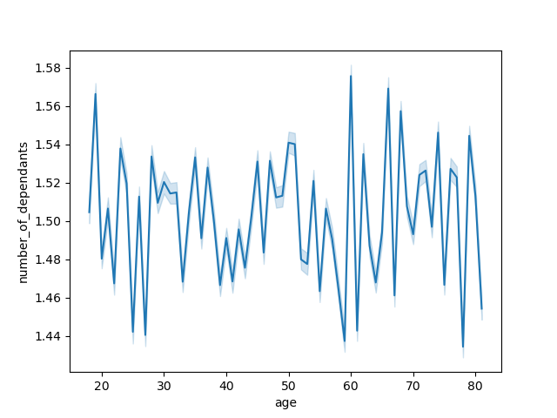

Insight:
The line chart shows that there is no apparent correlation between age and family situation. The number of dependents exhibits significant fluctuations among customers of similar ages. For example, around the age of 60, both one of the lowest and the highest number of dependents are observed.

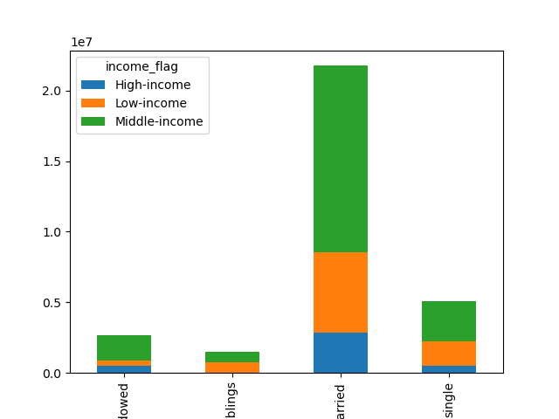
divorced/
widowed
living with parents and siblings
married
single
Insight:
While the majority of customers fall within the middle income range (between $70,000 and $150,000), the most prominent segment is the group of married customers with middle income, totaling 13,224,159 individuals. Following closely behind are married customers with low income. Interestingly, the divorced/widowed segment exhibits a higher proportion of high-income customers, with 19.4% falling into this category. Notably, customers living with parents and siblings unsurprisingly demonstrate the highest proportion of low-income customers.

 | Marital Status | High-income | Low-income | Middle-income
 | divorced/widowed | 19.4% | 13.3% | 67.2%
 | living with parents and siblings | 1.0% | 50.1% | 48.9%
 | married | 13.3% | 26.0% | 60.8%
 | single | 9.5% | 34.9% | 55.6%

Q1. The sales team needs to know what the busiest days of the week and hours of the day are (i.e., the days and times with the most orders) in order to schedule ads at times when there are fewer orders.

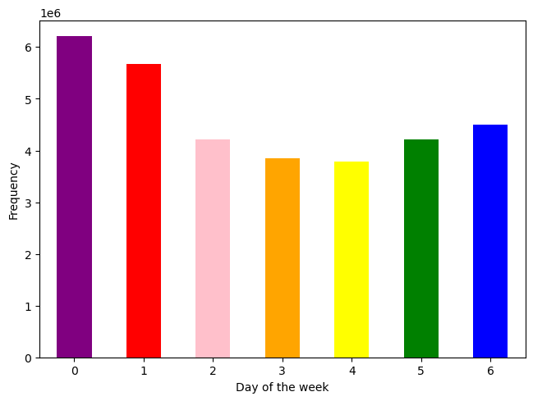
Recommendations:
- Schedule the majority of ads to be run from Monday to Friday, which are the days with less frequency of orders.
- Implement a system where clients receive more points for placing orders during busy times or for orders with larger values. This may stimulate larger and more frequent purchases.
- Run ads from Sunday to Thursday that are more directed to increase the value of each order, offer time-limited specials, awards for loyalty, or "buy one, get one" offers to draw interest and encourage clients to buy during this days.
- Design exclusive deals for Fridays to take advantage of the knowledge that these orders typically have higher average values. To encourage higher expenditure, highlight upmarket or luxury goods.

Insights:
The peak frequency of orders occurs on Saturday (0), closely followed by Sunday (1). Throughout the rest of the week, the number of orders remains relatively consistent.

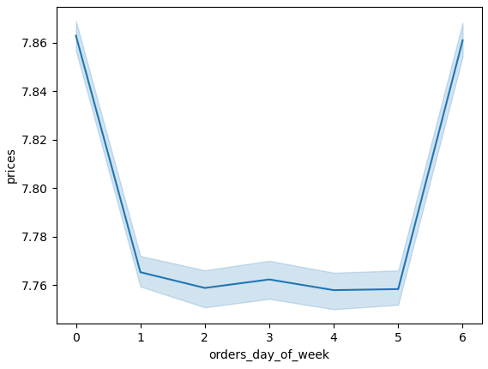
Insights:
When considering the value of orders placed, Saturday remains the most lucrative day both in terms of order count and revenue generated. Surprisingly, Friday emerges as the second most profitable day. Despite not being the day with the highest order volume, the orders placed on
Friday tend to have a higher average value.
Conversely, sales from Sunday to Thursday exhibit a consistent pattern in terms of revenue.

Q2. They also want to know whether there are particular times of the day when people spend the most money, as this might inform the type of products they advertise at these times.

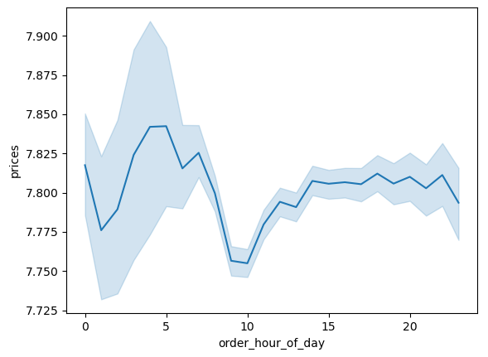
Recommendations:
- Capitalize on the peak order hours between 10 AM and 4 PM with targeted advertisements to remind and encourage customers to make purchases during these times.
- Run special promotions or flash sales during the evening hours to attract more customers as orders decrease after 5 PM.
Insights:
The line chart illustrates fluctuations in expenditure throughout the day, with the highest point occurring between 3 and 4 am, while the lowest point is just before 10 am. From that point onwards, the expenditure remains relatively stable for the remainder of the day.



Insights:
The data indicates that the busiest hour for Instacart is 10 AM, with the highest number of orders occurring at this time. However, before 10 AM there is a notable increase in orders starting at 9 AM. This elevated order activity continues until 4 PM, where the number of orders remains relatively consistent. Subsequently, starting from 5 PM, there is a gradual decline in orders that continues for the remainder of the day.

Q3. Instacart has a lot of products with different price tags. Marketing and sales want to use simpler price range groupings to help direct their efforts.

Recommendations:
- Promote products priced under $15, emphasizing the variety and cost-effectiveness of items available within this range.
- To encourage the purchase of products from both high and low price ranges, emphasize the exclusivity of the limited selection of high-range products, positioning them as premium items. Additionally, provide enticing discounts or exclusive deals on low-range products to motivate customers to explore and engage with items within this category.

Insights:
The majority of products within the store are priced at less than $15. This distribution is characterized by two primary peaks, one centered around $7.0 and another around $12.0. These price points represent the most common ranges for products within the store.

Insights:
Upon categorizing products into three price ranges – high, mid, and low – it becomes evident that approximately 67% of the products fall within the mid-range category, which spans from $5.0 to $15.0. Following this, low-range products account for 31% of the products. In contrast, high-range products comprise just over 1% of the total product offerings. This distribution underscores the dominance of mid-range products within the store's inventory.

 | price_range_loc | counts | percentage
 | Mid-range product | 21792446 | 67.4
 | Low-range product | 10130768 | 31.3
 | High-range product | 412555 | 1.3

Q4. Are there certain types of products that are more popular than others? The marketing and sales teams want to know which departments have the highest frequency of product orders.

Insights:
In terms of product distribution across the different departments, the majority of products are concentrated in the produce section. This is closely followed by the dairy/eggs and the snacks . On the other hand, the least populated departments include bulk, other, missing, and pets, each containing less than 1 product.
Recommendations:
- Focus ads on the produce department which is the most often visited area by customers. This can be achieved by providing a broader selection of food, emphasizing the quality and freshness of the products, and providing recipes and cooking advice.
- Create ads that highlight products from other, less popular departments to raise awareness of their availability on the app. Additionally suggest these items as add-ons based on the products that have been already bought to increase their exposure .
-For customers with incomes above 400k, focus on ads that showcase premium and luxury products, and offer value-driven promotions to customers with incomes below 200k, highlighting cost savings and affordability.

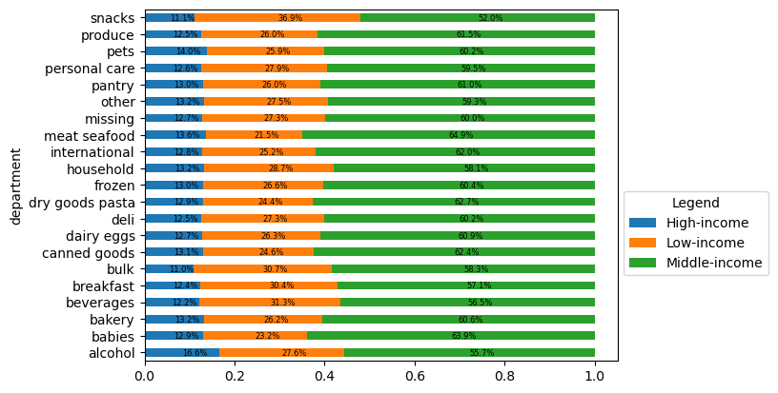

Insights:
When analyzing department preferences based on income brackets, customers falling within the middle income category exhibit the highest order frequency across most departments. Following this, low-income customers rank second in terms of departmental orders, with high-income customers showing the lowest order frequency in comparison.

Q5. What’s the distribution among users in regards to their brand loyalty (i.e., how often do they return to Instacart)?

Recommendations:
- Introduce subscription-based services for loyal customers, offering discounted rates for recurring orders.
- Develop loyalty programs that specifically cater to married customers with children, as this group tends to be the most loyal. Offer exclusive discounts, rewards, or early access to new products.

Insights:
The customer distribution based on loyalty reveals that a significant portion, nearly 50%, are categorized as regular customers, meaning they have placed between 10 and 40 orders. Approximately 30% of customers fall under the loyal customer category (they have placed more than 40 orders). New customers, defined as those with fewer than 10 orders, make up around 20% of the total customer base.

Insights:
The majority of loyal customers fall into the category of married adults, spanning various age groups (younger, middle-aged, older, and senior) with children. A significant 20% of the entire customer base comprises either Married Middle-aged Adults with kids or married Seniors with kids, who consistently engage in shopping. Conversely, single customers, regardless of their age and number of dependents, make up the smallest proportion among loyal, new, and regular customers.
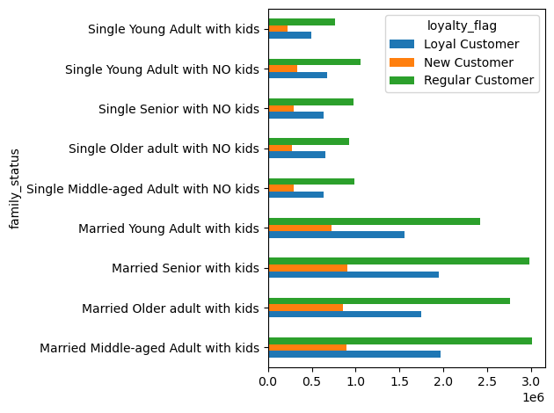

 | Family Status | Loyal Customers | New Customer | Regular Customers
 | Married Middle-aged Adult with kids | 6% | 3% | 10%
 | Married Older adult with kids | 6% | 3% | 9%
 | Married Senior with kids | 6% | 3% | 10%
 | Married Young Adult with kids | 5% | 2% | 8%
 | Single Middle-aged Adult with NO kids | 2% | 1% | 3%
 | Single Older adult with NO kids | 2% | 1% | 3%
 | Single Senior with NO kids | 2% | 1% | 3%
 | Single Young Adult with NO kids | 2% | 1% | 3%
 | Single Young Adult with kids | 2% | 1% | 2%

Q6. Are there differences in ordering habits based on a customer’s region?
Recommendations:
- Intensify marketing efforts in the South region, which has the highest customer concentration. Tailor promotions to cater to the preferences of customers in this region.
- Target campaigns to boost sales in regions with lower customer numbers, such as the Northeast, to encourage higher engagement.

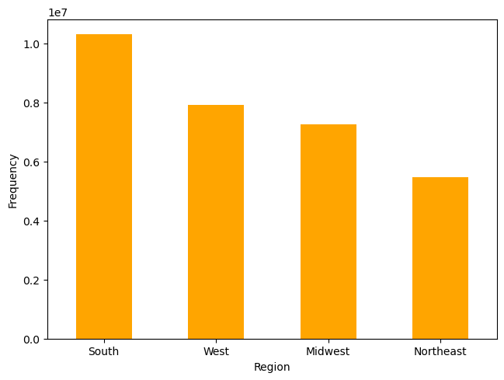
Insights:
Event though Instacart customers are distributed relatively evenly among the four regions, the largest proportion of customers is located in the South, accounting for 33% of the total customer base. Following this, the West region constitutes 26% of the customers, the Midwest region comprises 23%, and the Northeast region represents 18%.

 | Region | Counts | Percentage
 | South | 10,801,195 | 33%
 | West | 8,300,141 | 26%
 | Midwest | 7,603,550 | 23%
 | Northeast | 5,728,144 | 18%

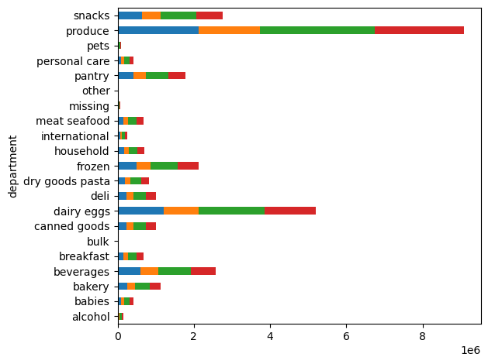

Insights:
-The south region seems to lead expenditure across most departments, however there are not noticeable differences among the departments.

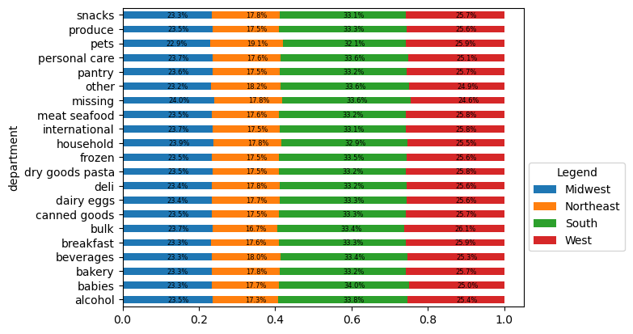

Q7. Is there a connection between age and family status in terms of ordering habits?

Recommendations:
- Run targeted advertisements for Single Young Adults, especially on Wednesdays. Display a variety of single-serving, convenient meals and snacks that suit their tastes and encourage more frequent orders.
- Launch special ads for senior singles when demand is lower. Emphasize nutritional choices, senior-friendly products, and products that cater to their tastes.
- Run campaigns that target Married Middle-aged Adults with kids and Married Seniors with kids during the peak order times of 10 AM to 4 PM. Highlight convenient ready-to-cook meals, family-size packs, and products suitable for family dinners to increase both order frequency and value per order.

Insight:
The peak order times occur between 10 AM and 4 PM, mostly driven by Married Middle-aged Adults with kids and Married Seniors with kids. Interestingly, during this high-order period, Single Young Adults with kids exhibit the lowest order frequency among all groups.

Insight:
The majority of the consumers who place orders on Saturdays and Sundays are married couples with kids. The lowest order volume, which is predominantly driven by Single Young Adults, occurs from Monday through Thursday. Single seniors follow closely behind and make a negligible contribution to the volume of orders on these days.

Insight:
Most of the family status groups follow a similar pattern of expenditure during the week. However, there are noticeable differences on Tuesday, where Single Young Adults with kids seem to be spending more than the rest of the groups, while Single Young Adults with no kids register the lowest point in purchases of the entire week out of all the family status groups. The tendency of Single Young Adults with kids remains on Wednesday, but there is a significant drop by Thursday.

Q8.What different classifications does the demographic information suggest? Age? Income? Certain types of goods? Family status?

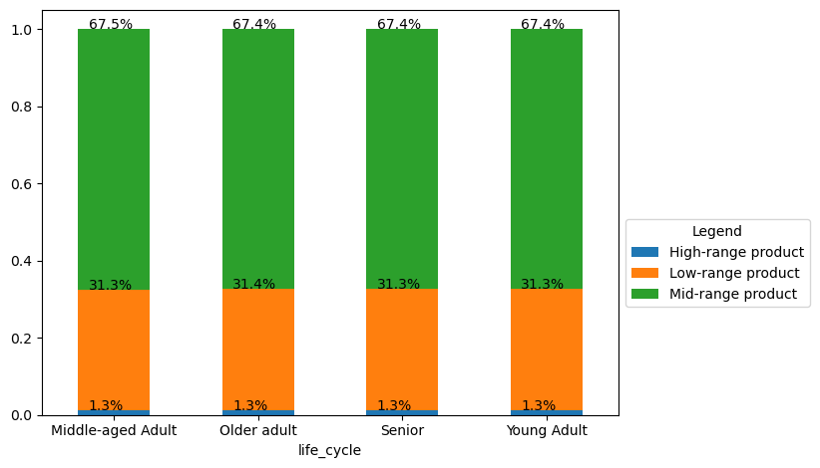
Recommendations:
- Highlight mid-range products throughout marketing campaigns, as they are preferred across all customer segments. This can be done by offering discounts, creating bundle deals, and highlighting the benefits of these products.
- Advertise high-end products to middle-income customers, as they make the most high-end product purchases.
- Promote organic and healthy options to all customers, specially customers aged 18 to 35, aligning with their preference for organic produce.
- Promote produce that does not sell well and create bundles with products such as bananas, organic strawberries, and organic baby spinach as these are the top-selling products to increase their visibility and sales.
- Promote products in the least popular departments ('bulk', 'other', 'missing', 'pets', and 'alcohol' ) see table in Additional Tables

Insight:
Regardless of age a consistent trend emerges among customers, where the preference leans toward mid-range products. This translates to a higher frequency of purchasing products priced between $5 and $15.

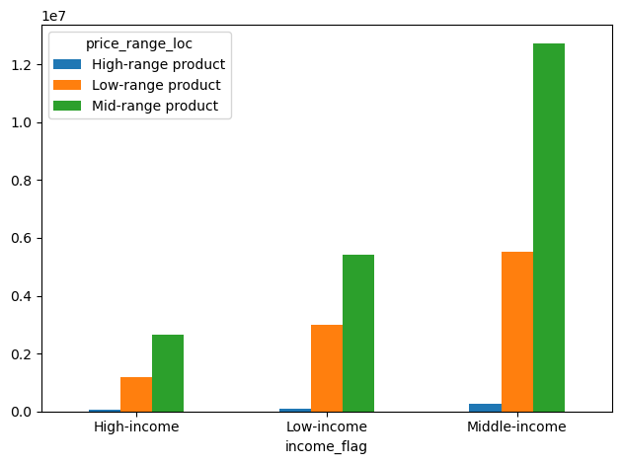
Insight:
Similarly, regardless of their income level, customers tend to exhibit a preference for mid-range products., Also, the proportion of customers purchasing high-end products remains consistent across all income groups, accounting for close to 1% of each category.
However, it's important to note that the variation in customer numbers among different income groups can influence the perception of high-end product purchases. Given the differences in group sizes, middle-income customers appear to make the most high-end product purchases. This observation could potentially be attributed to the larger representation of middle-income customers within the dataset.

 | Income group | High-range product | Low-range product | Mid-range product
 | High-income | 53428 | 1164927 | 2666955
 | Low-income | 82046 | 3002927 | 5422611
 | Middle-income | 257606 | 5511228 | 12736822

Insight:
The list of the top 30 best-selling products belong to most popular department, which is the produce department. The best-selling product is bananas, followed by organic strawberries and organic baby spinach. Interestingly, among the age groups, young adults emerge as the primary consumers of these top-selling items.

8. Additional Tables
Additional Tables

Customer Profile distribution
Family Status |  |  |  | Counts
Married Middle-aged Adult with kids |  |  |  | 5863680
Married Senior with kids |  |  |  | 5829819
Married Older adult with kids |  |  |  | 5367274
Married Young Adult with kids |  |  |  | 4701497
Single Young Adult with NO kids |  |  |  | 2065423
Single Middle-aged Adult with NO kids |  |  |  | 1917545
Single Senior with NO kids |  |  |  | 1907560
Single Older adult with NO kids |  |  |  | 1856169
Single Young Adult with kids |  |  |  | 1482575

max, mean, and min variables on a customer-profile level for usage frequency and expenditure
Family Status |  |  |  |  |  | days_since_last_order |  |  | prices
 |  |  |  |  |  | max | mean | min | max | mean | min
Married Middle-aged Adult with kids |  |  |  |  |  | 30 | 10.770331 | 0 | 25 | 7.800066 | 1
Married Older adult with kids |  |  |  |  |  | 30 | 10.905587 | 0 | 25 | 7.793678 | 1
Married Senior with kids |  |  |  |  |  | 30 | 10.799393 | 0 | 25 | 7.795389 | 1
Married Young Adult with kids |  |  |  |  |  | 30 | 10.814871 | 0 | 25 | 7.785475 | 1
Single Middle-aged Adult with NO kids |  |  |  |  |  | 30 | 10.859981 | 0 | 25 | 7.795161 | 1
Single Older adult with NO kids |  |  |  |  |  | 30 | 10.612965 | 0 | 25 | 7.788473 | 1
Single Senior with NO kids |  |  |  |  |  | 30 | 10.78521 | 0 | 25 | 7.806767 | 1
Single Young Adult with NO kids |  |  |  |  |  | 30 | 10.895306 | 0 | 25 | 7.785161 | 1
Single Young Adult with kids |  |  |  |  |  | 30 | 10.750746 | 0 | 25 | 7.805131 | 1

Product preference vs Income
income_flag |  | High-range product |  | Low-range product |  | Mid-range product
High-income |  | 53428 |  | 1164927 |  | 2666955
Low-income |  | 82046 |  | 3002927 |  | 5422611
Middle-income |  | 257606 |  | 5511228 |  | 12736822

Income distribution amongst the different Family status groups
family_status |  |  |  | High-income |  | Low-income |  | Middle-income
Married Middle-aged Adult with kids |  |  |  | 731592 |  | 1622143 |  | 3509945
Married Older adult with kids |  |  |  | 1025677 |  | 761942 |  | 3579655
Married Senior with kids |  |  |  | 1086407 |  | 811868 |  | 3931544
Married Young Adult with kids |  |  |  | 41787 |  | 2456695 |  | 2203015
Single Middle-aged Adult with NO kids |  |  |  | 250824 |  | 541054 |  | 1125667
Single Older adult with NO kids |  |  |  | 359836 |  | 261231 |  | 1235102
Single Senior with NO kids |  |  |  | 367683 |  | 250981 |  | 1288896
Single Young Adult with NO kids |  |  |  | 19007 |  | 1080532 |  | 965884
Single Young Adult with kids |  |  |  | 14971 |  | 742030 |  | 725574

Orders by hour for each Family Status group
order_hour_of_day | Married Middle-aged Adult with kids | Married Older adult with kids | Married Senior with kids | Married Young Adult with kids | Single Middle-aged Adult with NO kids | Single Older adult with NO kids | Single Senior with NO kids | Single Young Adult with NO kids | Single Young Adult with kids
0 | 39401 | 35727 | 38407 | 32516 | 14075 | 11878 | 11733 | 13788 | 10666
1 | 21589 | 18451 | 20693 | 16655 | 6867 | 6196 | 6148 | 7539 | 5561
2 | 12680 | 10496 | 11861 | 10466 | 3861 | 3766 | 4703 | 4416 | 3489
3 | 9229 | 7893 | 9237 | 7551 | 2577 | 3104 | 3372 | 3331 | 2537
4 | 8721 | 9417 | 10064 | 7590 | 2947 | 2908 | 2870 | 3486 | 2796
5 | 15374 | 14879 | 16125 | 12478 | 5105 | 4871 | 5711 | 5622 | 4340
6 | 51978 | 48559 | 52762 | 42167 | 16526 | 16658 | 17620 | 20126 | 14879
7 | 156908 | 151216 | 164156 | 129161 | 51654 | 53714 | 56198 | 58746 | 42279
8 | 314172 | 285859 | 314843 | 253646 | 105010 | 100728 | 101835 | 108808 | 75909
9 | 448836 | 407324 | 448394 | 360298 | 145221 | 140669 | 144815 | 159661 | 110704
10 | 502624 | 458234 | 500937 | 407099 | 162291 | 157889 | 161288 | 175056 | 126768
11 | 496295 | 453873 | 489232 | 400155 | 162258 | 153346 | 161412 | 175160 | 125402
12 | 474242 | 434129 | 469098 | 380610 | 154820 | 146960 | 153665 | 165151 | 119198
13 | 482091 | 443117 | 474810 | 386815 | 156900 | 151297 | 156425 | 167094 | 122854
14 | 485134 | 446561 | 485150 | 390025 | 159753 | 153237 | 156950 | 170488 | 122817
15 | 478538 | 443905 | 470120 | 386833 | 157383 | 150929 | 156704 | 172365 | 121368
16 | 449980 | 420744 | 451556 | 366565 | 151512 | 147347 | 149164 | 162983 | 115887
17 | 377138 | 344273 | 374731 | 295236 | 122197 | 121154 | 120892 | 132491 | 95879
18 | 298980 | 267409 | 297381 | 231772 | 96200 | 91501 | 94571 | 100166 | 74495
19 | 226887 | 206034 | 225431 | 179199 | 73359 | 71535 | 74525 | 80186 | 57697
20 | 176245 | 161086 | 173085 | 142814 | 57414 | 56763 | 58559 | 62034 | 43702
21 | 146538 | 131231 | 145140 | 114149 | 46429 | 46678 | 47408 | 50620 | 35592
22 | 116183 | 101838 | 113872 | 92175 | 38030 | 38349 | 37458 | 40608 | 29016
23 | 73917 | 65019 | 72734 | 55522 | 25156 | 24692 | 23534 | 25498 | 18740

Loyalty _flag vs Family status
family_status |  |  | Loyal Customer | New Customer | Regular Customer
Married Middle-aged Adult with kids |  |  | 1963011 | 890473 | 3010196
Married Older adult with kids |  |  | 1747985 | 858794 | 2760495
Married Senior with kids |  |  | 1945700 | 905382 | 2978737
Married Young Adult with kids |  |  | 1551985 | 728761 | 2420751
Single Middle-aged Adult with NO kids |  |  | 634257 | 295491 | 987797
Single Older adult with NO kids |  |  | 650197 | 276241 | 929731 |  |  |  |  |  |  |  | Senior | Young Adult
Single Senior with NO kids |  |  | 634169 | 298613 | 974778 |  |  |  |  |  |  |  | 1 | 0
Single Young Adult with NO kids |  |  | 672879 | 331933 | 1060611 |  |  |  |  |  |  |  | 0 | 0
Single Young Adult with kids |  |  | 493251 | 221962 | 767362 |  |  |  |  |  |  |  | 0 | 0
 |  |  |  |  |  |  |  |  |  |  |  |  | 0 | 1
Top 50 products in the 'Produce' department and age preference |  |  |  |  |  |  |  | Bottom 50 products in the 'bulk', 'other', 'missing', 'pets', and 'alcohol' departments and age preference |  |  |  |  | 2 | 0
Products |  | Middle-aged Adult |  | Older adult | Senior | Young Adult |  | Product |  | Middle-aged Adult |  | Older adult | 0 | 0
Apple Honeycrisp Organic |  | 21420 |  | 18537 | 20704 | 21688 |  | 'Swingtop' Premium Lager |  | 0 |  | 0 | 2 | 0
Asparagus |  | 16071 |  | 15178 | 16115 | 16784 |  | 18 Year Scotch Whisky |  | 0 |  | 2 | 0 | 0
Bag of Organic Bananas |  | 91481 |  | 86043 | 92156 | 96723 |  | Aged Rum |  | 1 |  | 0 | 1 | 0
Banana |  | 114661 |  | 105092 | 112556 | 120855 |  | Anti-Fungal Liquid, Maximum Strength |  | 1 |  | 0 | 0 | 1
Bunched Cilantro |  | 11198 |  | 10032 | 10720 | 11182 |  | Black Cherry Ginger Ale |  | 0 |  | 3 | 0 | 0
Carrots |  | 17666 |  | 15945 | 17624 | 18624 |  | Boneless Beef Top Round Steak |  | 1 |  | 0 | 0 | 3
Cucumber Kirby |  | 23559 |  | 21405 | 22985 | 24663 |  | Butter Rum Individually Wrapped Hard Candy |  | 0 |  | 0 | 0 | 2
Fresh Cauliflower |  | 17377 |  | 16134 | 17024 | 18347 |  | Butter Snaps Bonus Bag |  | 1 |  | 0 | 1 | 0
Granny Smith Apples |  | 8788 |  | 7862 | 8830 | 9117 |  | Cabernet Sauvignon California 2008 |  | 1 |  | 1 | 1 | 0
Green Beans |  | 6954 |  | 6386 | 6865 | 7424 |  | Chardonnay Carneros |  | 0 |  | 0 | 0 | 0
Green Bell Pepper |  | 13493 |  | 12004 | 12897 | 14686 |  | Chewy Chocolate Chip |  | 1 |  | 0 | 1 | 0
Green Onions |  | 6334 |  | 5728 | 6335 | 6550 |  | Chicken Meatballs Dog Treats |  | 3 |  | 0 | 1 | 0
Hass Avocados |  | 11965 |  | 11228 | 12348 | 12430 |  | Complete Fresh Scent Dish Detergent Action Pacs |  | 1 |  | 0 | 0 | 1
Jalapeno Peppers |  | 10213 |  | 9373 | 10142 | 10712 |  | Complete Health Kitten Dry Food |  | 0 |  | 1 | 0 | 3
Large Lemon |  | 37022 |  | 33174 | 36484 | 38717 |  | Cranberry |  | 4 |  | 0 | 0 | 1
Limes |  | 34265 |  | 31107 | 33612 | 35767 |  | Dried Porcini Mushroom |  | 0 |  | 1 | 1 | 0
Michigan Organic Kale |  | 15874 |  | 15417 | 16168 | 16959 |  | Dynostix Rawhide Chew With Meat |  | 0 |  | 0 | 0 | 0
Orange Bell Pepper |  | 9388 |  | 8662 | 9374 | 9857 |  | Extreme Clumping Cat Litter Hawaiian Aloha Scent |  | 1 |  | 0 | 0 | 3
Organic Avocado |  | 43242 |  | 39222 | 40997 | 44806 |  | Fresh Scent Clumping Cat Litter |  | 0 |  | 1 | 1 | 0
Organic Baby Arugula |  | 17445 |  | 16024 | 17579 | 18780 |  | Friskies Party Mix Crunch California Dreamin' Cat Treats |  | 2 |  | 0 | 0 | 0
Organic Baby Carrots |  | 17810 |  | 17494 | 18733 | 19740 |  | Fruities On-the-Go Apple, Mango, & Carrot Puree |  | 2 |  | 0 | 0 | 1
Organic Baby Spinach |  | 59037 |  | 53857 | 57464 | 61414 |  | Gluten Free Gold Lager |  | 1 |  | 0 | 1 | 0
Organic Blackberries |  | 14880 |  | 14111 | 14586 | 15877 |  | Gold Medal Apple Juice |  | 2 |  | 0 | 0 | 0
Organic Blueberries |  | 23851 |  | 22223 | 24260 | 25303 |  | Golden Banquet Beer |  | 0 |  | 0 | 2 | 0
Organic Broccoli |  | 9321 |  | 8571 | 9748 | 9581 |  | Golden Gate Gose |  | 0 |  | 0 | 1 | 1
Organic Cucumber |  | 19237 |  | 18263 | 19666 | 20333 |  | Granola Cups Peanut Butter Chocolate |  | 1 |  | 1 | 1 | 1
Organic D'Anjou Pears |  | 11686 |  | 11261 | 11879 | 12704 |  | Heroine IPA |  | 1 |  | 0 | 0 | 3
Organic Gala Apples |  | 17738 |  | 16610 | 17639 | 18665 |  | Lndbrg White Quinoa 16 Z |  | 0 |  | 0 | 2 | 0
Organic Garlic |  | 26382 |  | 24367 | 26478 | 28412 |  | Lux German Style Lager |  | 0 |  | 1 | 1 | 2
Organic Ginger Root |  | 12858 |  | 11752 | 12530 | 13022 |  | Medium Clear Hooks With Clear Strips |  | 1 |  | 0 | 1 | 1
Organic Grape Tomatoes |  | 20344 |  | 19019 | 20178 | 21215 |  | Melatonin Chewable Lozenges 3 Mg |  | 0 |  | 0 | 0 | 1
Organic Hass Avocado |  | 51952 |  | 48395 | 52027 | 54425 |  | Merlot Napa Valley, 2004 |  | 1 |  | 1 | 1 | 2
Organic Italian Parsley Bunch |  | 14926 |  | 13600 | 14180 | 15802 |  | Mini Easter Candy Cane |  | 0 |  | 0 | 0 | 1
Organic Lacinato (Dinosaur) Kale |  | 10343 |  | 9787 | 10327 | 10972 |  | Mins Baking Bits |  | 2 |  | 0 | 0 | 1
Organic Large Extra Fancy Fuji Apple |  | 18113 |  | 17359 | 17816 | 19796 |  | Natural Minerals Sundreams Lotus Infused Bronzer Duo Sunkissed Glow |  | 1 |  | 0 | 0 | 0
Organic Lemon |  | 20918 |  | 19606 | 21190 | 22894 |  | No Salt Added Diced Tomatoes |  | 0 |  | 0 | 0 | 0
Organic Navel Orange |  | 10144 |  | 9599 | 10376 | 11121 |  | Nutrish Naturally Delish Chicken Paw Pie Wet Dog Food |  | 1 |  | 0 | 0 | 1
Organic Raspberries |  | 32714 |  | 31303 | 33045 | 35883 |  | Organe Soda |  | 0 |  | 0 | 0 | 2
Organic Red Bell Pepper |  | 14211 |  | 12716 | 13730 | 14850 |  | Organic Chickpea Fusilli Pasta |  | 0 |  | 0 | 2 | 1
Organic Red Onion |  | 16406 |  | 14679 | 15953 | 17104 |  | Organic Green Bell Pepper |  | 0 |  | 1 | 0 | 0
Organic Roma Tomato |  | 7293 |  | 6441 | 6968 | 7462 |  | Original Jerky |  | 1 |  | 0 | 2 | 0
Organic Romaine Lettuce |  | 8335 |  | 7943 | 8210 | 9030 |  | Peachtree Schnapps |  | 1 |  | 0 | 0 | 0
Organic Small Bunch Celery |  | 16625 |  | 15491 | 16354 | 17244 |  | Pediatric Electrolyte Fruit Flavor Natural & Artificial Flavor |  | 2 |  | 1 | 0 | 1
Organic Strawberries |  | 63882 |  | 59563 | 63943 | 68600 |  | Piercing Pils |  | 0 |  | 2 | 1 | 0
Organic Tomato Cluster |  | 15929 |  | 14362 | 15393 | 16208 |  | Pina Colada Mix |  | 0 |  | 0
Organic Yellow Peaches |  | 5383 |  | 4863 | 5184 | 5444 |  | Salt & Vinegar Flavored Potato Crisps |  | 0 |  | 1
Organic Zucchini |  | 25373 |  | 23268 | 25349 | 26674 |  | Sausage Maple Pork Patties |  | 1 |  | 0
Roma Tomato |  | 9703 |  | 8578 | 9308 | 10322 |  | Sweet Chips Ahoy, Nutter Butter & Oreo Cookie Variety Pack |  | 2 |  | 1
Russet Potato |  | 6776 |  | 6449 | 6895 | 7731 |  | Triple Zero Cherry Greek Yogurt |  | 0 |  | 0
Small Hass Avocado |  | 12049 |  | 10623 | 11662 | 12524 |  | Yellow Zucchini Squash |  | 0 |  | 0

