2.2 User defined
Typical days inputs :
Typical Days
Number (min 1, max 365) | 12
Weights |  | Cell importance
Electricity (%_elec) | 3 | 217915.77
Space Heating (%_sh) | 3 | 430870.13
PV | 1.5 | 49.48 | Weight changed : 3 for RE, and 50-50 between sun and wind
Wind_onshore | 0.75 | 61.24
Wind_offshore | 0.75 | 247.73
Space Cooling | 1 | 10000.00
Hydro_dam | 0 | 0.00

Economical input
Interest rate | i_rate | 0.015 | [-] | TBC


Political inputs
re_share | re_share | 0 | [-] |  |  |  | From Belgium heating road map (http://vbn.aau.dk/files/287929422/Country_Roadmap_Belgium_20181005.pdf)
CO2 limit | gwp_limit | 1000000 | [tCO2_eq/year]
Land available for solar limit | solar_area | 1000000 | km2

Solar characteristics
Power density [GW/km2] | power_density_pv | 0.2367 | PV : 1 kW/4.22m2 => 0.2367 kW/m2 => 0.2367 GW/km2 | /!\ values for central-west Europe: not necessarily OK for UK
 | power_density_solar_thermal | 0.2857 | Solar thermal : 1 kW/3.5m2 => 0.2857 kW/m2 => 0.2857 GW/km2 | /!\ values for central-west Europe: not necessarily OK for UK

Technologies shares
min/max share | min. |  | max.
share_mobility_public | %_public,min | 0.199 | %_public,max | 0.5 |  | TBC
share_freight_train | %_rail,min | 0.109 | %_rail,max | 0.25 |  | TBC
share_freight_boat | %_boat,min | 0.156 | %_boat,max | 0.3 |  | TBC
share_freight_truck | %_truck,min | 0 | %_truck,max | 3 |  | TBC
share_heat_dhn | %_dhn,min | 0.02 | %_dhn,max | 0.37 |  | TBC

Electric vehicles
Max number of cars | vehicuke_capacity ('PHEV') | 50.4 | # km-pass/h/veh. : Gives the equivalence between capacity and number of vehicles. |  | TBC
 | vehicuke_capacity ('BEV') | 50.4 | # km-pass/h/veh. : Gives the equivalence between capacity and number of vehicles.
Electric vehicle Battery size | ev_batt,size('PHEV') | 0.0000044 | Battery of PHEV = 4.4kWh per car |  |  |  | From Belgium statistiques : https://mobilit.belgium.be/sites/default/files/chiffres_cles_mobilite_2017.pdf
 | ev_batt,size('BEV') | 0.000024 | Battery of BEV = 24kWh per car |  |  |  | Interpretation : %pub_min = 18%
 |  |  |  |  |  |  |  | %_rail_min = 12.4%
Network
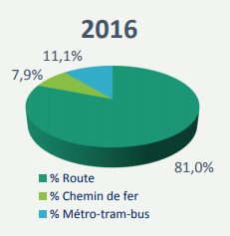
loss_network
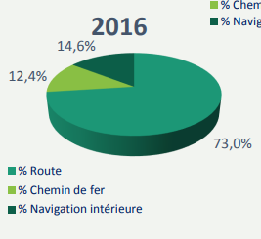
ELECTRICITY | 0.061238988349 | [-]
HEAT_LOW_T_DHN | 0.07 | [-] | TBC

Cost to enforce power grid to full RE potential
c_grid_enforce | 367.8 | M€/GW of renewables | TBC

Interconnection capacity:
elec_import_capacity | 12.25 | GW

