Sheet1
Food | Dairy | Chocolate | Alcohol | FUEL | GAS
0.53 | 3.15 | 7.5 | 1.79 | 2.3 | 1.9
0.86 | 23.88 | 5 |  | 2.7 | 2.55
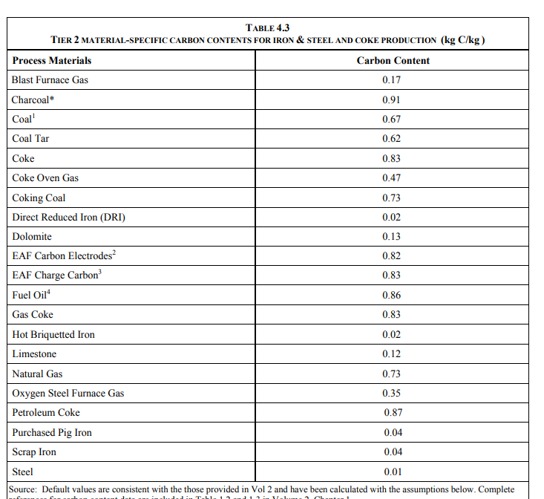
0.98 |  | 6.25 |  | 2.5 | 2.225
0.98
1.05
1.18
1.53
1.57
1.7
1.79
1.81
2.09
2.48
3.16
3.2
4.45
4.67
9.87
12.31
13.63
26.87
28.53
33.3
39.7
8.26

