User_Scenario_Testing
 | Test Result
Test Case #1:
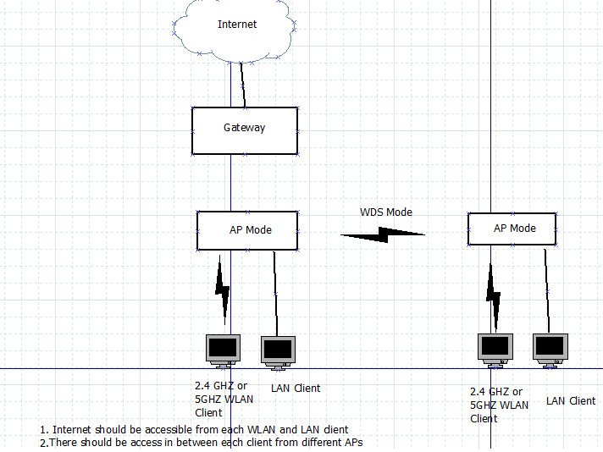

 | PASS

Test Case #2

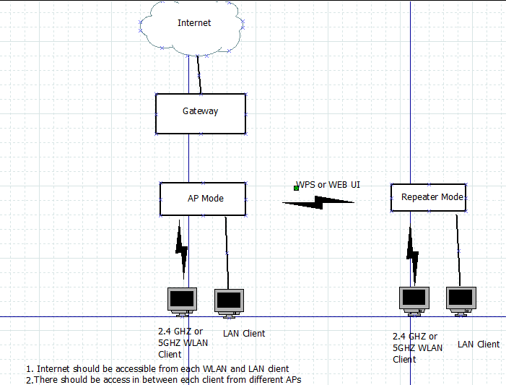

 | PASS

Test Case #3:

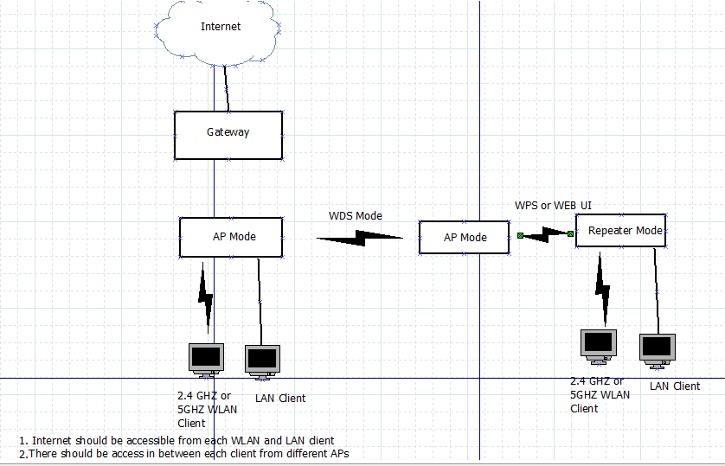

 | PASS

Test Case #4:

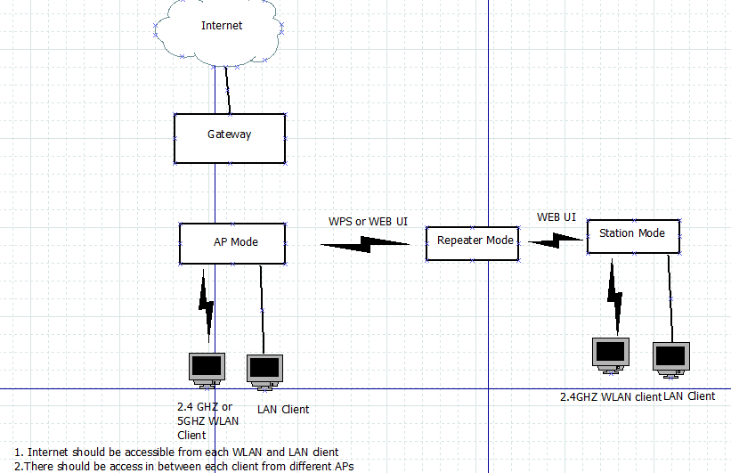

 | PASS

Test Case #5

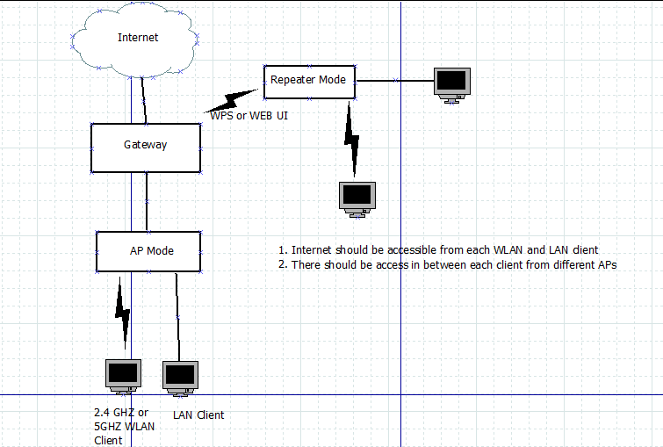

 | PASS

Test_Case #6

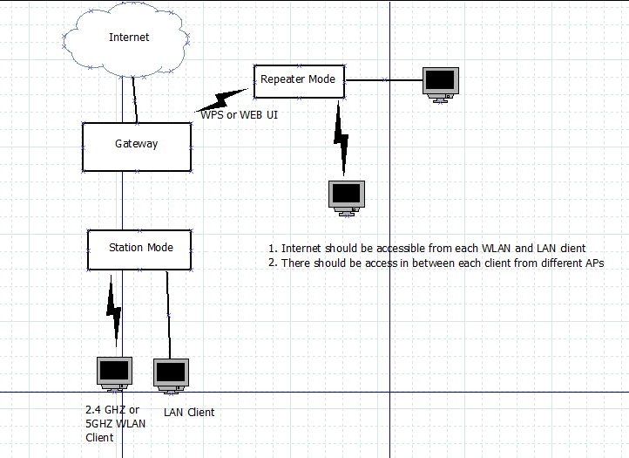

 | PASS

Throughput
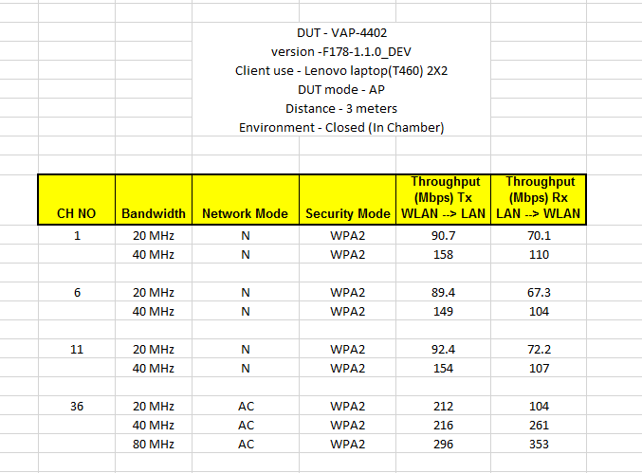
 | Test case Name | Steps | Expected Results | Results
1 | Measure wireless throughtput between wifi clients behind AP in 2.4GHz | 1) Configure DUT in 802.11n mode. 2) Connect WIFI clients to extender in n Mode 3) Configure LAN1 as iperf client and LAN2 as iperf server and send the traffic . Variation : Execute above test cases with WPA,WPA2 authentication | 1) wifi client 1 and client 2 should get successfully associated with DUT. 2) DUT should be stable with no crashes and errors 3) Measure the throughput on wifi client2 4) Throughput MUST be at least 70% of the access speed (connection rate) at any distance and a MTU size of 1500 | PASS
2 | Measure wireless throughtput between WLAN to LAN client behind gateway in 2.4GHz | 1) Configure DUT in 802.11n mode. 2) Connect WIFI clients to extender in n Mode and LAN client to GW, 3) Configure LAN1 as iperf client and LAN2 as iperf server and send the traffic . Variation : Execute above test cases with WPA,WPA2 authentication | 1) wifi client 1 and LAN1 should get successfully associated with DUT. 2) DUT should be stable with no crashes and errors 3) Measure the throughput on wifi client2 4) Throughput MUST be at least 70% of the access speed (connection rate) at any distance and a MTU size of 1500 | PASS
3 | Measure wireless throughtput between WLAN(behind extender) to WLAN client behind gateway 2.4 GHz | 1) Configure DUT in 802.11n mode. 2) Connect WIFI clients to extender in n Mode and LAN client to GW, 3) Configure LAN1 as iperf client and LAN2 as iperf server and send the traffic . Variation : Execute above test cases with WPA,WPA2 authentication | 1) wifi clients should successfully associate with DUT & GW. 2) DUT should be stable with no crashes and errors 3) Measure the throughput on wifi client2 4) Throughput MUST be at least 70% of the access speed (connection rate) at any distance and a MTU size of 1500 | PASS
4 | Measure wireless throughtput between wifi clients behind AP in 5 GHz | 1) Configure DUT in 802.11ac mode. 2) Connect WIFI clients to extender in n Mode 3) Configure LAN1 as iperf client and LAN2 as iperf server and send the traffic . Variation : Execute above test cases with WPA,WPA2 authentication | 1) wifi client 1 and client 2 should get successfully associated with DUT. 2) DUT should be stable with no crashes and errors 3) Measure the throughput on wifi client2 4) Throughput MUST be at least 70% of the access speed (connection rate) at any distance and a MTU size of 1500 | PASS
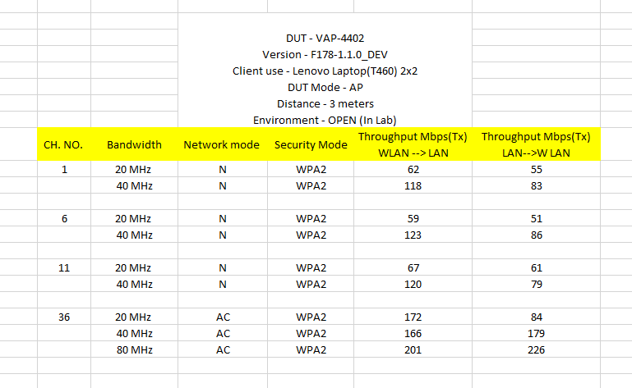
 | Measure wireless throughtput between WLAN to LAN client behind gateway in 5 GHz | 1) Configure DUT in 802.11ac mode. 2) Connect WIFI clients to extender in n Mode and LAN client to GW, 3) Configure LAN1 as iperf client and LAN2 as iperf server and send the traffic . Variation : Execute above test cases with WPA,WPA2 authentication | 1) wifi client 1 and LAN1 should get successfully associated with DUT. 2) DUT should be stable with no crashes and errors 3) Measure the throughput on wifi client2 4) Throughput MUST be at least 70% of the access speed (connection rate) at any distance and a MTU size of 1500 | PASS
 | Measure wireless throughtput between WLAN(behind extender) to WLAN client behind gateway 5 GHz | 1) Configure DUT in 802.11ac mode. 2) Connect WIFI clients to extender in n Mode and LAN client to GW, 3) Configure LAN1 as iperf client and LAN2 as iperf server and send the traffic . Variation : Execute above test cases with WPA,WPA2 authentication | 1) wifi clients should successfully associate with DUT & GW. 2) DUT should be stable with no crashes and errors 3) Measure the throughput on wifi client2 4) Throughput MUST be at least 70% of the access speed (connection rate) at any distance and a MTU size of 1500 | PASS

