Executive Summary
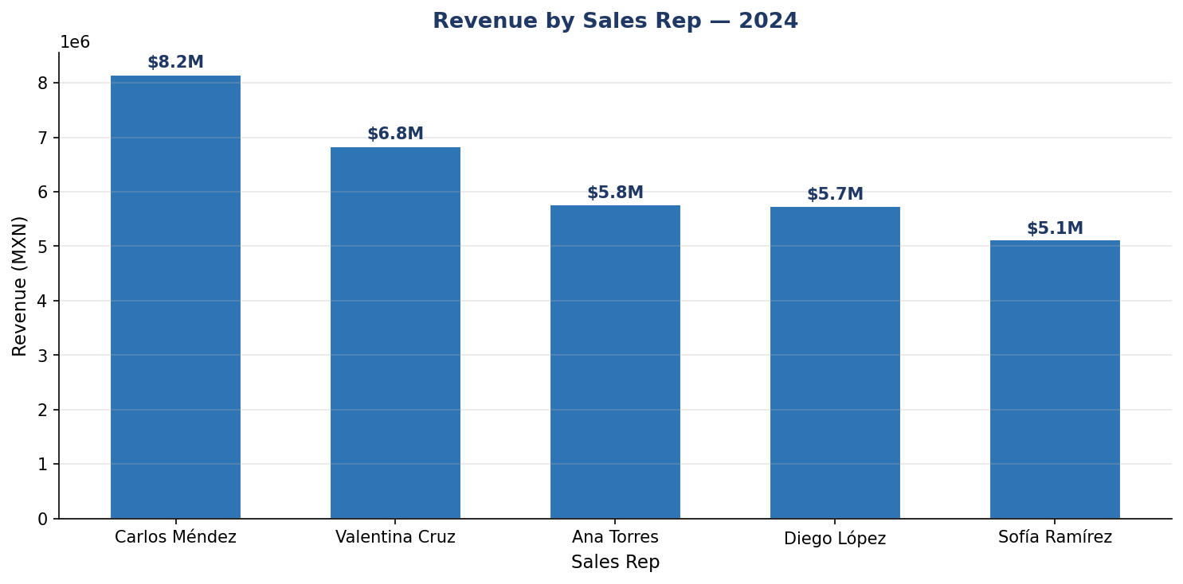
KPI | Value
Total Revenue (2024) | $91,265,380.00
Completed Revenue (2024) | $65,038,470.00
Total Orders (2024) | 2,000
Completion Rate (2024) | 71.0%
Cancellation Rate (2024) | 14.4%
Avg Order Value (2024) | $45,632.69

