01,02,03,04
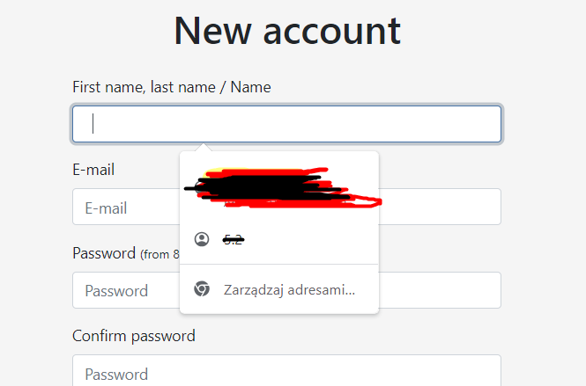
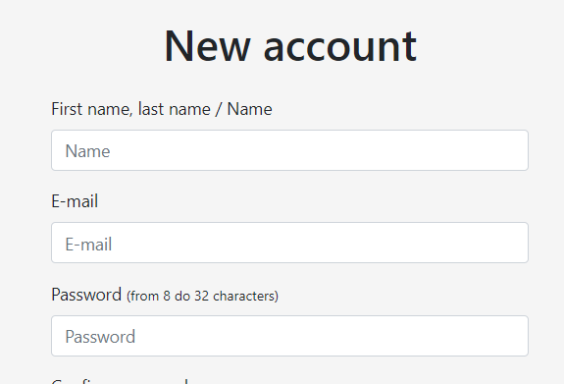
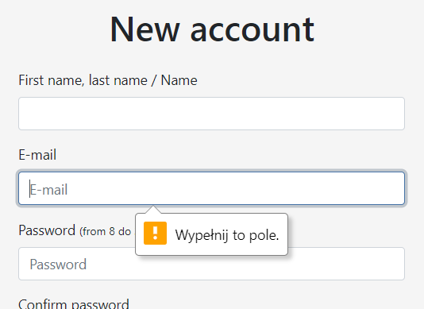

f

type SPACE as a name,
OR
filling out the field maximally using 50 (any) characters.
occures NO error regarding to "name".
Additionally an occured error is not in english.
CLICK

04
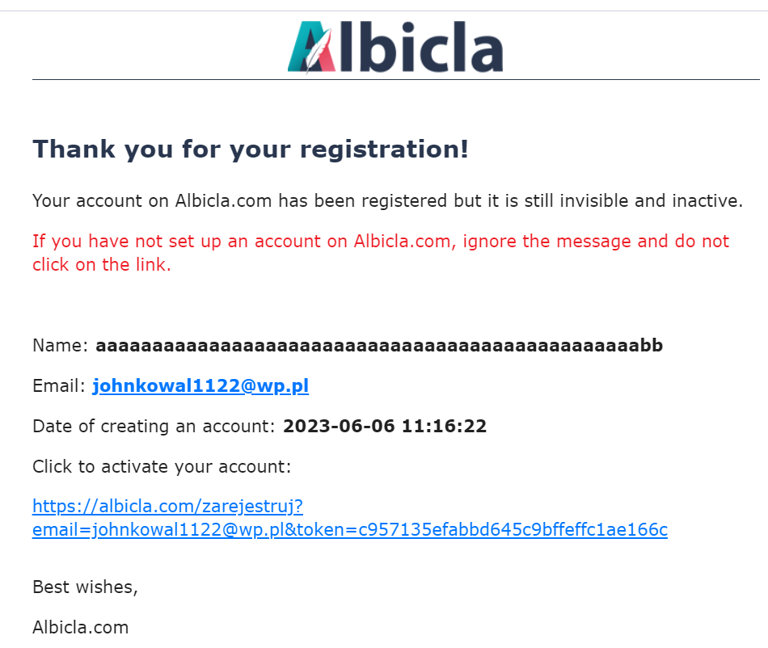
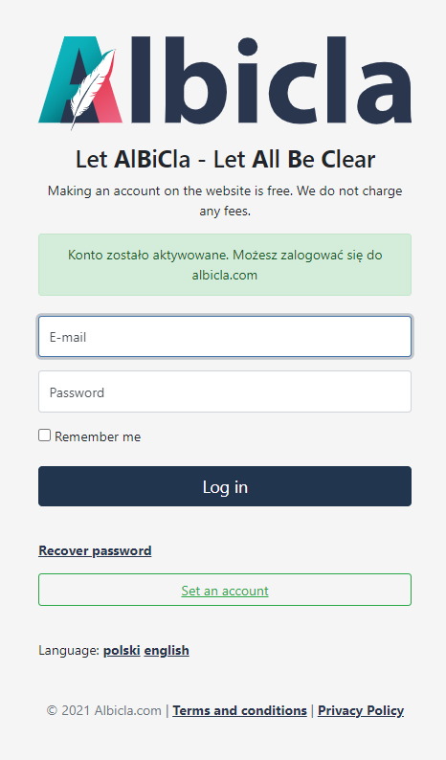
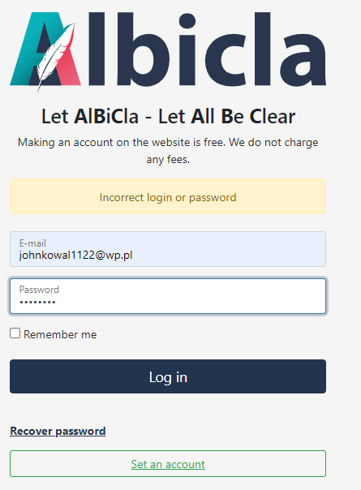

Activating an account with incorrect name format.
- Information about successful activating occures.
Trying to log in using valid e-mail and password (8xSPACE).
- log in failed.

01,02,04,08
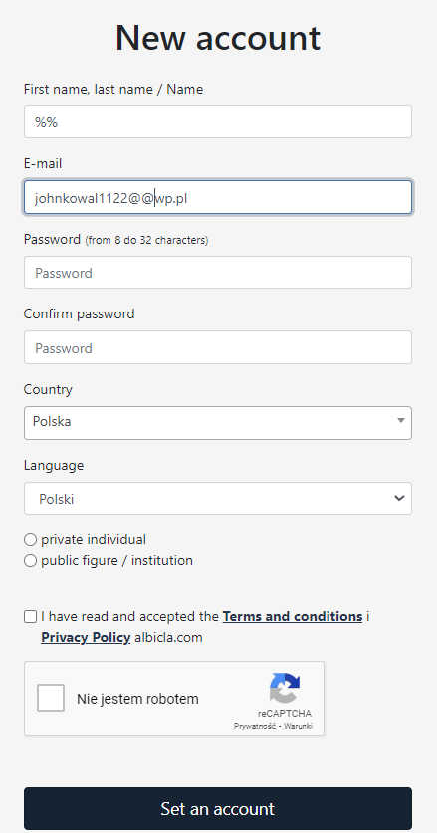
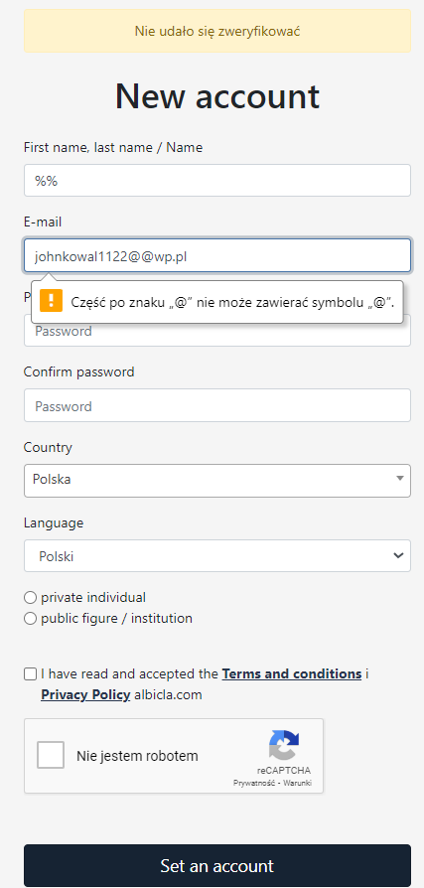
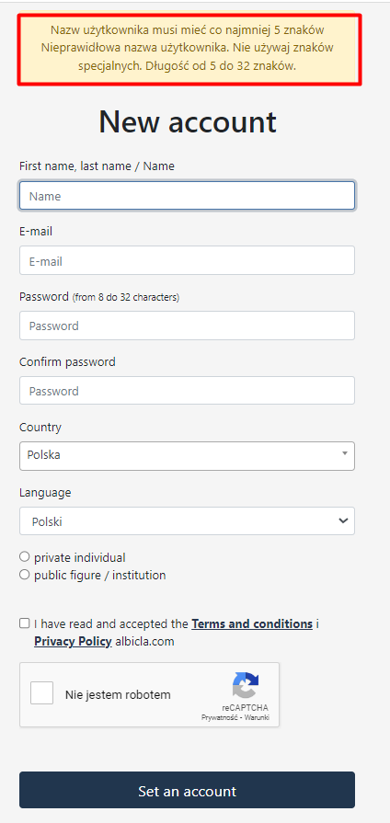
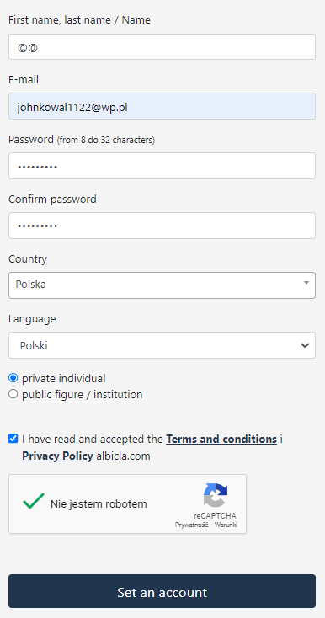

dd

name is written incorrectly, as well as email. CLICK
occures an error regarding to email (only)
Error with informations about correct format of name occures. (too late and in polish)
Filling out the rest of fields correctly
CLICK

05,06,07
