04.1_GRAFICOS_BASE
Ano | (Tudo) |  | Ano | (Tudo)

Rótulos de Linha | Vendas | Lucro | Rótulos de Linha | Contagem de Order ID
janeiro | 94924.8356 | 9134.4461 | janeiro | 381
fevereiro | 59751.2514 | 10294.6107 | fevereiro | 300
março | 205005.4888 | 28594.6872 | março | 696
abril | 137762.1286 | 11587.4363 | abril | 668
maio | 155028.8117 | 22411.3078 | maio | 735
junho | 152718.6793 | 21285.7954 | junho | 717
julho | 147238.097 | 13832.6648 | julho | 710
agosto | 159044.063 | 21776.9384 | agosto | 706
setembro | 307649.9457 | 36857.4753 | setembro | 1383
outubro | 200322.9847 | 31784.0413 | outubro | 819
novembro | 352461.071 | 35468.4265 | novembro | 1471
dezembro | 325293.5035 | 43369.1919 | dezembro | 1408
Total Geral | 2297200.8603 | 286397.0217

Ano | (Tudo)

Rótulos de Linha | Soma de Sales |  | Rótulos de Linha | Soma de Sales
Furniture | 741,999.80 |  | Sean Miller | 25,043.05
Office Supplies | 719,047.03 |  | Tamara Chand | 19,052.22
Technology | 836,154.03 |  | Raymond Buch | 15,117.34
Total Geral | 2,297,200.86 |  | Tom Ashbrook | 14,595.62
 |  |  | Adrian Barton | 14,473.57
 |  |  | Ken Lonsdale | 14,175.23
 |  |  | Sanjit Chand | 14,142.33
 |  |  | Hunter Lopez | 12,873.30
 |  |  | Sanjit Engle | 12,209.44
 |  |  | Christopher Conant | 12,129.07
 |  |  | Total Geral | 153,811.17

Ano | (Tudo)

Rótulos de Linha | Soma de Profit
Furniture | 18451.2728
Office Supplies | 122490.8008
Technology | 145454.9481
Total Geral | 286397.0217

Rótulos de Linha | Soma de Profit
>40% | -100,530.74
0% | 320,987.60
1-10% | 9,029.18
11-20% | 90,337.31
21-30% | -10,369.28
31-40% | -23,057.05
Total Geral | 286,397.02

Rótulos de Linha | Soma de Profit
West | 108,418.45
East | 91,522.78
South | 46,749.43
Central | 39,706.36
Total Geral | 286,397.02

Rótulos de Linha | Lucro | Vendas
Consumer | 134119.2092 | 1,161,401.34
Corporate | 91979.134 | 706,146.37
Home Office | 60298.6785 | 429,653.15
Total Geral | 286397.0217 | 2,297,200.86

06_DASHBOARD
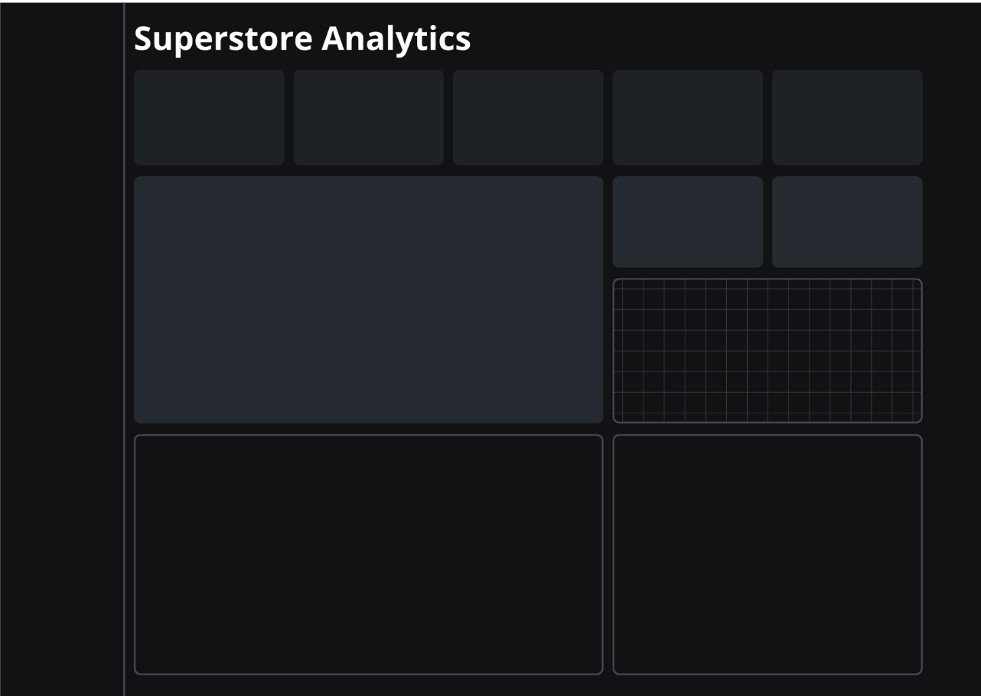

Total de Vendas
Lucro Total
Margem de Lucro
Total de Pedidos
Total de Vendas
Rótulos de Linha | Soma de Sales
Canon imageCLASS 2200 Advanced Copier | 61,599.82
Fellowes PB500 Electric Punch Plastic Comb Binding Machine with Manual Bind | 27,453.38
2.297.200,86
286.397,02
12,47
5009
37873
Cisco TelePresence System EX90 Videoconferencing Unit | 22,638.48
HON 5400 Series Task Chairs for Big and Tall | 21,870.58
GBC DocuBind TL300 Electric Binding System | 19,823.48
GBC Ibimaster 500 Manual ProClick Binding System | 19,024.50
Hewlett Packard LaserJet 3310 Copier | 18,839.69
 | Vendas | Lucro
janeiro | 94924.8356 | 9134.4461
fevereiro | 59751.2514 | 10294.6107
março | 205005.4888 | 28594.6872
abril | 137762.1286 | 11587.4363
maio | 155028.8117 | 22411.3078
junho | 152718.6793 | 21285.7954
julho | 147238.097 | 13832.6648
agosto | 159044.063 | 21776.9384
setembro | 307649.9457 | 36857.4753
outubro | 200322.9847 | 31784.0413
novembro | 352461.071 | 35468.4265
dezembro | 325293.5035 | 43369.1919
Vendas x Lucro ao longo dos Meses
Média de T. Envio
Total de Clientes
HP Designjet T520 Inkjet Large Format Printer - 24" Color | 18,374.90
GBC DocuBind P400 Electric Binding System | 17,965.07
3,96
793
High Speed Automatic Electric Letter Opener | 17,030.31
Total Geral | 244,620.20

Pedidos por mês
 | Total
janeiro | 381
fevereiro | 300
março | 696
abril | 668
maio | 735
junho | 717
julho | 710
agosto | 706
setembro | 1383
outubro | 819
novembro | 1471
dezembro | 1408

Top 10 Produtos
Top 10 Clientes
 | Total
Sean Miller | 25,043.05
Tamara Chand | 19,052.22
Raymond Buch | 15,117.34
Tom Ashbrook | 14,595.62
Adrian Barton | 14,473.57
Ken Lonsdale | 14,175.23
Sanjit Chand | 14,142.33
Hunter Lopez | 12,873.30
Sanjit Engle | 12,209.44
Christopher Conant | 12,129.07


 | Lucro | Vendas
Consumer | 134119.2092 | 1,161,401.34
Corporate | 91979.134 | 706,146.37
Home Office | 60298.6785 | 429,653.15
Lucro x Vendas por Seguimento

Vendas por Categoria
 | Total
Furniture | 741,999.80
Office Supplies | 719,047.03
Technology | 836,154.03
Lucro por Categorias
 | Total
Furniture | 18451.2728
Office Supplies | 122490.8008
Technology | 145454.9481

Lucro por Desconto
 | Total
>40% | -100,530.74
0% | 320,987.60
1-10% | 9,029.18
11-20% | 90,337.31
21-30% | -10,369.28
31-40% | -23,057.05
Lucro por Região
 | Total
West | 108,418.45
East | 91,522.78
South | 46,749.43
Central | 39,706.36

