catalog
Original Image (for Grad-CAM) | Grad-CAM Overlay | case_id | case_counter | image_type | class_gt | label_gt | path_original | orig_path_original | seed | width | height | pid | truncation_value | md_tumor | md_real_fake | md_confianza_1a5 | md_notas
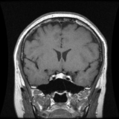 | 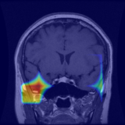 | 1 | 1/33 | real_gradcam_with_gradcam_overlay | pituitary | 2 | /content/drive/MyDrive/TESIS/StyleGan2/neuroreducedest_multi_trunc_orchestrated/real_images_combined/pituitary/105475_pituitary_0004.png | /content/drive/MyDrive/TESIS/StyleGan2/neuroreducedest_multi_trunc_orchestrated/real_images_combined/pituitary/105475_pituitary_0004.png |  | 256 | 256 | 105475 | N/A
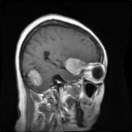 |  | 2 | 2/33 | fake_original | meningioma | 1 | /content/drive/MyDrive/TESIS/StyleGan2/neuroreducedest_multi_trunc_orchestrated/fake_images_trunc_1_0/meningioma/seed1711892.png | /content/drive/MyDrive/TESIS/StyleGan2/neuroreducedest_multi_trunc_orchestrated/fake_images_trunc_1_0/meningioma/seed1711892.png | 1711892 | 256 | 256 |  | 1
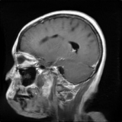 | 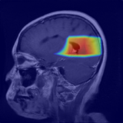 | 3 | 3/33 | fake_gradcam_with_gradcam_overlay | glioma | 0 | /content/drive/MyDrive/TESIS/StyleGan2/neuroreducedest_multi_trunc_orchestrated/fake_images_trunc_1_0/glioma/seed4113158.png | /content/drive/MyDrive/TESIS/StyleGan2/neuroreducedest_multi_trunc_orchestrated/fake_images_trunc_1_0/glioma/seed4113158.png | 4113158 | 256 | 256 |  | 1
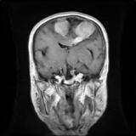 | 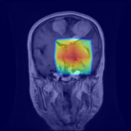 | 4 | 4/33 | fake_gradcam_with_gradcam_overlay | meningioma | 1 | /content/drive/MyDrive/TESIS/StyleGan2/neuroreducedest_multi_trunc_orchestrated/fake_images_trunc_1_0/meningioma/seed736309.png | /content/drive/MyDrive/TESIS/StyleGan2/neuroreducedest_multi_trunc_orchestrated/fake_images_trunc_1_0/meningioma/seed736309.png | 736309 | 256 | 256 |  | 1
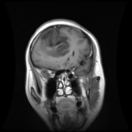 | 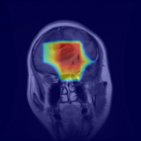 | 5 | 5/33 | real_gradcam_with_gradcam_overlay | glioma | 0 | /content/drive/MyDrive/TESIS/StyleGan2/neuroreducedest_multi_trunc_orchestrated/real_images_combined/glioma/97609_glioma_0002.png | /content/drive/MyDrive/TESIS/StyleGan2/neuroreducedest_multi_trunc_orchestrated/real_images_combined/glioma/97609_glioma_0002.png |  | 256 | 256 | 97609 | N/A
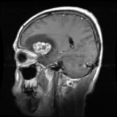 | 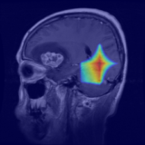 | 6 | 6/33 | real_gradcam_with_gradcam_overlay | meningioma | 1 | /content/drive/MyDrive/TESIS/StyleGan2/neuroreducedest_multi_trunc_orchestrated/real_images_combined/meningioma/102960_meningioma_0002.png | /content/drive/MyDrive/TESIS/StyleGan2/neuroreducedest_multi_trunc_orchestrated/real_images_combined/meningioma/102960_meningioma_0002.png |  | 256 | 256 | 102960 | N/A
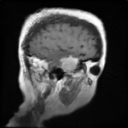 | 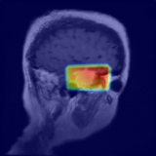 | 7 | 7/33 | fake_gradcam_with_gradcam_overlay | meningioma | 1 | /content/drive/MyDrive/TESIS/StyleGan2/neuroreducedest_multi_trunc_orchestrated/fake_images_trunc_1_0/meningioma/seed1172340.png | /content/drive/MyDrive/TESIS/StyleGan2/neuroreducedest_multi_trunc_orchestrated/fake_images_trunc_1_0/meningioma/seed1172340.png | 1172340 | 256 | 256 |  | 1
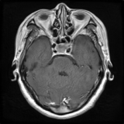 | 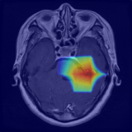 | 8 | 8/33 | fake_gradcam_with_gradcam_overlay | pituitary | 2 | /content/drive/MyDrive/TESIS/StyleGan2/neuroreducedest_multi_trunc_orchestrated/fake_images_trunc_1_0/pituitary/seed4895617.png | /content/drive/MyDrive/TESIS/StyleGan2/neuroreducedest_multi_trunc_orchestrated/fake_images_trunc_1_0/pituitary/seed4895617.png | 4895617 | 256 | 256 |  | 1
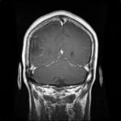 | 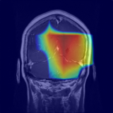 | 9 | 9/33 | fake_gradcam_with_gradcam_overlay | glioma | 0 | /content/drive/MyDrive/TESIS/StyleGan2/neuroreducedest_multi_trunc_orchestrated/fake_images_trunc_1_0/glioma/seed2747719.png | /content/drive/MyDrive/TESIS/StyleGan2/neuroreducedest_multi_trunc_orchestrated/fake_images_trunc_1_0/glioma/seed2747719.png | 2747719 | 256 | 256 |  | 1
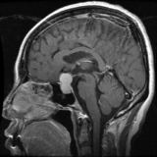 |  | 10 | 10/33 | real_original | pituitary | 2 | /content/drive/MyDrive/TESIS/StyleGan2/neuroreducedest_multi_trunc_orchestrated/real_images_combined/pituitary/98472_pituitary_0015.png | /content/drive/MyDrive/TESIS/StyleGan2/neuroreducedest_multi_trunc_orchestrated/real_images_combined/pituitary/98472_pituitary_0015.png |  | 256 | 256 | 98472 | N/A
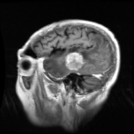 | 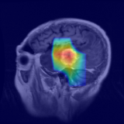 | 11 | 11/33 | real_gradcam_with_gradcam_overlay | meningioma | 1 | /content/drive/MyDrive/TESIS/StyleGan2/neuroreducedest_multi_trunc_orchestrated/real_images_combined/meningioma/113614_meningioma_0001.png | /content/drive/MyDrive/TESIS/StyleGan2/neuroreducedest_multi_trunc_orchestrated/real_images_combined/meningioma/113614_meningioma_0001.png |  | 256 | 256 | 113614 | N/A
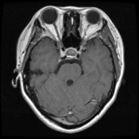 | 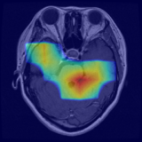 | 12 | 12/33 | real_gradcam_with_gradcam_overlay | pituitary | 2 | /content/drive/MyDrive/TESIS/StyleGan2/neuroreducedest_multi_trunc_orchestrated/real_images_combined/pituitary/111125_pituitary_0011.png | /content/drive/MyDrive/TESIS/StyleGan2/neuroreducedest_multi_trunc_orchestrated/real_images_combined/pituitary/111125_pituitary_0011.png |  | 256 | 256 | 111125 | N/A
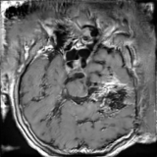 |  | 13 | 13/33 | fake_original | pituitary | 2 | /content/drive/MyDrive/TESIS/StyleGan2/neuroreducedest_multi_trunc_orchestrated/fake_images_trunc_1_0/pituitary/seed2385301.png | /content/drive/MyDrive/TESIS/StyleGan2/neuroreducedest_multi_trunc_orchestrated/fake_images_trunc_1_0/pituitary/seed2385301.png | 2385301 | 256 | 256 |  | 1
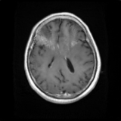 |  | 14 | 14/33 | fake_original | meningioma | 1 | /content/drive/MyDrive/TESIS/StyleGan2/neuroreducedest_multi_trunc_orchestrated/fake_images_trunc_1_0/meningioma/seed7521590.png | /content/drive/MyDrive/TESIS/StyleGan2/neuroreducedest_multi_trunc_orchestrated/fake_images_trunc_1_0/meningioma/seed7521590.png | 7521590 | 256 | 256 |  | 1
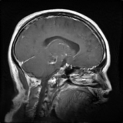 |  | 15 | 15/33 | fake_original | glioma | 0 | /content/drive/MyDrive/TESIS/StyleGan2/neuroreducedest_multi_trunc_orchestrated/fake_images_trunc_1_0/glioma/seed6334989.png | /content/drive/MyDrive/TESIS/StyleGan2/neuroreducedest_multi_trunc_orchestrated/fake_images_trunc_1_0/glioma/seed6334989.png | 6334989 | 256 | 256 |  | 1
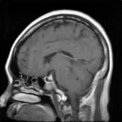 |  | 16 | 16/33 | fake_original | pituitary | 2 | /content/drive/MyDrive/TESIS/StyleGan2/neuroreducedest_multi_trunc_orchestrated/fake_images_trunc_1_0/pituitary/seed1556331.png | /content/drive/MyDrive/TESIS/StyleGan2/neuroreducedest_multi_trunc_orchestrated/fake_images_trunc_1_0/pituitary/seed1556331.png | 1556331 | 256 | 256 |  | 1
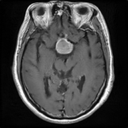 | 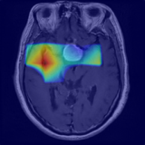 | 17 | 17/33 | fake_gradcam_with_gradcam_overlay | pituitary | 2 | /content/drive/MyDrive/TESIS/StyleGan2/neuroreducedest_multi_trunc_orchestrated/fake_images_trunc_1_0/pituitary/seed356280.png | /content/drive/MyDrive/TESIS/StyleGan2/neuroreducedest_multi_trunc_orchestrated/fake_images_trunc_1_0/pituitary/seed356280.png | 356280 | 256 | 256 |  | 1
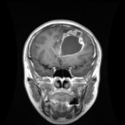 | 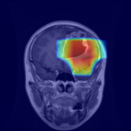 | 18 | 18/33 | real_gradcam_with_gradcam_overlay | glioma | 0 | /content/drive/MyDrive/TESIS/StyleGan2/neuroreducedest_multi_trunc_orchestrated/real_images_combined/glioma/MR048994_glioma_0015.png | /content/drive/MyDrive/TESIS/StyleGan2/neuroreducedest_multi_trunc_orchestrated/real_images_combined/glioma/MR048994_glioma_0015.png |  | 256 | 256 | mr048994 | N/A
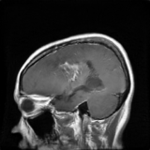 |  | 19 | 19/33 | fake_original | glioma | 0 | /content/drive/MyDrive/TESIS/StyleGan2/neuroreducedest_multi_trunc_orchestrated/fake_images_trunc_1_0/glioma/seed7319493.png | /content/drive/MyDrive/TESIS/StyleGan2/neuroreducedest_multi_trunc_orchestrated/fake_images_trunc_1_0/glioma/seed7319493.png | 7319493 | 256 | 256 |  | 1
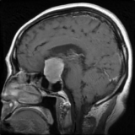 | 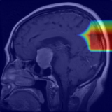 | 20 | 20/33 | fake_gradcam_with_gradcam_overlay | pituitary | 2 | /content/drive/MyDrive/TESIS/StyleGan2/neuroreducedest_multi_trunc_orchestrated/fake_images_trunc_1_0/pituitary/seed2118118.png | /content/drive/MyDrive/TESIS/StyleGan2/neuroreducedest_multi_trunc_orchestrated/fake_images_trunc_1_0/pituitary/seed2118118.png | 2118118 | 256 | 256 |  | 1
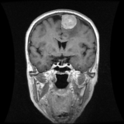 | 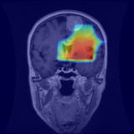 | 21 | 21/33 | real_gradcam_with_gradcam_overlay | meningioma | 1 | /content/drive/MyDrive/TESIS/StyleGan2/neuroreducedest_multi_trunc_orchestrated/real_images_combined/meningioma/99089_meningioma_0006.png | /content/drive/MyDrive/TESIS/StyleGan2/neuroreducedest_multi_trunc_orchestrated/real_images_combined/meningioma/99089_meningioma_0006.png |  | 256 | 256 | 99089 | N/A
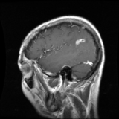 | 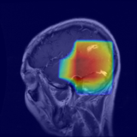 | 22 | 22/33 | real_gradcam_with_gradcam_overlay | glioma | 0 | /content/drive/MyDrive/TESIS/StyleGan2/neuroreducedest_multi_trunc_orchestrated/real_images_combined/glioma/MR024780E_glioma_0006.png | /content/drive/MyDrive/TESIS/StyleGan2/neuroreducedest_multi_trunc_orchestrated/real_images_combined/glioma/MR024780E_glioma_0006.png |  | 256 | 256 | mr024780e | N/A
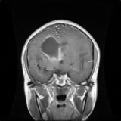 | 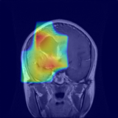 | 23 | 23/33 | fake_gradcam_with_gradcam_overlay | glioma | 0 | /content/drive/MyDrive/TESIS/StyleGan2/neuroreducedest_multi_trunc_orchestrated/fake_images_trunc_1_0/glioma/seed28027.png | /content/drive/MyDrive/TESIS/StyleGan2/neuroreducedest_multi_trunc_orchestrated/fake_images_trunc_1_0/glioma/seed28027.png | 28027 | 256 | 256 |  | 1
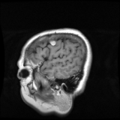 |  | 24 | 24/33 | real_original | meningioma | 1 | /content/drive/MyDrive/TESIS/StyleGan2/neuroreducedest_multi_trunc_orchestrated/real_images_combined/meningioma/109411_meningioma_0003.png | /content/drive/MyDrive/TESIS/StyleGan2/neuroreducedest_multi_trunc_orchestrated/real_images_combined/meningioma/109411_meningioma_0003.png |  | 256 | 256 | 109411 | N/A
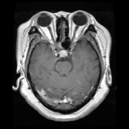 |  | 25 | 25/33 | real_original | pituitary | 2 | /content/drive/MyDrive/TESIS/StyleGan2/neuroreducedest_multi_trunc_orchestrated/real_images_combined/pituitary/101145_pituitary_0002.png | /content/drive/MyDrive/TESIS/StyleGan2/neuroreducedest_multi_trunc_orchestrated/real_images_combined/pituitary/101145_pituitary_0002.png |  | 256 | 256 | 101145 | N/A
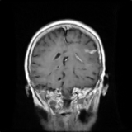 |  | 26 | 26/33 | fake_original | meningioma | 1 | /content/drive/MyDrive/TESIS/StyleGan2/neuroreducedest_multi_trunc_orchestrated/fake_images_trunc_1_0/meningioma/seed5292523.png | /content/drive/MyDrive/TESIS/StyleGan2/neuroreducedest_multi_trunc_orchestrated/fake_images_trunc_1_0/meningioma/seed5292523.png | 5292523 | 256 | 256 |  | 1
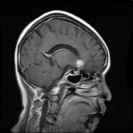 | 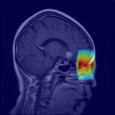 | 27 | 27/33 | fake_gradcam_with_gradcam_overlay | meningioma | 1 | /content/drive/MyDrive/TESIS/StyleGan2/neuroreducedest_multi_trunc_orchestrated/fake_images_trunc_1_0/meningioma/seed110646.png | /content/drive/MyDrive/TESIS/StyleGan2/neuroreducedest_multi_trunc_orchestrated/fake_images_trunc_1_0/meningioma/seed110646.png | 110646 | 256 | 256 |  | 1
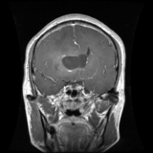 |  | 28 | 28/33 | real_original | glioma | 0 | /content/drive/MyDrive/TESIS/StyleGan2/neuroreducedest_multi_trunc_orchestrated/real_images_combined/glioma/MR033420_glioma_0017.png | /content/drive/MyDrive/TESIS/StyleGan2/neuroreducedest_multi_trunc_orchestrated/real_images_combined/glioma/MR033420_glioma_0017.png |  | 256 | 256 | mr033420 | N/A
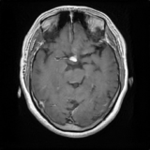 |  | 29 | 29/33 | fake_original | pituitary | 2 | /content/drive/MyDrive/TESIS/StyleGan2/neuroreducedest_multi_trunc_orchestrated/fake_images_trunc_1_0/pituitary/seed7224899.png | /content/drive/MyDrive/TESIS/StyleGan2/neuroreducedest_multi_trunc_orchestrated/fake_images_trunc_1_0/pituitary/seed7224899.png | 7224899 | 256 | 256 |  | 1
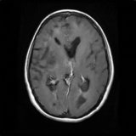 |  | 30 | 30/33 | fake_original | glioma | 0 | /content/drive/MyDrive/TESIS/StyleGan2/neuroreducedest_multi_trunc_orchestrated/fake_images_trunc_1_0/glioma/seed1469910.png | /content/drive/MyDrive/TESIS/StyleGan2/neuroreducedest_multi_trunc_orchestrated/fake_images_trunc_1_0/glioma/seed1469910.png | 1469910 | 256 | 256 |  | 1
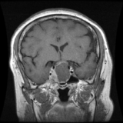 | 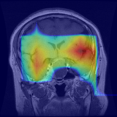 | 31 | 31/33 | real_gradcam_with_gradcam_overlay | pituitary | 2 | /content/drive/MyDrive/TESIS/StyleGan2/neuroreducedest_multi_trunc_orchestrated/real_images_combined/pituitary/97461_pituitary_0013.png | /content/drive/MyDrive/TESIS/StyleGan2/neuroreducedest_multi_trunc_orchestrated/real_images_combined/pituitary/97461_pituitary_0013.png |  | 256 | 256 | 97461 | N/A
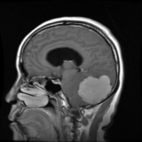 |  | 32 | 32/33 | real_original | meningioma | 1 | /content/drive/MyDrive/TESIS/StyleGan2/neuroreducedest_multi_trunc_orchestrated/real_images_combined/meningioma/97374_meningioma_0002.png | /content/drive/MyDrive/TESIS/StyleGan2/neuroreducedest_multi_trunc_orchestrated/real_images_combined/meningioma/97374_meningioma_0002.png |  | 256 | 256 | 97374 | N/A
 |  | 33 | 33/33 | real_original | glioma | 0 | /content/drive/MyDrive/TESIS/StyleGan2/neuroreducedest_multi_trunc_orchestrated/real_images_combined/glioma/112027_glioma_0002.png | /content/drive/MyDrive/TESIS/StyleGan2/neuroreducedest_multi_trunc_orchestrated/real_images_combined/glioma/112027_glioma_0002.png |  | 256 | 256 | 112027 | N/A

