catalog
image | case_id | case_counter | type_gt | class_gt | label_gt | path | orig_path | seed | width | height | pid | md_tumor | md_real_fake | md_confianza_1a5 | md_notas
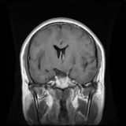 | 1 | 1/30 | fake | glioma | 0 | /content/drive/MyDrive/TESIS/StyleGan2/neuroreducedest_multi_trunc/trunc_1_0/fake/glioma/seed4603295.png |  | 4603295 | 256 | 256
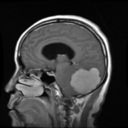 | 2 | 2/30 | real | meningioma | 1 | /content/drive/MyDrive/TESIS/StyleGan2/neuroreducedest_multi_trunc/trunc_1_0/real/meningioma/97374_meningioma_0002.png | /content/localdata/train_unzipped/trainreducido/meningioma/97374_meningioma_0002.png |  | 256 | 256 | 97374
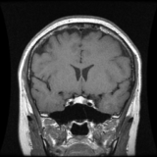 | 3 | 3/30 | real | pituitary | 2 | /content/drive/MyDrive/TESIS/StyleGan2/neuroreducedest_multi_trunc/trunc_1_0/real/pituitary/105475_pituitary_0004.png | /content/localdata/train_unzipped/trainreducido/pituitary/105475_pituitary_0004.png |  | 256 | 256 | 105475
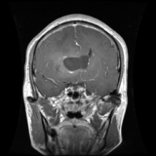 | 4 | 4/30 | real | glioma | 0 | /content/drive/MyDrive/TESIS/StyleGan2/neuroreducedest_multi_trunc/trunc_1_0/real/glioma/MR033420_glioma_0017.png | /content/localdata/train_unzipped/trainreducido/glioma/MR033420_glioma_0017.png |  | 256 | 256 | mr033420
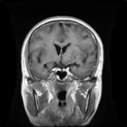 | 5 | 5/30 | fake | glioma | 0 | /content/drive/MyDrive/TESIS/StyleGan2/neuroreducedest_multi_trunc/trunc_1_0/fake/glioma/seed4872550.png |  | 4872550 | 256 | 256
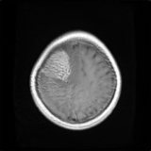 | 6 | 6/30 | fake | meningioma | 1 | /content/drive/MyDrive/TESIS/StyleGan2/neuroreducedest_multi_trunc/trunc_1_0/fake/meningioma/seed6918384.png |  | 6918384 | 256 | 256
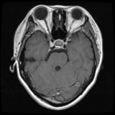 | 7 | 7/30 | real | pituitary | 2 | /content/drive/MyDrive/TESIS/StyleGan2/neuroreducedest_multi_trunc/trunc_1_0/real/pituitary/111125_pituitary_0011.png | /content/localdata/train_unzipped/trainreducido/pituitary/111125_pituitary_0011.png |  | 256 | 256 | 111125
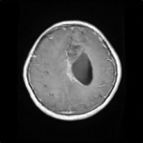 | 8 | 8/30 | fake | glioma | 0 | /content/drive/MyDrive/TESIS/StyleGan2/neuroreducedest_multi_trunc/trunc_1_0/fake/glioma/seed4506358.png |  | 4506358 | 256 | 256
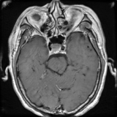 | 9 | 9/30 | fake | pituitary | 2 | /content/drive/MyDrive/TESIS/StyleGan2/neuroreducedest_multi_trunc/trunc_1_0/fake/pituitary/seed5396825.png |  | 5396825 | 256 | 256
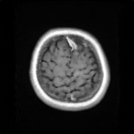 | 10 | 10/30 | fake | meningioma | 1 | /content/drive/MyDrive/TESIS/StyleGan2/neuroreducedest_multi_trunc/trunc_1_0/fake/meningioma/seed5885214.png |  | 5885214 | 256 | 256
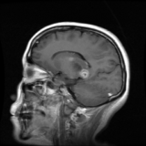 | 11 | 11/30 | real | glioma | 0 | /content/drive/MyDrive/TESIS/StyleGan2/neuroreducedest_multi_trunc/trunc_1_0/real/glioma/112027_glioma_0002.png | /content/localdata/train_unzipped/trainreducido/glioma/112027_glioma_0002.png |  | 256 | 256 | 112027
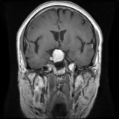 | 12 | 12/30 | fake | meningioma | 1 | /content/drive/MyDrive/TESIS/StyleGan2/neuroreducedest_multi_trunc/trunc_1_0/fake/meningioma/seed6093501.png |  | 6093501 | 256 | 256
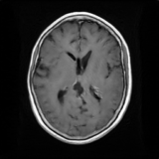 | 13 | 13/30 | fake | meningioma | 1 | /content/drive/MyDrive/TESIS/StyleGan2/neuroreducedest_multi_trunc/trunc_1_0/fake/meningioma/seed6489561.png |  | 6489561 | 256 | 256
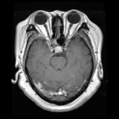 | 14 | 14/30 | real | pituitary | 2 | /content/drive/MyDrive/TESIS/StyleGan2/neuroreducedest_multi_trunc/trunc_1_0/real/pituitary/101145_pituitary_0002.png | /content/localdata/train_unzipped/trainreducido/pituitary/101145_pituitary_0002.png |  | 256 | 256 | 101145
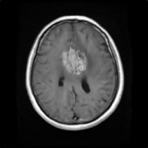 | 15 | 15/30 | fake | meningioma | 1 | /content/drive/MyDrive/TESIS/StyleGan2/neuroreducedest_multi_trunc/trunc_1_0/fake/meningioma/seed1791154.png |  | 1791154 | 256 | 256
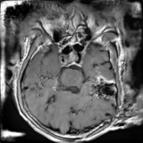 | 16 | 16/30 | fake | pituitary | 2 | /content/drive/MyDrive/TESIS/StyleGan2/neuroreducedest_multi_trunc/trunc_1_0/fake/pituitary/seed9880504.png |  | 9880504 | 256 | 256
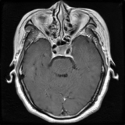 | 17 | 17/30 | fake | pituitary | 2 | /content/drive/MyDrive/TESIS/StyleGan2/neuroreducedest_multi_trunc/trunc_1_0/fake/pituitary/seed3264818.png |  | 3264818 | 256 | 256
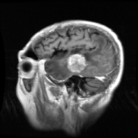 | 18 | 18/30 | real | meningioma | 1 | /content/drive/MyDrive/TESIS/StyleGan2/neuroreducedest_multi_trunc/trunc_1_0/real/meningioma/113614_meningioma_0001.png | /content/localdata/train_unzipped/trainreducido/meningioma/113614_meningioma_0001.png |  | 256 | 256 | 113614
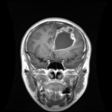 | 19 | 19/30 | real | glioma | 0 | /content/drive/MyDrive/TESIS/StyleGan2/neuroreducedest_multi_trunc/trunc_1_0/real/glioma/MR048994_glioma_0015.png | /content/localdata/train_unzipped/trainreducido/glioma/MR048994_glioma_0015.png |  | 256 | 256 | mr048994
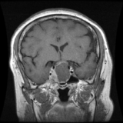 | 20 | 20/30 | real | pituitary | 2 | /content/drive/MyDrive/TESIS/StyleGan2/neuroreducedest_multi_trunc/trunc_1_0/real/pituitary/97461_pituitary_0013.png | /content/localdata/train_unzipped/trainreducido/pituitary/97461_pituitary_0013.png |  | 256 | 256 | 97461
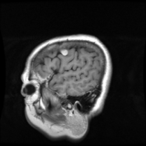 | 21 | 21/30 | real | meningioma | 1 | /content/drive/MyDrive/TESIS/StyleGan2/neuroreducedest_multi_trunc/trunc_1_0/real/meningioma/109411_meningioma_0003.png | /content/localdata/train_unzipped/trainreducido/meningioma/109411_meningioma_0003.png |  | 256 | 256 | 109411
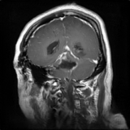 | 22 | 22/30 | fake | glioma | 0 | /content/drive/MyDrive/TESIS/StyleGan2/neuroreducedest_multi_trunc/trunc_1_0/fake/glioma/seed4803649.png |  | 4803649 | 256 | 256
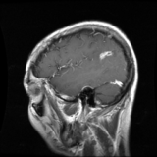 | 23 | 23/30 | real | glioma | 0 | /content/drive/MyDrive/TESIS/StyleGan2/neuroreducedest_multi_trunc/trunc_1_0/real/glioma/MR024780E_glioma_0006.png | /content/localdata/train_unzipped/trainreducido/glioma/MR024780E_glioma_0006.png |  | 256 | 256 | mr024780e
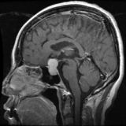 | 24 | 24/30 | real | pituitary | 2 | /content/drive/MyDrive/TESIS/StyleGan2/neuroreducedest_multi_trunc/trunc_1_0/real/pituitary/98472_pituitary_0015.png | /content/localdata/train_unzipped/trainreducido/pituitary/98472_pituitary_0015.png |  | 256 | 256 | 98472
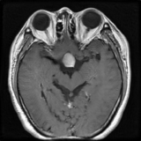 | 25 | 25/30 | fake | pituitary | 2 | /content/drive/MyDrive/TESIS/StyleGan2/neuroreducedest_multi_trunc/trunc_1_0/fake/pituitary/seed5281146.png |  | 5281146 | 256 | 256
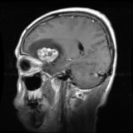 | 26 | 26/30 | real | meningioma | 1 | /content/drive/MyDrive/TESIS/StyleGan2/neuroreducedest_multi_trunc/trunc_1_0/real/meningioma/102960_meningioma_0002.png | /content/localdata/train_unzipped/trainreducido/meningioma/102960_meningioma_0002.png |  | 256 | 256 | 102960
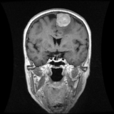 | 27 | 27/30 | real | meningioma | 1 | /content/drive/MyDrive/TESIS/StyleGan2/neuroreducedest_multi_trunc/trunc_1_0/real/meningioma/99089_meningioma_0006.png | /content/localdata/train_unzipped/trainreducido/meningioma/99089_meningioma_0006.png |  | 256 | 256 | 99089
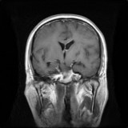 | 28 | 28/30 | fake | glioma | 0 | /content/drive/MyDrive/TESIS/StyleGan2/neuroreducedest_multi_trunc/trunc_1_0/fake/glioma/seed33912.png |  | 33912 | 256 | 256
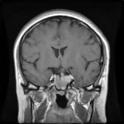 | 29 | 29/30 | fake | pituitary | 2 | /content/drive/MyDrive/TESIS/StyleGan2/neuroreducedest_multi_trunc/trunc_1_0/fake/pituitary/seed9138200.png |  | 9138200 | 256 | 256
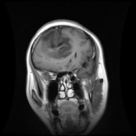 | 30 | 30/30 | real | glioma | 0 | /content/drive/MyDrive/TESIS/StyleGan2/neuroreducedest_multi_trunc/trunc_1_0/real/glioma/97609_glioma_0002.png | /content/localdata/train_unzipped/trainreducido/glioma/97609_glioma_0002.png |  | 256 | 256 | 97609

