catalog
image | case_id | case_counter | type_gt | class_gt | label_gt | path | orig_path | seed | width | height | pid | md_tumor | md_real_fake | md_confianza_1a5 | md_notas
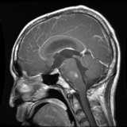 | 1 | 1/12 | real | glioma | 0 | /content/drive/MyDrive/TESIS/StyleGan2/neuro/real/glioma/MR049104_glioma_0006.png | /content/localdata/final_unzipped/datasetclean/glioma/MR049104_glioma_0006.png |  | 256 | 256 | mr049104
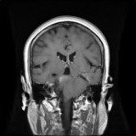 | 2 | 2/12 | fake | meningioma | 1 | /content/drive/MyDrive/TESIS/StyleGan2/neuro/fake/meningioma/seed010122_000.png |  | 010122 | 256 | 256
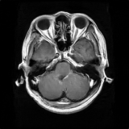 | 3 | 3/12 | fake | glioma | 0 | /content/drive/MyDrive/TESIS/StyleGan2/neuro/fake/glioma/seed000122_001.png |  | 000122 | 256 | 256
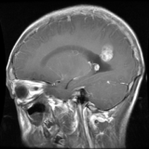 | 4 | 4/12 | real | glioma | 0 | /content/drive/MyDrive/TESIS/StyleGan2/neuro/real/glioma/MR033389B_glioma_0024.png | /content/localdata/final_unzipped/datasetclean/glioma/MR033389B_glioma_0024.png |  | 256 | 256 | mr033389b
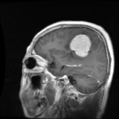 | 5 | 5/12 | real | meningioma | 1 | /content/drive/MyDrive/TESIS/StyleGan2/neuro/real/meningioma/99815_meningioma_0002.png | /content/localdata/final_unzipped/datasetclean/meningioma/99815_meningioma_0002.png |  | 256 | 256 | 99815
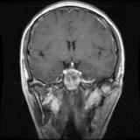 | 6 | 6/12 | real | pituitary | 2 | /content/drive/MyDrive/TESIS/StyleGan2/neuro/real/pituitary/108858_pituitary_0003.png | /content/localdata/final_unzipped/datasetclean/pituitary/108858_pituitary_0003.png |  | 256 | 256 | 108858
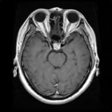 | 7 | 7/12 | fake | pituitary | 2 | /content/drive/MyDrive/TESIS/StyleGan2/neuro/fake/pituitary/seed020122_000.png |  | 020122 | 256 | 256
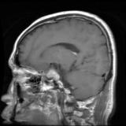 | 8 | 8/12 | real | pituitary | 2 | /content/drive/MyDrive/TESIS/StyleGan2/neuro/real/pituitary/107429_pituitary_0008.png | /content/localdata/final_unzipped/datasetclean/pituitary/107429_pituitary_0008.png |  | 256 | 256 | 107429
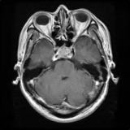 | 9 | 9/12 | fake | pituitary | 2 | /content/drive/MyDrive/TESIS/StyleGan2/neuro/fake/pituitary/seed020122_001.png |  | 020122 | 256 | 256
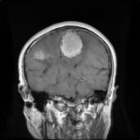 | 10 | 10/12 | fake | meningioma | 1 | /content/drive/MyDrive/TESIS/StyleGan2/neuro/fake/meningioma/seed010122_001.png |  | 010122 | 256 | 256
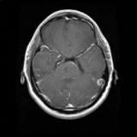 | 11 | 11/12 | fake | glioma | 0 | /content/drive/MyDrive/TESIS/StyleGan2/neuro/fake/glioma/seed000122_000.png |  | 000122 | 256 | 256
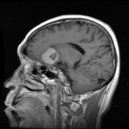 | 12 | 12/12 | real | meningioma | 1 | /content/drive/MyDrive/TESIS/StyleGan2/neuro/real/meningioma/100920_meningioma_0003.png | /content/localdata/final_unzipped/datasetclean/meningioma/100920_meningioma_0003.png |  | 256 | 256 | 100920

