catalog
image | case_id | case_counter | type_gt | class_gt | label_gt | path | orig_path | seed | width | height | pid | truncation_value | md_tumor | md_real_fake | md_confianza_1a5 | md_notas
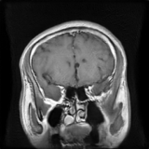 | 1 | 1/54 | fake | pituitary | 2 | /content/drive/MyDrive/TESIS/StyleGan2/neuroreducedest_multi_trunc_orchestrated/fake_images_trunc_1_0/pituitary/seed5068798.png |  | 5068798 | 256 | 256 |  | 1
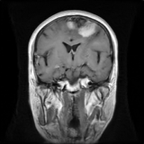 | 2 | 2/54 | fake | meningioma | 1 | /content/drive/MyDrive/TESIS/StyleGan2/neuroreducedest_multi_trunc_orchestrated/fake_images_trunc_0_8/meningioma/seed4872550.png |  | 4872550 | 256 | 256 |  | 0.8
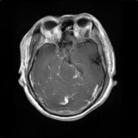 | 3 | 3/54 | fake | glioma | 0 | /content/drive/MyDrive/TESIS/StyleGan2/neuroreducedest_multi_trunc_orchestrated/fake_images_trunc_1_2/glioma/seed1294431.png |  | 1294431 | 256 | 256 |  | 1.2
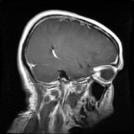 | 4 | 4/54 | fake | glioma | 0 | /content/drive/MyDrive/TESIS/StyleGan2/neuroreducedest_multi_trunc_orchestrated/fake_images_trunc_1_0/glioma/seed9880504.png |  | 9880504 | 256 | 256 |  | 1
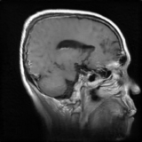 | 5 | 5/54 | fake | meningioma | 1 | /content/drive/MyDrive/TESIS/StyleGan2/neuroreducedest_multi_trunc_orchestrated/fake_images_trunc_1_2/meningioma/seed2139232.png |  | 2139232 | 256 | 256 |  | 1.2
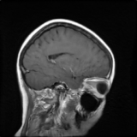 | 6 | 6/54 | fake | meningioma | 1 | /content/drive/MyDrive/TESIS/StyleGan2/neuroreducedest_multi_trunc_orchestrated/fake_images_trunc_1_0/meningioma/seed7896127.png |  | 7896127 | 256 | 256 |  | 1
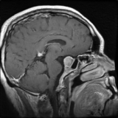 | 7 | 7/54 | fake | pituitary | 2 | /content/drive/MyDrive/TESIS/StyleGan2/neuroreducedest_multi_trunc_orchestrated/fake_images_trunc_0_8/pituitary/seed1791154.png |  | 1791154 | 256 | 256 |  | 0.8
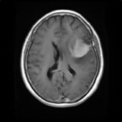 | 8 | 8/54 | fake | meningioma | 1 | /content/drive/MyDrive/TESIS/StyleGan2/neuroreducedest_multi_trunc_orchestrated/fake_images_trunc_0_8/meningioma/seed33912.png |  | 33912 | 256 | 256 |  | 0.8
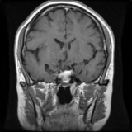 | 9 | 9/54 | fake | pituitary | 2 | /content/drive/MyDrive/TESIS/StyleGan2/neuroreducedest_multi_trunc_orchestrated/fake_images_trunc_0_8/pituitary/seed6489561.png |  | 6489561 | 256 | 256 |  | 0.8
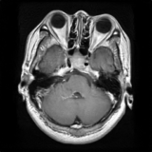 | 10 | 10/54 | fake | pituitary | 2 | /content/drive/MyDrive/TESIS/StyleGan2/neuroreducedest_multi_trunc_orchestrated/fake_images_trunc_1_2/pituitary/seed7424602.png |  | 7424602 | 256 | 256 |  | 1.2
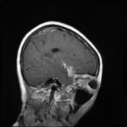 | 11 | 11/54 | fake | meningioma | 1 | /content/drive/MyDrive/TESIS/StyleGan2/neuroreducedest_multi_trunc_orchestrated/fake_images_trunc_1_2/meningioma/seed3655544.png |  | 3655544 | 256 | 256 |  | 1.2
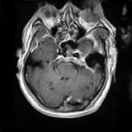 | 12 | 12/54 | fake | meningioma | 1 | /content/drive/MyDrive/TESIS/StyleGan2/neuroreducedest_multi_trunc_orchestrated/fake_images_trunc_1_0/meningioma/seed4916018.png |  | 4916018 | 256 | 256 |  | 1
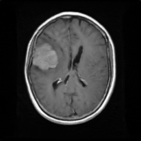 | 13 | 13/54 | fake | meningioma | 1 | /content/drive/MyDrive/TESIS/StyleGan2/neuroreducedest_multi_trunc_orchestrated/fake_images_trunc_0_8/meningioma/seed6710997.png |  | 6710997 | 256 | 256 |  | 0.8
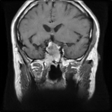 | 14 | 14/54 | fake | pituitary | 2 | /content/drive/MyDrive/TESIS/StyleGan2/neuroreducedest_multi_trunc_orchestrated/fake_images_trunc_1_0/pituitary/seed251573.png |  | 251573 | 256 | 256 |  | 1
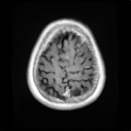 | 15 | 15/54 | fake | meningioma | 1 | /content/drive/MyDrive/TESIS/StyleGan2/neuroreducedest_multi_trunc_orchestrated/fake_images_trunc_1_2/meningioma/seed6242234.png |  | 6242234 | 256 | 256 |  | 1.2
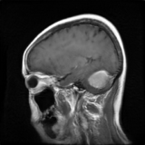 | 16 | 16/54 | fake | meningioma | 1 | /content/drive/MyDrive/TESIS/StyleGan2/neuroreducedest_multi_trunc_orchestrated/fake_images_trunc_1_2/meningioma/seed437105.png |  | 437105 | 256 | 256 |  | 1.2
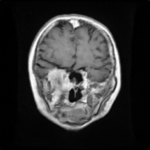 | 17 | 17/54 | fake | meningioma | 1 | /content/drive/MyDrive/TESIS/StyleGan2/neuroreducedest_multi_trunc_orchestrated/fake_images_trunc_0_8/meningioma/seed4603295.png |  | 4603295 | 256 | 256 |  | 0.8
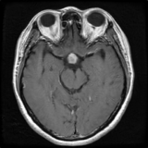 | 18 | 18/54 | fake | pituitary | 2 | /content/drive/MyDrive/TESIS/StyleGan2/neuroreducedest_multi_trunc_orchestrated/fake_images_trunc_1_2/pituitary/seed7490855.png |  | 7490855 | 256 | 256 |  | 1.2
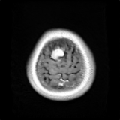 | 19 | 19/54 | fake | meningioma | 1 | /content/drive/MyDrive/TESIS/StyleGan2/neuroreducedest_multi_trunc_orchestrated/fake_images_trunc_1_2/meningioma/seed5891117.png |  | 5891117 | 256 | 256 |  | 1.2
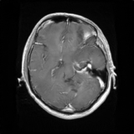 | 20 | 20/54 | fake | glioma | 0 | /content/drive/MyDrive/TESIS/StyleGan2/neuroreducedest_multi_trunc_orchestrated/fake_images_trunc_0_8/glioma/seed5426986.png |  | 5426986 | 256 | 256 |  | 0.8
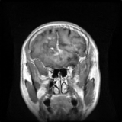 | 21 | 21/54 | fake | glioma | 0 | /content/drive/MyDrive/TESIS/StyleGan2/neuroreducedest_multi_trunc_orchestrated/fake_images_trunc_1_2/glioma/seed2271885.png |  | 2271885 | 256 | 256 |  | 1.2
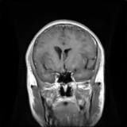 | 22 | 22/54 | fake | glioma | 0 | /content/drive/MyDrive/TESIS/StyleGan2/neuroreducedest_multi_trunc_orchestrated/fake_images_trunc_1_2/glioma/seed3743507.png |  | 3743507 | 256 | 256 |  | 1.2
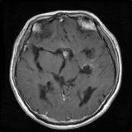 | 23 | 23/54 | fake | pituitary | 2 | /content/drive/MyDrive/TESIS/StyleGan2/neuroreducedest_multi_trunc_orchestrated/fake_images_trunc_0_8/pituitary/seed6093501.png |  | 6093501 | 256 | 256 |  | 0.8
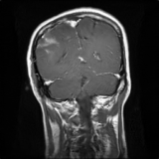 | 24 | 24/54 | fake | glioma | 0 | /content/drive/MyDrive/TESIS/StyleGan2/neuroreducedest_multi_trunc_orchestrated/fake_images_trunc_0_8/glioma/seed2021213.png |  | 2021213 | 256 | 256 |  | 0.8
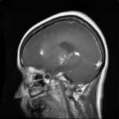 | 25 | 25/54 | fake | glioma | 0 | /content/drive/MyDrive/TESIS/StyleGan2/neuroreducedest_multi_trunc_orchestrated/fake_images_trunc_1_2/glioma/seed5473959.png |  | 5473959 | 256 | 256 |  | 1.2
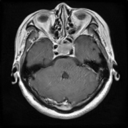 | 26 | 26/54 | fake | pituitary | 2 | /content/drive/MyDrive/TESIS/StyleGan2/neuroreducedest_multi_trunc_orchestrated/fake_images_trunc_1_0/pituitary/seed5954739.png |  | 5954739 | 256 | 256 |  | 1
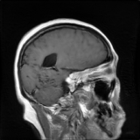 | 27 | 27/54 | fake | meningioma | 1 | /content/drive/MyDrive/TESIS/StyleGan2/neuroreducedest_multi_trunc_orchestrated/fake_images_trunc_1_0/meningioma/seed2189937.png |  | 2189937 | 256 | 256 |  | 1
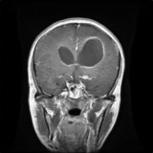 | 28 | 28/54 | fake | glioma | 0 | /content/drive/MyDrive/TESIS/StyleGan2/neuroreducedest_multi_trunc_orchestrated/fake_images_trunc_1_0/glioma/seed6918384.png |  | 6918384 | 256 | 256 |  | 1
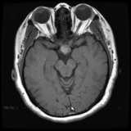 | 29 | 29/54 | real | pituitary | 2 | /content/drive/MyDrive/TESIS/StyleGan2/neuroreducedest_multi_trunc_orchestrated/real_images_combined/pituitary/103837_pituitary_0005.png | /content/localdata/train_unzipped/trainreducido/pituitary/103837_pituitary_0005.png |  | 256 | 256 | 103837
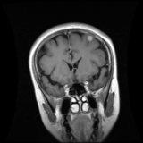 | 30 | 30/54 | real | meningioma | 1 | /content/drive/MyDrive/TESIS/StyleGan2/neuroreducedest_multi_trunc_orchestrated/real_images_combined/meningioma/113805_meningioma_0003.png | /content/localdata/train_unzipped/trainreducido/meningioma/113805_meningioma_0003.png |  | 256 | 256 | 113805
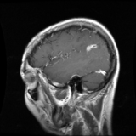 | 31 | 31/54 | real | glioma | 0 | /content/drive/MyDrive/TESIS/StyleGan2/neuroreducedest_multi_trunc_orchestrated/real_images_combined/glioma/MR024780E_glioma_0006.png | /content/localdata/train_unzipped/trainreducido/glioma/MR024780E_glioma_0006.png |  | 256 | 256 | mr024780e
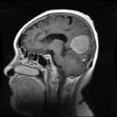 | 32 | 32/54 | real | meningioma | 1 | /content/drive/MyDrive/TESIS/StyleGan2/neuroreducedest_multi_trunc_orchestrated/real_images_combined/meningioma/53669_meningioma_0001.png | /content/localdata/train_unzipped/trainreducido/meningioma/53669_meningioma_0001.png |  | 256 | 256 | 53669
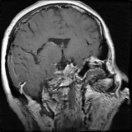 | 33 | 33/54 | fake | pituitary | 2 | /content/drive/MyDrive/TESIS/StyleGan2/neuroreducedest_multi_trunc_orchestrated/fake_images_trunc_1_2/pituitary/seed4026947.png |  | 4026947 | 256 | 256 |  | 1.2
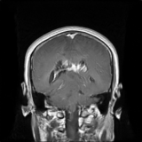 | 34 | 34/54 | fake | glioma | 0 | /content/drive/MyDrive/TESIS/StyleGan2/neuroreducedest_multi_trunc_orchestrated/fake_images_trunc_1_0/glioma/seed3264818.png |  | 3264818 | 256 | 256 |  | 1
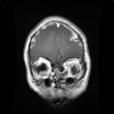 | 35 | 35/54 | fake | glioma | 0 | /content/drive/MyDrive/TESIS/StyleGan2/neuroreducedest_multi_trunc_orchestrated/fake_images_trunc_1_0/glioma/seed5281146.png |  | 5281146 | 256 | 256 |  | 1
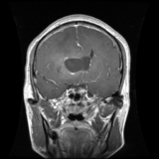 | 36 | 36/54 | real | glioma | 0 | /content/drive/MyDrive/TESIS/StyleGan2/neuroreducedest_multi_trunc_orchestrated/real_images_combined/glioma/MR033420_glioma_0017.png | /content/localdata/train_unzipped/trainreducido/glioma/MR033420_glioma_0017.png |  | 256 | 256 | mr033420
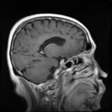 | 37 | 37/54 | fake | meningioma | 1 | /content/drive/MyDrive/TESIS/StyleGan2/neuroreducedest_multi_trunc_orchestrated/fake_images_trunc_0_8/meningioma/seed4506358.png |  | 4506358 | 256 | 256 |  | 0.8
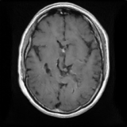 | 38 | 38/54 | fake | pituitary | 2 | /content/drive/MyDrive/TESIS/StyleGan2/neuroreducedest_multi_trunc_orchestrated/fake_images_trunc_0_8/pituitary/seed5885214.png |  | 5885214 | 256 | 256 |  | 0.8
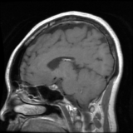 | 39 | 39/54 | real | pituitary | 2 | /content/drive/MyDrive/TESIS/StyleGan2/neuroreducedest_multi_trunc_orchestrated/real_images_combined/pituitary/105475_pituitary_0010.png | /content/localdata/train_unzipped/trainreducido/pituitary/105475_pituitary_0010.png |  | 256 | 256 | 105475
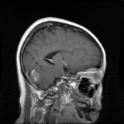 | 40 | 40/54 | fake | meningioma | 1 | /content/drive/MyDrive/TESIS/StyleGan2/neuroreducedest_multi_trunc_orchestrated/fake_images_trunc_1_0/meningioma/seed3836545.png |  | 3836545 | 256 | 256 |  | 1
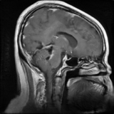 | 41 | 41/54 | fake | glioma | 0 | /content/drive/MyDrive/TESIS/StyleGan2/neuroreducedest_multi_trunc_orchestrated/fake_images_trunc_1_0/glioma/seed9138200.png |  | 9138200 | 256 | 256 |  | 1
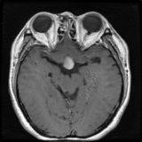 | 42 | 42/54 | fake | pituitary | 2 | /content/drive/MyDrive/TESIS/StyleGan2/neuroreducedest_multi_trunc_orchestrated/fake_images_trunc_1_2/pituitary/seed5836450.png |  | 5836450 | 256 | 256 |  | 1.2
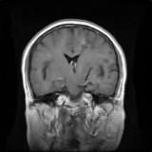 | 43 | 43/54 | fake | glioma | 0 | /content/drive/MyDrive/TESIS/StyleGan2/neuroreducedest_multi_trunc_orchestrated/fake_images_trunc_0_8/glioma/seed5597602.png |  | 5597602 | 256 | 256 |  | 0.8
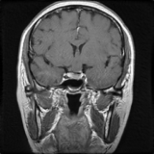 | 44 | 44/54 | fake | pituitary | 2 | /content/drive/MyDrive/TESIS/StyleGan2/neuroreducedest_multi_trunc_orchestrated/fake_images_trunc_1_2/pituitary/seed4838960.png |  | 4838960 | 256 | 256 |  | 1.2
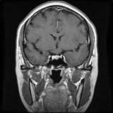 | 45 | 45/54 | fake | pituitary | 2 | /content/drive/MyDrive/TESIS/StyleGan2/neuroreducedest_multi_trunc_orchestrated/fake_images_trunc_0_8/pituitary/seed4803649.png |  | 4803649 | 256 | 256 |  | 0.8
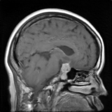 | 46 | 46/54 | fake | pituitary | 2 | /content/drive/MyDrive/TESIS/StyleGan2/neuroreducedest_multi_trunc_orchestrated/fake_images_trunc_1_0/pituitary/seed2753108.png |  | 2753108 | 256 | 256 |  | 1
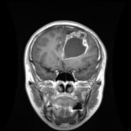 | 47 | 47/54 | real | glioma | 0 | /content/drive/MyDrive/TESIS/StyleGan2/neuroreducedest_multi_trunc_orchestrated/real_images_combined/glioma/MR048994_glioma_0015.png | /content/localdata/train_unzipped/trainreducido/glioma/MR048994_glioma_0015.png |  | 256 | 256 | mr048994
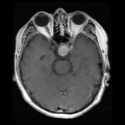 | 48 | 48/54 | real | pituitary | 2 | /content/drive/MyDrive/TESIS/StyleGan2/neuroreducedest_multi_trunc_orchestrated/real_images_combined/pituitary/114094_pituitary_0004.png | /content/localdata/train_unzipped/trainreducido/pituitary/114094_pituitary_0004.png |  | 256 | 256 | 114094
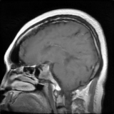 | 49 | 49/54 | fake | pituitary | 2 | /content/drive/MyDrive/TESIS/StyleGan2/neuroreducedest_multi_trunc_orchestrated/fake_images_trunc_1_0/pituitary/seed9466920.png |  | 9466920 | 256 | 256 |  | 1
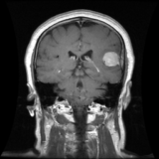 | 50 | 50/54 | real | meningioma | 1 | /content/drive/MyDrive/TESIS/StyleGan2/neuroreducedest_multi_trunc_orchestrated/real_images_combined/meningioma/111077_meningioma_0005.png | /content/localdata/train_unzipped/trainreducido/meningioma/111077_meningioma_0005.png |  | 256 | 256 | 111077
 | 51 | 51/54 | fake | glioma | 0 | /content/drive/MyDrive/TESIS/StyleGan2/neuroreducedest_multi_trunc_orchestrated/fake_images_trunc_1_2/glioma/seed4418707.png |  | 4418707 | 256 | 256 |  | 1.2
 | 52 | 52/54 | fake | meningioma | 1 | /content/drive/MyDrive/TESIS/StyleGan2/neuroreducedest_multi_trunc_orchestrated/fake_images_trunc_1_0/meningioma/seed5396825.png |  | 5396825 | 256 | 256 |  | 1
 | 53 | 53/54 | fake | glioma | 0 | /content/drive/MyDrive/TESIS/StyleGan2/neuroreducedest_multi_trunc_orchestrated/fake_images_trunc_0_8/glioma/seed390376.png |  | 390376 | 256 | 256 |  | 0.8
 | 54 | 54/54 | fake | glioma | 0 | /content/drive/MyDrive/TESIS/StyleGan2/neuroreducedest_multi_trunc_orchestrated/fake_images_trunc_0_8/glioma/seed3283658.png |  | 3283658 | 256 | 256 |  | 0.8

