RequirementAnalysis
id | Method | API Call | Action | Comments | Header
1 | POST | https://interview.dev.motional.cc/v1/book | Response payload based on request | 1. In the event that car is treated as "auto-assigned" based on valid payload returned. | x-fas-signature Content-Type: json
2 | POST | https://interview.dev.motional.cc/v1/tick | To simulate time in the system. When called, the service should advance time by 1 time unit. | 1. move all booked car 1 unit time, Equivalent to 1 step
3 | PUT | https://interview.dev.motional.cc/v1/reset | reset all cars data back to the initial state regardless of cars that are currently booked. | 1. initial state: 0,0

Understanding & Question
1 |  | All car are available initially, and become booked once it is assigned to a customer | auto changed, covered | { "car_id": id, "total_time": t }
2 |  | It will remain booked until it reaches its destination, and immediately become available again | car moving, covered
3 |  | Only one car be assigned to a customer, and only one customer to a car | Limitation to verify (all car booked) how to define one customer request 2 times?
4 |  | Cars can occupy the same spot, e.g. car 1 and 2 can be at point (1, 1) at the same time. | Covered
5 |  | If there is no available car that can satisfy the request, the service should return an empty response, not an error | is null empty?
6 |  | In the event that there are more than one car near the customer location, the service should return the car with the smallest id. | Covered
7 |  | There are 3 cars in the system, All three cars should have id 1 , 2 and 3 respectively and initial start location is at origin (0, 0) | Covered
8 |  | A car travels through the grid system will require 1 time unit to move along the x or y axis by 1 unit | Covered

 | Car booking workflow
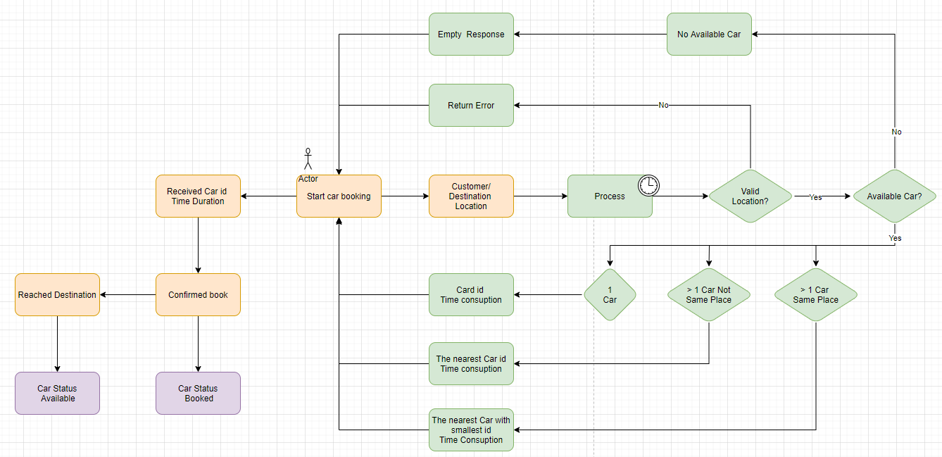

 |  |  |  | Question:
 |  |  |  | what is the response for invalid resource?
 |  |  |  | what is the response for tick , reset?
 |  |  |  | when no booked car, can user call tick, reset api?

