TOD
Muniff Ziauddin & Co.
Chartered Accountants
An independent member firm of BKR International

SAMPLE SIZE DETERMINATION FOR TEST OF DETAILS

Client:
Period:
Subject:

 |  | No. of items | PKR

Performance Materiality (PM) |  |  | -

Population |  | 0 | -
Items above PM (All to be tested as part of sample) |  | 0
Residual Population |  | 0 | -

 | Sample Size

⃝ | Only TOD | #DIV/0!
⃝ | TOD + SAP | #DIV/0!
⃝ | TOC + TOD + SAP | #DIV/0!

 | Sampling Method

 | Sampling Amount

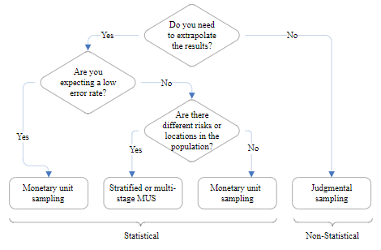
* | TOC = Test of Controls
 | SAP = Substantive Analytical Procedures
 | TOD = Test of Details

