Sheet1
 |  |  |  |  | Test Set |  |  |  |  |  |  | Train Set

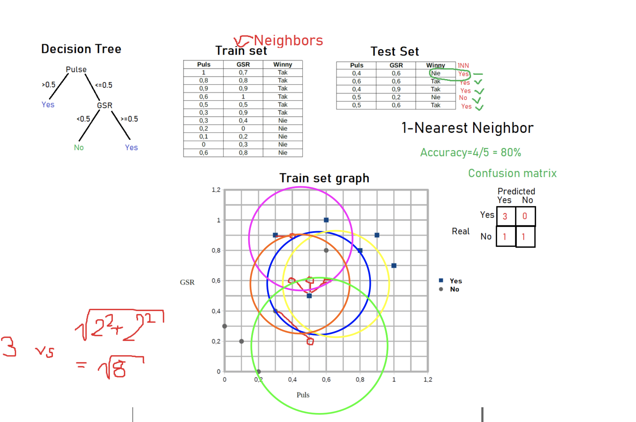
 |  |  |  |  | Puls | GSR | Winny | 1NN | 3NN | Decision Tree |  | Puls | GSR | Winny
 |  |  |  |  | 0.4 | 0.6 | No | Yes | No | Yes |  | 1 | 0.7 | Yes
 |  |  |  |  | 0.6 | 0.6 | Yes | Yes | Yes | Yes |  | 0.8 | 0.8 | Yes
 |  |  |  |  | 0.4 | 0.9 | Yes | Yes | Yes | Yes |  | 0.9 | 0.9 | Yes
 |  |  |  |  | 0.5 | 0.2 | No | No | No | No |  | 0.6 | 1 | Yes
 |  |  |  |  | 0.5 | 0.6 | Yes | Yes | No | Yes |  | 0.5 | 0.5 | Yes
 |  |  |  |  |  |  |  |  |  |  |  | 0.3 | 0.9 | Yes
 |  |  |  |  |  |  |  |  |  |  |  | 0.3 | 0.4 | No
 |  |  |  |  |  |  |  |  |  |  |  | 0.2 | 0 | No
 |  |  |  |  |  |  |  |  |  |  |  | 0.1 | 0.2 | No
 |  |  |  |  |  |  |  |  |  |  |  | 0 | 0.3 | No
 |  |  |  |  |  |  |  |  |  |  |  | 0.6 | 0.8 | No

 |  |  |  |  | 1 NN |  |  |  |  |  | 3 NN

 |  |  |  |  |  | Confusion matrix 1NN |  |  |  |  |  | Confusion matrix 3NN
 |  |  |  |  |  |  |  | Predicted |  |  |  |  |  | Predicted
 |  |  |  |  |  |  |  | Yes | No |  |  |  |  | Yes | No
 |  |  |  |  |  | Real | Yes | 3 | 0 |  |  | Real | Yes | 2 | 1
 |  |  |  |  |  |  | No | 1 | 1 |  |  |  | No | 0 | 2

 |  |  |  |  | Accurancy 1NN | 80.00% |  |  |  |  | Accurancy 3NN | 80.00%

 |  |  |  |  |  | Point1 |  | Point2 |  | Distance | Point1 |  | Point2 |  | Distance | Point1 |  | Point2 |  | Distance
 |  |  |  |  |  | X1 | Y1 | X2 | Y2 |  | X1 | Y1 | X2 | Y2 |  | X1 | Y1 | X2 | Y2
Decision Tree |  |  |  |  |  | 0.4 | 0.6 | 1 | 0.7 | 0.60827625303 | 0.6 | 0.6 | 1 | 0.7 | 0.41231056256 | 0.4 | 0.9 | 1 | 0.7 | 0.63245553203
 |  |  |  |  |  | 0.4 | 0.6 | 0.8 | 0.8 | 0.4472135955 | 0.6 | 0.6 | 0.8 | 0.8 | 0.28284271247 | 0.4 | 0.9 | 0.8 | 0.8 | 0.41231056256
 |  |  |  |  |  | 0.4 | 0.6 | 0.9 | 0.9 | 0.58309518948 | 0.6 | 0.6 | 0.9 | 0.9 | 0.42426406871 | 0.4 | 0.9 | 0.9 | 0.9 | 0.5
 | Confusion matrix |  |  |  |  | 0.4 | 0.6 | 0.6 | 1 | 0.4472135955 | 0.6 | 0.6 | 0.6 | 1 | 0.4 | 0.4 | 0.9 | 0.6 | 1 | 0.22360679775
 |  |  | Predicted |  |  | 0.4 | 0.6 | 0.5 | 0.5 | 0.14142135624 | 0.6 | 0.6 | 0.5 | 0.5 | 0.14142135624 | 0.4 | 0.9 | 0.5 | 0.5 | 0.41231056256
 |  |  | Yes | No |  | 0.4 | 0.6 | 0.3 | 0.9 | 0.31622776602 | 0.6 | 0.6 | 0.3 | 0.9 | 0.42426406871 | 0.4 | 0.9 | 0.3 | 0.9 | 0.1
 | Real | Yes | 3 | 0 |  | 0.4 | 0.6 | 0.3 | 0.4 | 0.22360679775 | 0.6 | 0.6 | 0.3 | 0.4 | 0.36055512755 | 0.4 | 0.9 | 0.3 | 0.4 | 0.50990195136
 |  | No | 1 | 1 |  | 0.4 | 0.6 | 0.2 | 0 | 0.63245553203 | 0.6 | 0.6 | 0.2 | 0 | 0.72111025509 | 0.4 | 0.9 | 0.2 | 0 | 0.92195444573
 |  |  |  |  |  | 0.4 | 0.6 | 0.1 | 0.2 | 0.5 | 0.6 | 0.6 | 0.1 | 0.2 | 0.64031242374 | 0.4 | 0.9 | 0.1 | 0.2 | 0.76157731059
 |  |  |  |  |  | 0.4 | 0.6 | 0 | 0.3 | 0.5 | 0.6 | 0.6 | 0 | 0.3 | 0.67082039325 | 0.4 | 0.9 | 0 | 0.3 | 0.72111025509
Accurancy Decision Tree | 80.00% |  |  |  |  | 0.4 | 0.6 | 0.6 | 0.8 | 0.28284271247 | 0.6 | 0.6 | 0.6 | 0.8 | 0.2 | 0.4 | 0.9 | 0.6 | 0.8 | 0.22360679775
 |  |  |  |  |  |  |  |  | Min | 0.14142135624 |  |  |  | Min | 0.14142135624 |  |  |  | Min | 0.1

 |  |  |  |  |  | Point1 |  | Point2 |  | Distance | Point1 |  | Point2 |  | Distance
 |  |  |  |  |  | X1 | Y1 | X2 | Y2 |  | X1 | Y1 | X2 | Y2
 |  |  |  |  |  | 0.5 | 0.2 | 1 | 0.7 | 0.70710678119 | 0.5 | 0.6 | 1 | 0.7 | 0.50990195136
 |  |  |  |  |  | 0.5 | 0.2 | 0.8 | 0.8 | 0.67082039325 | 0.5 | 0.6 | 0.8 | 0.8 | 0.36055512755
 |  |  |  |  |  | 0.5 | 0.2 | 0.9 | 0.9 | 0.80622577483 | 0.5 | 0.6 | 0.9 | 0.9 | 0.5
 |  |  |  |  |  | 0.5 | 0.2 | 0.6 | 1 | 0.80622577483 | 0.5 | 0.6 | 0.6 | 1 | 0.41231056256
 |  |  |  |  |  | 0.5 | 0.2 | 0.5 | 0.5 | 0.3 | 0.5 | 0.6 | 0.5 | 0.5 | 0.1
 |  |  |  |  |  | 0.5 | 0.2 | 0.3 | 0.9 | 0.72801098893 | 0.5 | 0.6 | 0.3 | 0.9 | 0.36055512755
 |  |  |  |  |  | 0.5 | 0.2 | 0.3 | 0.4 | 0.28284271247 | 0.5 | 0.6 | 0.3 | 0.4 | 0.28284271247
 |  |  |  |  |  | 0.5 | 0.2 | 0.2 | 0 | 0.36055512755 | 0.5 | 0.6 | 0.2 | 0 | 0.67082039325
 |  |  |  |  |  | 0.5 | 0.2 | 0.1 | 0.2 | 0.4 | 0.5 | 0.6 | 0.1 | 0.2 | 0.56568542495
 |  |  |  |  |  | 0.5 | 0.2 | 0 | 0.3 | 0.50990195136 | 0.5 | 0.6 | 0 | 0.3 | 0.58309518948
 |  |  |  |  |  | 0.5 | 0.2 | 0.6 | 0.8 | 0.60827625303 | 0.5 | 0.6 | 0.6 | 0.8 | 0.22360679775
 |  |  |  |  |  |  |  |  | Min | 0.28284271247 |  |  |  | Min | 0.1

