Sheet1
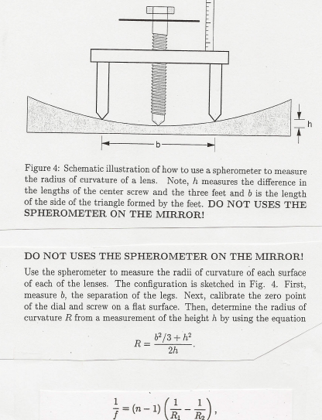

Reading H (in 0.001 in) | 16
Reading H in mm | 0.04064 | mm
Distance B | 52.98 | mm
Mirror Diameter | 0.2 | m
Radius of Curvature R | 11.511176816 | m
Focal Length | 5.755588408 | m
Focal Ratio | 28.77794204

