Blatt_1_1120R01
SOLDADURA AUTOMÁTICA GEOMETRIA

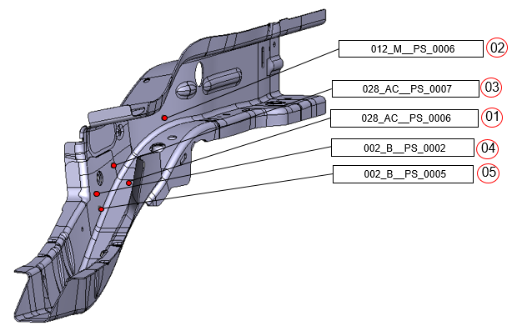

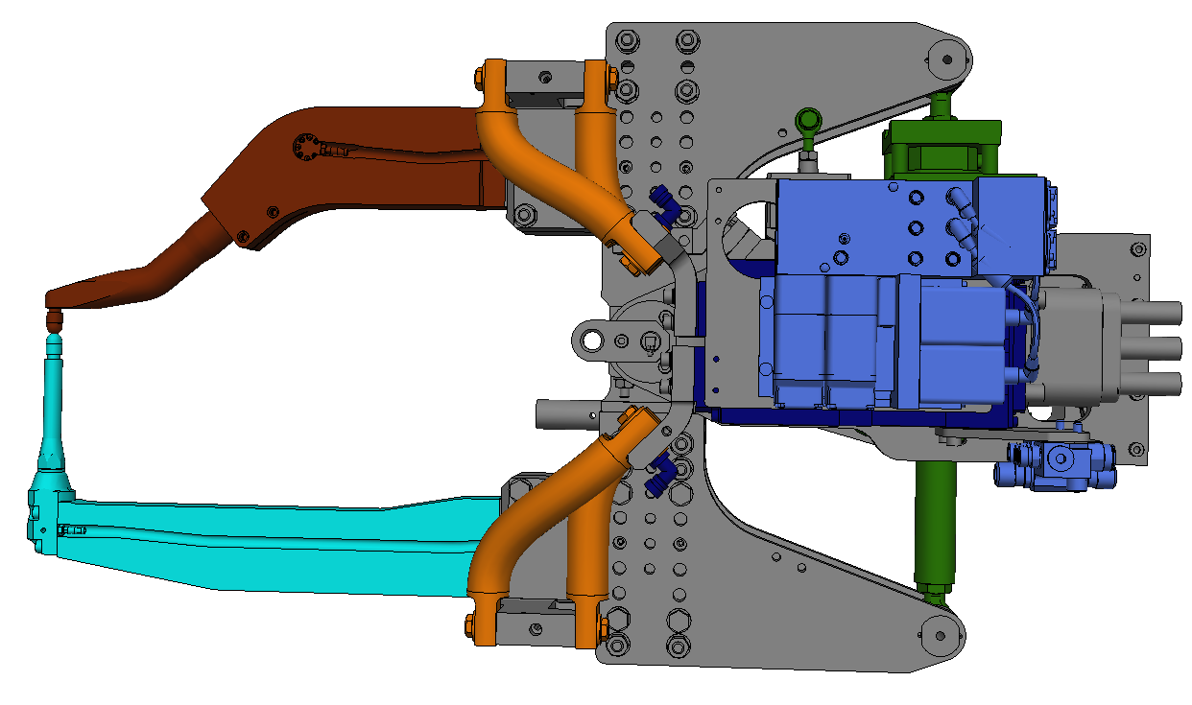

Spotwelding plan / VW336
AFO 1120
5x GEO 1120R01

66-59D 389105/176

 |  |  |  |  |  |  |  |  |  |  | Änderungsindex : | 0
 |  |  |  |  |  |  |  |  | VW 366 Tayron México
 | Benennung: | AFO | 1120 | K.-Gruppe | Entworfen: | GME | Zeichng.Anz.: |  | 3 | Zeichnungs-Nr.: |  |  | Bl.Nr. | Anschl.
 | Punktplan | o.s.o. |  |  | designed: |  | no. of drawings: |  |  | drawing no.: |  |  | sheets no. | con. petal.
 |  | Station | ST1120 |  | Gezeichnet: | GME | Datum: | 2023-03-28
 | designation | station |  | C-group | drawn: |  | date: |  |  | 66-A53-96D 313785 |  |  | 1 | 2
AKTIENGESELLSCHAFT | spotwelding plan | Typ: | VW 336 |  | Gesehen: | GME | Firma:
 |  | type: |  |  | seen: |  | comp.

Blatt_2_1120R01
SOLDADURA AUTOMÁTICA GEOMETRIA

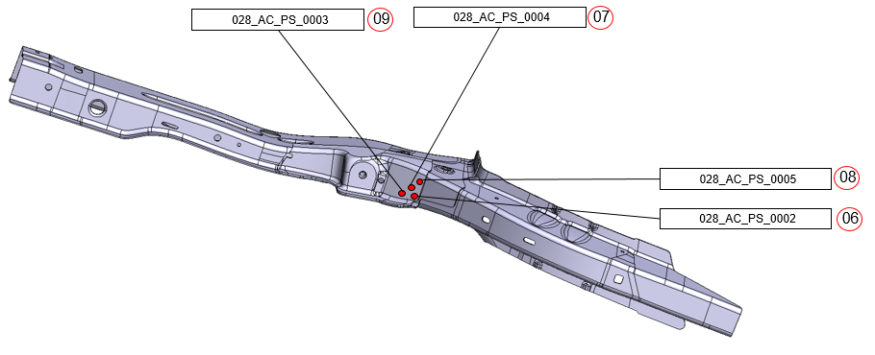

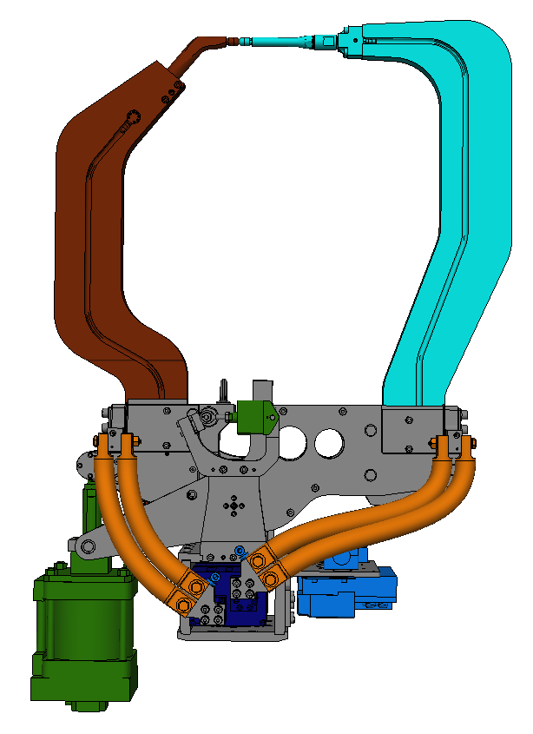

Spotwelding plan / VW336
AFO 1120
4x GEO 1120R01

66-59D 389106/186

 |  |  |  |  |  |  |  |  |  |  | Änderungsindex : | 0
 |  |  |  |  |  |  |  |  | VW 366 Tayron México
 | Benennung: | AFO | 1120 | K.-Gruppe | Entworfen: | GME | Zeichng.Anz.: |  | 3 | Zeichnungs-Nr.: |  |  | Bl.Nr. | Anschl.
 | Punktplan | o.s.o. |  |  | designed: |  | no. of drawings: |  |  | drawing no.: |  |  | sheets no. | con. petal.
 |  | Station | ST1120 |  | Gezeichnet: | GME | Datum: | 2023-03-28
 | designation | station |  | C-group | drawn: |  | date: |  |  | 66-A53-96D 313785 |  |  | 1 | 2
AKTIENGESELLSCHAFT | spotwelding plan | Typ: | VW 336 |  | Gesehen: | GME | Firma:
 |  | type: |  |  | seen: |  | comp.

Hinweise (Notes)
Hinweise zum Punktplan:
Werkstoffbezeichnung:
In den Werkstofffeldern (Spalten Q, T und W) ist für Bleche nur die Materialbezeichnung nach VW50065 + TL 4225 zulässig. Es können in der "Materialliste" bis zu 4 Sonderwerkstoffe mit Streckgrenze hinterlegt werden. Alle Zu- oder Abschläge für höchstfeste Bleche werden automatisch berechnet.
Material:
In the columns for material (column Q, T and W) only the material names according to VW50065 + TL 4225 are valid. In the table "Materialliste" it is possible to enter 4 special materials with the specific yield strength. All adjustments for high-strength Material will be calculated automatically.
 | Startparameter Blechbuckelschweißen (Punktbezogene Programmvergabe):
 | Flaschenhalselektrode 11-59D 358 170
 | VHZ= 20ms
 | Kraft= 0,8 bis 1,0 kN
 | Strom= 6 bis 12 kA (je nach Blechwerkstoff)
 | Schweißzeit= 60-100ms

 | Startparameter Crashrohrschweißen:
 | 16‘er Schweißkappen ohne Arbeitsfläche zu verwenden (Æ 16, R8) – 39-D 1978-1
 | Kraft= 0,6 bis 1,2kN
 | Strom= 7 bis 9kA
 | Schweißzeit= 150 bis 300ms

 | Startparameter Stoßpunkten (Falzflanschfixieren):
 | 16‘er Schweißkappen mit Arbeitsfläche verwenden (Æ 16, AF4R50) – 39-D 1978-2
 | Kraft= 0,6 bis 1kN
 | Strom= 6 bis 9kA
 | Schweißzeit= 90ms

Doppelzange:
Bei Verwendung einer Doppelzange ist in die Zelle G4 "J" einzutragen, andernfalls ein "N".
In der Spalte E "Schweißkoffer" müssen der Schweißkoffer für die jeweils verwendete Zangenseite (bzw. Elektrode) eingetragen sein:
VASS5:
SK-1KA1 (Schweißkoffer für Zangenseite1)
SK-2KA1 (Schweißkoffer für Zangenseite2)
VASS6:
SK1KFA1 (Schweißkoffer für Zangenseite1)
SK2KFA2 (Schweißkoffer für Zangenseite2)
Die Kennzeichnung der Punkte, die gleichzeitig geschweißt werden (Punktpaare) erfolgt in der letzten Spalte (Bemerkung). Dabei wird durch eine Zahl am Anfang das Punktpaar gekennzeichnet, nach dem Bindestrich der Schweißkoffer für die jeweils verwendete Elektrode.
Beispiel:
1-SK1 (Punktpaar 1 am Schweißkoffer 1)
1-SK2 (Punktpaar 1 am Schweißkoffer 2)
2-SK1 (Punktpaar 2 am Schweißkoffer 1)
2-SK2 (Punktpaar 2 am Schweißkoffer 2)
...
20-SK1 (Punktpaar 20 am Schweißkoffer 1)
20-SK2 (Punktpaar 20 am Schweißkoffer 2)
Twin-Spot-Gun:
For using a Twin-Spot-Gun in cell G4 enter "J" for yes, otherwise enter "N" for no.
In column E "Welding case-No." the welding case for the used gun side (resp. Elektrode) must be entered:
VASS5:
SK-1KA1 (Welding case for gun side1)
SK-2KA1 (Welding case for gun side1)
VASS6:
SK1KFA1 (Welding case for gun side1)
SK2KFA2 (Welding case for gun side1)
The marking of the spots that are welded simultaneous (spot-pairs) must be entered in the last column (Comments).
A number in the beginning markes the spot-pair. The strings after the hyphen are marking the welding case for the electrode which is used.
Example:
1-SK1 (spot-pair1 at welding case 1)
1-SK2 (spot-pair1 at welding case 2)
2-SK1 (spot-pair2 at welding case 1)
2-SK2 (spot-pair2 at welding case 2)
...
20-SK1 (spot-pair20 at welding case 1)
20-SK2 (spot-pair20 at welding case 2)
 | Startparameter Mikropunktschweißen:
 | 16‘er Schweißkappen mit Arbeitsfläche verwenden (Æ 16, AF5R15) – 59D 388 863
 | Kraft=1,0kN
 | Strom= 4,3kA
 | Schweißzeit= 350ms

Vorgabe für den Dateinamen / standard for file names
Werk + A-Plan-Nr + Linie(Scheibe) + Anlage + ARG + Schutzkreis + Station + Roboter + Versionsnummer
z.B. A-Plan für einen Roboter / for example A-plan for one robot
11-A33-15D_343023_K1BOVO51_1343R01_A01.xlsx
z.B. A-Plan für eine Station / for example A-plan for one station
11-A33-15D_343023_K1BOVO51_1343_A01.xlsx

AF
R
D
AF: Arbeitsflächendurchmesser Electrode Tip Diameter
R: Arbeitsflächenradius Electrode Tip Radius
D: Elektrodendurchmesser Electrode Diameter
Elektrodengeometrie Electode Geometry

Die Blätter "Punktplan (Example)" , "Hinweise (Notes)" und "Änderungshistorie" sind nur zur Information und dürfen nach dem Ausfüllen des Punktplanes gelöscht werden
The sheets "Punktplan (Example)", "Hinweise (Notes)" and "Änderungshistorie" are only for information and they can be deleted after filling out the spotwelding plan.

