Plan1
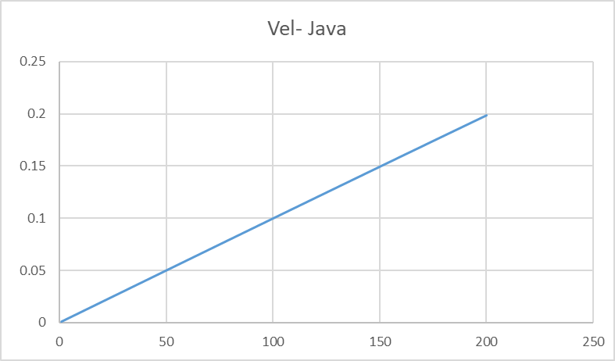
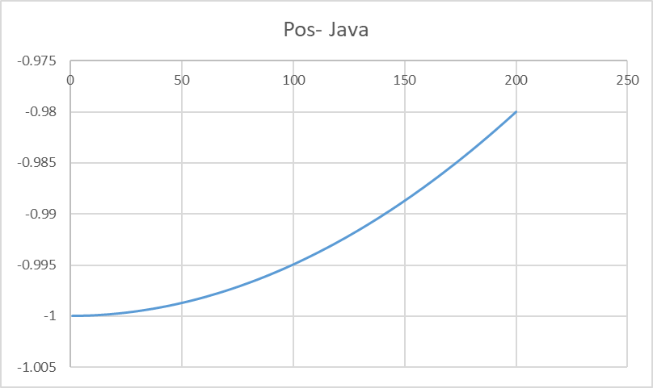
C | Fortran | Java | JavaScript | Lisp | Pascal | Python | Php
209 |  |  |  |  |  | 4393.629550933838

