Plan1
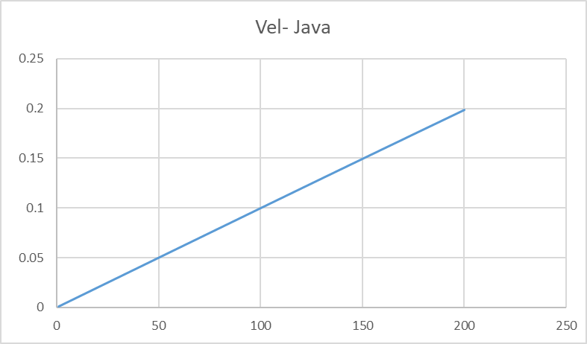
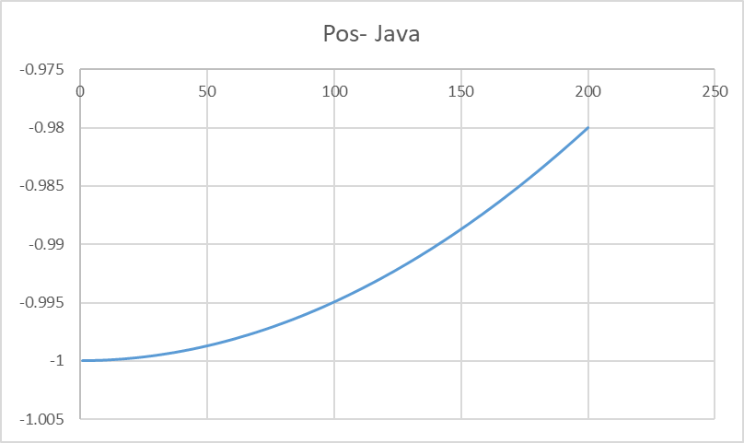
Massa Mola - 0.01
C | 209
Fortran | 163.608994
Java | 1186
JavaScript | 1057
Lisp
Pascal
Python | 3308.5289001
Php | 2.081
C | Fortran | Java | JavaScript | Lisp | Pascal | Python | Php
209 | 163.608994 | 1186 | 1057 |  |  | 3308.5289001 | 2.081

