Plan1
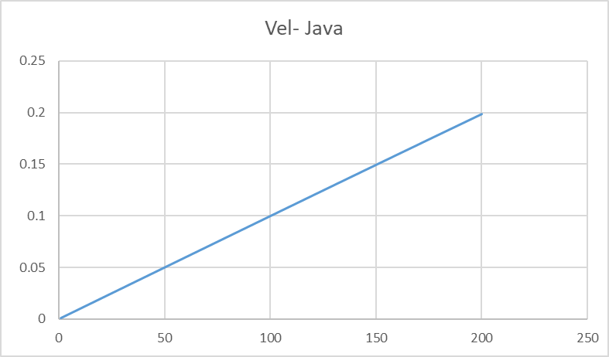
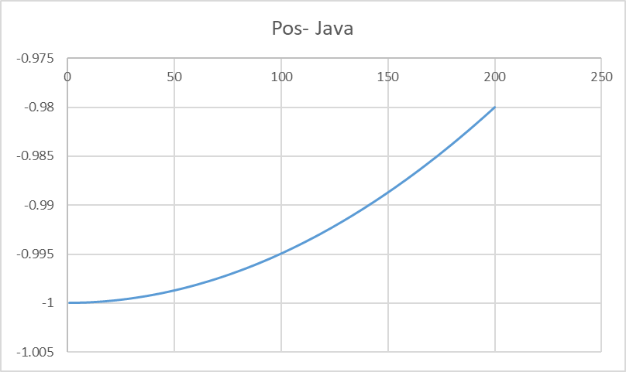
C | Fortran | Java | JavaScript | Lisp | Pascal | Python | Php

