Sheet1
0.995114 | 0.995114 | 0.995114
0.0959854 | 0.0959854 | 0.0959854
0.0231094 | 0.0231094 | 0.0231094
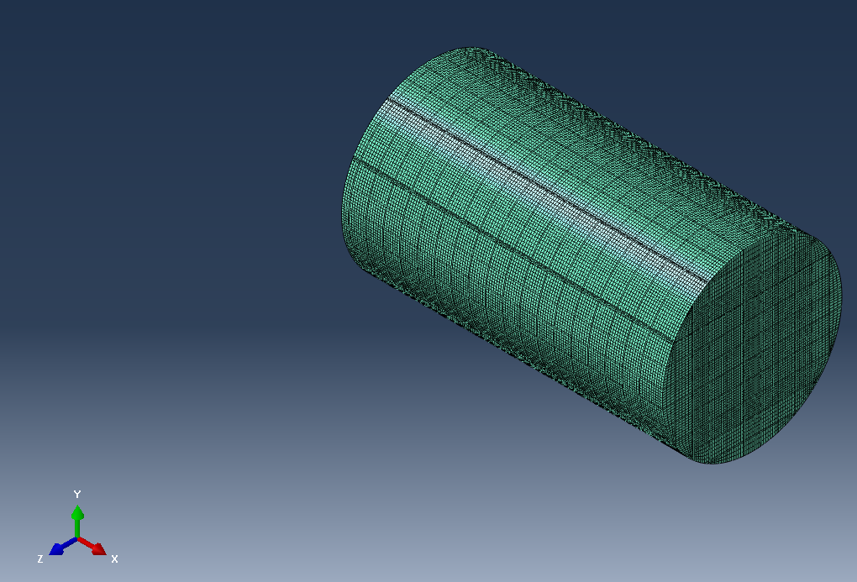
0.096011 | 0.096011 | 0.096011
0.99538 | 0.99538 | 0.99538
0 | 0 | 0
0.0230026 | 0.0230026 | 0.0230026
0.00221876 | 0.00221876 | 0.00221876
0.999733 | 0.999733 | 0.999733
 | 0.00501 | 0.00501
 | 0.00501 | 0.00501
 | 0.00501 | 0.00501
1.00E-21 | 0.00501 | 0.00501
 | 0.00501 | 0.00501
 | 0.00501 | 0.00501
 | 0.00501 | 0.00501
 | 0.00501 | 0.00501
 | 0.00501 | 0.00501
 | 0.00501 | 0.00501
 | 0.00501 | 0.00501
 | 0.00501 | 0.00501
 | 0.00501 | 0.00501
 | 0.00501 | 0.00501
 | 0.00501 | 0.00501
 | 0.00501 | 0.00501
 | 0.00501 | 0.00501
 | 0.00501 | 0.00501
 | 296000 | 296000
 | 296000 | 296000
 | 296000 | 296000
 | 127000 | 127000
 | 127000 | 127000
 | 127000 | 127000
 | 199000 | 199000
 | 199000 | 199000
 | 0 | 0
 | 0 | 0
 | 0 | 0
 | 199000 | 199000
 | 0 | 0
 | 0 | 0
 | 0 | 0
 | 0 | 0
 | 0 | 0
 | 0 | 0
 | 0 | 0
 | 0 | 0
 | 0 | 0
 | 0 | 0
 | 0.0528 | 0.0528
 | 126 | 126
 | 6.68 | 6.68
 | 7.79 | 7.79
 | 0.00083 | 0.00083
 | 1.56E-07 | 1.56E-07
 | 0.00418 | 0.00418
 | 1.56 | 0
 | 330 | 0
 | 1.56E-07 | 1.56E-07
 | 0.3 | 0.3
 | 0.5 | 0.5
 | 0.2 | 0.2
 | 0.301 | 0.301
 | 0.0596 | 0
 | 5000 | 0
 | 4.14E-09 | 4.14E-09
 | 0.0702 | 0.0702
 | 0.5 | 0.5
 | 0.000249 | 0.000249
 | 4.02 | 4.02
 | 1.98 | 1.98
 | 10 | 10
 | 0 | 0
 | 0.3 | 0.3
 | 1 | 1
 | 296000 | 296000
 | 199000 | 199000
 | 127000 | 127000
 | 0.00501 | 0.00501

