Roadmap
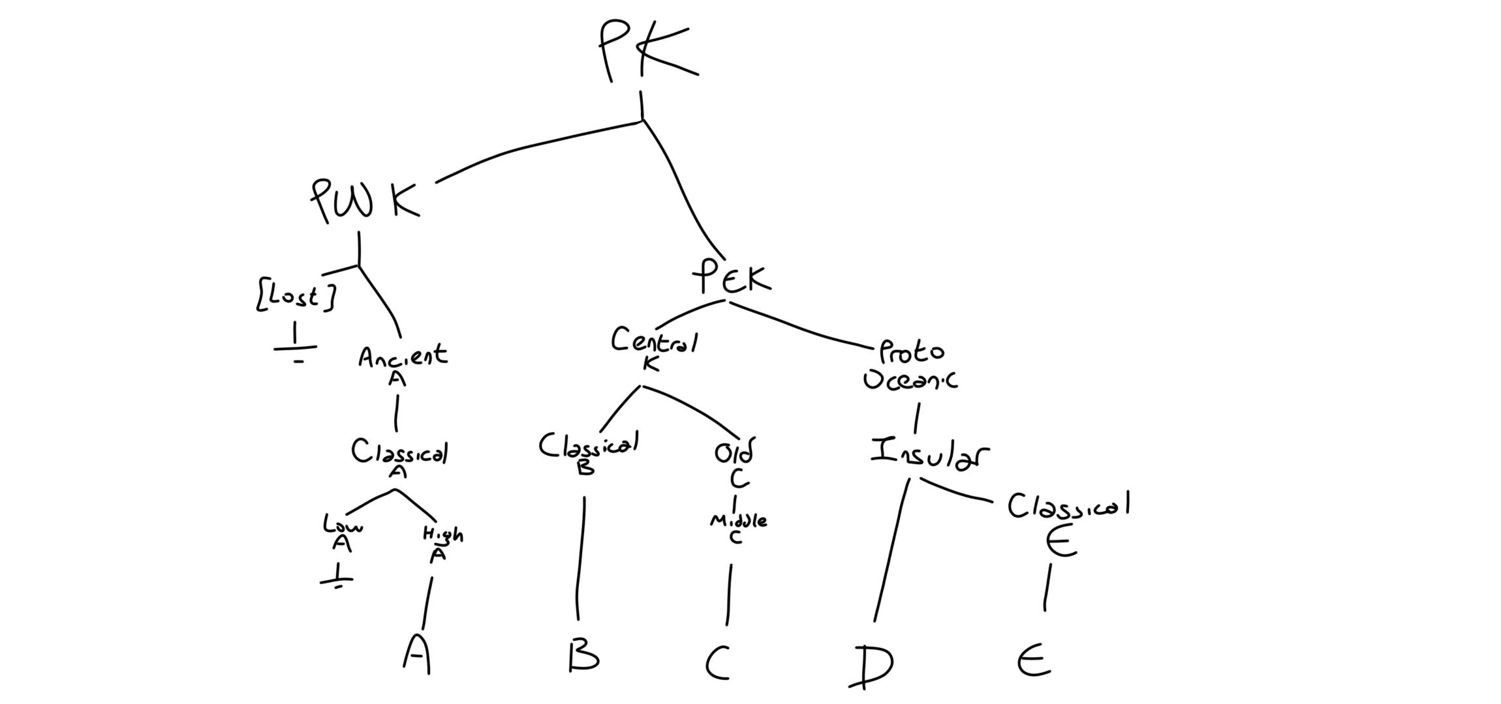
Proto-Kumhu
|
├── Proto-West-Kumhu
| ├── Ancient A
| | └── Classical A (Ancient A)
| | ├── Low A //
| | └── High A
| | └── A (High A)
| └── [Lost Language] //
|
└── Proto-East-Kumhu
├── Central
| ├── Classical B
| | └── B (Classical B)
| └── Old C
| └── Middle C (Old C)
| └── C (Middle C) | Population & Migration Map
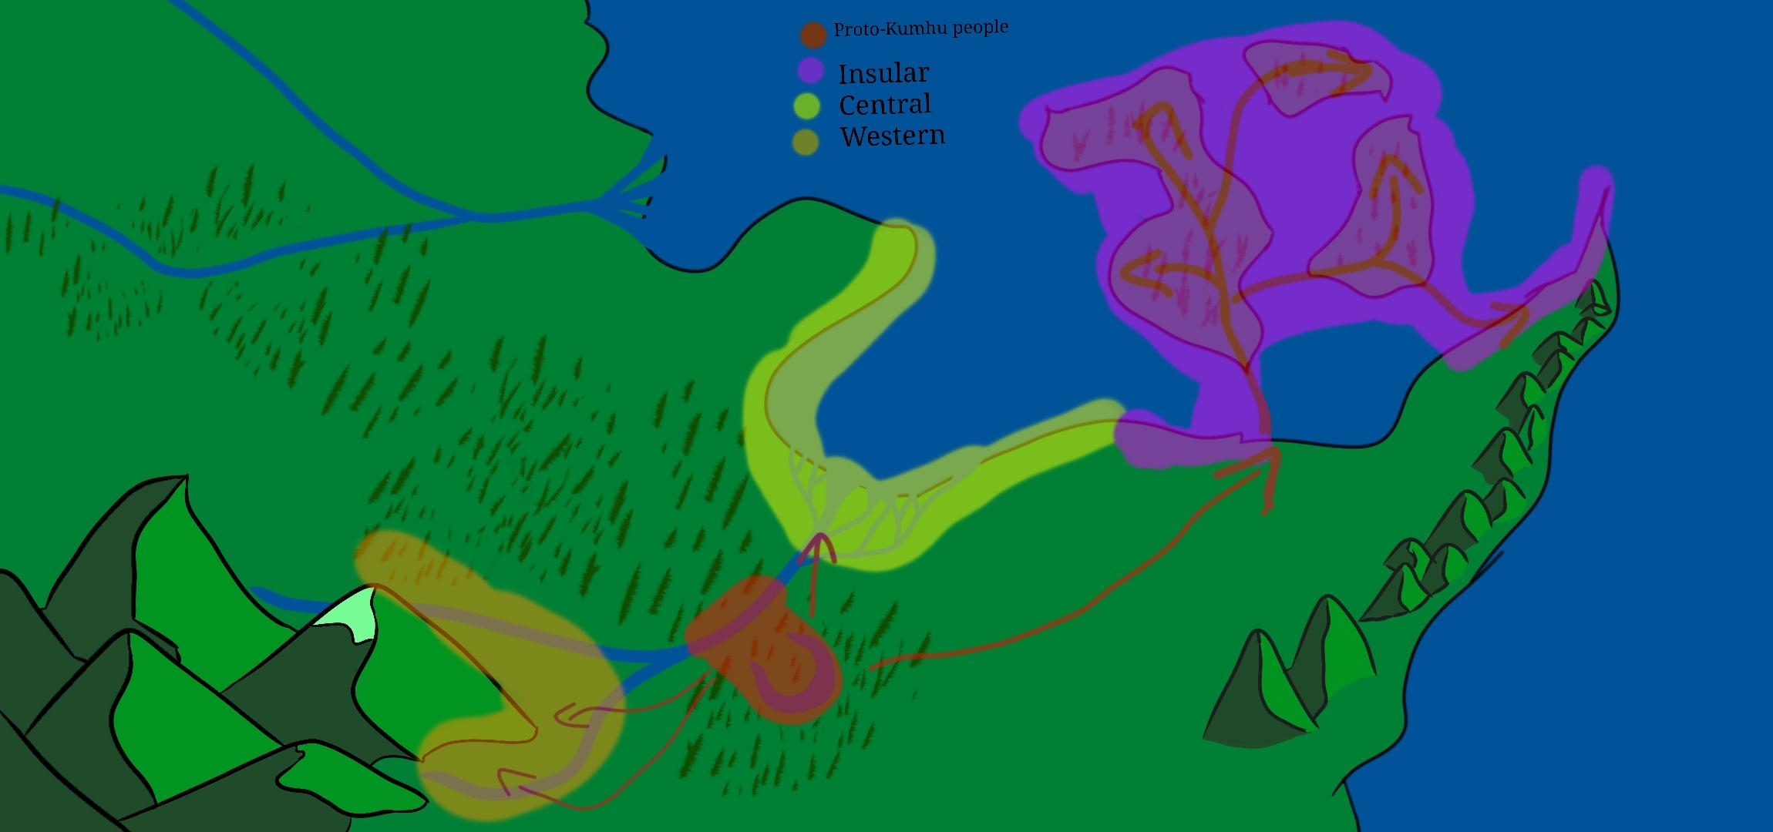
└── Proto-Oceanic
└── Insular
├── D (Insular)
└── Classical E (Insular)
└── E (Classical E)

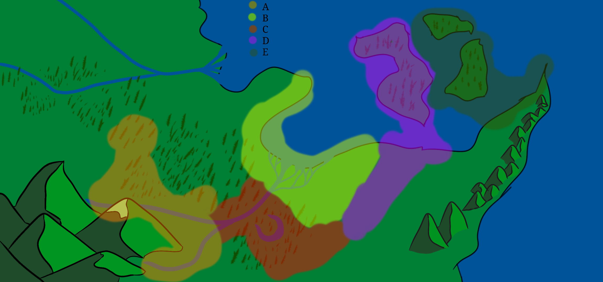
 | Language Map

culture proud of the advancement of lanɡuaɡe, calls themselves "of tongues"
culture by a river and a lake within a forest
culture that started with paintings,drawings,illustrations
evolved into elaborate illustrations for documents
scribes = painters ; painting = writing
one scholar came up with a rudimentary way of "writing" down things
...

Maps shown are just the sections with people in it, part of a bigger world

THE WORLD
circular terrestrial world, outer border of all five elemental barriers
the world is built upon 5 base elemental forces, ice, fire, water, earth, electricity
all five elements are united within the Sun, which is the sole body in the sky
rainfall occurs only in the centre of the world, carried by wind currents from the edge towards the centre
all winds blow towards the centre
sun does not set, no day night cycle
tall lone mountain in the centre of the earth, widely known as the steps of the sun
rivers flow from this mountain out towards the edge of the world
no seasons, constant summer-like climate
the further away from the centre of the world, the colder the climate
temperature variation from centre to edge, 0km-1000km: ~5⁰C

idea: one culture's method of death penalty- stake through the spine and then the heart

