Blob
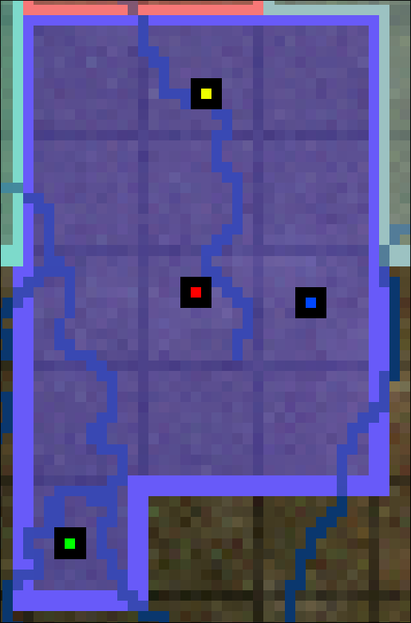
Name
Shu | ʃúːɟiɲ

Regions |  | Settlements
 | SG |  | SG
 |  | Red | ʎívəːθ
 |  | Green | kókɨŋ
 |  | Blue | káhɨ
 |  | Yellow | ɟinláːɖə

