loanwords
T83
ɕíːχə : rock/stone | Semantically expanded to mean metals/iron, will eventually just be used to mean iron
 | ˈθɛː.h - n. iron
 | hzɛ.ˈtɕɛː.θɑ.mɑ - n. money
hé | ɛ - adj. sweet (inanim, but doesnt really matter it was **only** used to refer to the sugar anyways)
ɟíˀːt | dʑɑːs - v. to celebrate
nɨ́ːχw | nɪːhw - v. to beat/hit
lɨ́ˀ | lʊ - v. to strike an instrument, to strike iron (forging)
ɕíː | θɛ - n. number
cíˀ | tɕɑ - n. old fuck (derogatory)
jɨ́ː | jɪ - n. person
hɨ́ˀn | ʊn - v. to want
ɨ́ˀl | ʊl - v. to pay
əɬíɡə | ə.ˈlɛɣ - v. to mine
jɨ́ːɲɕi | jɪːɲθ ([ɲ] realised as [n]) - v. to lie, to deceive, to scam
χɨ́ɕiˀːf | ˈhɪ.θɑːɸ - v. to shine
ɟíl | dʑɛl - adj. white (inanim)
ɲíːχ | ɲɛːh - n. sea
hɨ́ˀ | ʊ - n. water
íːlv | ɛːlβ - n. daytime
ʁáɕiːl | ˈɹɑ.θɛːl - n. imitation
mɨ́ː | mɪ - n. language
ŋáː | ŋɑ - n. slave
ʁáɕiːm | ˈɹɑθɛːm - v. sex (used to mean earthquake, but now just used to mean sex)
χɾú | ˈhzʊ - n. horse

Words loaned from nĩdʔope (Talonkaine)
ɪððʊɸɛ - the iddufe people | ĩdʔope - culture
nɪððʊɸɛ - | nĩdʔope - language
dʑʊːtɕɛːmʊɑːh | d͡ʒõːt͡ʃẽːmuãːh - the land

hʊːðɑ.ŋʊːsɑː | huːdakoːsaː - ocean's end, the border of the world that unravels and falls apart
tɕʊː.sɑː | t͡ʃoːsaː - ocean
ʊ.ðɑ | oda - the ocean to the east
ɛ.ŋɛ.tɕʊː.sɑː | eget͡ʃoːsaː - whale
βɑβʊːsɛːnʊŋ | baboːt͡seːnõ - sea goddess
sɛːŋŋʊːmʊːhɛː | seːʔŋuũmuũːheː - A land of the southern Giants and Goddesses, where the vegetation is like the corals of the ocean, and great animals walk with the Giants.
ŋɪ | gi - fish
mʊɪðɪɹɛŋʊŋ | muĩdiɾeŋoõ - shelled creature
ɛxʊːssɪ | ekuːsʔi - port
ʊðʊːs | ũdoːs - fishing boat
hɑŋ | hã - to fish
ɛðɛlʊŋ | edelõ - to swim
ɪːdʑɪːɸɪ | iːd͡ʒiːpi - to oar, to paddle
ɑnʊː | ãnоː - shark, porpoise
θɪːtɕɛnɛŋ | tiːt͡ʃẽnẽ - water-based bird
βɛɹɪːs | beɾiːs - coral, reef

 | Words:
 | the writing system: /kuŋoã/ => xʊŋʊŋ
 | a marking, a writing, a document: /aːsaːgoɾa/ => ɑːsɑːŋʊɾɑ
 | writer, marker, calculator (actor): /aːsaːgoːs/ => ɑːsɑːŋʊːs
 | to write: /aːsaːg/ => ɑːsɑːŋ
 | to write down ridicule of someone: /haːsẽ/ => hɑːsɛŋ
 | to send, to message: /op/ => ʊɸ

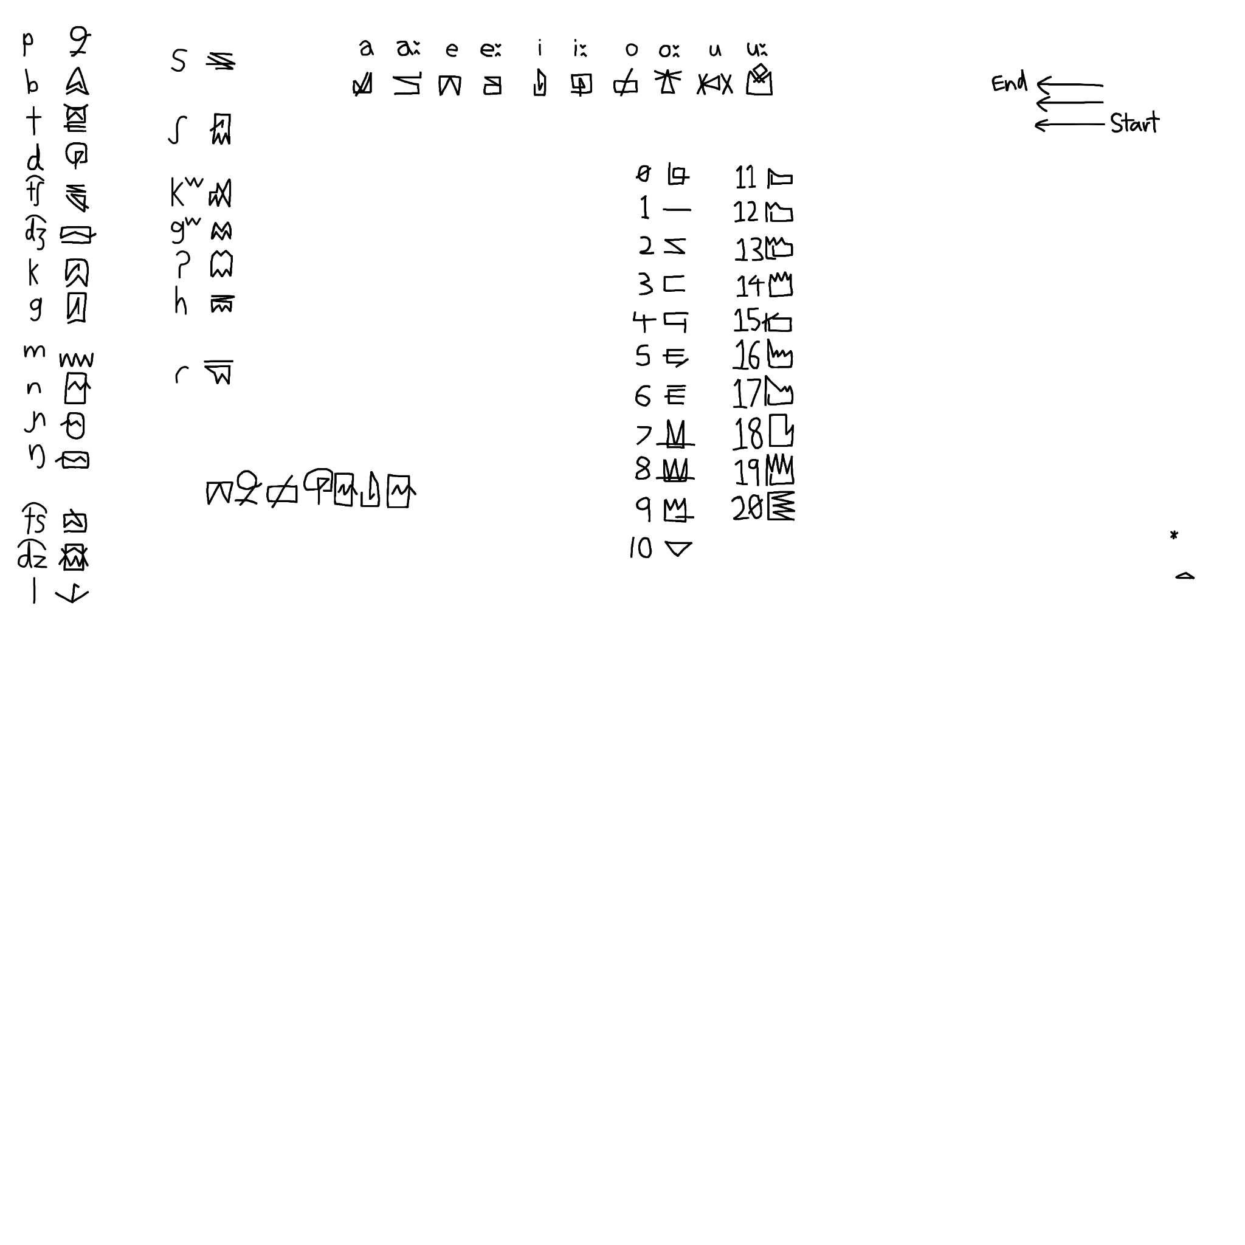

 | # Sentence
 | Hii'x isk iilvta śi'ńńi' omfi'sim Jeexet lii's doo't janth śeeń hvi i'liivetta faa'th xaalŋi hvi hvi'kiivet.
 | Hii'x isk iilv-ta śi'n-ńi' omfi'sim Jeex-et lii's doo't janth śeeń hvi i'l-iivet-ta faa'th xaalŋi hvi hvi'-iivet.
 | this.AN.ESS CL_STL daytime.ESS OBJ3PL-give PAST.PERF.1SG Jeex-DAT four fat.AN CL_ANM(water buffalo) CL_INT pay-DEVERB-ESS in 3SG.GEN CL_INT work-DEVERB
 | This day I gave four fat water buffalos to Jeex as a payment for his work.
 | [hiˀːx ɪsk ˌiːlʷta ɕɪˀˈɲːɪˀ ɔʋ̃ˌfɪˀsɪm ˌjeːxɛt liˀːs ˌdoˀːt jaɹ̃θ ˈɕeːɲ hʷɪ ˌɪˀliːvɛtːa fɒˀːθ xɒːlŋɪ hʷɪ ˌhʷɪˀkiːvɛt]
 | # Characteristics
 | I feel Alhaat is somewhat a middle ground between inflection and isolating. Phonetically it doesn't have much of a real world inspiration, what was not present in the example I cooked up is the language posesses retroflex consonants and devoices final obstruents. The example however does feature the stød, which generally is creaky voice but might also be accompanied by a falling tone. Vowels have length-quality pairs and the phonotactics can get quirky occasionally.
 | Grammar-wise you get 6 cases, no number distinctions in nouns and a large noun class system together with animacy.
 | Almost all verb currently require an auxiliary to encode tense, aspect and subject information.
 | Lastly in grammar, I've nuked the word formation system so currently everything is done with compounding until new suffixes develop.

 | For culture, you get steppe dwelling cattle herders together with newly established urban traders.

 | hɨˀːχ isk iːlvˀta ɕiˀnɲiˀ omfɨˀsim jeːxet lɨˀːs ɾoˀːt janθ ɕeːɲ hwɨˀta ɨˀl faˀːθ χaːlŋɨ hwɨ hwɨˀ

 | Ūh ehx ēlvs thaññâ umfûhem Jēhes/Jēxes lūh zūs jan thēñ wusul fā hālg wiwu
 | ʊːh ɛhx ɛːlβs θɑnɲɑ ʊmɸʊhɛm jɛːhɛs//jɛːxɛs lʊːh zʊːs jɑn θɛːɲ wʊsʊl ɸɑː hɑːlŋ wɪwʊ
 | ʊːh ɛhx ɛːlβ-s θɑ[ɲ]-ɲɑ ʊmɸʊhɛm jɛːh-ɛs//jɛːx-ɛs lʊːh zʊːs jɑn θɛːɲ w<ʊs>ʊl ɸɑː hɑːlŋ wɪwʊ
 | this.AN.ESS CL_STL daytime.ESS OBJ3PL-give PAST.PERF.1SG Jeeh-DAT//Jeex-DAT four fat.AN CL_ANM water-buffalo NMLS_INT<ESS>pay in 3SG.GEN NMLS_INT.NOM-work
 | This day I gave four fat water buffalos to Jeex as a payment for his work.

