user interface_v0
UI-1 | users interface consist of one window titled "Julia's app"
UI-2 | the user interface includes the following components: Results control, Start button, Reset button, combobox with configs to select from the file limity.txt , application sleep time, Status control, also the Status value is visible on the opcua server
UI-3 | when you turn on the program, the Result control is visible
UI-4 | when turn on the program, the Status control with the value startup is visible
UI-5 | the Reset button is always active
UI-6 | when you turn on the program, the Start button is inactive
UI-7 | If the Reset button is clicked, the existing window will get closed, the window described above (UI-3 - UI-6) will open after a while
UI-8 | When the Status value is alarm, the reason of it will be written next to it
UI-9 | if the file limity.txt was not found the value in the Status control will take the value alarm | !made before client!
UI-10 | after starting the application after waiting 3 seconds if the machine has been connected incorrectly, the value in the Status control will take the value alarm
UI-11 | if the alarm is active, the Start button is inactive
UI-12 | after starting the application after waiting 3 seconds, if the machine has been connected correctly, the value in the Status control will take the idle value
UI-13 | If the alarm is active, the combobox is inactive
UI-14 | After selecting an option from the ComboBox, the option to enter the sleep time is active
UI-15 | after selecting the option from the combobox, values: low and high, taken from the file limity.txt ; will be active
UI-16 | when you select an option from the combobox, the Start button is active
UI-17 | after clicking the Start button, the program reads the value from the voltmeter and type it into the Results control, after the designated sleep time
UI-18 | If nothing is typed in the sleep option, or the value entered is nonnumeric, the sleep time is 0 seconds
UI-19 | when you click Start, the value in the Status control changes to ready
UI-20 | If the value from the voltmeter is between a low and a high value, it is underlined in green with the text passed
UI-21 | If the voltmeter value is not between a low and a high value, it is underlined in red with the text failed
UI-22 | if an error occurs when reading the value from the voltmeter, the value in the Status control changes its value to an alarm
UI-23 | if the mode is remote only button Reset is active
UI-24 | in the remote mode the program is controlled by the uaexpress
UI-25 | in the uaexpress we got the folder parameters with variables from the program
UI-26 | in the remote mode all functions except Rset button, in the app do not work
UI-27 | in the change field user writes the command for the program
UI-28 | in the id field user types id, if id changed then the command from the change field gets sent to the app
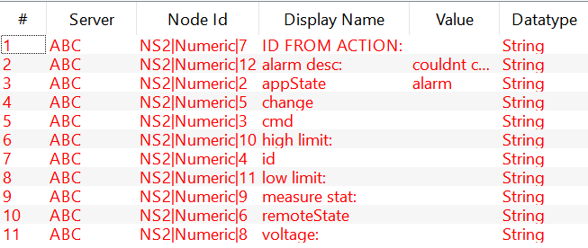
UI-29 | the commands avilabe to type for the change field are : cfg1, cfg2, measure
UI-30 | the command measure can be only succesfully done, if firstly the commnad cfg1 or cfg2 will be sent
UI-31 | alarm desc shows alarm description if there is alarm
UI-32 | id from action shows the id written in id formula
UI-33 | appState show the state in the app
UI-34 | after writing something in cmd formula, it will be shown in the app
UI-35 | high limit shows after picking the configuration(cfg1 or cfg2) the high limit for the volt value
UI-36 | low limit shows after picking the configuration(cfg1 or cfg2) the low limit for the volt value
UI-37 | the cfg values are taken from the limity.txt file
UI-38 | the measure stats shows if the volt value was in the range of the low limit to the high limit
UI-39 | the remoteState value shows if the command from the change variable was able to do it, f.e if the measure will be sent before cfg commnd it wil show error
UI-40 | the voltage variable shows the voltage from the voltmeter

interface_agreement
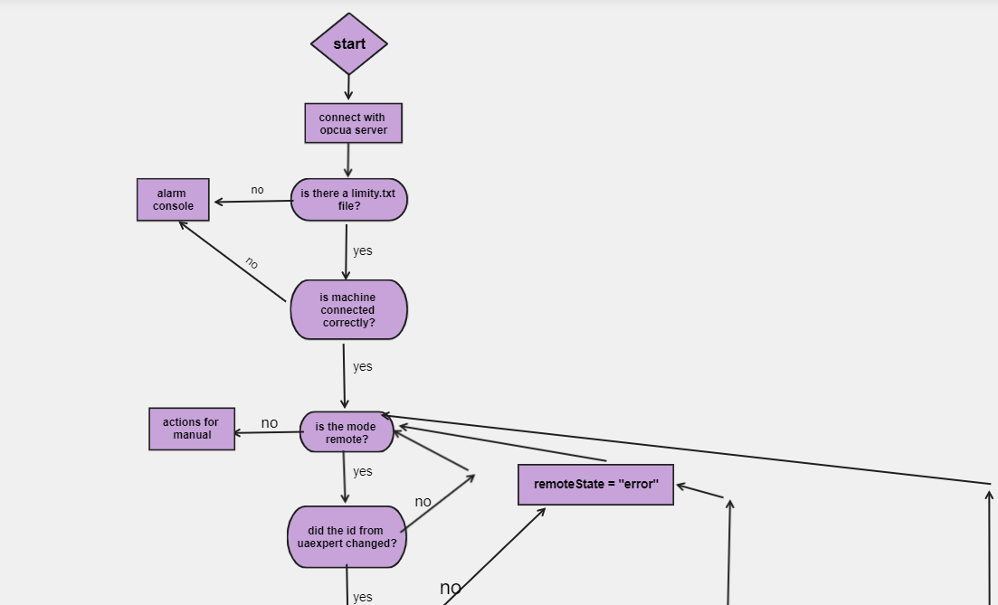
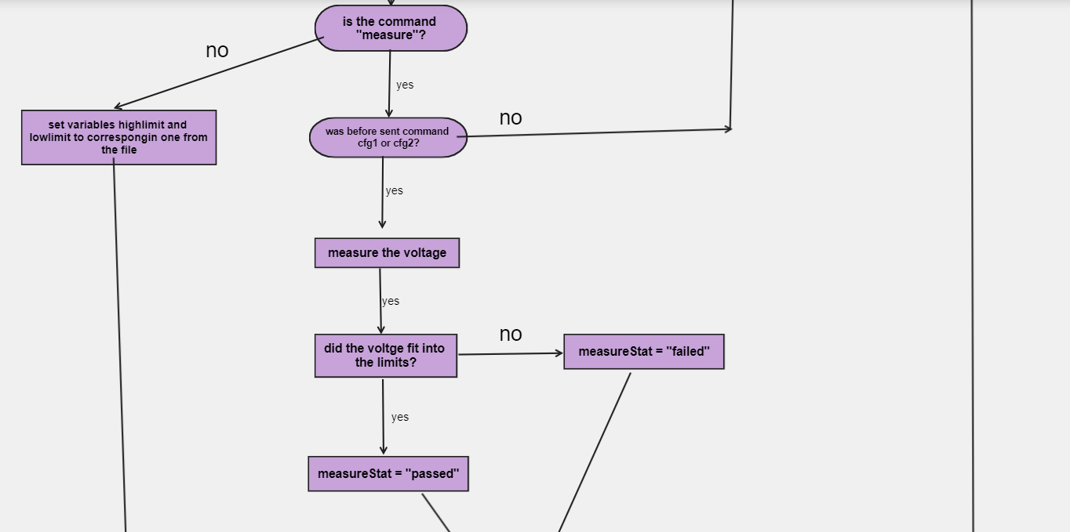
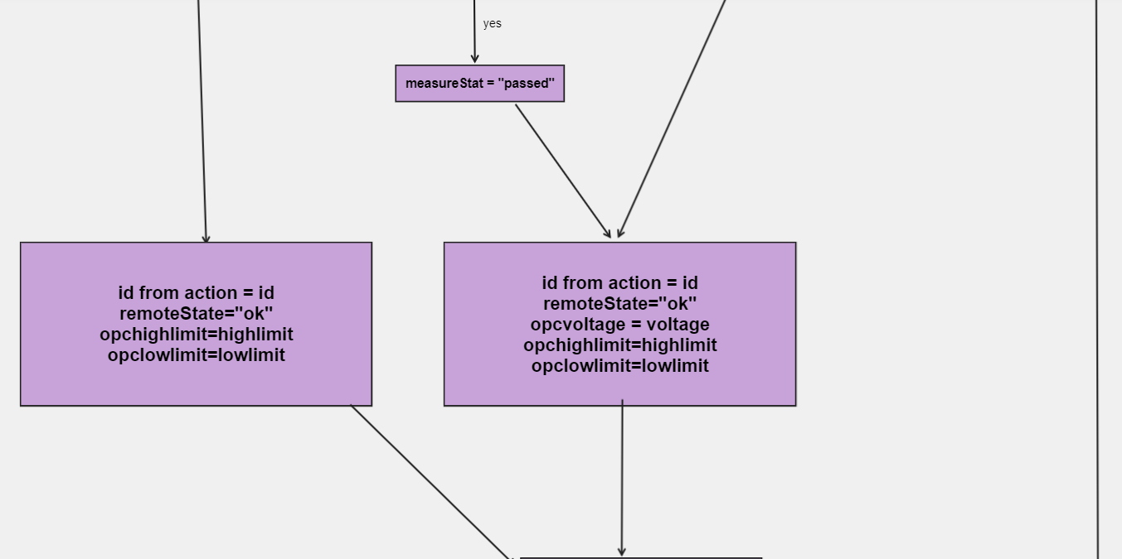
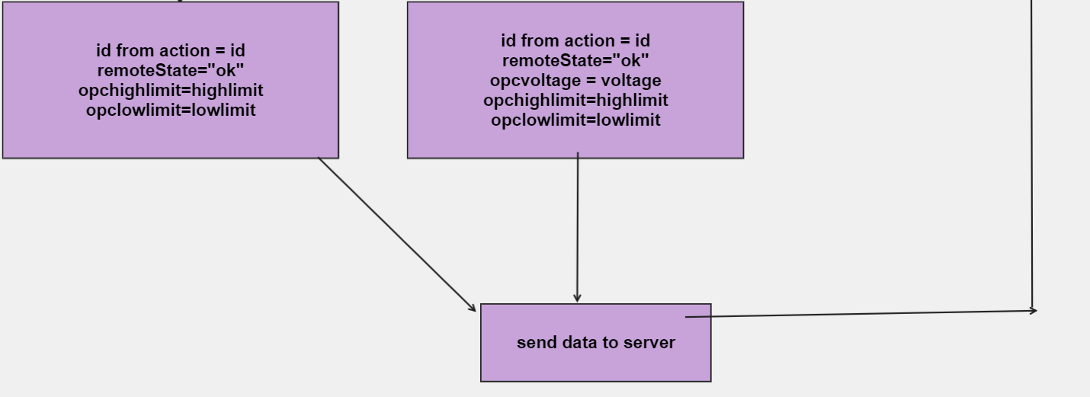
!made before adding the reset command!

