Structural Diagram
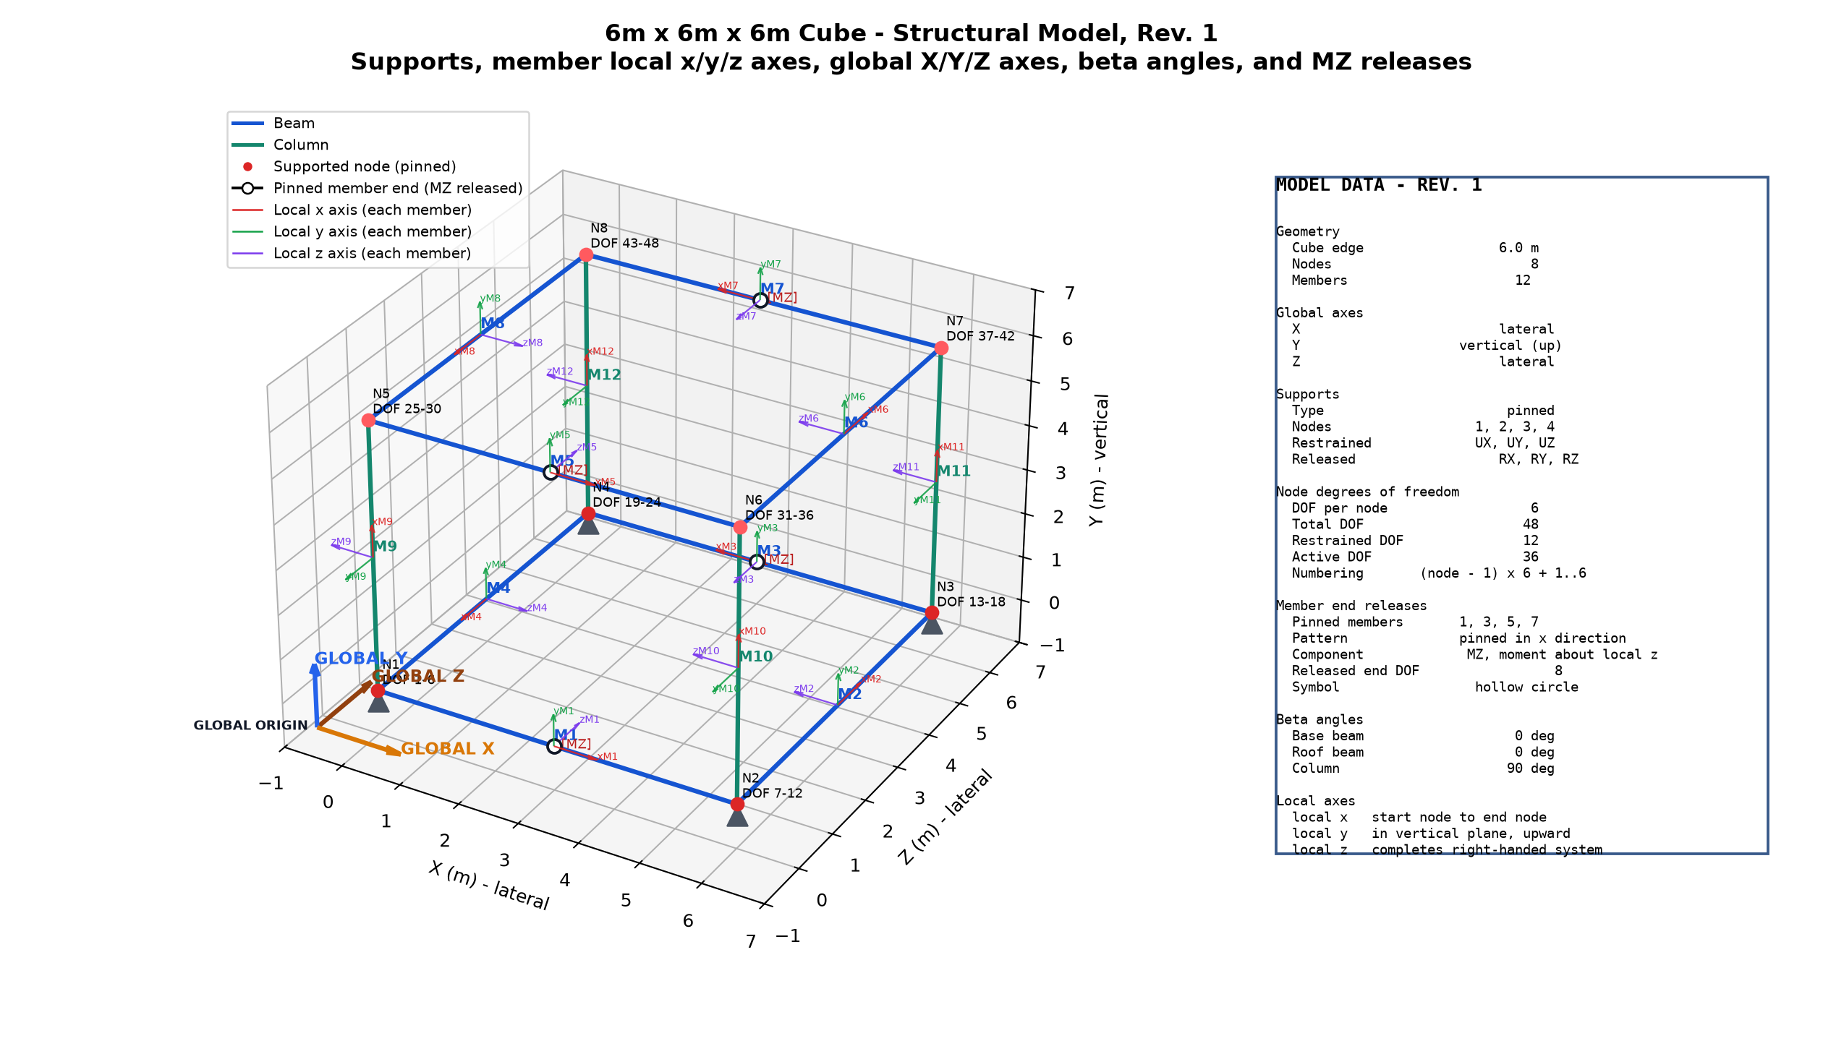
Rev. 1 diagram - pinned supports, beta angles, local/global axes, and MZ releases

