Player Profile


SEAN WHITIS
AGE | 14
LEVEL | High School
HEIGHT
WEIGHT
BODY FAT %
GOAL WEIGHT

 | COMPOSITE SCORE |  |  | SCREENING PROCESS |  |  |  | PROGRAM GOALS |  | MONTH 1 GOALS
 |  |  |  |  |  |  |  |  |  | PRIMARY GOALS | SECONDARY GOALS | NOTES
 |  |  |  | MOBILITY |  | PRE | ELITE | GOAL AVG VELOCITY | 90 | - | - | -
 |  |  |  | Ankle Dorsiflexion |  |  |  | GOAL MAX VELOCITY | 92 | - | - | -
 |  |  |  | Ankle Eversion & Inversion |  |  |  | GOAL BODYWEIGHT | 180 | - | - | -
 |  |  |  | Tibial Rotation |  |  |  | DESIRED ROLE | ACE | - | - | -
 |  |  |  | Thomas Test |  |  |  |  |  | - | - | -
 |  |  |  | Cossack Squat
 |  |  |  | Seated Active Hip Rotation |  |  |  | RESULTS BASED |  | MONTH 2 GOALS
 |  |  |  | Single Leg Stability |  |  |  |  |  | PRIMARY GOALS | SECONDARY GOALS | NOTES
 |  |  |  | Sliders |  |  |  |  |  | - | - | -
 |  |  |  | Overhead Squat |  |  |  |  |  | - | - | -
 |  |  |  | Low Back Screen |  |  |  |  |  | - | - | -
 |  |  |  | Pelvic Dissociation |  |  |  |  |  | - | - | -
 |  |  |  | Locked T-Spine Rotation |  |  |  |  |  | - | - | -
 |  |  |  | Cervical Screen
 |  |  |  | Liftoffs |  |  |  |  |  | MONTH 3 GOALS
 |  |  |  | Scapular Movement |  |  |  |  |  | PRIMARY GOALS | SECONDARY GOALS | NOTES
 |  |  |  | Back to Wall Shoulder Flexion |  |  |  |  |  | - | - | -
 |  |  |  | Forearm Pronation/Supination |  |  |  | PROCESS BASED |  | - | - | -
 |  |  |  | Field Goal Test |  |  |  |  |  | - | - | -
 |  |  |  | Total Arc |  |  |  |  |  | - | - | -
 |  |  |  | Knee Supported ER |  |  |  |  |  | - | - | -
 |  |  |  | Pec
 |  |  |  | Lat |  |  |  |  |  | MONTH 4 GOALS
 |  |  |  | Trap |  |  |  |  |  | PRIMARY GOALS | SECONDARY GOALS | NOTES
 | Category | Score | Total |  |  |  |  |  |  | - | - | -
 | Mobility | 5.75 | 20 | STRENGTH |  | PRE | ELITE |  |  | - | - | -
 | Strength | 10 | 25 | Squat (5RM) |  | 30 | 315 |  |  | - | - | -
 | Power | 10 | 24 | Trap Bar Deadlift (5RM) |  | 31 | 365 |  |  | - | - | -
 | Rotational Power | 10.5 | 18 | Dumbbell Bench Press (5RM) |  | 32 | 75 | DATA BASED |  | - | - | -
 | Arm Strength & Health | 7.5 | 18 | Dumbbell Row (5RM) |  | 33 | 85
 |  |  |  | Pull-Ups (BW) |  | 34 | 16 |  |  | MONTH 5 GOALS
 | Your Score | 43.75 | 105 |  |  |  |  |  |  | PRIMARY GOALS | SECONDARY GOALS | NOTES
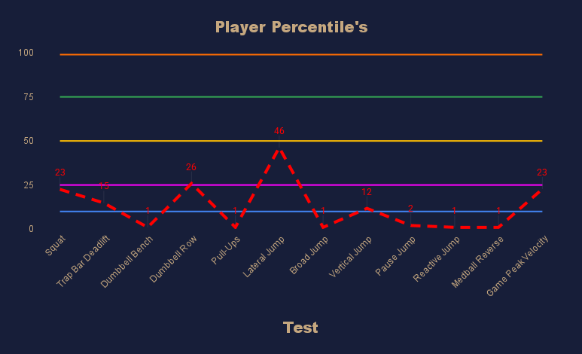
 |  |  |  | POWER |  | PRE | ELITE |  |  | - | - | -
 |  |  |  | Lateral Jump |  | 20 | 80 |  |  | - | - | -
 |  |  |  | Broad Jump |  | 21 | 114 |  |  | - | - | -
 |  |  |  | Vertical Jump |  | 22 | 30 |  |  | - | - | -
 |  |  |  | Pause Jump |  | 23 | 30 |  |  | - | - | -
 |  |  |  | Reactive Jump |  | 20 | 30
 |  |  |  | Medball Reverse Throw |  | 20 | 60
 |  |  |  |  |  |  |  |  |  | MONTH 6 GOALS
 |  |  |  | ROTATIONAL POWER |  | PRE | ELITE |  |  | PRIMARY GOALS | SECONDARY GOALS | NOTES
 |  |  |  | Medball Shotput (6oz) |  | 10 | 55 |  |  | - | - | -
 |  |  |  | Wide Stance Landmine Pivot Press (5RM) |  | 10 |  |  |  | - | - | -
 |  |  |  | Rotational Medball Slam (4oz) |  | 10 | 35 |  |  | - | - | -
 |  |  |  |  |  |  |  |  |  | - | - | -
 |  |  |  | ARM STRENGTH & HEALTH |  | PRE | ELITE |  |  | - | - | -
 |  |  |  | IR Strength
 |  |  |  | IR ROM
 |  |  |  | ER Strength |  |  |  |  |  | MONTH 7 GOALS
 |  |  |  | ER ROM |  |  |  |  |  | PRIMARY GOALS | SECONDARY GOALS | NOTES
 |  |  |  | Flexion |  |  |  |  |  | - | - | -
 |  |  |  | Total Arc |  |  |  |  |  | - | - | -
 |  |  |  | Scaption Strength |  |  |  |  |  | - | - | -
 |  |  |  | Total Strength |  |  |  |  |  | - | - | -
 |  |  |  | Grip Strength |  |  |  |  |  | - | - | -

 | COACHES' THOUGHTS |  |  |  |  |  |  |  |  | MONTH 8 GOALS
 |  |  |  |  |  |  |  |  |  | PRIMARY GOALS | SECONDARY GOALS | NOTES
 |  |  |  |  |  |  |  |  |  | - | - | -
 |  |  |  |  |  |  |  |  |  | - | - | -
 |  |  |  |  |  |  |  |  |  | - | - | -
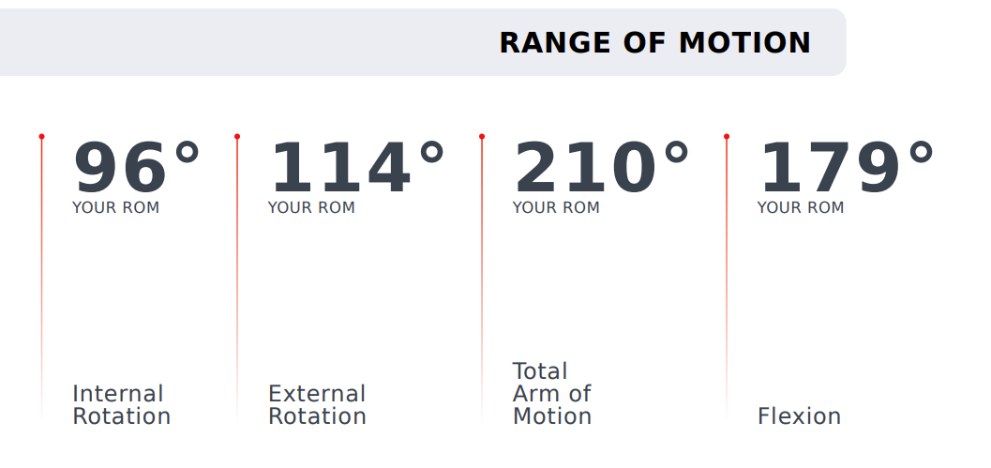
 |  |  |  |  |  |  |  |  |  | - | - | -
 |  |  |  |  |  |  |  |  |  | - | - | -

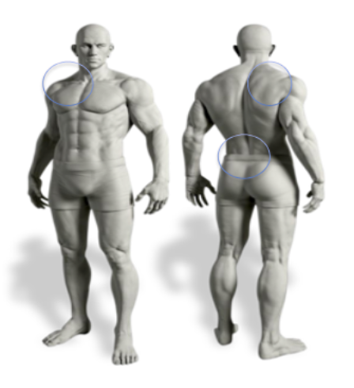
 | FOCUS AREAS
 |  |  |  | VELOCITY DATA |  | PRE | ELITE |  |  | MONTH 9 GOALS
 |  |  |  | In-game (average) |  |  | 87 |  |  | PRIMARY GOALS | SECONDARY GOALS | NOTES
 |  |  |  | In-game (peak) |  |  | 89 |  |  | - | - | -
 |  |  |  | Bullpen (average) |  |  | 85 |  |  | - | - | -
 |  |  |  | Bullpen (peak) |  |  | 87 |  |  | - | - | -
 |  |  |  | Pulldown (average) |  |  | 90 |  |  | - | - | -
 |  |  |  | Pulldown (peak) |  |  | 92 |  |  | - | - | -
 |  |  |  | Flat Ground (peak) |  |  | 86
 |  |  |  | Long Toss Distance |  |  | 380
 |  |  |  |  |  |  |  |  |  | MONTH 10 GOALS
 |  |  |  |  |  |  |  |  |  | PRIMARY GOALS | SECONDARY GOALS | NOTES
 |  |  |  | NUTRITION |  |  |  |  |  | - | - | -
 |  |  |  |  |  |  |  |  |  | - | - | -
 |  |  |  | FAT | CARB | PROTIEN | CALORIES |  |  | - | - | -
 |  |  |  | 85 | 350 | 250 | 3165 |  |  | - | - | -
 |  |  |  |  |  |  |  |  |  | - | - | -
 |  |  |  | PHASE 1 | MONTH 1-2 | MONTH 3-4 | MONTH 5-6
 |  |  |  | GOAL | 2 LBS | 2 LBS | 2 LBS
 |  |  |  |  |  |  |  |  |  | MONTH 11 GOALS
 |  |  |  | PHASE 2 | MONTH 7-8 | MONTH 9-10 | MONTH 11-12 |  |  | PRIMARY GOALS | SECONDARY GOALS | NOTES
 |  |  |  | GOAL | 2 LBS | 2 LBS | 2 LBS |  |  | - | - | -
 |  |  |  |  |  |  |  |  |  | - | - | -
 |  |  |  | FINAL WEIGHT |  |  |  |  |  | - | - | -
 |  |  |  |  |  |  |  |  |  | - | - | -
 |  |  |  |  |  |  |  |  |  | - | - | -
 |  |  |  | COACHES' THOUGHTS

 |  |  |  |  |  |  |  |  |  | MONTH 12 GOALS
 |  |  |  |  |  |  |  |  |  | PRIMARY GOALS | SECONDARY GOALS | NOTES
 |  |  |  |  |  |  |  |  |  | - | - | -
 |  |  |  |  |  |  |  |  |  | - | - | -
 |  |  |  |  |  |  |  |  |  | - | - | -
 |  |  |  |  |  |  |  |  |  | - | - | -
 |  |  |  |  |  |  |  |  |  | - | - | -

Screening
Baseball Specific Functional Movement Screening: |  |  |  |  |  |  |  |  |  | Mechanical Analysis Screening:

Movement |  | Elite | Good | Average/Caution | Red Flag | Raw Data | Score | Comments |  | Segment | Test | Good | Possible Issue | Red Flag | Comments
Lower Body |  |  |  |  |  |  |  |  |  | Setup & First Move
Ankle Dorsiflexion | L | FALSE | TRUE | FALSE | FALSE |  | 0.75 | 57 PF 37 DF | 0.375 |  | Starting position (feet, posture, etc.) | FALSE | FALSE | FALSE
 | R | FALSE | TRUE | FALSE | FALSE |  |  |  | 0.375 |  | Leg lift & Initial weight Shift | FALSE | FALSE | FALSE
Ankle Eversion & Inversion | L | FALSE | TRUE | FALSE | FALSE |  | 0.75 | inversion much harder | 0.375 | Back Leg
 | R | FALSE | TRUE | FALSE | FALSE |  |  |  | 0.375 |  | Engages rear glute | FALSE | FALSE | FALSE
Tibial Rotation | L | FALSE | TRUE | FALSE | FALSE |  | 0.75 |  | 0.375 |  | Pushing / over extending back leg | FALSE | FALSE | FALSE
 | R | FALSE | TRUE | FALSE | FALSE |  |  |  | 0.375 |  | Vertical shin angle vs. early hip IR | FALSE | FALSE | FALSE
Thomas Test | L | FALSE | TRUE | FALSE | FALSE |  | 0.75 | left tighter | 0.375 |  | Stays in heel / not rising on toes early | FALSE | FALSE | FALSE
 | R | FALSE | TRUE | FALSE | FALSE |  |  |  | 0.375 |  | Directionality of drive (open, closed, etc) | FALSE | FALSE | FALSE
Hips |  | FALSE | FALSE | FALSE | FALSE |  |  |  |  |  | Comes out of drive early | FALSE | FALSE | FALSE
Cossack Squat | L | FALSE | FALSE | TRUE | FALSE |  | 0.5 | tight hips decent rom | 0.25 |  | Lateral vs. vertical ground reaction force | FALSE | FALSE | FALSE
 | R | FALSE | FALSE | TRUE | FALSE |  |  |  | 0.25 |  | Back knee drives down into landing | FALSE | FALSE | FALSE
Seated Active Hip Rotation | L | FALSE | FALSE | TRUE | FALSE |  | 0.5 |  | 0.25 |  | Foot maintains ground contact at release | FALSE | FALSE | FALSE
 | R | FALSE | FALSE | TRUE | FALSE |  |  |  | 0.25 | Pelvis
Single Leg Stability | L | FALSE | FALSE | TRUE | FALSE |  | 0.5 | poor balance and hinge | 0.25 |  | Hips clear into landing | FALSE | FALSE | FALSE
 | R | FALSE | FALSE | TRUE | FALSE |  |  |  | 0.25 |  | Rotating down vs. spinning into landing | FALSE | FALSE | FALSE
Sliders | L | FALSE | FALSE | TRUE | FALSE |  | 0.5 | struggles to lenthen adductors, load in heel | 0.25 |  | Moves independently of torso | FALSE | FALSE | FALSE
 | R | FALSE | FALSE | TRUE | FALSE |  |  |  | 0.25 | Torso
Overhead Squat | L | FALSE | FALSE | TRUE | FALSE |  | 0.5 |  | 0.25 |  | Excessive counter rotation | FALSE | FALSE | FALSE
 | R | FALSE | FALSE | TRUE | FALSE |  |  |  | 0.25 |  | Early torso rotation | FALSE | FALSE | FALSE
Thoracic Spine |  | FALSE | FALSE | FALSE | FALSE |  |  |  |  |  | Torso doesn't segment from pelvis | FALSE | FALSE | FALSE
Low Back Screen | L | FALSE | TRUE | FALSE | FALSE |  | 0.75 | lateral felxion poor ( comes on angle ), tightens cervica spine | 0.375 |  | Bow-flex-bow | FALSE | FALSE | FALSE
 | R | FALSE | TRUE | FALSE | FALSE |  |  |  | 0.375 |  | Scapular dig (engaging lateral line) | FALSE | FALSE | FALSE
Pelvic Dissociation | L | FALSE | TRUE | FALSE | FALSE |  | 0.75 |  | 0.375 |  | Reflexive pec fire | FALSE | FALSE | FALSE
 | R | FALSE | TRUE | FALSE | FALSE |  |  |  | 0.375 |  | Arm slot matches torso rotation | FALSE | FALSE | FALSE
Locked T-Spine Rotation | L | FALSE | TRUE | FALSE | FALSE |  | 0.75 | super tight t-spine | 0.375 |  | Rotates perpendicular to spine | FALSE | FALSE | FALSE
 | R | FALSE | TRUE | FALSE | FALSE |  |  |  | 0.375 |  | Excessive tilt / rotation into release | FALSE | FALSE | FALSE
Cervical Screen | L | FALSE | TRUE | FALSE | FALSE |  | 0.75 |  | 0.375 |  | Throwing uphill / shoulder tilt | FALSE | FALSE | FALSE
 | R | FALSE | TRUE | FALSE | FALSE |  |  |  | 0.375 | Throwing Arm
Upper Body |  | FALSE | FALSE | FALSE | FALSE |  |  |  |  |  | Arm swing captures momentum | FALSE | FALSE | FALSE
Liftoffs | L | FALSE | FALSE | TRUE | FALSE |  | 0.5 |  | 0.25 |  | Overly pronated / supinated | FALSE | FALSE | FALSE
 | R | FALSE | FALSE | TRUE | FALSE |  |  |  | 0.25 |  | Overly flexed / extended wrist | FALSE | FALSE | FALSE
Scapular Movement | L | FALSE | FALSE | TRUE | FALSE |  | 0.5 | humeroua and trao engage, no serratus activation | 0.25 |  | Elbow in line with shoulders at landing | FALSE | FALSE | FALSE
 | R | FALSE | FALSE | TRUE | FALSE |  |  |  | 0.25 |  | Late / Early Flip Up | FALSE | FALSE | FALSE
Back to Wall Shoulder Flexion | L | FALSE | FALSE | TRUE | FALSE |  | 0.5 |  | 0.25 |  | Elbow flexion 90 +/- 10 degrees | FALSE | FALSE | FALSE
 | R | FALSE | FALSE | TRUE | FALSE |  |  |  | 0.25 |  | Full Scap Retraction / Abduction | FALSE | FALSE | FALSE
Forearm Pronation/Supination | L | FALSE | FALSE | TRUE | FALSE |  | 0.5 |  | 0.25 |  | Arm drag | FALSE | FALSE | FALSE
 | R | FALSE | FALSE | TRUE | FALSE |  |  |  | 0.25 |  | Limited layback | FALSE | FALSE | FALSE
Field Goal Test | L | FALSE | FALSE | TRUE | FALSE |  | 0.5 | struggles to retrasct scaps | 0.25 |  | Elbow pushes forward | FALSE | FALSE | FALSE
 | R | FALSE | FALSE | TRUE | FALSE |  |  |  | 0.25 |  | Straight elbow, neutral wrist at release | FALSE | FALSE | FALSE
Total Arc | L | FALSE | FALSE | TRUE | FALSE |  | 0.5 |  | 0.25 |  | Arm works independently of torso | FALSE | FALSE | FALSE
 | R | FALSE | FALSE | TRUE | FALSE |  |  |  | 0.25 | Glove Arm
Knee Supported ER | L | FALSE | FALSE | TRUE | FALSE |  | 0.5 |  | 0.25 |  | Early supination / swimming | FALSE | FALSE | FALSE
 | R | FALSE | FALSE | TRUE | FALSE |  |  |  | 0.25 |  | Works in opposition to arm side | FALSE | FALSE | FALSE
Tissue Quality |  | FALSE | FALSE | FALSE | FALSE |  |  |  |  |  | Retraction / abduction at landing | FALSE | FALSE | FALSE
Pec | L | FALSE | FALSE | TRUE | FALSE |  | 0.5 | 6 | 0.25 |  | Rotates into plane of shoulder rotation | FALSE | FALSE | FALSE
 | R | FALSE | FALSE | TRUE | FALSE |  |  |  | 0.25 | Lead Leg
Lat | L | FALSE | FALSE | TRUE | FALSE |  | 0.5 | 3 | 0.25 |  | Leaks / swings open | FALSE | FALSE | FALSE
 | R | FALSE | FALSE | TRUE | FALSE |  |  |  | 0.25 |  | Front foot contact (toe, heel, etc.) | FALSE | FALSE | FALSE
Trap | L | FALSE | FALSE | TRUE | FALSE |  | 0.5 | 8 | 0.25 |  | Pawback mechanism | FALSE | FALSE | FALSE
 | R | FALSE | FALSE | TRUE | FALSE |  |  |  | 0.25 |  | Knee stabilization - transverse plane | FALSE | FALSE | FALSE
 |  |  |  |  |  |  | 12 |  |  |  | Knee stabilization - frontal plane | FALSE | FALSE | FALSE
 |  |  |  |  |  |  | 20 |  |  | Deceleration
 |  |  |  |  |  |  |  |  |  |  | Forearm pronates through the ball | FALSE | FALSE | FALSE
 |  |  |  |  |  |  |  |  |  |  | Shoulder Internally rotates | FALSE | FALSE | FALSE
Strength Screening: |  |  |  |  |  |  |  |  |  |  | Scap Releases into Protraction | FALSE | FALSE | FALSE
 |  |  |  |  |  |  |  |  |  |  | Thoracic Flexion-Rotation | FALSE | FALSE | FALSE
 |  |  |  |  |  |  |  |  |  |  | No violent recoil or arm slam | FALSE | FALSE | FALSE
 |  |  |  |  |  |  |  |  |  | Miscellaneous
 |  |  |  |  |  |  |  |  |  |  | Overall Tempo | FALSE | FALSE | FALSE
 |  |  |  |  |  |  |  |  |  |  | Overall Rhythm | FALSE | FALSE | FALSE
Movement |  | Elite | Good | Average/Caution | Red Flag | Raw Data | Score | Comments |  |  | Properly Timed Intent | FALSE | FALSE | FALSE
Squat (5RM) |  | FALSE | TRUE | FALSE | FALSE | 180 | 3.75 | tight hips, unstable end range favors right let |  |  | Cervical position / dissociation | FALSE | FALSE | FALSE

Trap Bar Deadlift (5RM) |  | TRUE | FALSE | FALSE | FALSE | 125 | 5 | rounded shoulders engages with back

Dumbbell Bench Press (5RM) |  | TRUE | FALSE | FALSE | FALSE | 110 | 5

Dumbbell Row (5RM) |  | TRUE | FALSE | FALSE | FALSE | 100 | 5

Pull-Ups (BW) |  | FALSE | TRUE | FALSE | FALSE | 10 | 3.75

 |  |  |  |  |  |  | 22.5
 |  |  |  |  |  |  | 25

Power Screening: |  |  |  |  |  |  |  |  |  | COMPOSITE SCORE

Movement |  | Elite | Good | Average/Caution | Red Flag | Raw Data | Score | Comments |  | Category | Score | Total
Lateral Jump |  | TRUE | FALSE | FALSE | FALSE | 50 | 4 | 6 ft |  | Mobility | 12 | 20 | Mobility | 1080
 |  |  |  |  |  |  |  |  |  | Strength | 22.5 | 25 | Strength | 1620
Broad Jump |  | FALSE | TRUE | FALSE | FALSE | 35 | 3 | 6ft 6 in |  | Power | 17 | 24 | Power | 1275
 |  |  |  |  |  |  |  |  |  | Rotational Power | 12 | 18 | Rotational Power | 1200
Vertical Jump |  | FALSE | FALSE | TRUE | FALSE | 40 | 2 | 16 in |  | Arm Strength & Health | 13.5 | 18 | Arm Strength & Health | 1350

Pause Jump |  | FALSE | TRUE | FALSE | FALSE | 15 | 3 | 14 |  | Your Score | 77 | 105

Reactive Jump |  | FALSE | FALSE | TRUE | FALSE | 20 | 2 | 12

Medball Reverse Throw |  | FALSE | TRUE | FALSE | FALSE | 30 | 3 | 26 ft

Enter To Database
 |  |  |  |  |  |  | 17
 |  |  |  |  |  |  | 24

Rotational Power Screening:

Movement |  | Elite | Good | Average/Caution | Red Flag | Raw Data | Score | Comments
Medball Shotput (6oz) |  | FALSE | TRUE | FALSE | FALSE | 50 | 4.5

Wide Stance Landmine Pivot Press (5RM) |  | FALSE | FALSE | TRUE | FALSE | 60 | 3
Clear Page
Rotational Med Ball Slam (4oz) |  | FALSE | TRUE | FALSE | FALSE | 30 | 4.5

 |  |  |  |  |  |  | 12
 |  |  |  |  |  |  | 18

Arm Strength & Health Screening:

Create Player Profile
Movement |  | Elite | Good | Average/Caution | Red Flag | Raw Data | Score | Comments
IR Strength |  | FALSE | TRUE | FALSE | FALSE |  | 1.5

IR ROM |  | FALSE | TRUE | FALSE | FALSE |  | 1.5

ER Strength |  | FALSE | TRUE | FALSE | FALSE |  | 1.5

ER ROM |  | FALSE | TRUE | FALSE | FALSE |  | 1.5

Flexion |  | FALSE | TRUE | FALSE | FALSE |  | 1.5

Total Arc |  | FALSE | TRUE | FALSE | FALSE |  | 1.5

Scaption Strength |  | FALSE | TRUE | FALSE | FALSE |  | 1.5

Total Strength |  | FALSE | TRUE | FALSE | FALSE |  | 1.5

Grip Strength |  | FALSE | TRUE | FALSE | FALSE |  | 1.5

 |  |  |  |  |  |  | 13.5
 |  |  |  |  |  |  | 18

Copy of Player Percentile
Test | 10th Percentile | 25th Percentile | 50th Percentile | 75th Percentile | 99th Percentile | Player Percentile
Squat | 10 | 25 | 50 | 75 | 99 |  | MOBILITY | 9 | 20
Trap Bar Deadlift | 10 | 25 | 50 | 75 | 99 |  | STRENGTH | 6.25 | 25
Dumbbell Bench Press | 10 | 25 | 50 | 75 | 99 |  | POWER | 7 | 24
Dumbbell Row | 10 | 25 | 50 | 75 | 99 |  | ROTATIONAL POWER | 4.5 | 18
Pull-Ups | 10 | 25 | 50 | 75 | 99 |  | ARM STRENGTH AND HEALTH | 0 | 18
Lateral Jump | 10 | 25 | 50 | 75 | 99
Broad Jump | 10 | 25 | 50 | 75 | 99
Vertical Jump | 10 | 25 | 50 | 75 | 99
Pause Jump | 10 | 25 | 50 | 75 | 99
Reactive Jump | 10 | 25 | 50 | 75 | 99
Medball Reverse Throw | 10 | 25 | 50 | 75 | 99
Game Peak Velocity | 10 | 25 | 50 | 75 | 99

Player Percentiles

