CheckList_Result
CUSTOMER NAME |  |  |  |  | DATE
PLATE NUMBER |  |  | CHECKLIST RESULT
VEHICLE YEAR MODEL

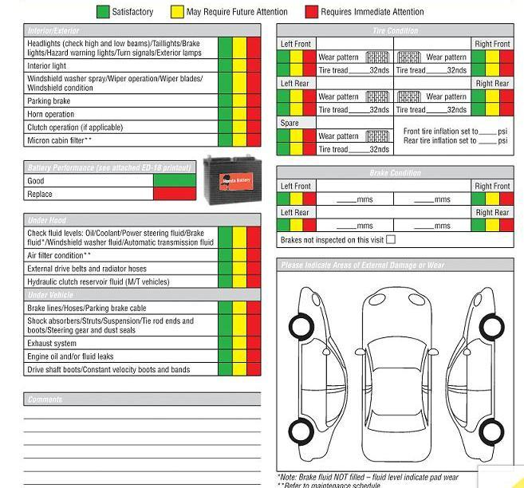

 |  | 0
 | TECHNICIAN NAME____________________ |  |  | CUSTOMER SIGNATURE

