Results
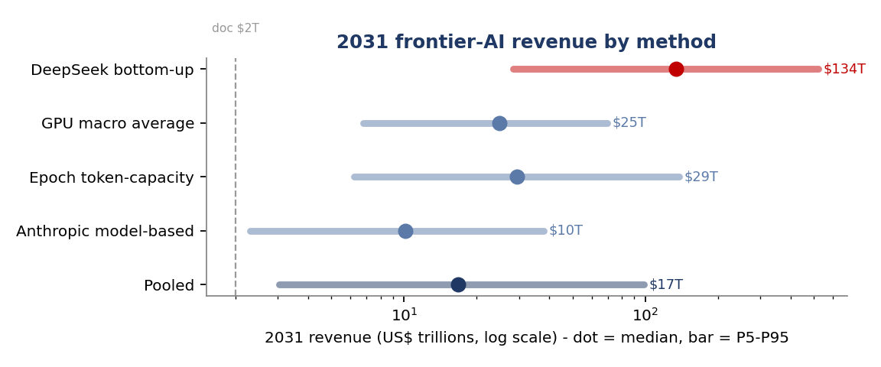
Results - 2031 revenue
Four methods (live formulas, link to Raw data) + a Monte-Carlo summary snapshot (full live MC in report.qmd).

 | Method (deterministic, central) | Revenue/yr
 | DeepSeek bottom-up (GPU=token) | $126,515,320,001,280 | hot - upper bound
 | GPU macro average | $24,300,000,000,000 | all GPUs x $5k
 | Anthropic model-based | $10,872,869,318,182 | credible
 | Epoch token-capacity | $34,989,192,000,000 | credible

 | Monte-Carlo summary (US$ trillions)
 | Method | P5 | P25 | P50 | P75 | P95
 | DeepSeek bottom-up | 28.2 | 71.2 | 134.4 | 243.6 | 521.3
 | GPU macro | 6.8 | 14.8 | 24.8 | 39.6 | 69.5
 | Anthropic model-based | 2.3 | 5.6 | 10.2 | 17.9 | 37.9
 | Epoch token-capacity | 6.2 | 15.5 | 29.4 | 55.3 | 137.7
 | POOLED (model+Epoch) | 3.0 | 8.3 | 16.7 | 34.2 | 98.5

 | Pooled median ~$17T (P5-P95 $3-99T). Edit parameters.csv / Raw data to change.

