MTD
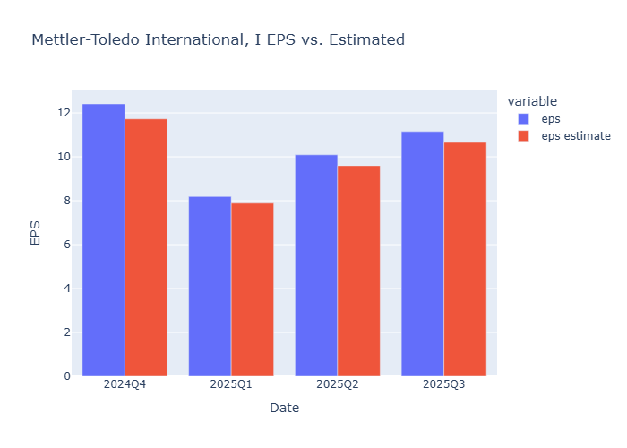
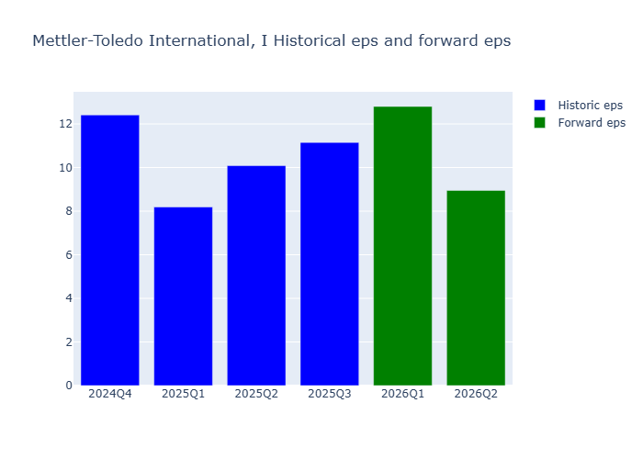
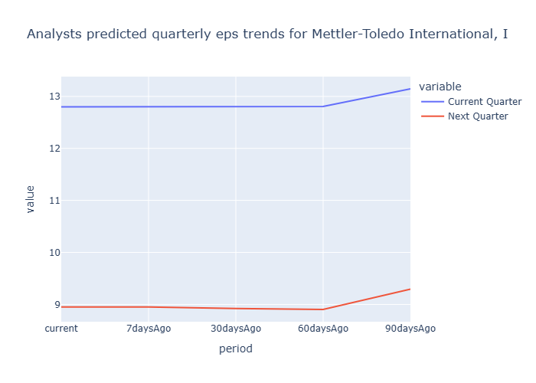
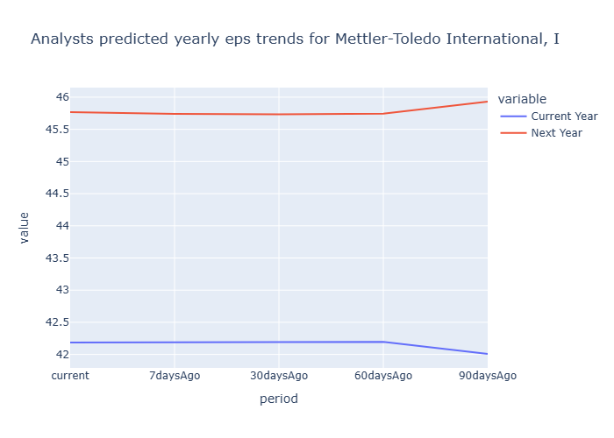
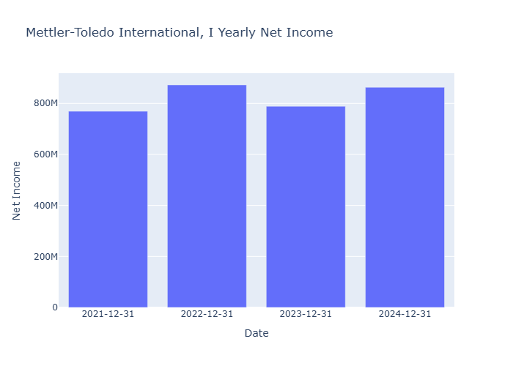
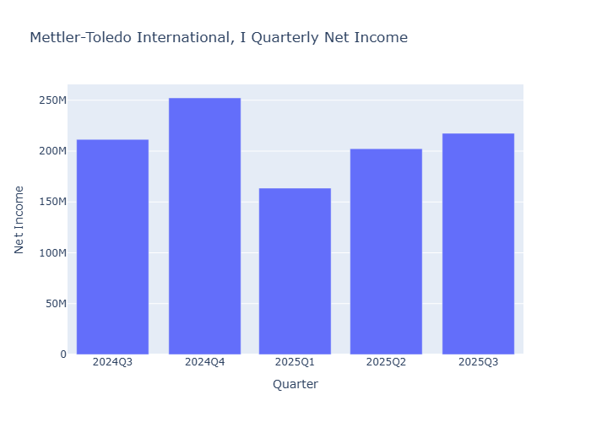
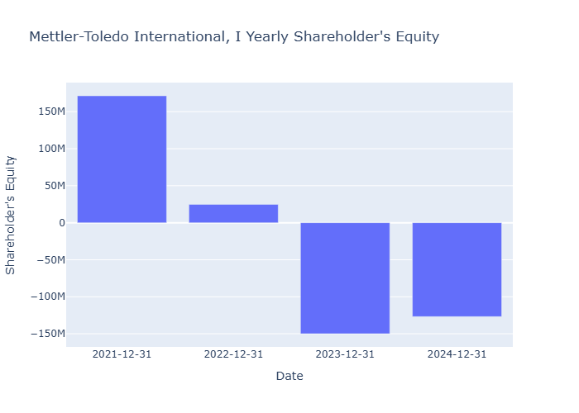
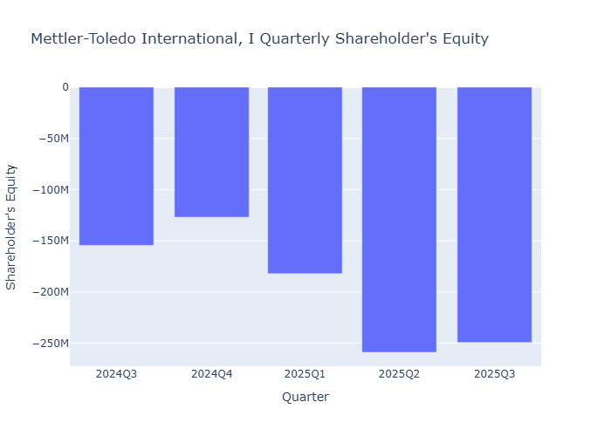
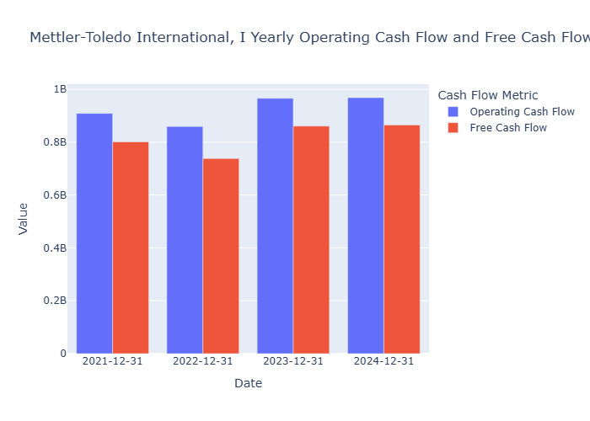
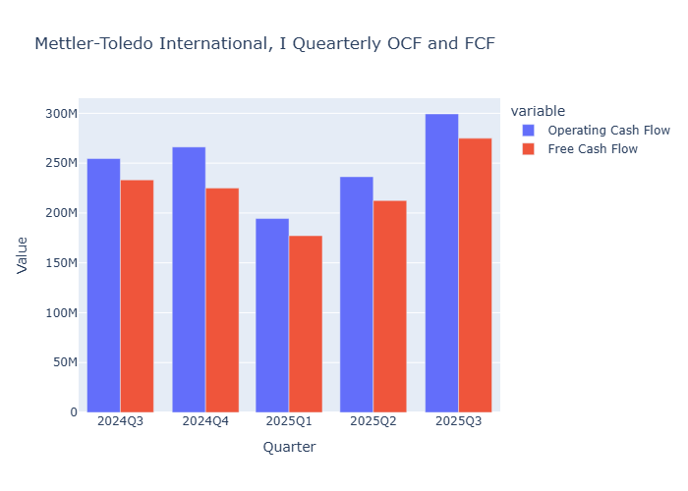
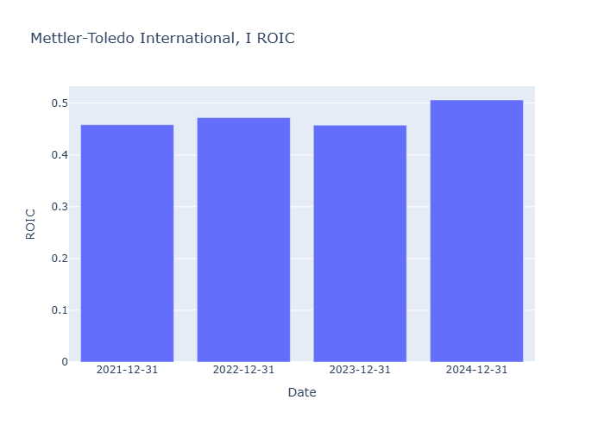
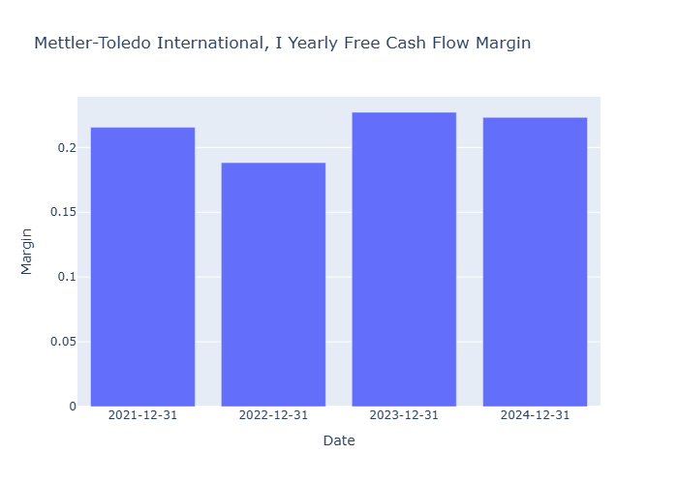
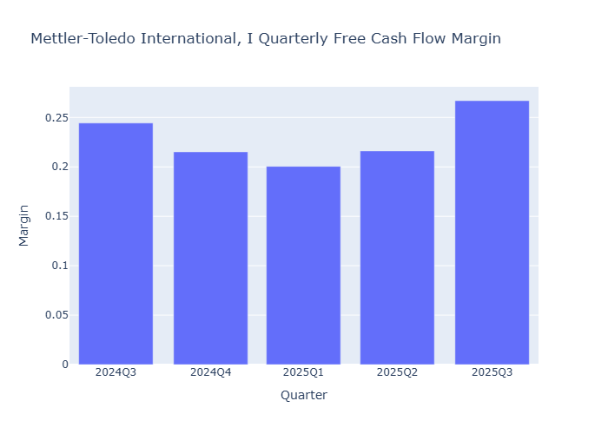
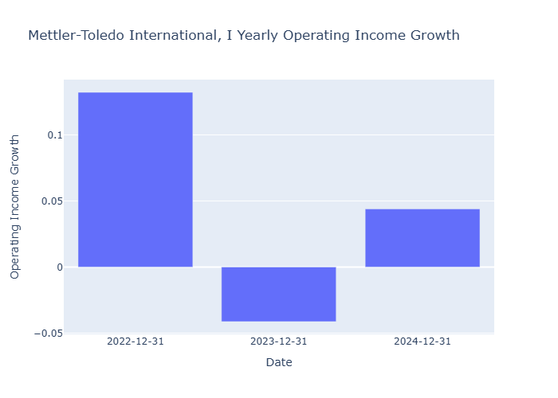
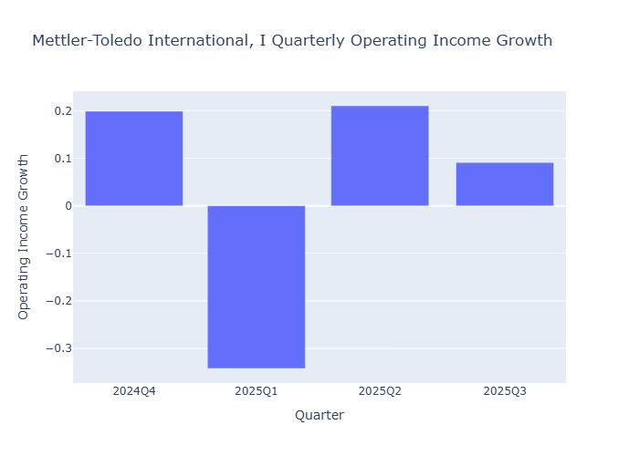
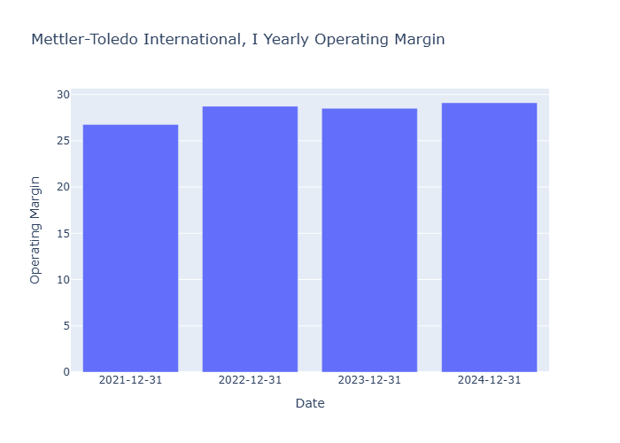
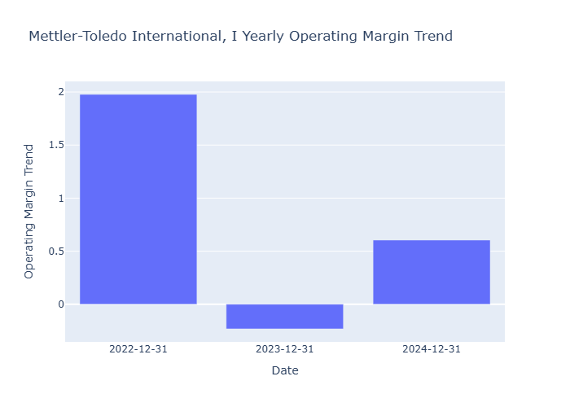
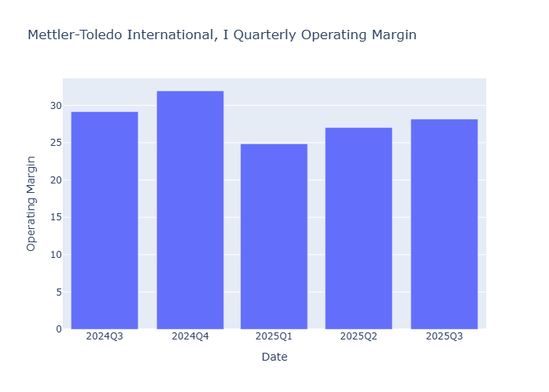
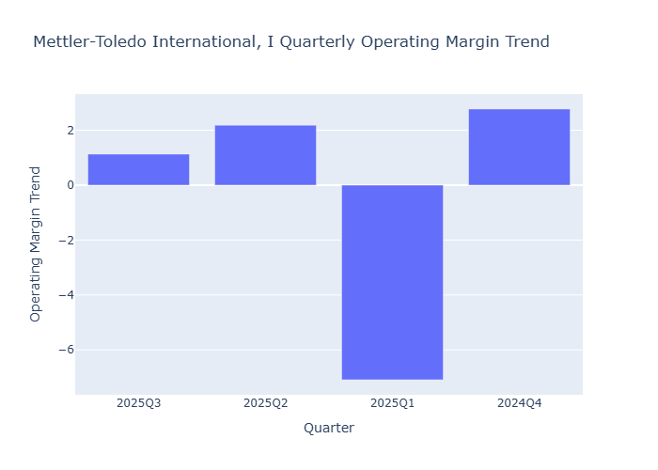
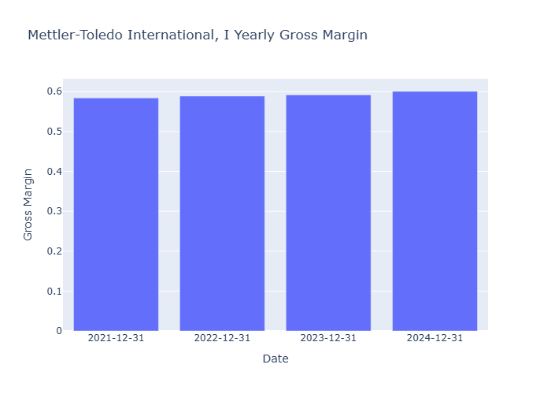
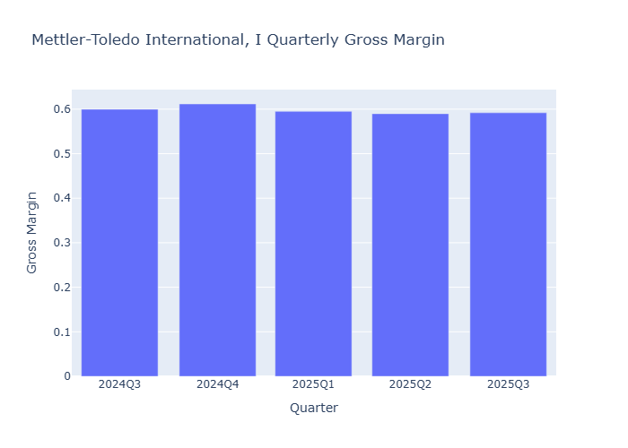
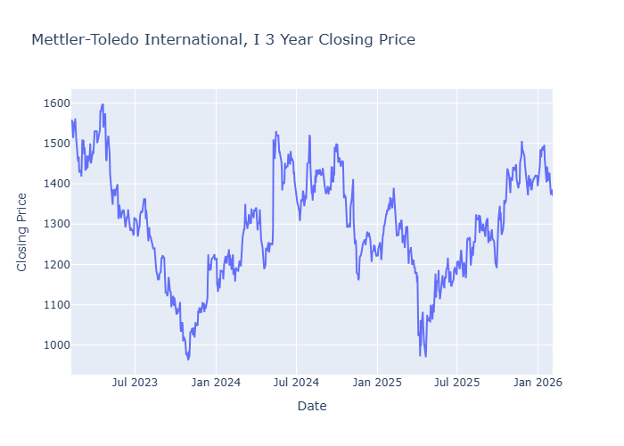
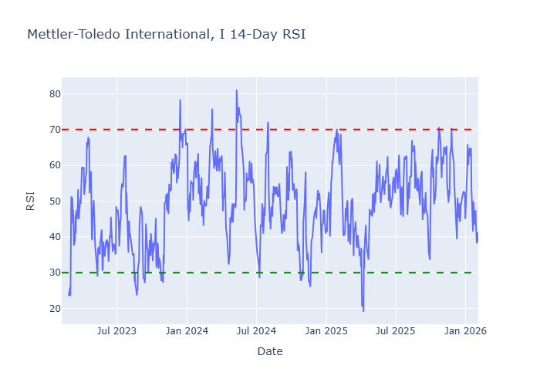
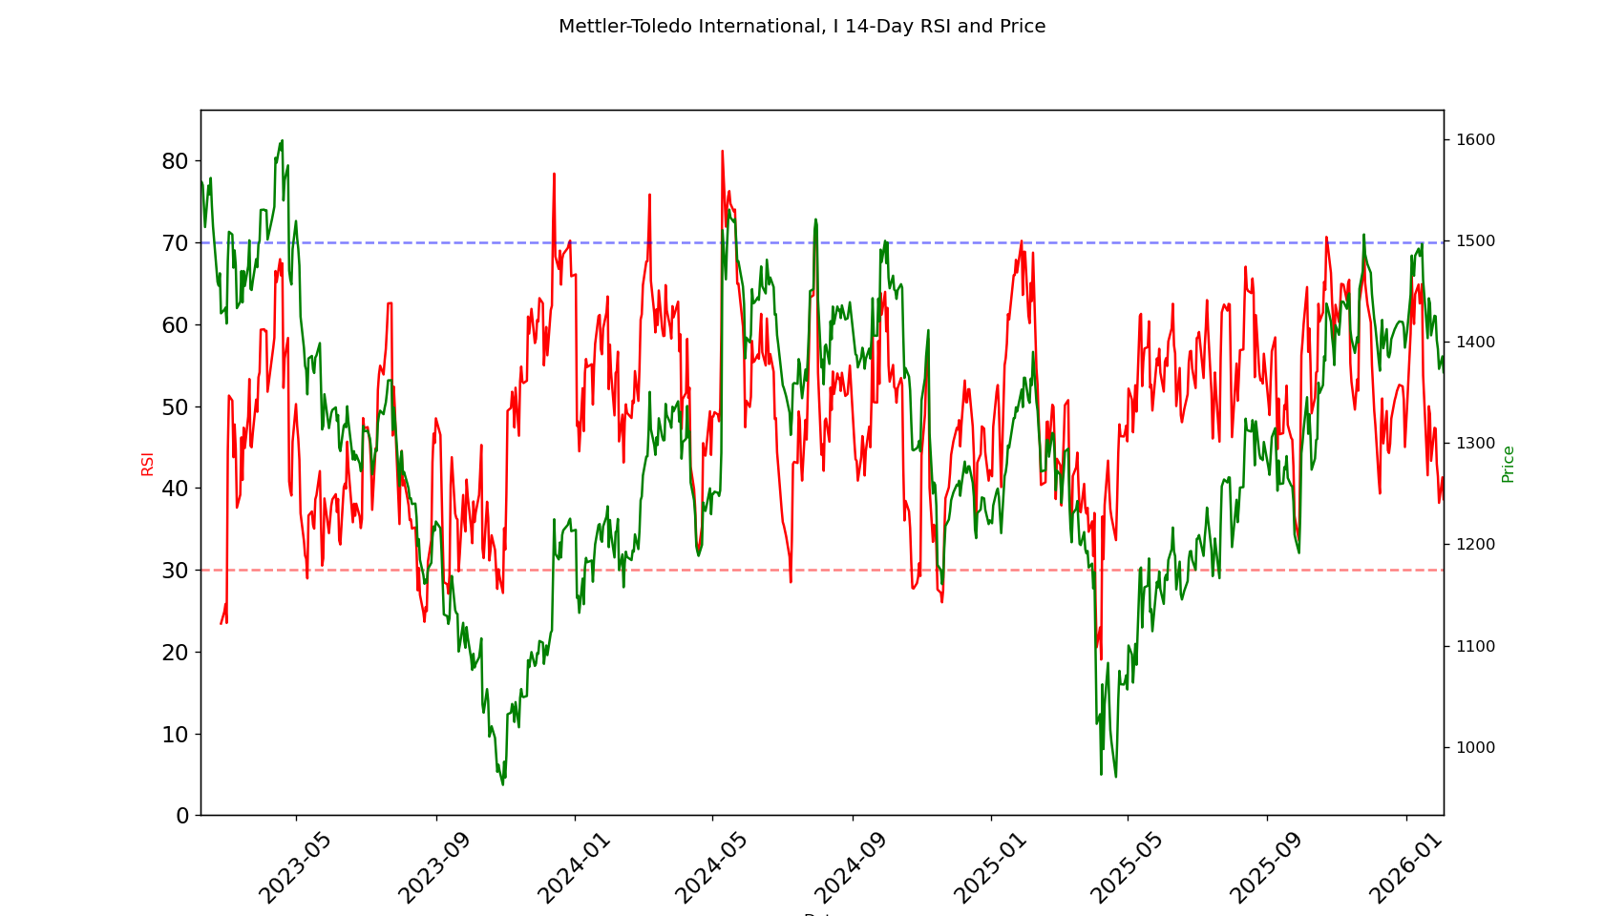
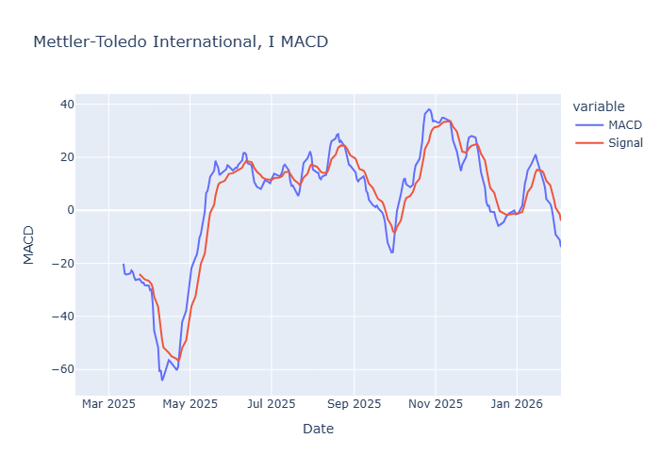
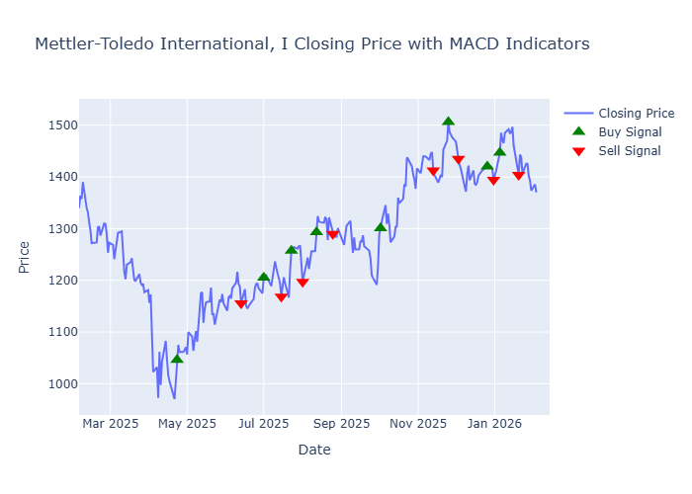
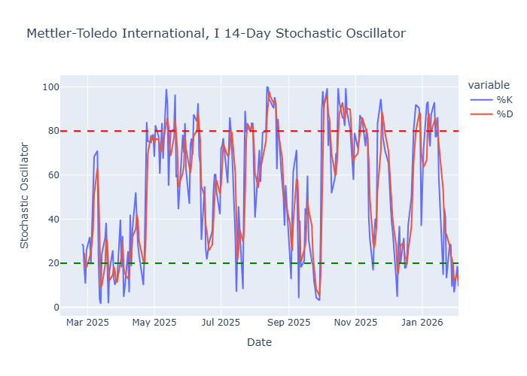
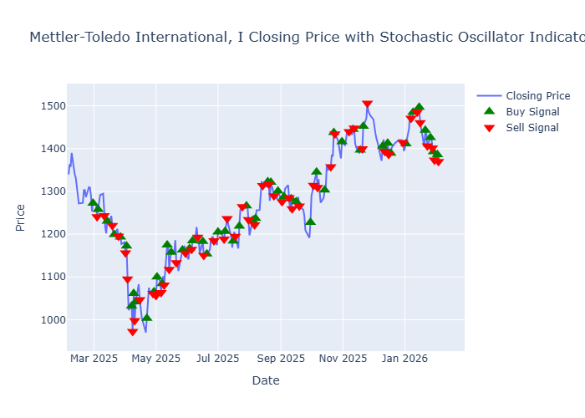
 | Quick Stats
current | 1369.9
high | 1700
low | 1200
mean | 1504.1538
median | 1500
upside_potential | 1.095
risk_adjusted | 1468.05
insider_percentHeld | 0.445
institutions_percentHeld | 102.904
purchasedShares | 23032
purchaseTransactions | 28
soldShares | 21392
soldTransactions | 11
netPurchases | 1640
trailing_eps | 40
eps_current_year | 42.1872
forward_eps | 45.83267
trailing_pe | 34.2475
forward_pe | 29.889162
sector_trailing_pe | 23.08
sector_forward_pe | 18.84

DCTH
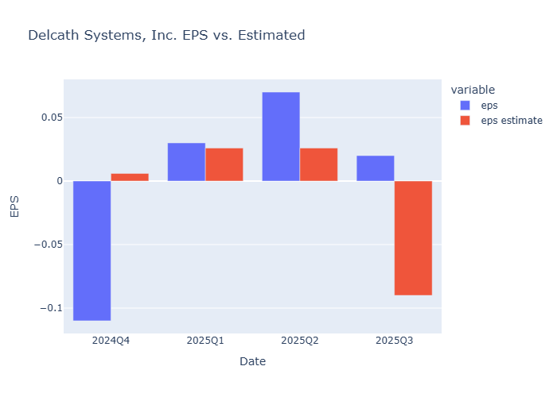
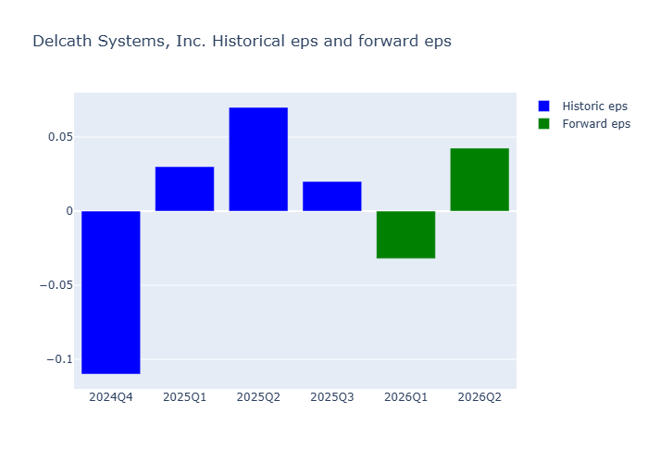
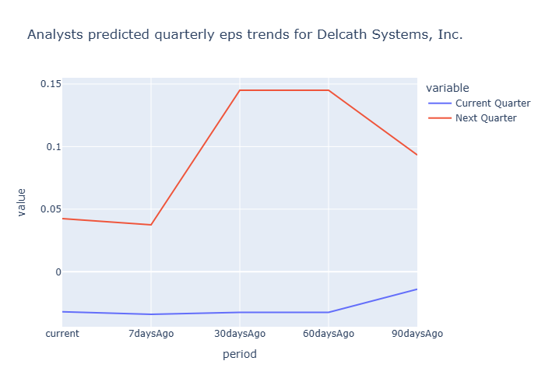
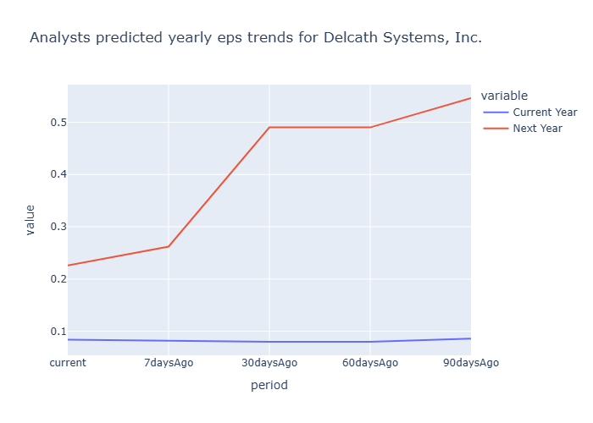
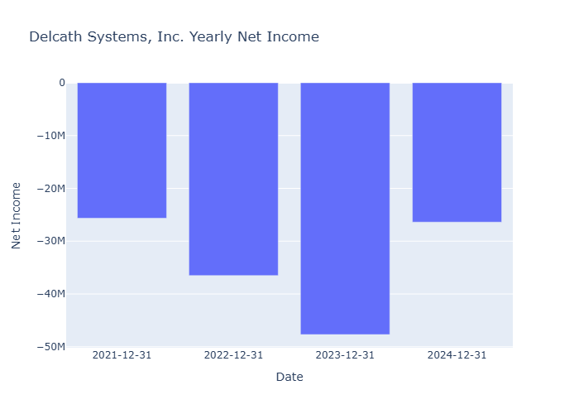
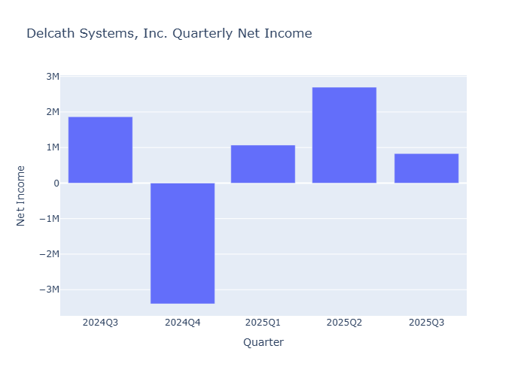
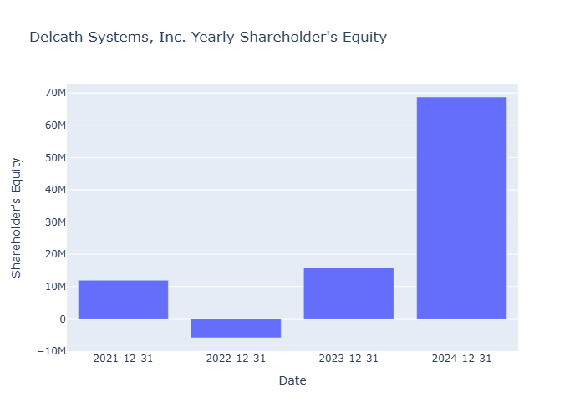
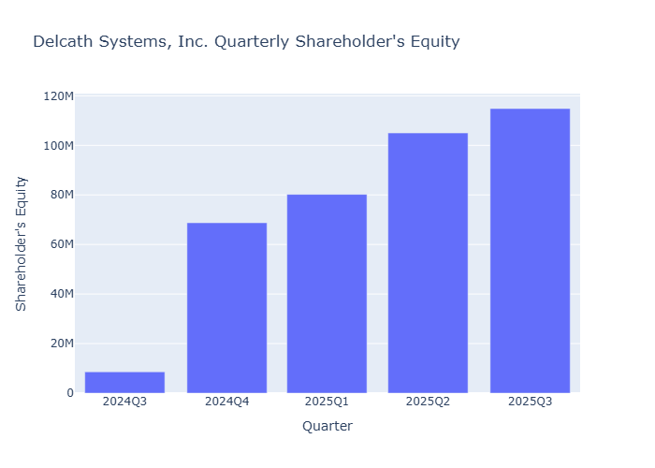
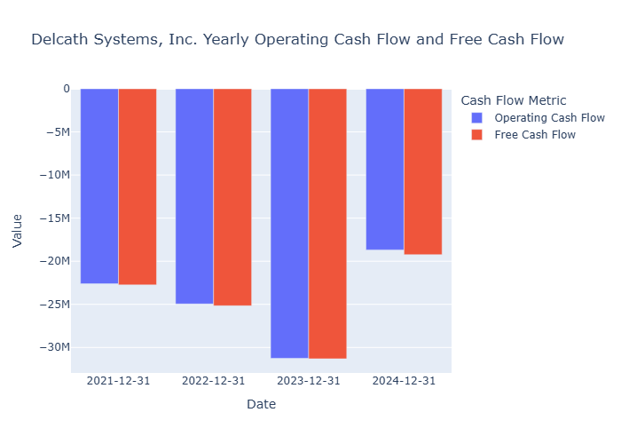
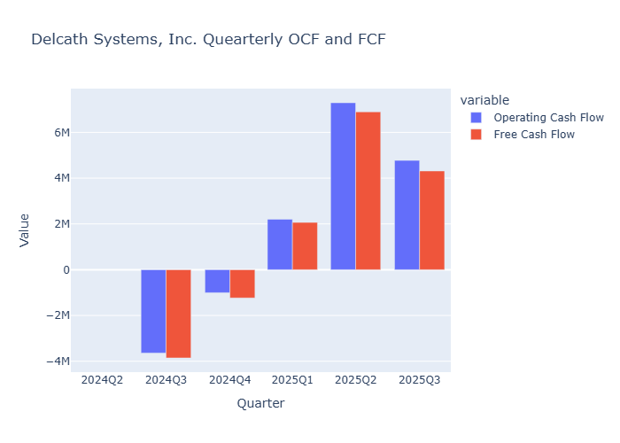
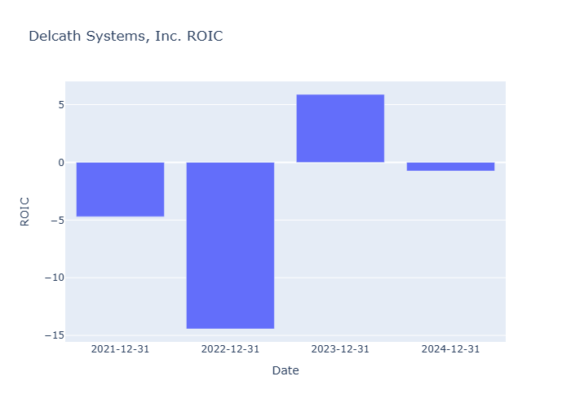
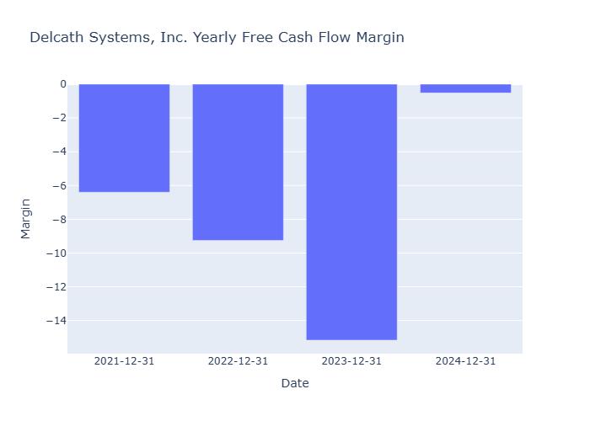
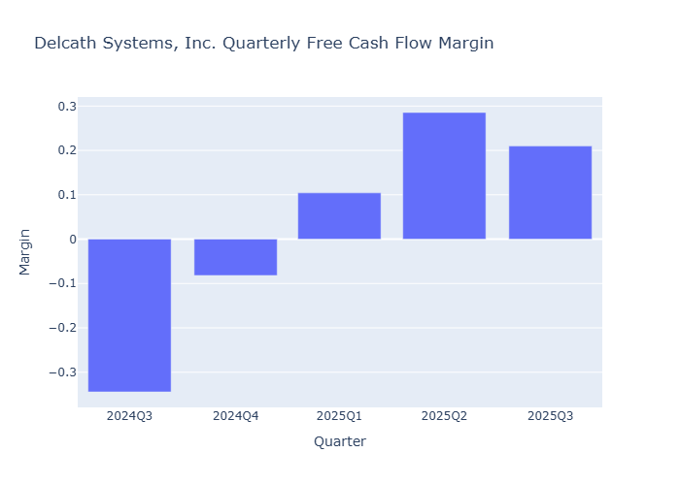
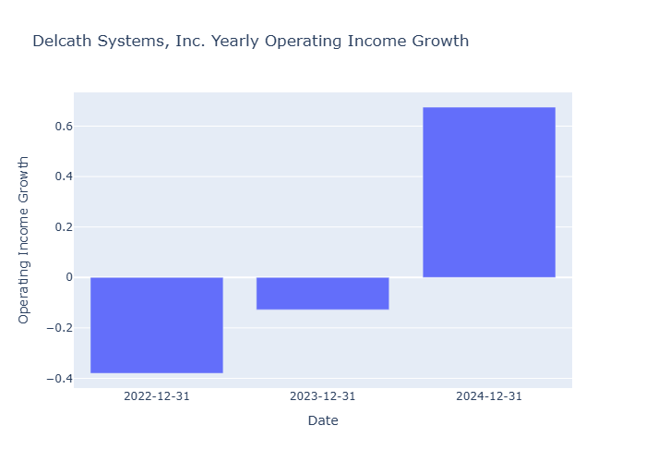
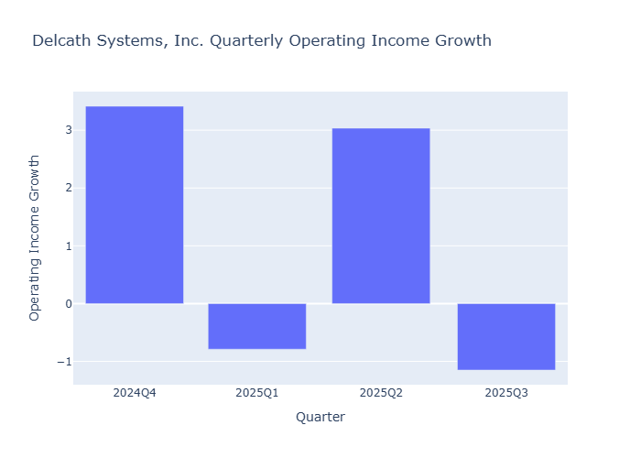
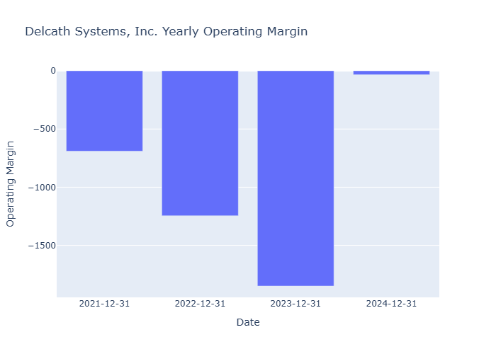
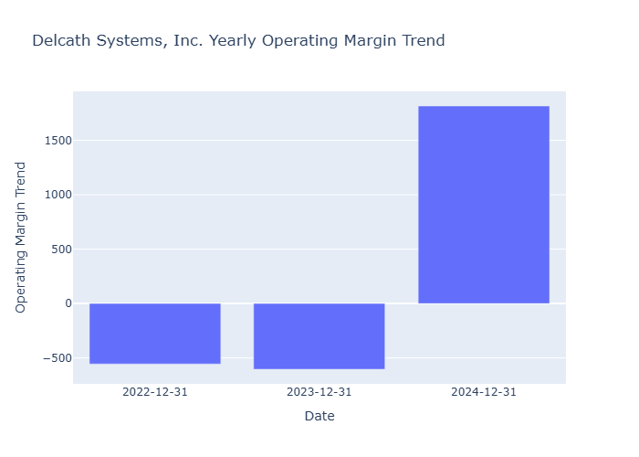
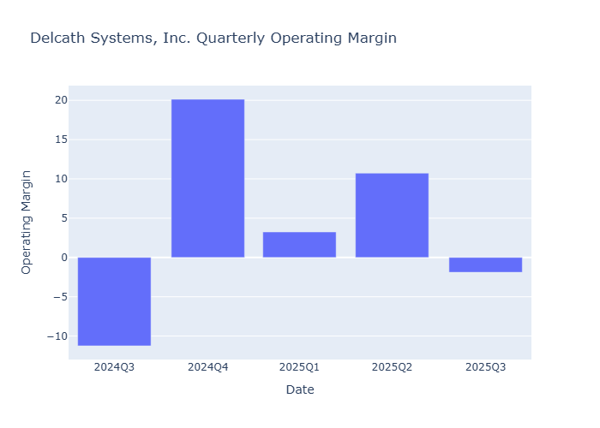
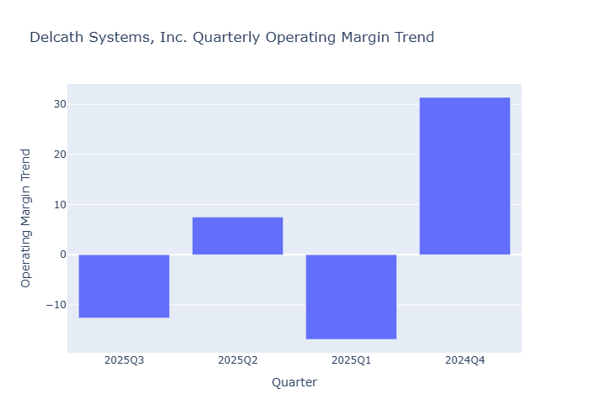
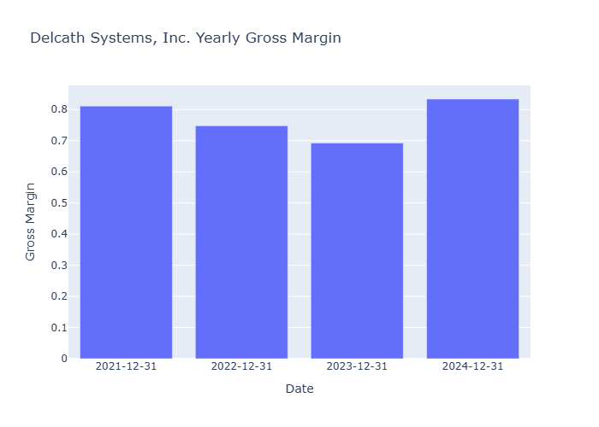
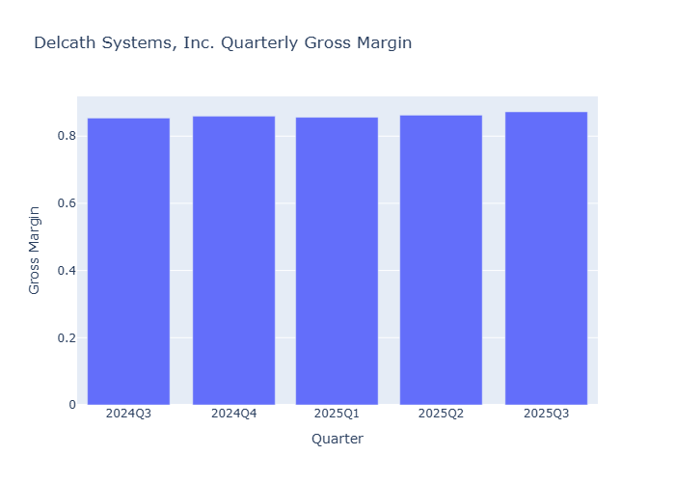
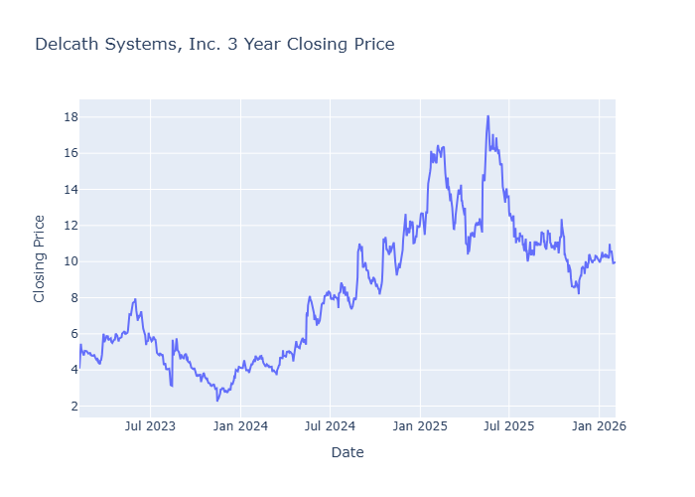






 | Quick Stats
current | 9.97
high | 30
low | 18
mean | 22.33333
median | 21.5
upside_potential | 2.1565
risk_adjusted | 23.44
insider_percentHeld | 2.73
institutions_percentHeld | 52.707
purchasedShares | 0
purchaseTransactions | 0
soldShares
soldTransactions | 0
netPurchases | 0
trailing_eps | 0.03
eps_current_year | 0.084
forward_eps | 0.226
trailing_pe | 332.33334
forward_pe | 44.115047
sector_trailing_pe | 23.08
sector_forward_pe | 18.84

CPRX




























 | Quick Stats
current | 25.22
high | 38
low | 32
mean | 34.57143
median | 35
upside_potential | 1.3878
risk_adjusted | 34.86
insider_percentHeld | 6.145
institutions_percentHeld | 86.823
purchasedShares | 870490
purchaseTransactions | 39
soldShares | 321699
soldTransactions | 8
netPurchases | 548791
trailing_eps | 1.71
eps_current_year | 2.54165
forward_eps | 2.59558
trailing_pe | 14.748537
forward_pe | 9.716517
sector_trailing_pe | 23.08
sector_forward_pe | 18.84

PRVA




























 | Quick Stats
current | 22.44
high | 37
low | 23
mean | 31.25
median | 31
upside_potential | 1.3815
risk_adjusted | 30.42
insider_percentHeld | 6.656
institutions_percentHeld | 98.505
purchasedShares | 37534
purchaseTransactions | 2
soldShares | 37534
soldTransactions | 2
netPurchases | 0
trailing_eps | 0.14
eps_current_year | 0.93996
forward_eps | 1.05052
trailing_pe | 160.28572
forward_pe | 21.360851
sector_trailing_pe | 23.08
sector_forward_pe | 18.84

