FICO
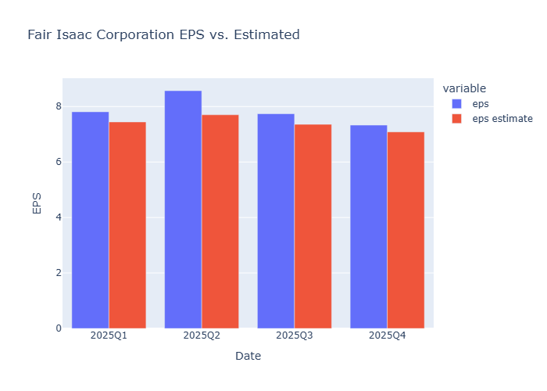
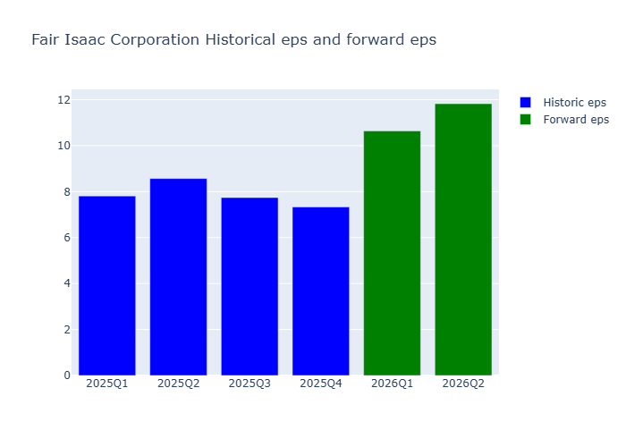
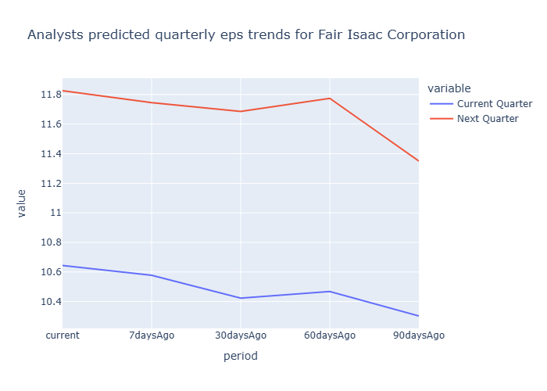
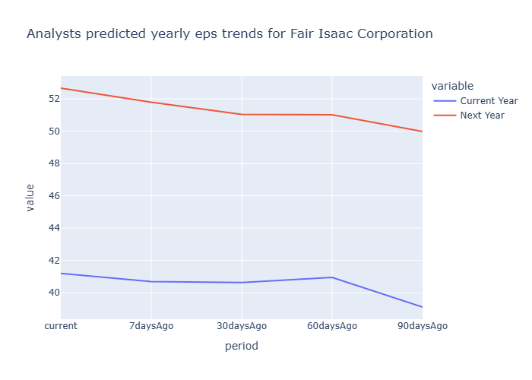
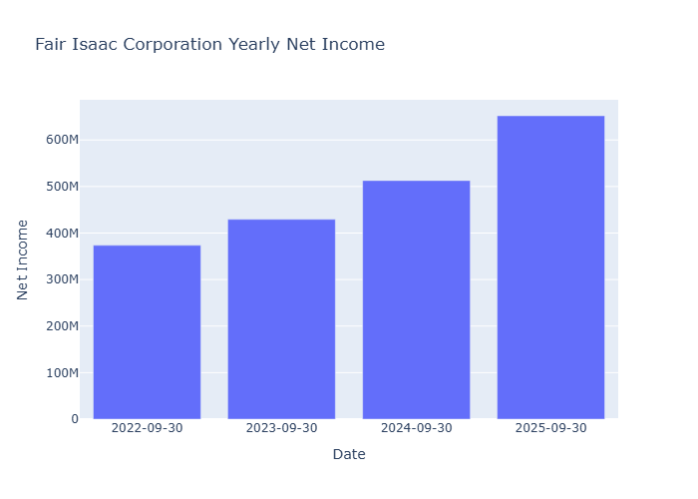
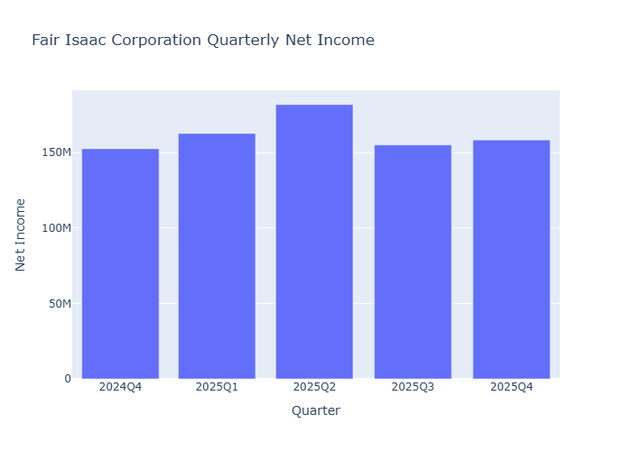
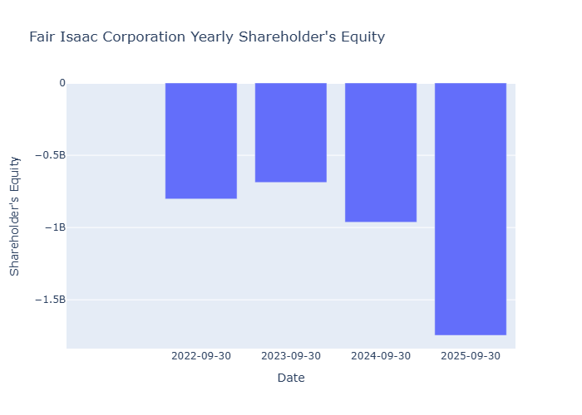
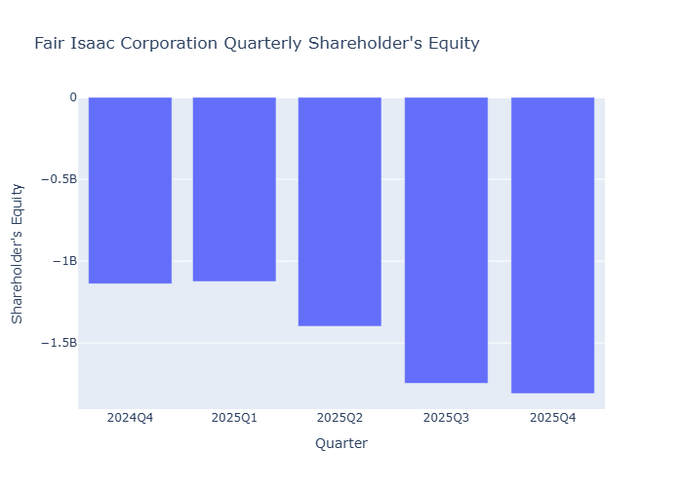
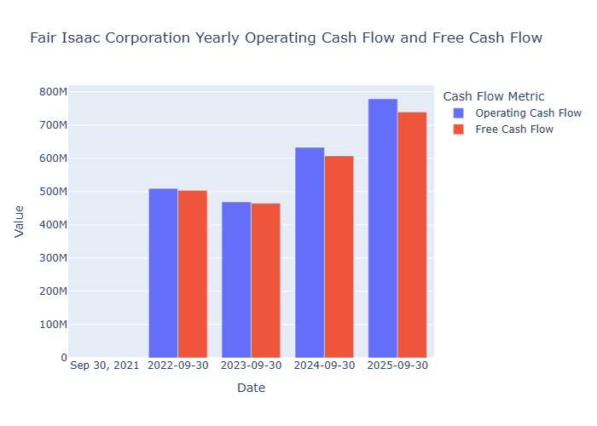
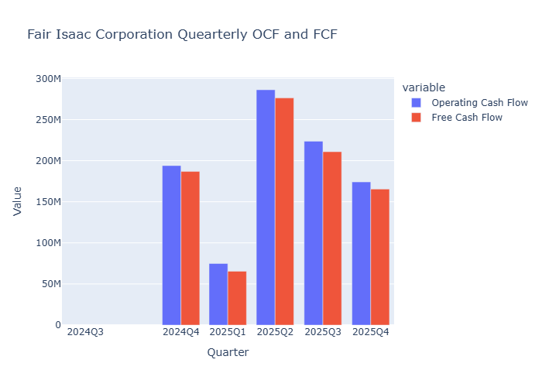
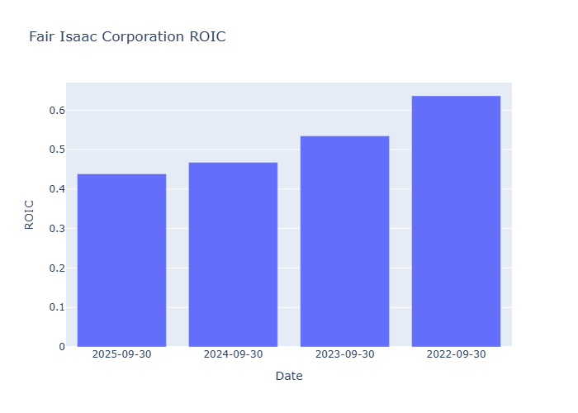
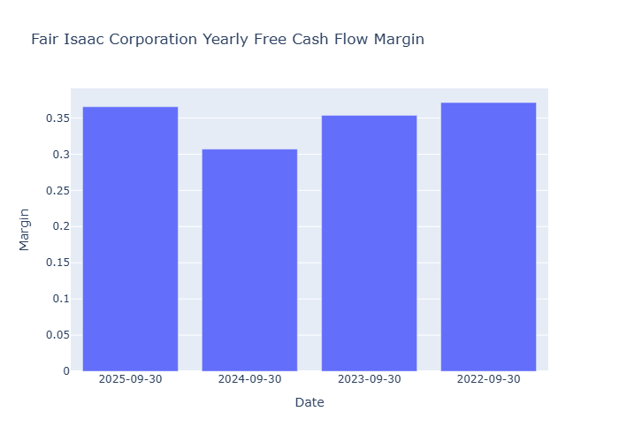
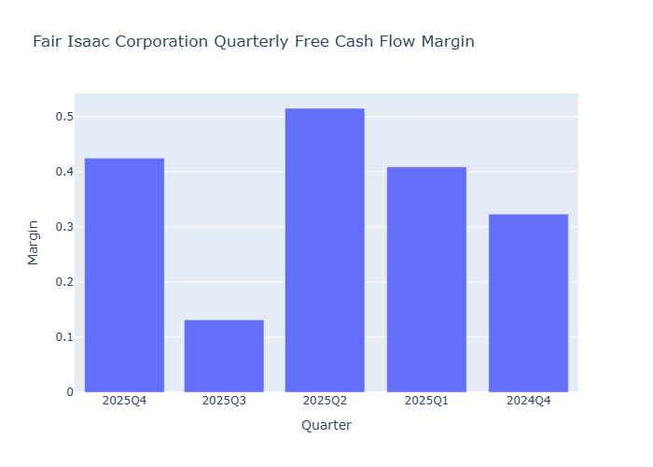
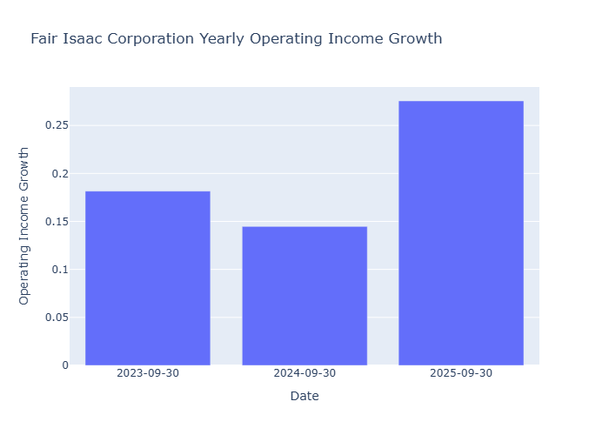
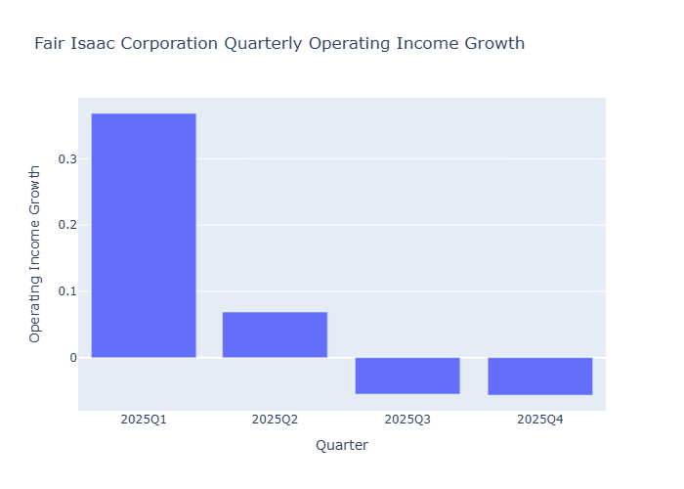
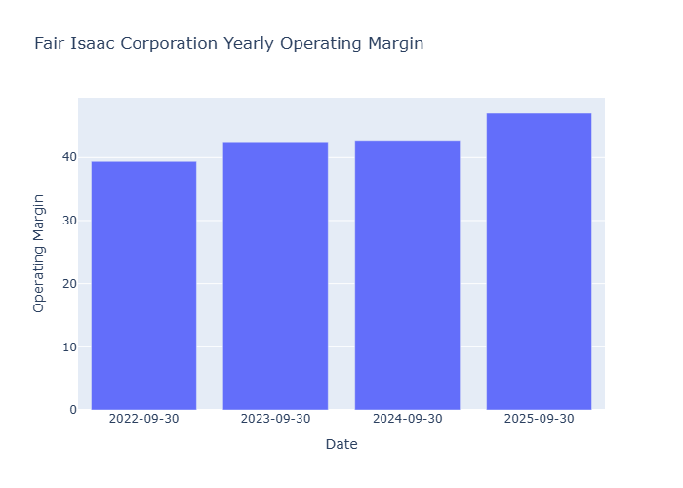
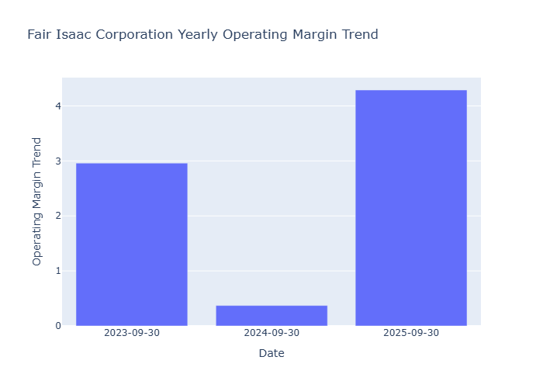
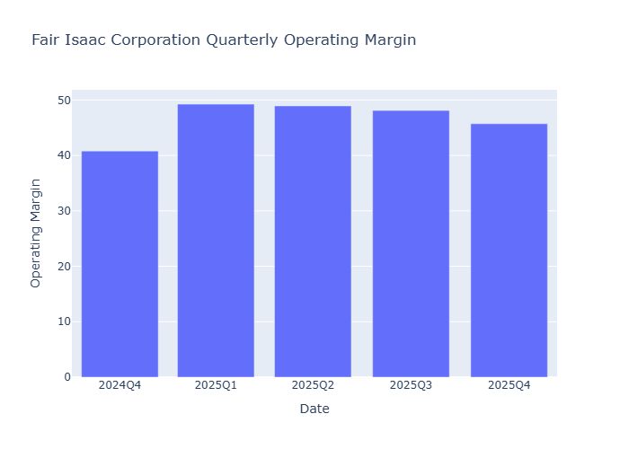
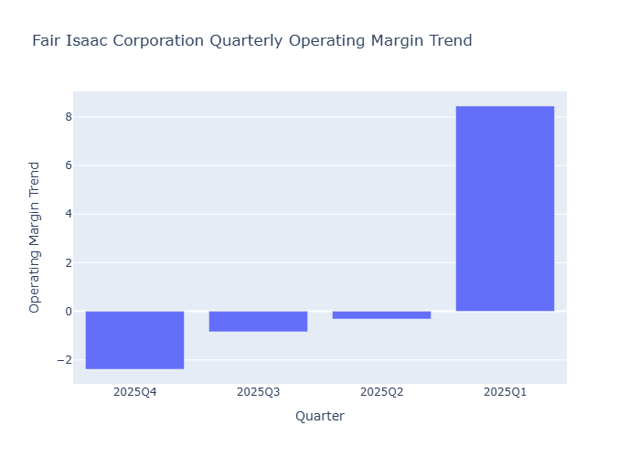
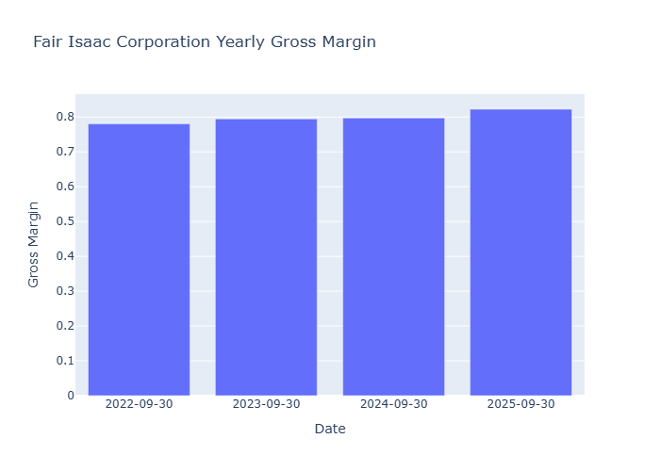
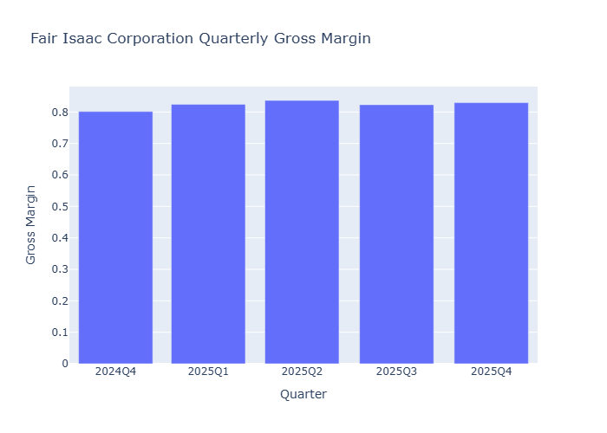
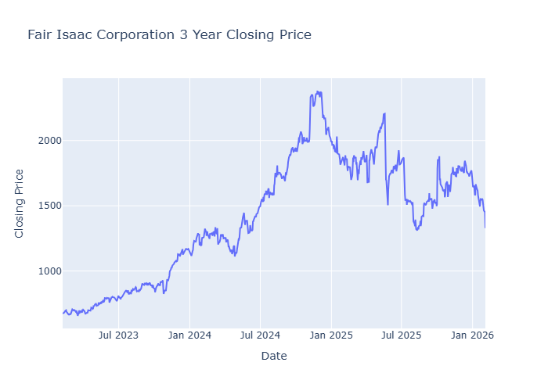
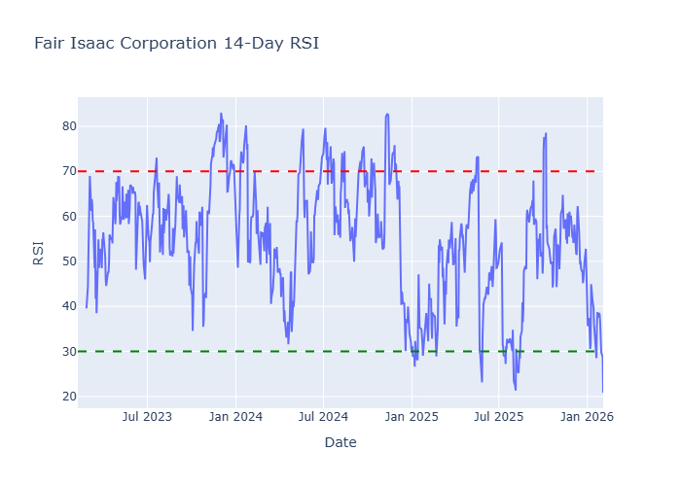
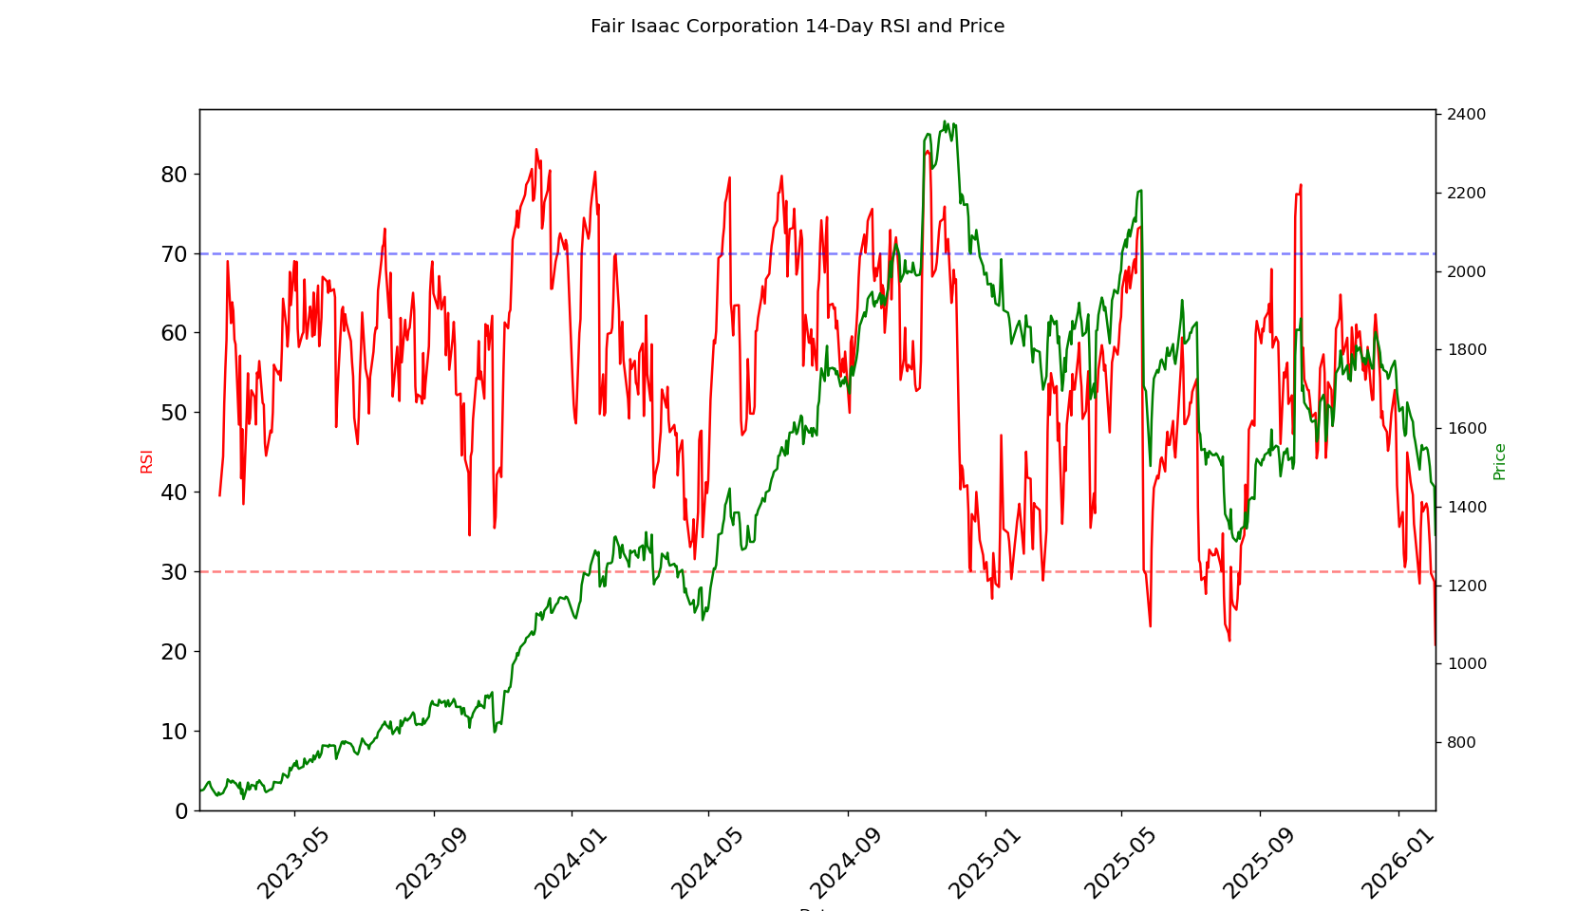
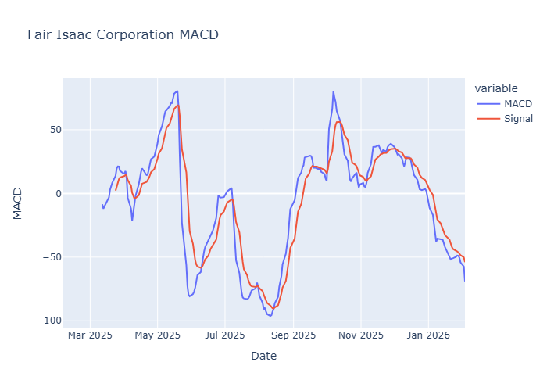
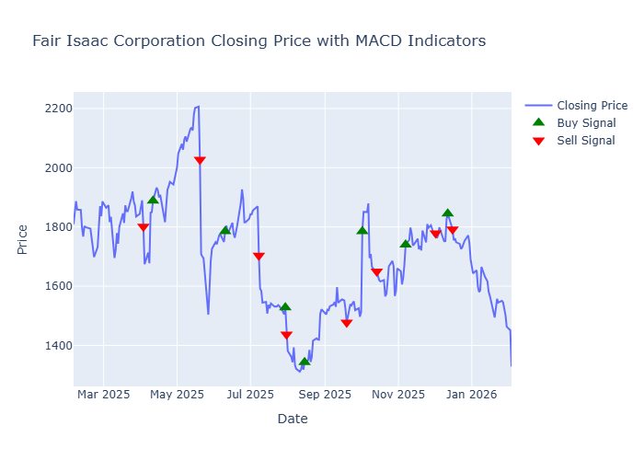
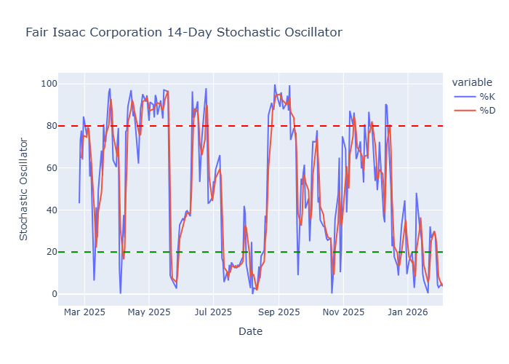
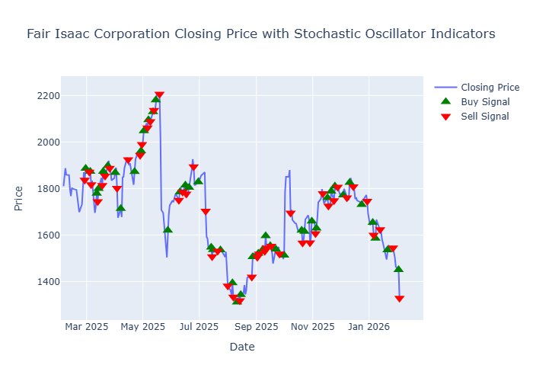
 | Quick Stats
current | 1328.07
high | 2500
low | 1302
mean | 2011.755
median | 2005
upside_potential | 1.5097
risk_adjusted | 1937.92
insider_percentHeld | 2.711
institutions_percentHeld | 92.051
purchasedShares | 108119
purchaseTransactions | 19
soldShares | 22619
soldTransactions | 8
netPurchases | 85500
trailing_eps | 26.96
eps_current_year | 41.20375
forward_eps | 52.66096
trailing_pe | 49.260757
forward_pe | 25.21925
sector_trailing_pe | 39.91
sector_forward_pe | 25.84

WIX
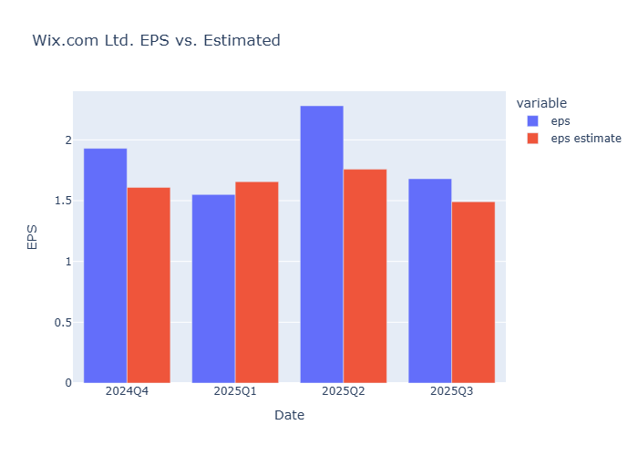
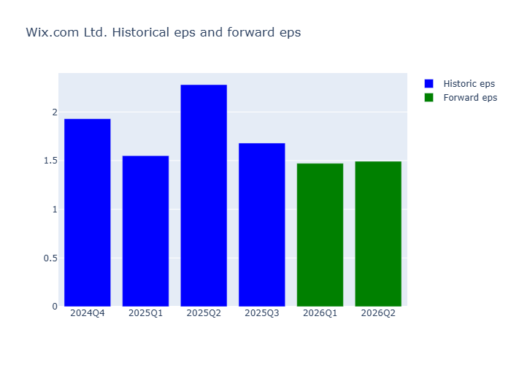
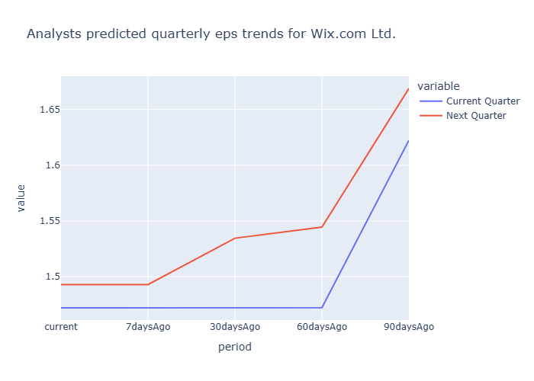
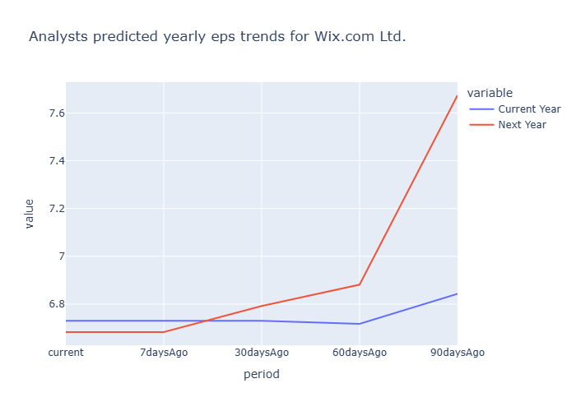
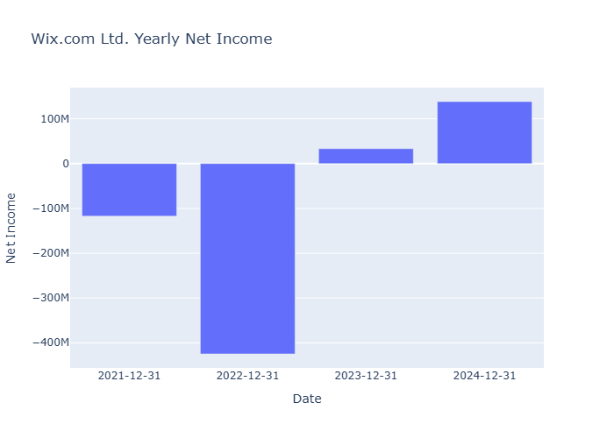
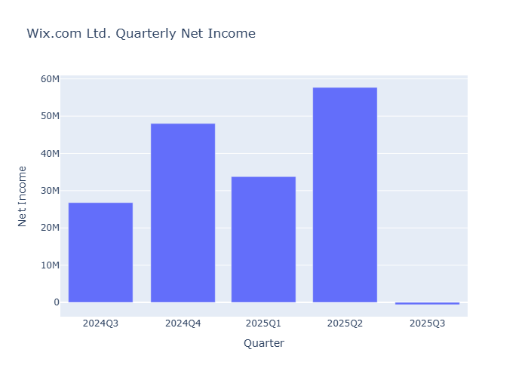
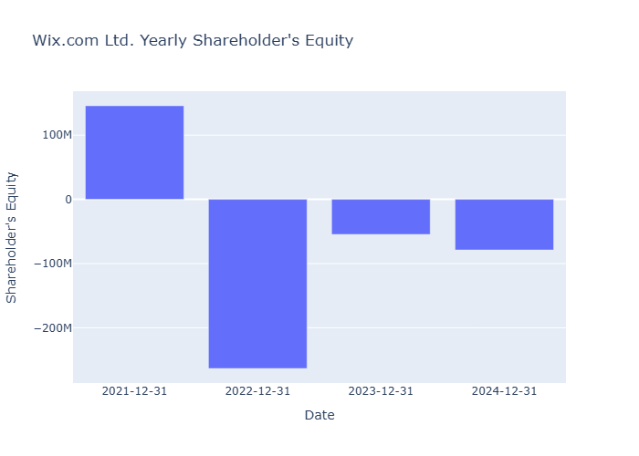
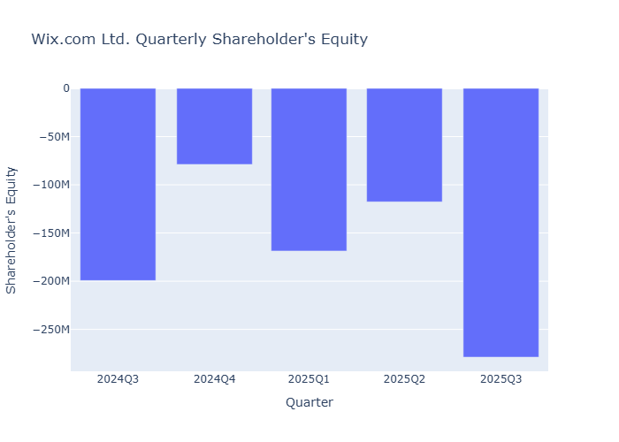
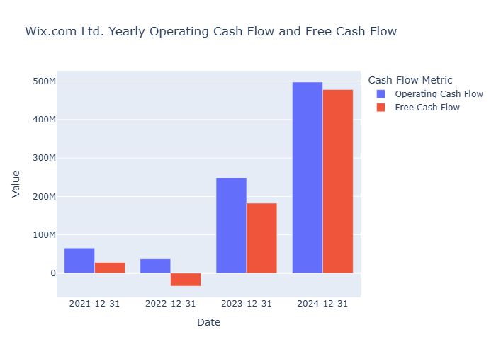
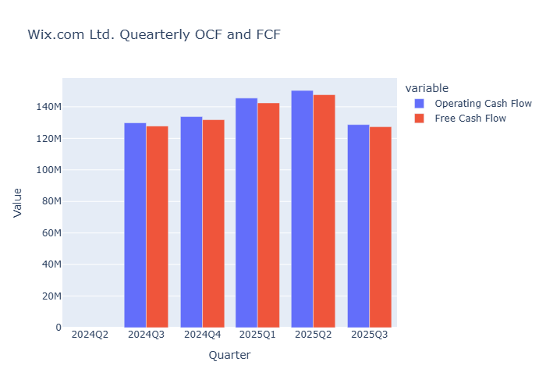
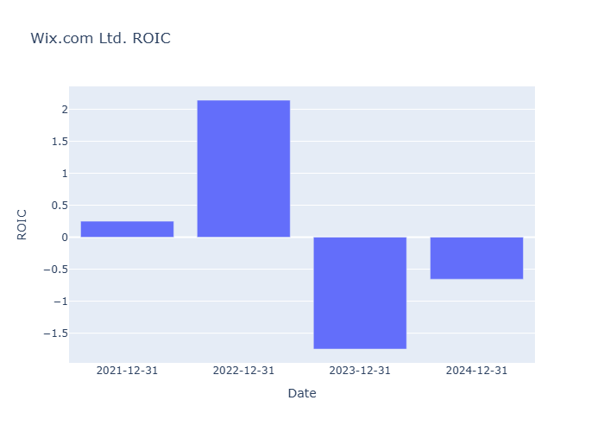
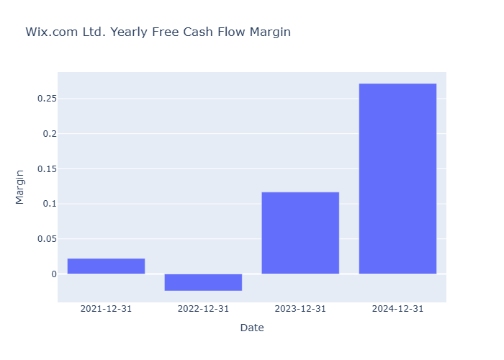
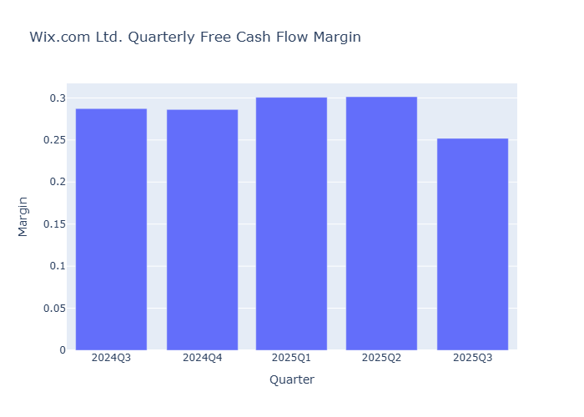
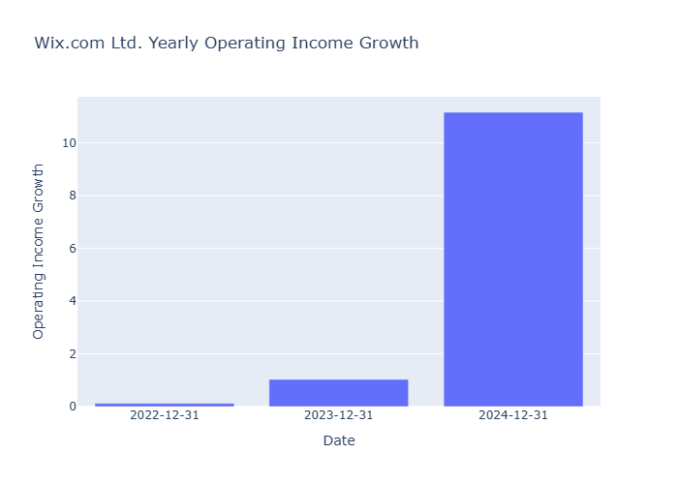
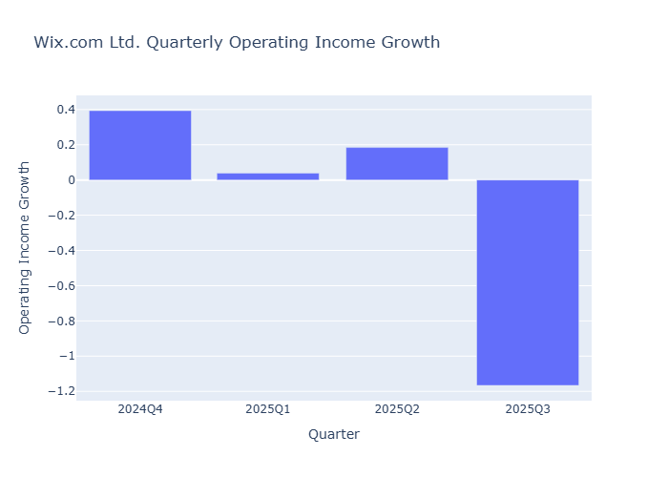
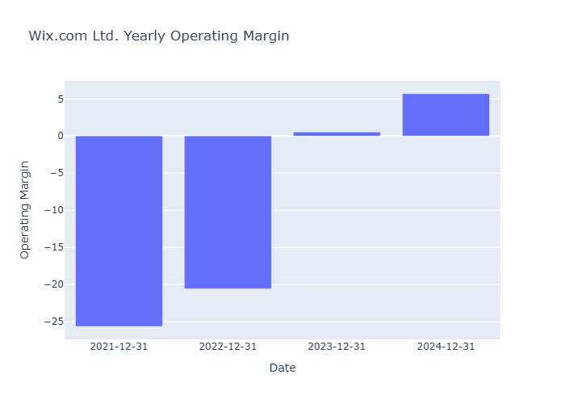
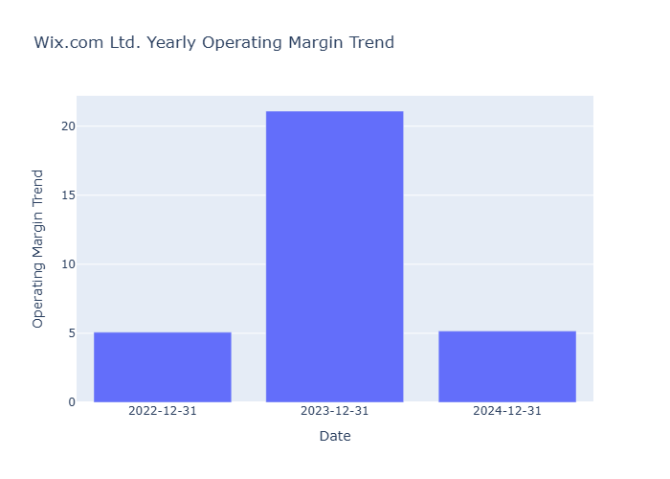
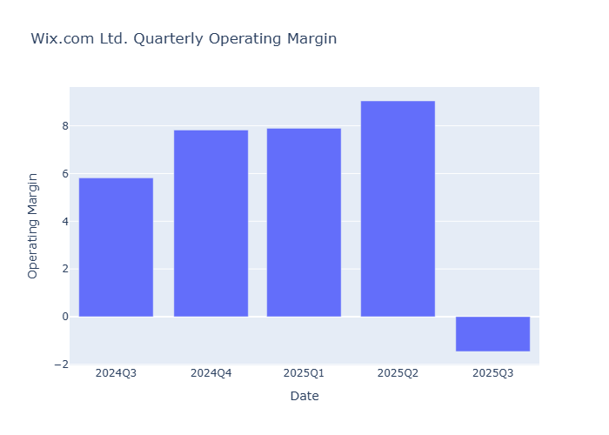
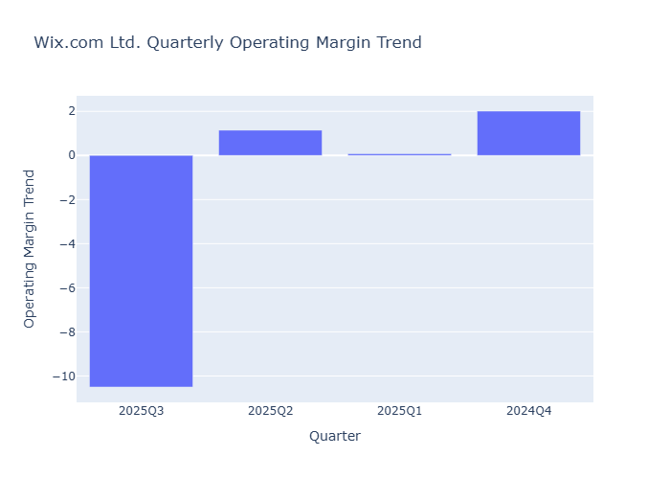
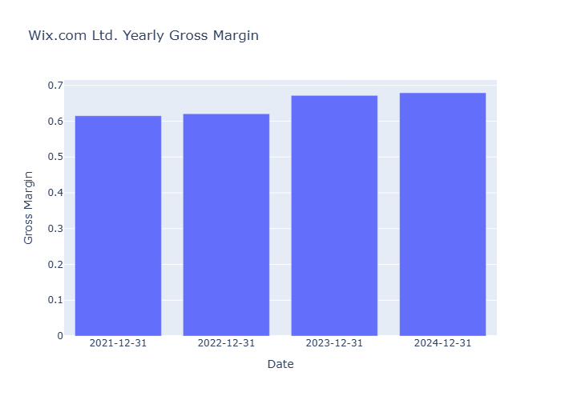
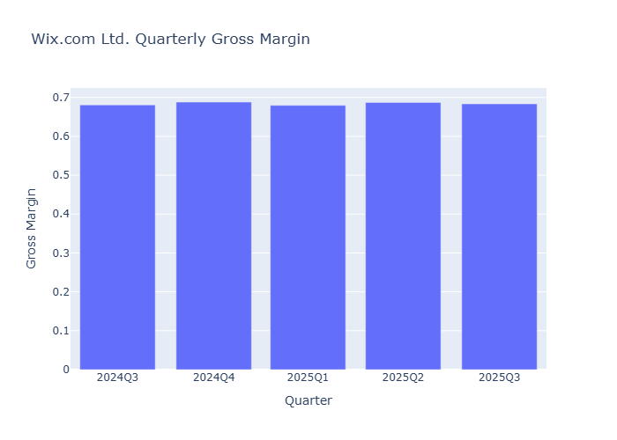
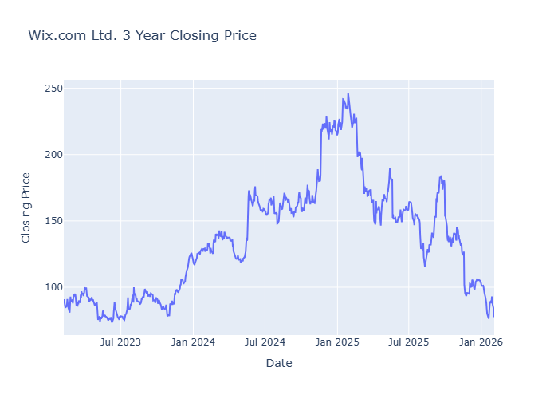






 | Quick Stats
current | 77.45
high | 205
low | 115
mean | 158.2
median | 157.5
upside_potential | 2.0336
risk_adjusted | 159.4
insider_percentHeld | 3.192
institutions_percentHeld | 103.166
purchasedShares | 0
purchaseTransactions | 0
soldShares
soldTransactions | 0
netPurchases | 0
trailing_eps | 2.36
eps_current_year | 6.73033
forward_eps | 6.68289
trailing_pe | 32.8178
forward_pe | 11.589297
sector_trailing_pe | 39.91
sector_forward_pe | 25.84

TUYA




























 | Quick Stats
current | 2.06
high | 3.5
low | 3.15
mean | 3.328
median | 3.3
upside_potential | 1.6019
risk_adjusted | 3.33
insider_percentHeld | 14.323
institutions_percentHeld | 24.791
purchasedShares | 0
purchaseTransactions | 0
soldShares
soldTransactions | 0
netPurchases | 0
trailing_eps | 0.08
eps_current_year | 0.1275
forward_eps | 0.1275
trailing_pe | 25.75
forward_pe | 16.156862
sector_trailing_pe | 39.91
sector_forward_pe | 25.84

MPTI




























 | Quick Stats
current | 65.76
high | 71
low | 67
mean | 69
median | 69
upside_potential | 1.0493
risk_adjusted | 69
insider_percentHeld | 7.457
institutions_percentHeld | 43.333
purchasedShares | 0
purchaseTransactions | 0
soldShares
soldTransactions | 0
netPurchases | 0
trailing_eps | 2.4
eps_current_year | 2.69
forward_eps | 2.69
trailing_pe | 27.4
forward_pe | 24.446096
sector_trailing_pe | 39.91
sector_forward_pe | 25.84

