Sheet3
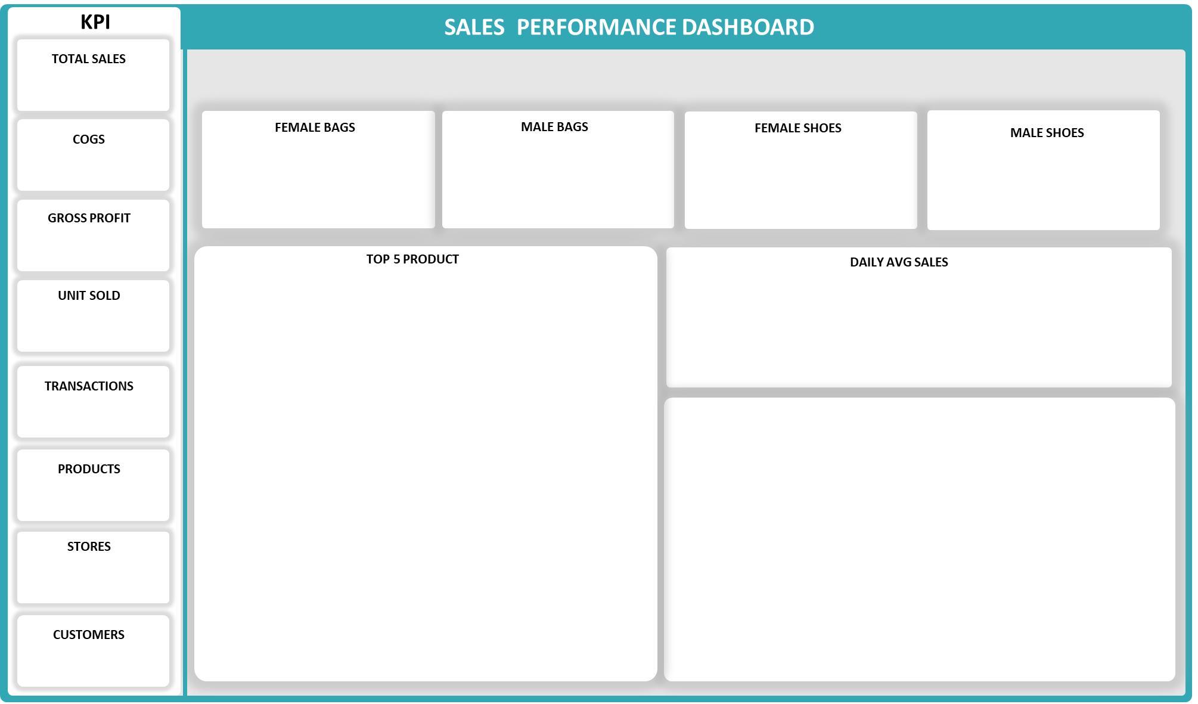


 | Female Bag
 | 18%
 | 82%
 | 100%
 | Male Bags
 | 2%
 | 98%
 | 100%
 | Men Shoes
 | 39%
 | 61%
 | 100%
 | Women Bag
 | 42%
 | 58%
 | 100%
 | Total Sales
Jan | $235,514,240
Feb | $117,757,120
Mar | $133,117,120
Apr | $66,558,560
May | $7,889,060
Jun | $13,093,830
Jul | $7,501,295
Aug | $2,126,655
Sep | $8,319,820
Oct | $33,279,280
Nov | $133,117,120
Dec | $412,858,880
 | Total
Foot Ball Boots Women | 124
Calf Boots Men | 135
Brogues | 175
Court Shoes | 187
Military Boots Women | 201
650
2
1,003
19
18%
$205,963,840
2%
$24,165,750
39%
$454,666,225
42%
$486,337,165
41,474
$1,171,132,980
$1,078,494,872
$92,638,108
$767,862,720
$403,270,260
MEN
WOMEN
SALES by DIVISION

