Graphs
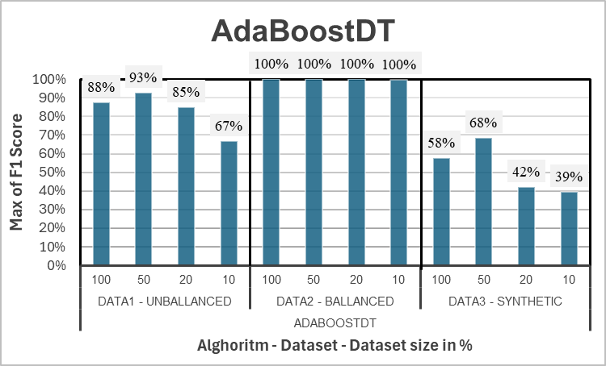
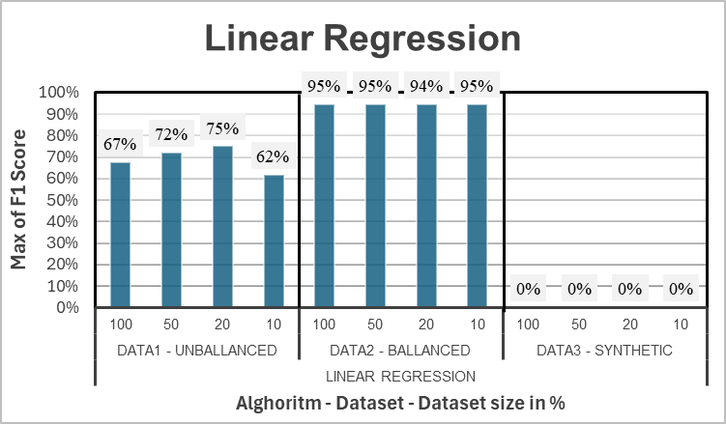
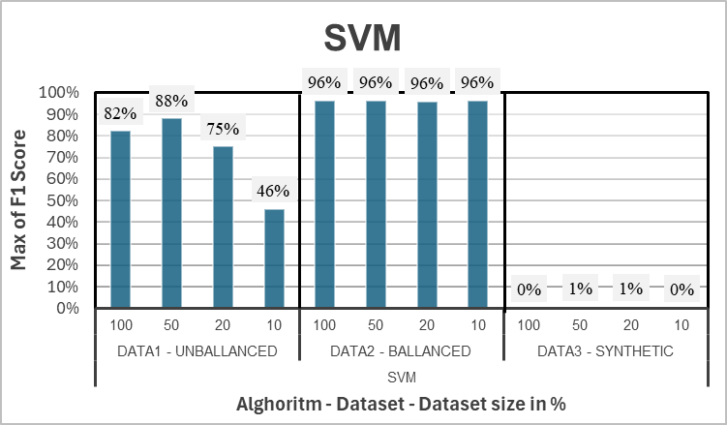
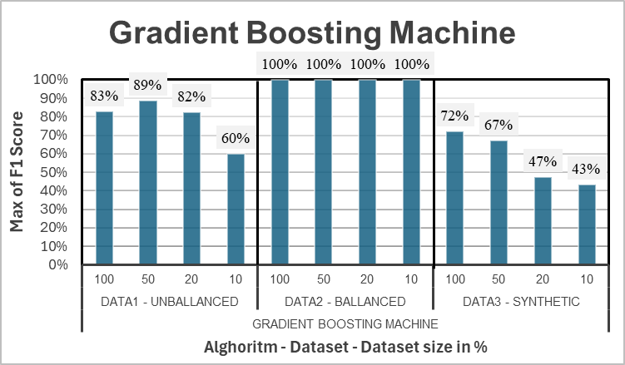
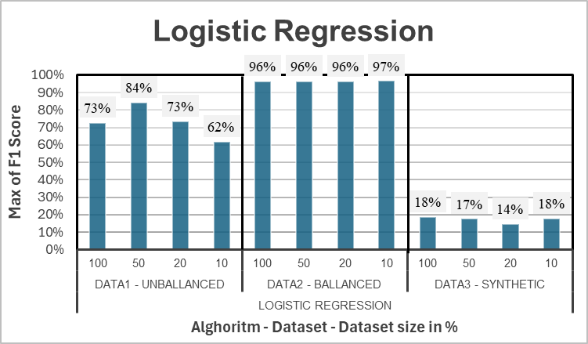
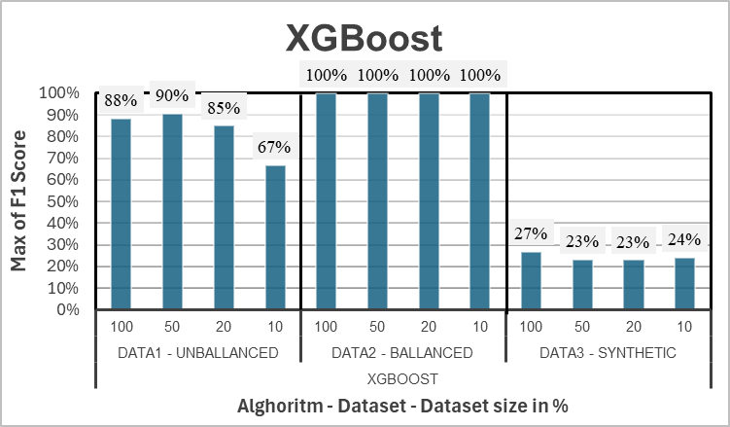
AdaBoost
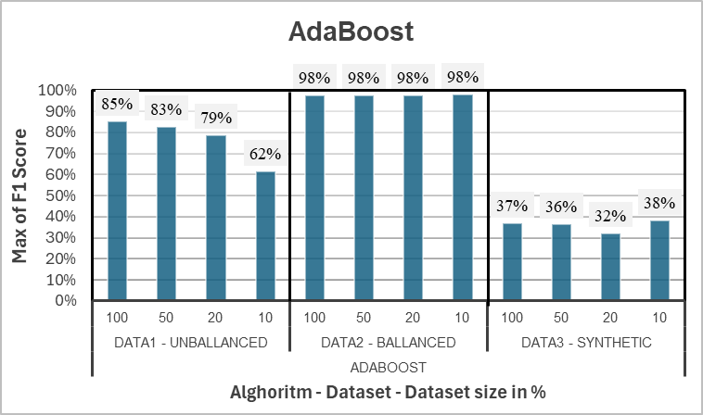
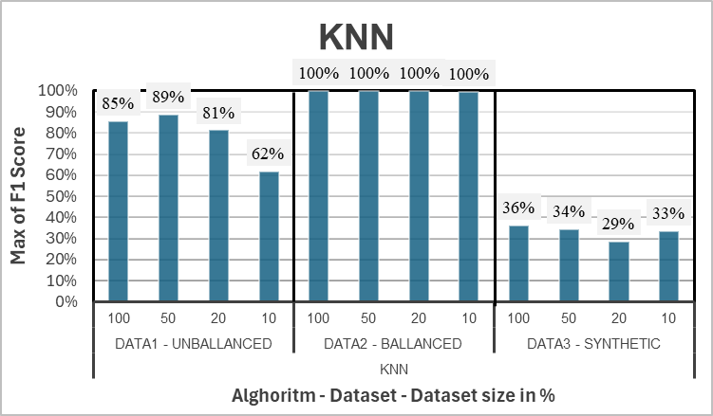
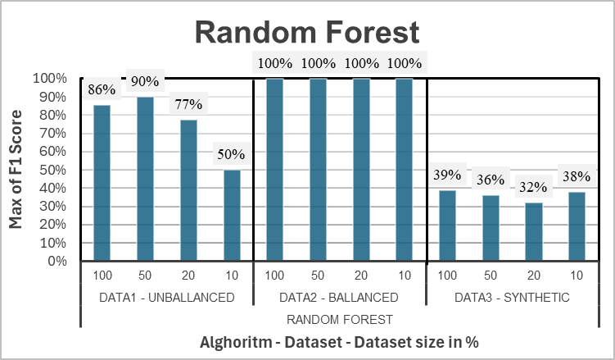
Row Labels | Max of F1 Score
AdaBoost | 98%
Data1 - Unballanced | 85%
100 | 85%
50 | 83%
20 | 79%
10 | 62%
Data2 - Ballanced | 98%
100 | 98%
50 | 98%
20 | 98%
10 | 98%
Data3 - Synthetic | 38%
100 | 37%
50 | 36%
20 | 32%
10 | 38%
Grand Total | 98%

Recall charts
Row Labels | Unballanced data max Recall
Linear Regression | 56.1%
Logistic Regression | 62.2%
Random Forest | 75.5%
SVM (Support Vector Machines) | 77.6%
AdaBoostDT | 80.6%
XGBoost | 80.6%
K-Nearest Neighbors (KNN) | 80.6%
Gradient Boosting Machine | 82.7%
AdaBoost | 83.7%

Row Labels | Ballanced data max Recall
Linear Regression | 91.4%
SVM (Support Vector Machines) | 95.0%
Ballanced data max Recall
Logistic Regression | 95.3%
AdaBoost | 96.8%
AdaBoostDT | 99.998%
Gradient Boosting Machine | 99.998%
Random Forest | 100.000%
XGBoost | 100.000%
K-Nearest Neighbors (KNN) | 100.000%

Row Labels | Synthetic data max Recall
Linear Regression | 0.0%
SVM (Support Vector Machines) | 0.1%
Logistic Regression | 10.2%
XGBoost | 17.1%
AdaBoost | 22.5%
K-Nearest Neighbors (KNN) | 23.2%
Synthetic data max Recall
Random Forest | 24.1%
AdaBoostDT | 41.3%
Gradient Boosting Machine | 72.2%

