Overall Survival
Overall Survival from 29-Month Landmark
Fixed-Duration vs Continuation Pembrolizumab — Kaplan-Meier Analysis

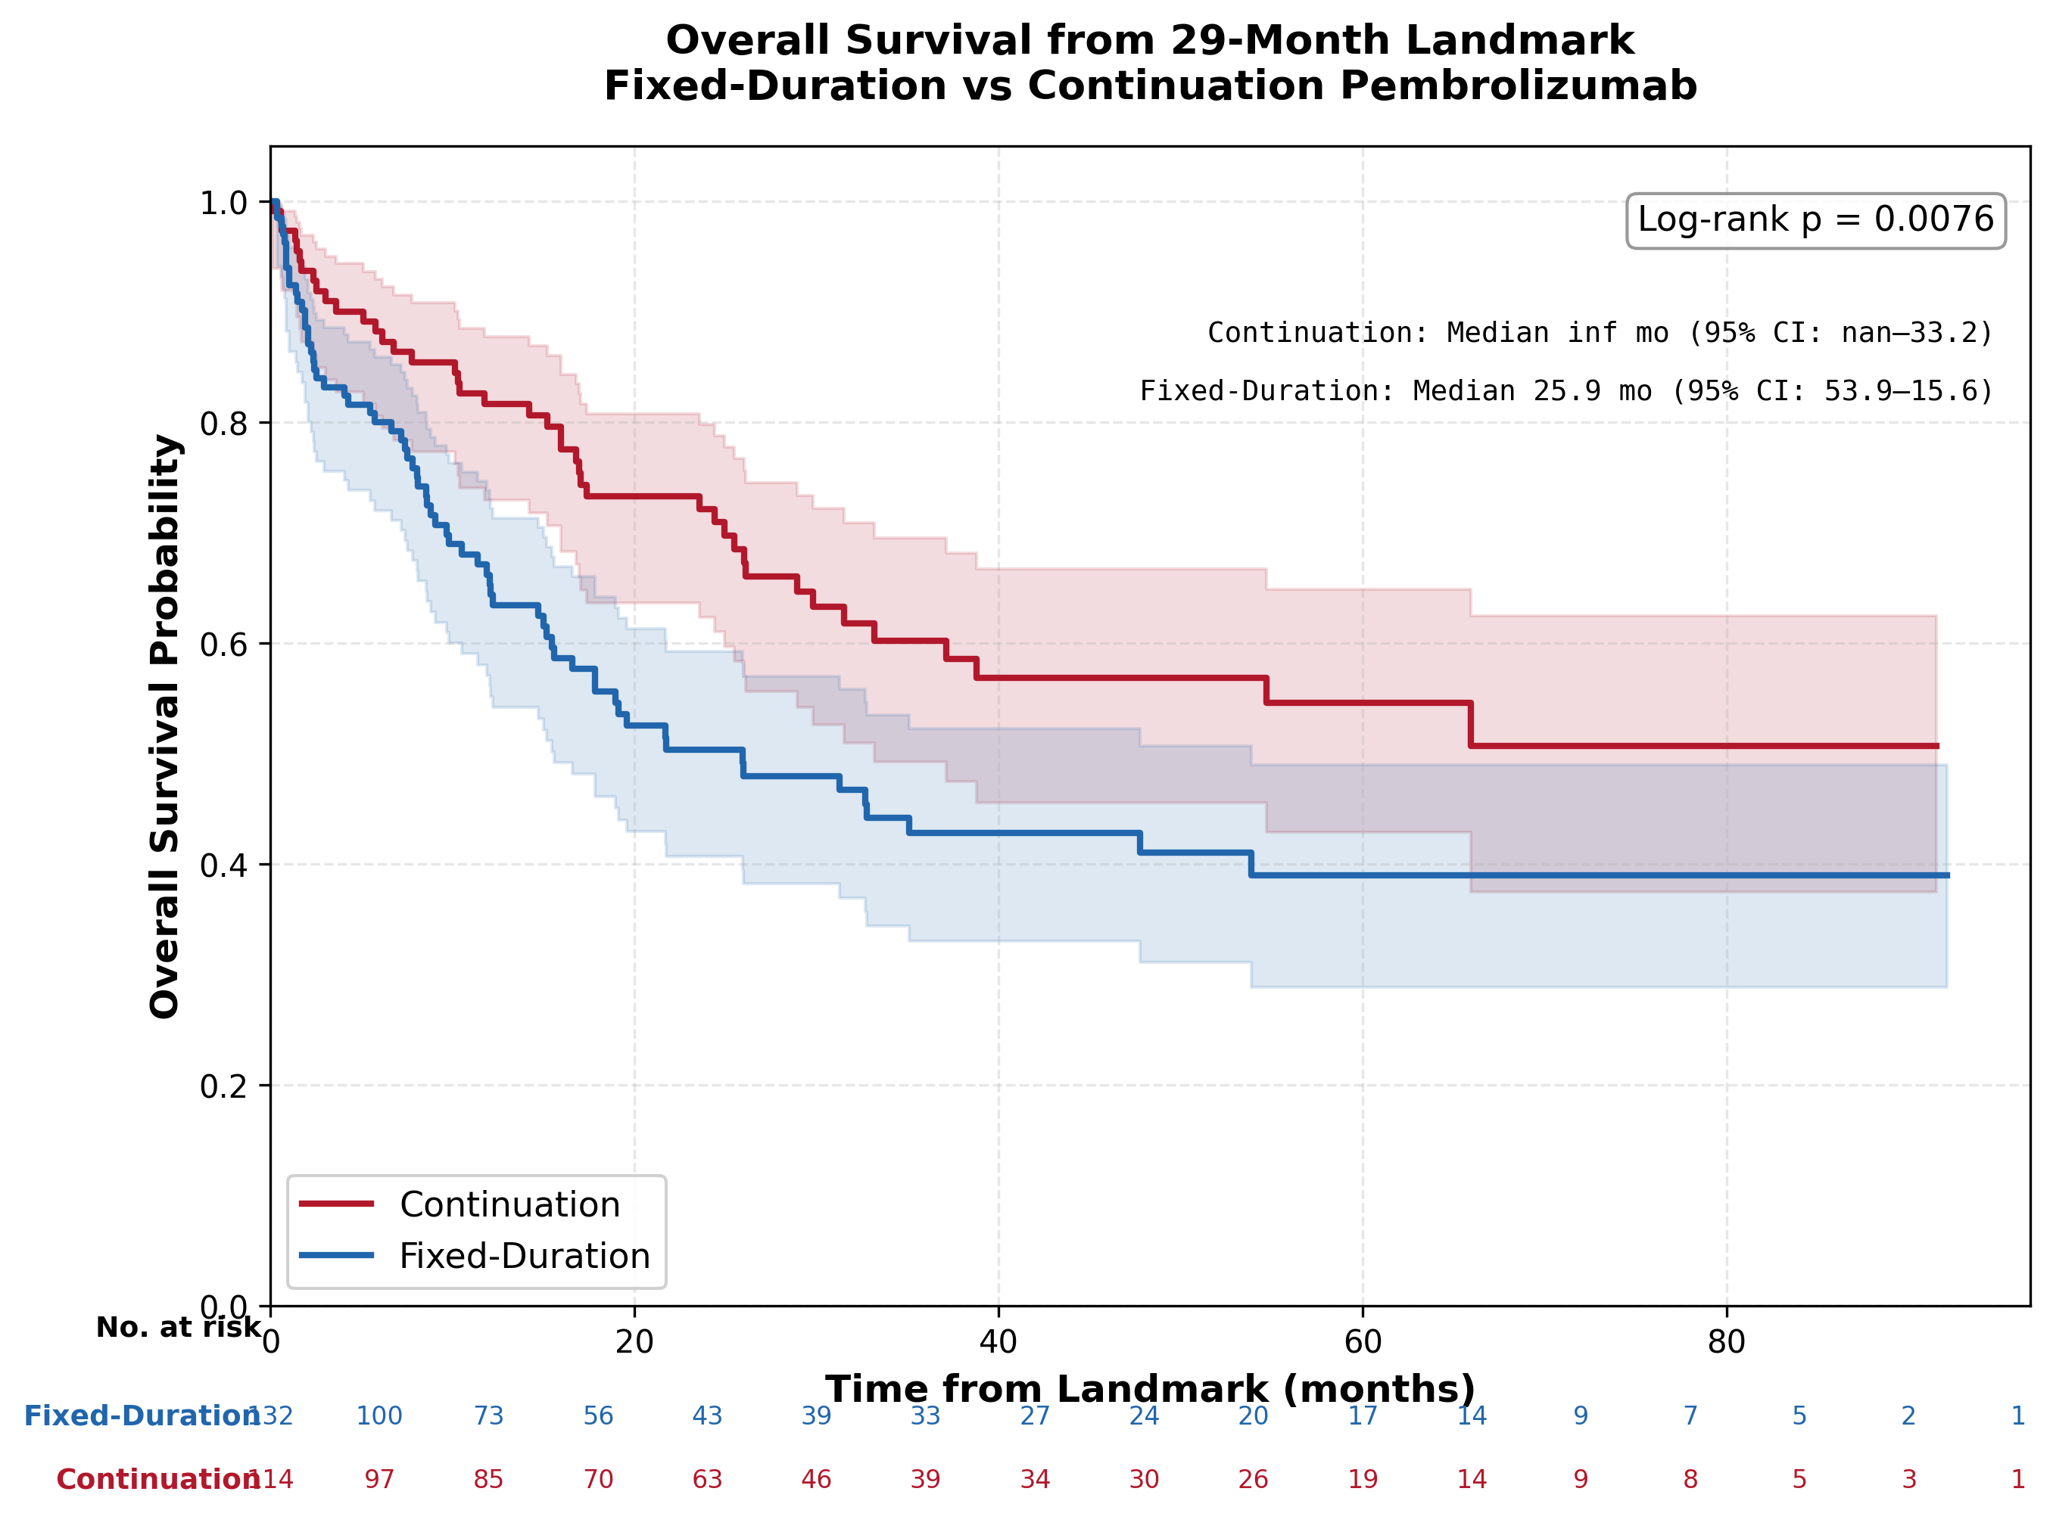

SURVIVAL SUMMARY
Metric | Continuation | Fixed-Duration
N | 114.0 | 132.0
Events, n (%) | 42 (36.8%) | 66 (50.0%)
Censored, n (%) | 72 (63.2%) | 66 (50.0%)
Median follow-up, months | 43.5 | 39.8
Median OS, months (95% CI) | inf (33.2-inf) | 25.9 (15.6-53.9)
OS at 6m, % (95% CI) | 88.2% (80.5–93.0) | 80.0% (72.0–85.9)
OS at 12m, % (95% CI) | 81.6% (73.0–87.7) | 66.2% (57.1–73.8)
OS at 18m, % (95% CI) | 73.3% (63.6–80.8) | 55.6% (46.1–64.2)
OS at 24m, % (95% CI) | 72.1% (62.4–79.8) | 50.3% (40.7–59.2)
OS at 30m, % (95% CI) | 63.3% (52.6–72.2) | 47.9% (38.2–57.0)
OS at 36m, % (95% CI) | 60.2% (49.2–69.6) | 42.8% (33.0–52.2)
Log-rank p-value: 0.0076

Cox Model Comparison
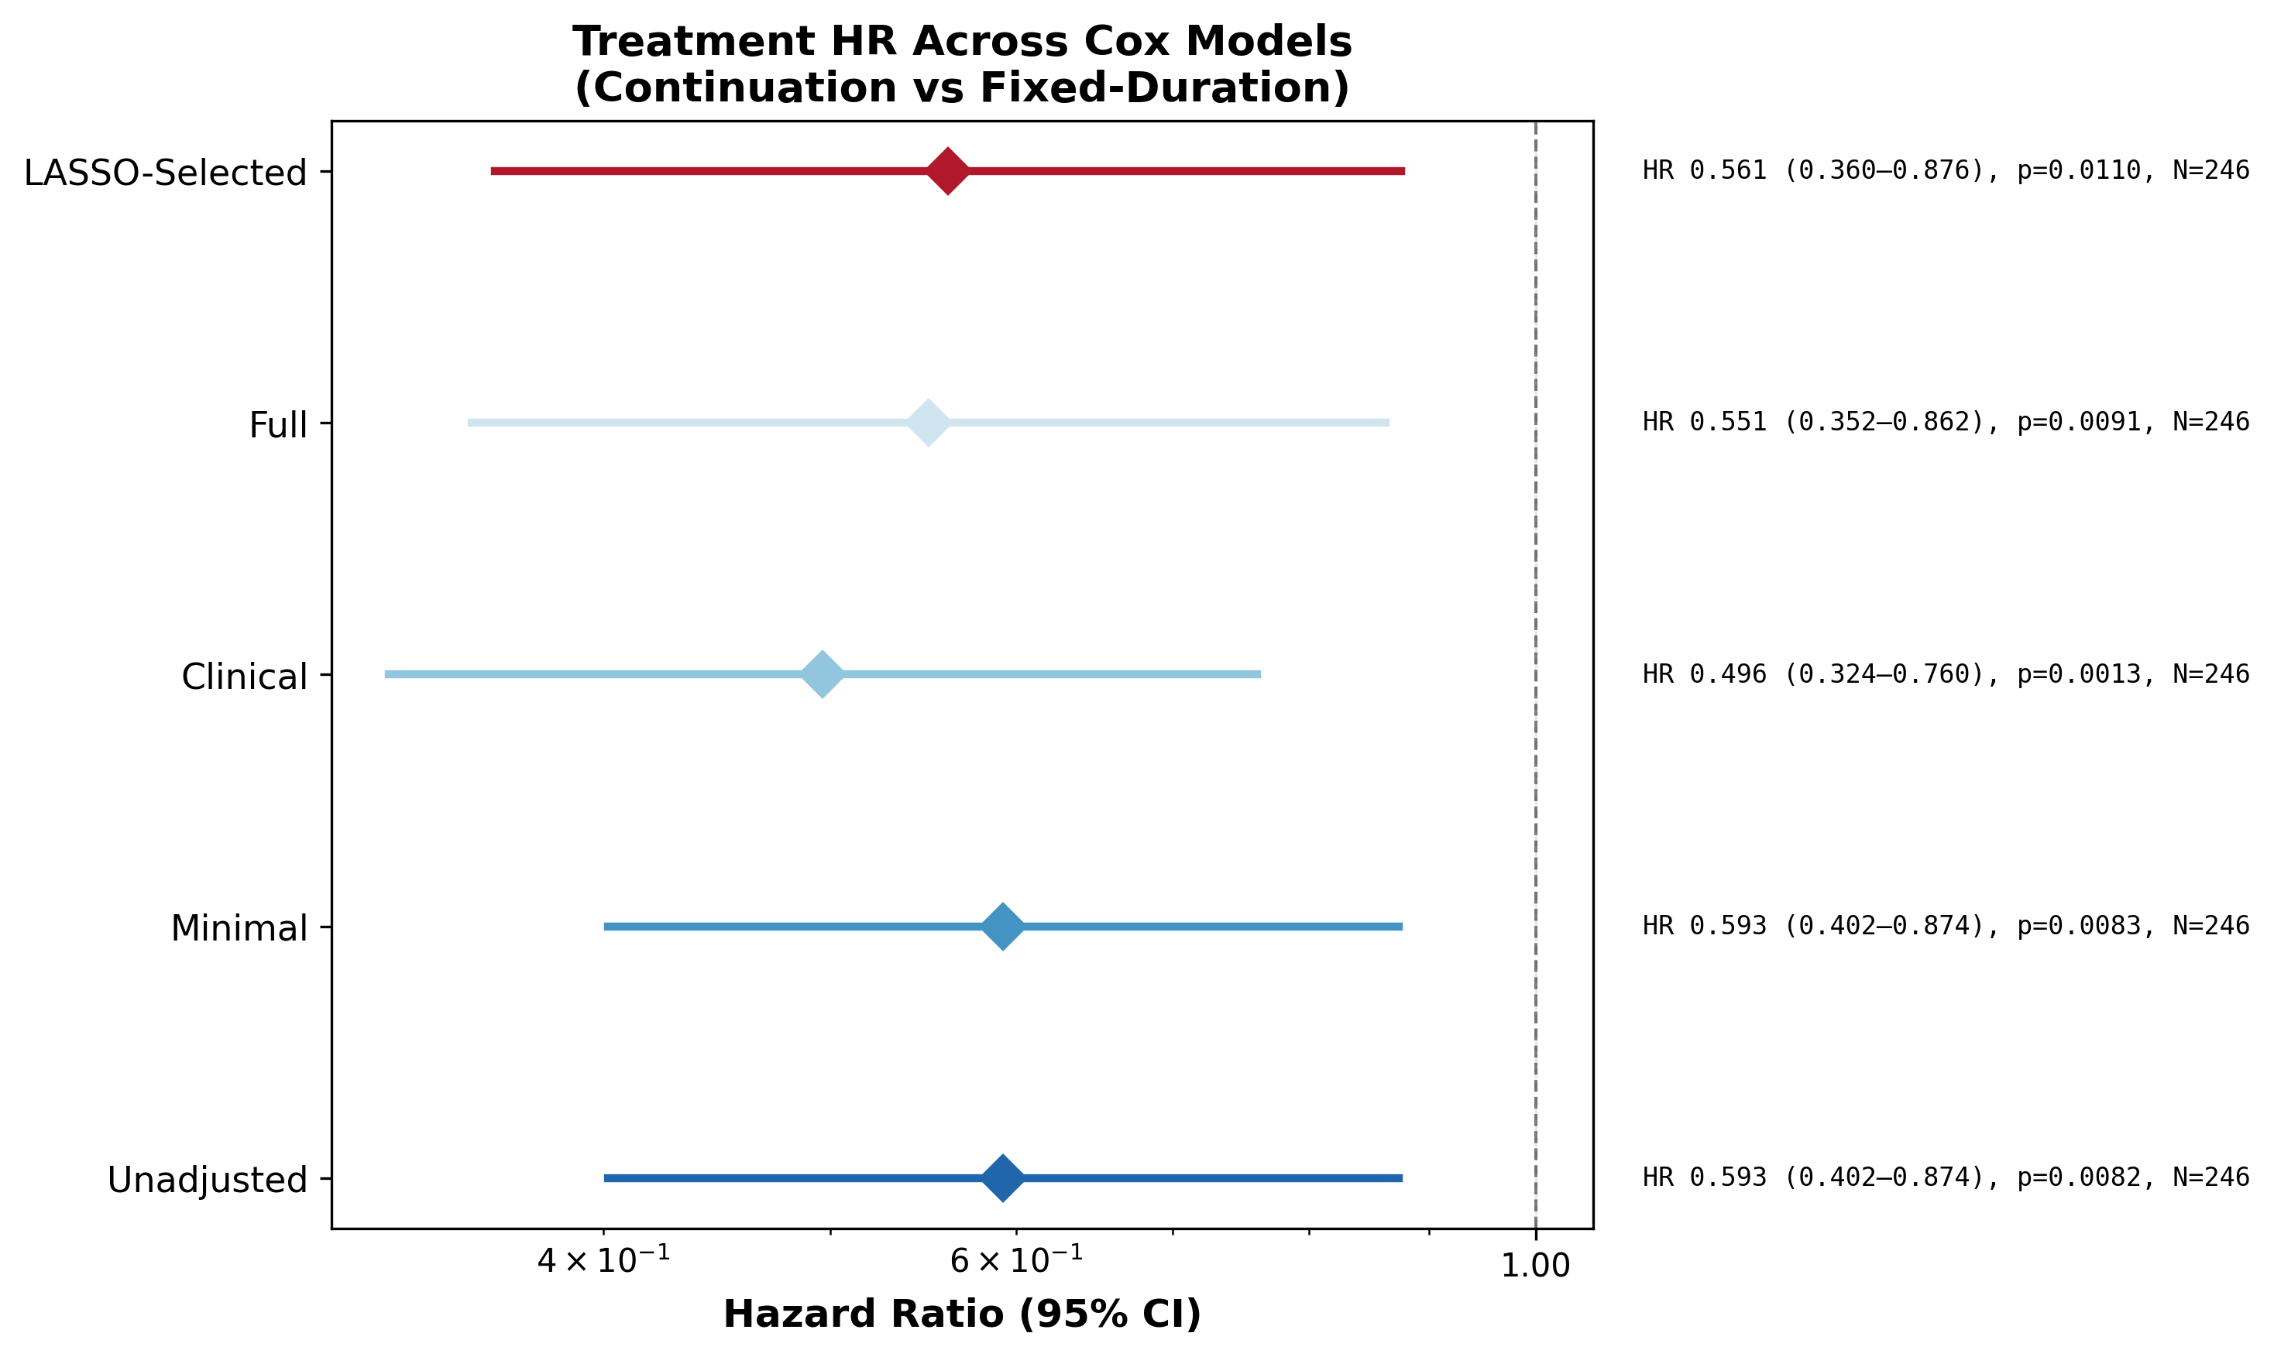
Cox Model Comparison — Treatment HR (Continuation vs Fixed-Duration)
Sensitivity to confounder adjustment. HR <1 favours Continuation; HR >1 favours Fixed-Duration.

Model | Covariates | N | Events | HR | 95% CI | p-value | C-index
Unadjusted | 0 | 246 | 108 | 0.593 | 0.402–0.874 | 0.0082 | 0.575
Minimal | 2 | 246 | 108 | 0.593 | 0.402–0.874 | 0.0083 | 0.575
Clinical | 11 | 246 | 108 | 0.496 | 0.324–0.760 | 0.0013 | 0.650
Full | 21 | 246 | 108 | 0.551 | 0.352–0.862 | 0.0091 | 0.685
LASSO-Selected | 30 | 246 | 108 | 0.561 | 0.360–0.876 | 0.0110 | 0.682

Subgroup Analysis
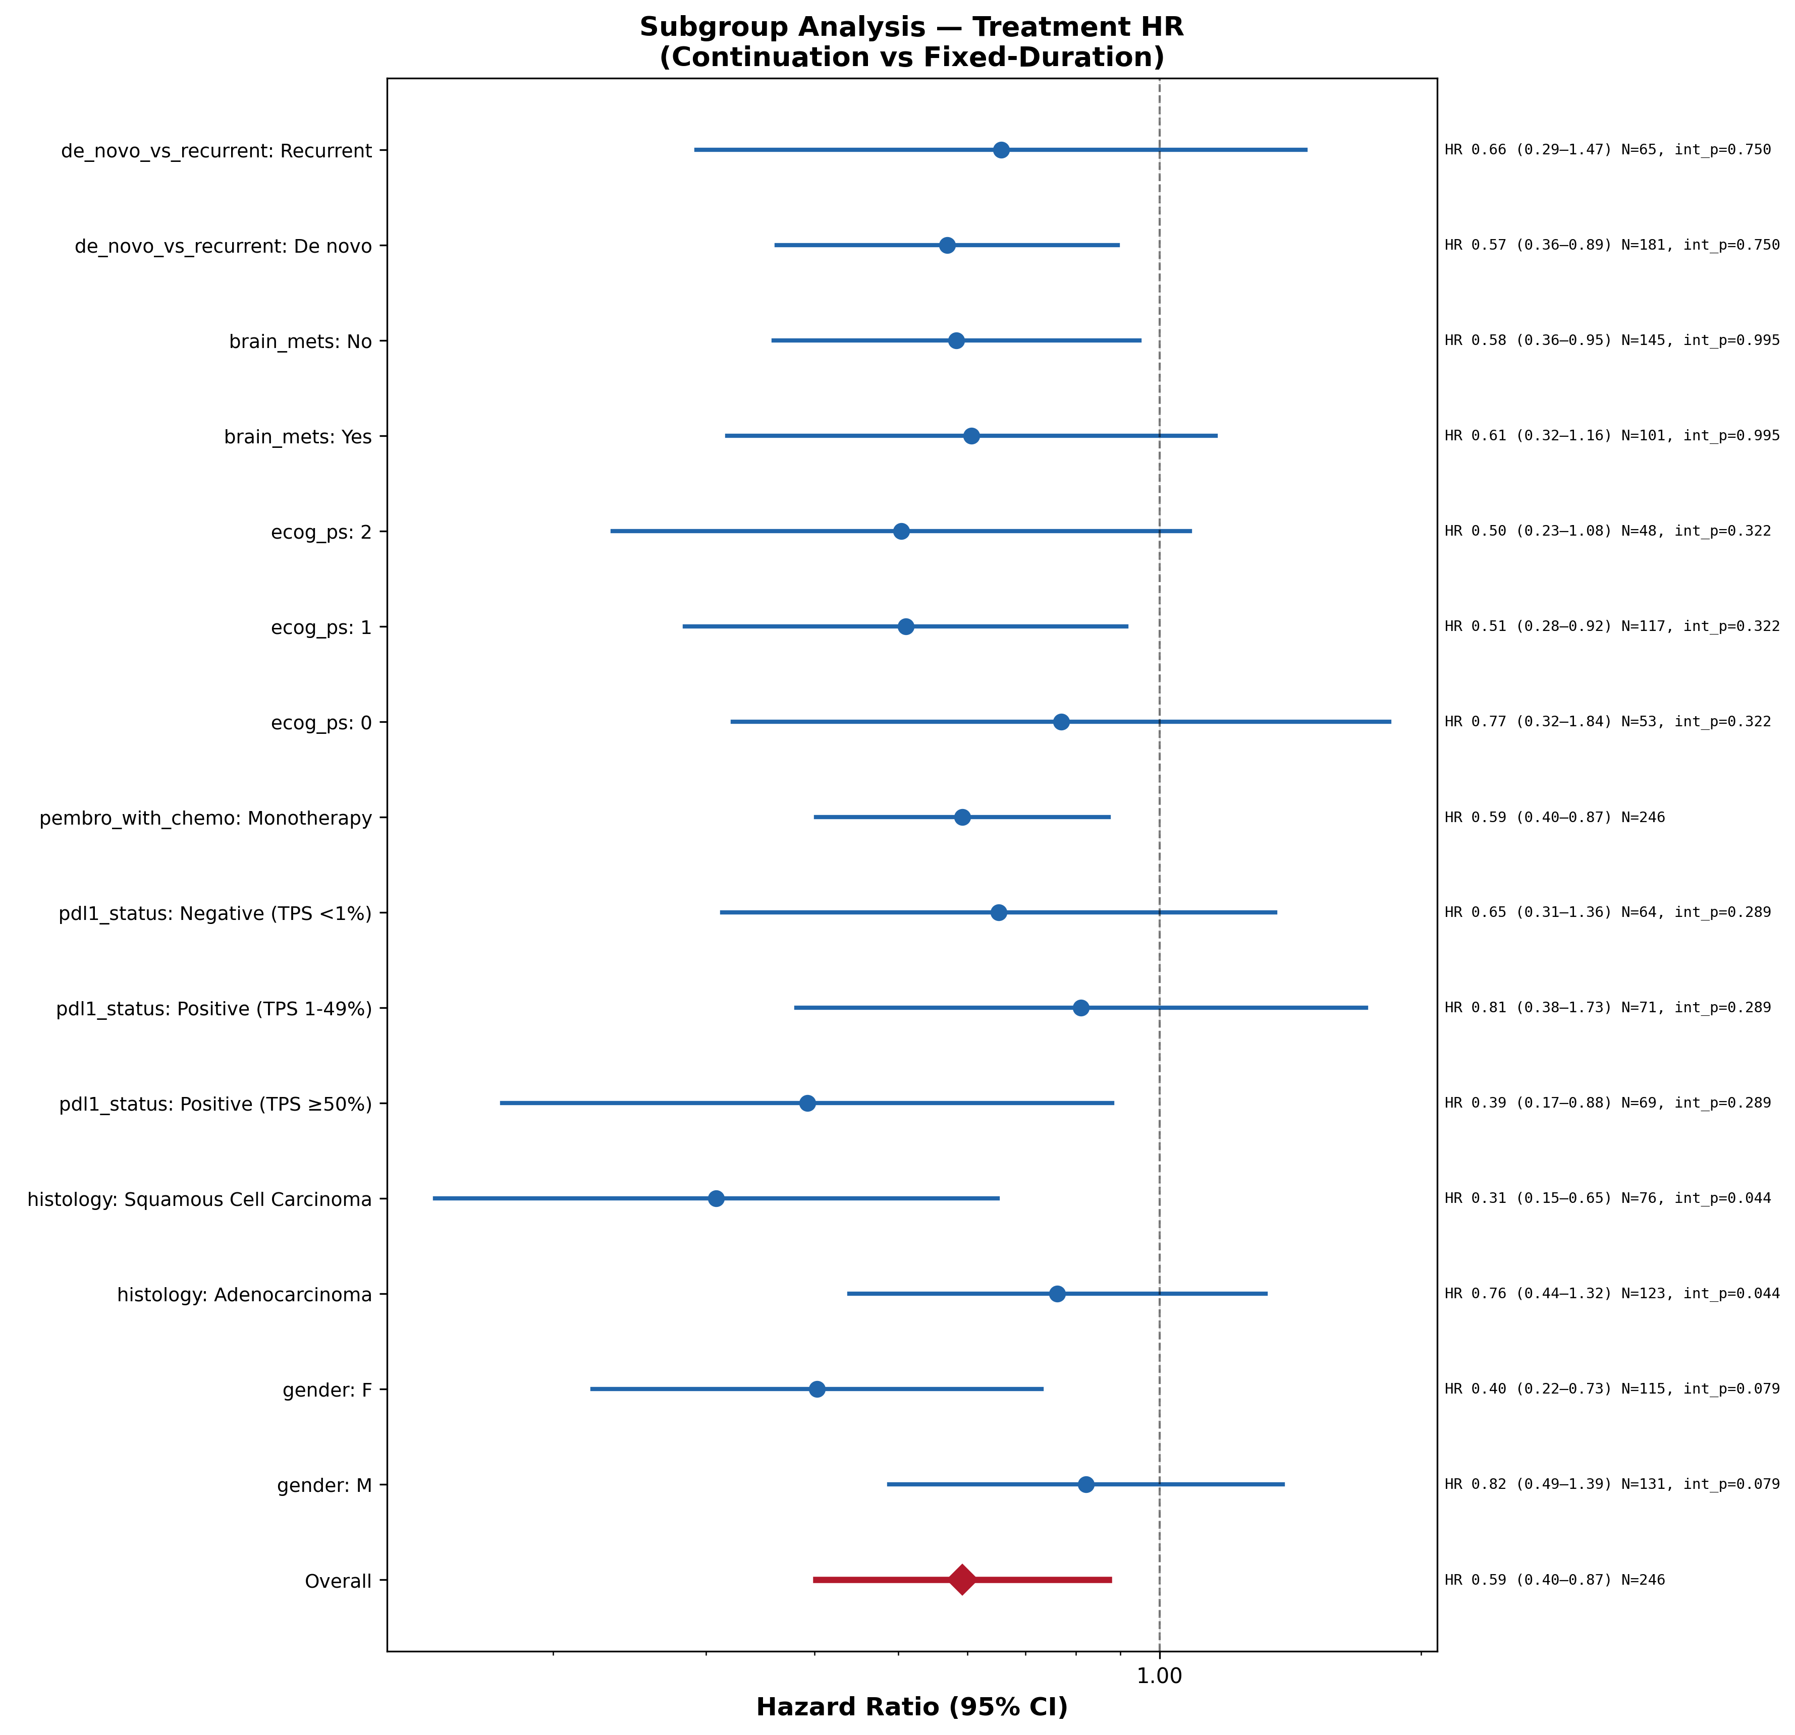
Subgroup Analysis — Treatment HR by Patient Characteristics
Unadjusted Cox within each subgroup. Interaction p-value tests heterogeneity.

Variable | Level | N | Events | HR | 95% CI Lower | 95% CI Upper | p-value | Interaction p
Overall | All patients | 246 | 108 | 0.593 | 0.402 | 0.874 | 0.008
gender | M | 131 | 57 | 0.822 | 0.488 | 1.385 | 0.462 | 0.079
gender | F | 115 | 51 | 0.403 | 0.222 | 0.731 | 0.003 | 0.079
histology | Adenocarcinoma | 123 | 51 | 0.762 | 0.439 | 1.324 | 0.335 | 0.044
histology | Squamous Cell Carcinoma | 76 | 37 | 0.308 | 0.146 | 0.650 | 0.002 | 0.044
pdl1_status | Positive (TPS ≥50%) | 69 | 31 | 0.393 | 0.175 | 0.882 | 0.024 | 0.289
pdl1_status | Positive (TPS 1-49%) | 71 | 27 | 0.812 | 0.381 | 1.729 | 0.588 | 0.289
pdl1_status | Negative (TPS <1%) | 64 | 30 | 0.652 | 0.313 | 1.357 | 0.253 | 0.289
pembro_with_chemo | Monotherapy | 246 | 108 | 0.593 | 0.402 | 0.874 | 0.008
ecog_ps | 0 | 53 | 22 | 0.770 | 0.322 | 1.839 | 0.556 | 0.322
ecog_ps | 1 | 117 | 47 | 0.510 | 0.284 | 0.915 | 0.024 | 0.322
ecog_ps | 2 | 48 | 28 | 0.504 | 0.234 | 1.084 | 0.079 | 0.322
brain_mets | Yes | 101 | 39 | 0.607 | 0.318 | 1.160 | 0.131 | 0.995
brain_mets | No | 145 | 69 | 0.583 | 0.359 | 0.947 | 0.029 | 0.995
de_novo_vs_recurrent | De novo | 181 | 83 | 0.569 | 0.362 | 0.894 | 0.015 | 0.750
de_novo_vs_recurrent | Recurrent | 65 | 25 | 0.656 | 0.293 | 1.471 | 0.306 | 0.750

Landmark Sensitivity
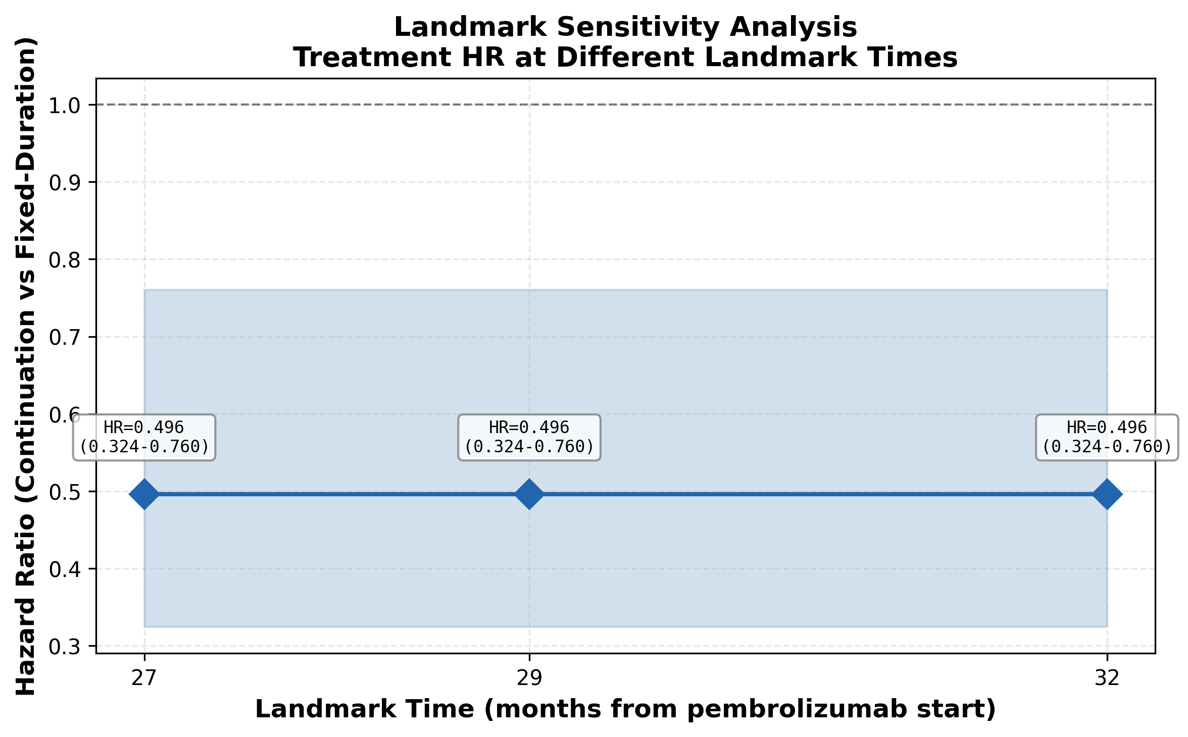
Landmark Sensitivity Analysis
Treatment HR re-estimated at different landmark timepoints (27, 29, 32 months).

Landmark (months) | N | N Fixed-Duration | N Continuation | Events | HR | HR_lower | HR_upper | p_value | C-index
27 | 246 | 132 | 114 | 108 | 0.496 | 0.324 | 0.760 | 0.001 | 0.650
29 | 246 | 132 | 114 | 108 | 0.496 | 0.324 | 0.760 | 0.001 | 0.650
32 | 246 | 132 | 114 | 108 | 0.496 | 0.324 | 0.760 | 0.001 | 0.650

