Overall Survival
Overall Survival from 29-Month Landmark
Fixed-Duration vs Continuation Pembrolizumab — Kaplan-Meier Analysis
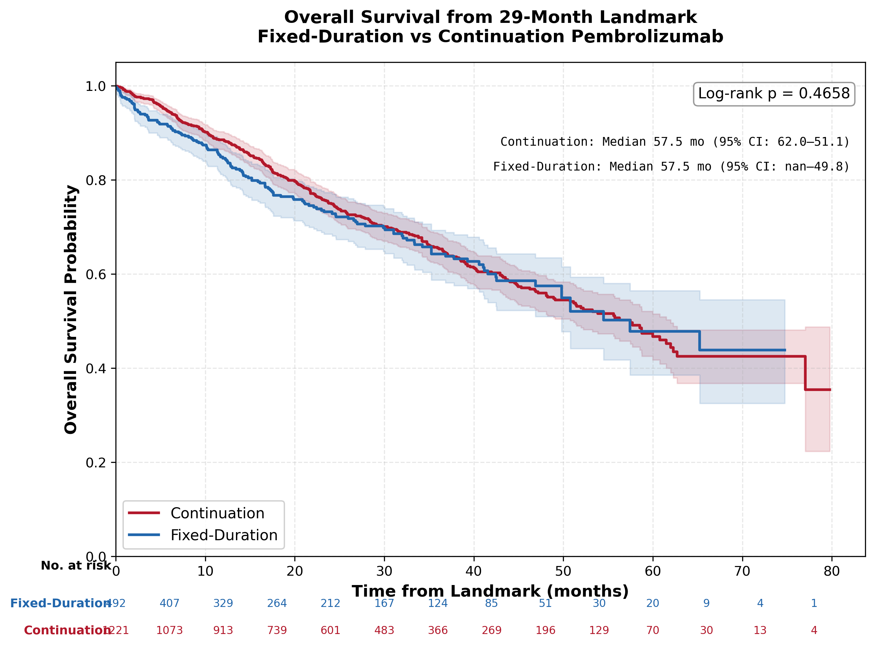

 | SURVIVAL SUMMARY
 | Metric | Continuation | Fixed-Duration
 | N | 1221 | 492
 | Events, n (%) | 390 (31.9%) | 147 (29.9%)
 | Censored, n (%) | 831 (68.1%) | 345 (70.1%)
 | Median follow-up, months | 33.3 | 28.5
 | Median OS, months (95% CI) | 57.5 (51.1-62.0) | 57.5 (49.8-inf)
 | OS at 6m, % (95% CI) | 94.4% (92.9–95.6) | 91.4% (88.5–93.6)
 | OS at 12m, % (95% CI) | 88.5% (86.5–90.2) | 84.6% (80.9–87.6)
 | OS at 18m, % (95% CI) | 81.3% (78.9–83.6) | 76.7% (72.3–80.5)
 | OS at 24m, % (95% CI) | 75.0% (72.2–77.6) | 73.2% (68.5–77.3)
 | OS at 30m, % (95% CI) | 70.1% (67.0–72.9) | 69.8% (64.8–74.3)
 | OS at 36m, % (95% CI) | 65.5% (62.2–68.6) | 64.3% (58.7–69.3)
 | Log-rank p-value: 0.4658

