layers_lin
Illustration of layers in a NN with linear activation function

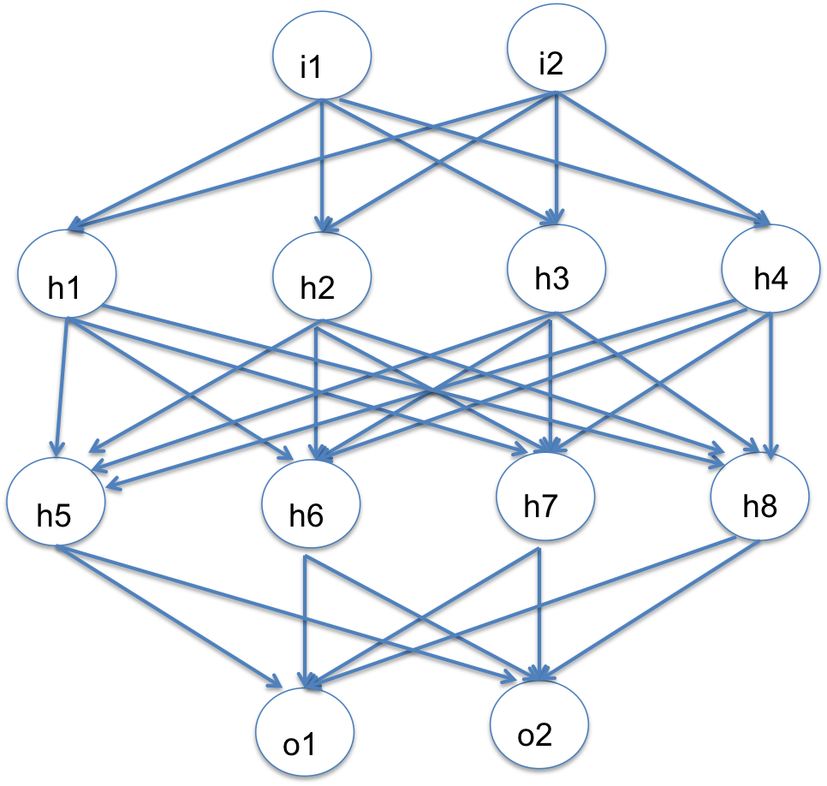
 |  | i1 | i2
 |  | 2 | 3 |  |  | inputs

 |  | h1 | h2 | h3 | h4
 | i1 | -1.107 | 1.266 | 0.313 | -0.277 | weights for hidden layer 1
 | i2 | 1.564 | 1.664 | -1.270 | -1.349

 |  | h1 | h2 | h3 | h4
 |  | 2.477 | 7.525 | -3.185 | -4.601 | (linear) outputs of 1st hidden layer

 |  | h5 | h6 | h7 | h8
 | h1 | 0.434 | 0.605 | -0.356 | 0.463 | weights for hidden layer 2
 | h2 | 0.962 | 0.296 | 0.456 | -0.903
 | h3 | -0.186 | 0.618 | 1.070 | -0.669
 | h4 | -0.009 | 0.509 | 0.514 | 0.575

 |  | h5 | h6 | h7 | h8
 |  | 8.949 | -0.584 | -3.225 | -6.166 | (linear) outputs of 2nd hidden layer

 |  |  | o1 | o2
 |  | h5 | -0.447 | -0.145 |  | weights for output layer
 |  | h6 | 0.034 | -1.864
 |  | h7 | -0.168 | 0.227
 |  | h8 | -1.022 | 0.113

 |  |  | o1 | o2 |  | (linear) outputs of output layer
 |  |  | 2.822 | -1.641

adapted from Jeremy Howard & Rachel Thomas' fast.ai course Part 1
https://github.com/fastai/courses/tree/master/deeplearning1/excel

backprop
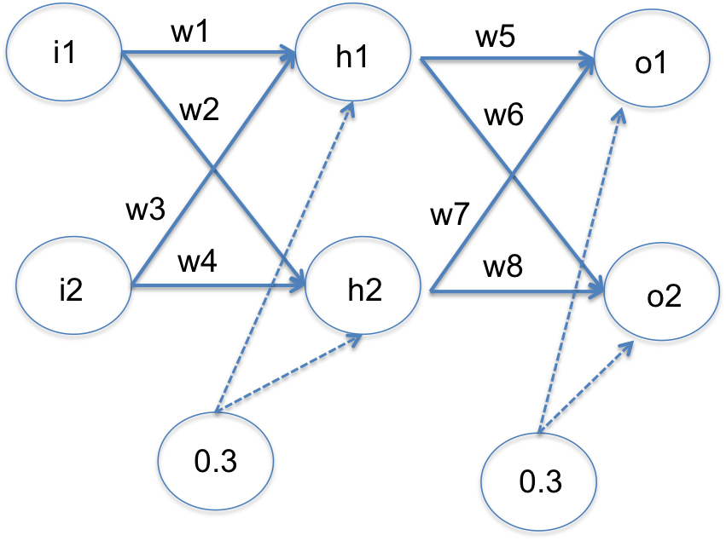
Example of backpropagation calculations for a NN with linear activation functions
 |  |  |  |  |  |  |  |  |  |  |  | Adapted from Matt Mazur's tutorial: https://mattmazur.com/2015/03/17/a-step-by-step-backpropagation-example/

 | INPUTS |  |  | TARGETS |  |  | LEARNING RATE
 | i1 | 0.05 |  | t1 | 0.01 |  | LR | 0.5
 | i2 | 0.1 |  | t2 | 0.99

 | Weights for hidden layer |  |  |  |  | Outputs of hidden layer |  | Weights for output layer |  |  |  |  | Outputs of output layer |  | Errors |  |  | dE/do: derivatives of error wrt each output neuron |  |  |  | do/dw: derivatives of each output neuron wrt each weight in output layer |  |  |  |  | dE/dw = dE/do * do/dw: derivatives of error wrt weights in output layer |  |  |  | Updated weights for output layer in next step |  |  |  | dE/dh = dE(o1)/dh + dE(o2)/dh: derivatives of error wrt outputs of hidden layer |  |  |  |  |  | dh/dw: derivatives of outputs of hidden layer wrt weights in hidden layer |  |  |  | dE/dw = dE/dh * dh/dw: derivatives of error wrt weights in the hidden layer |  |  |  | Updated weights for hidden layer in next step
 | w1 | w2 | w3 | w4 | b1 | h1 | h2 | w5 | w6 | w7 | w8 | b2 | o1 | o2 | e1^2 | e2^2 | E | E(o1+0.01) | dE/do1 | E(o2+0.01) | dE/do2 | o1(w5+0.01) | do1/ dw5 | do1/ dw7 | do2/ dw6 | do2/ dw8 | dE/dw5 | dE/dw6 | dE/dw7 | dE/dw8 | w5* | w6* | w7* | w8* | dE(o1)/dh1 | dE(o2)/dh1 | dE/dh1 | dE(o1)/dh2 | dE(o2)/dh2 | dE/dh2 | dh1/dw1 | dh1/dw3 | dh2/dw2 | dh2/dw4 | dE/dw1 | dE/dw2 | dE/dw3 | dE/dw4 | w1* | w2* | w3* | w4*
 | 0.15 | 0.2 | 0.25 | 0.3 | 0.3 | 0.3325 | 0.34 | 0.4 | 0.45 | 0.5 | 0.58 | 0.3 | 0.603 | 0.646825 | 0.351649 | 0.11776908063 | 0.46941808063 | 0.48137808062 | 1.196 | 0.46265458062 | -0.67635 | 0.606325 | 0.3325 | 0.34 | 0.3325 | 0.34 | 0.39767 | -0.229959 | 0.39767 | -0.229959 | 0.201165 | 0.5649795 | 0.301165 | 0.6949795 | 0.4784 | -0.3043575 | 0.1740425 | 0.598 | -0.392283 | 0.205717 | 0.05 | 0.1 | 0.05 | 0.1 | 0.0087 | 0.0103 | 0.0174 | 0.0206 | 0.1456 | 0.1949 | 0.2413 | 0.2897
 | 0.1456489375 | 0.194857075 | 0.241297875 | 0.28971415 | 0.3 | 0.33141223438 | 0.33871426875 | 0.201165 | 0.5649795 | 0.301165 | 0.6949795 | 0.3 | 0.46867742488 | 0.72264059161 | 0.21038498009 | 0.071481053255 | 0.28186603335 | 0.29113958184 | 0.92735484975 | 0.27661884518 | -0.52471881678 | 0.47199154722 | 0.33141223438 | 0.33871426875 | 0.33141223438 | 0.33871426875 | 0.30733674281 | -0.17772975033 | 0.30733674281 | -0.17772975033 | 0.047496628593 | 0.65384437516 | 0.14749662859 | 0.78384437516 | 0.18655133835 | -0.29645537475 | -0.10990403639 | 0.27928682333 | -0.36466882093 | -0.085381997601 | 0.05 | 0.1 | 0.05 | 0.1 | -0.0055 | -0.0043 | -0.0110 | -0.0085 | 0.1484 | 0.1970 | 0.2468 | 0.2940
 | 0.14839653841 | 0.19699162494 | 0.24679307682 | 0.29398324988 | 0.3 | 0.3320991346 | 0.33924790624 | 0.047496628593 | 0.65384437516 | 0.14749662859 | 0.78384437516 | 0.3 | 0.36581151168 | 0.78305871424 | 0.12660183184 | 0.04282469575 | 0.16942652759 | 0.17664275783 | 0.72162302336 | 0.16538770188 | -0.40388257151 | 0.36913250302 | 0.3320991346 | 0.33924790624 | 0.3320991346 | 0.33924790624 | 0.23965038157 | -0.13701631675 | 0.23965038157 | -0.13701631675 | -0.072328562191 | 0.72235253354 | 0.027671437809 | 0.85235253354 | 0.034274660724 | -0.26407634761 | -0.22980168688 | 0.10643696306 | -0.31658108191 | -0.21014411885 | 0.05 | 0.1 | 0.05 | 0.1 | -0.0115 | -0.0105 | -0.0230 | -0.0210 | 0.1541 | 0.2022 | 0.2583 | 0.3045
 | 0.15414158058 | 0.20224522791 | 0.25828316116 | 0.30449045582 | 0.3 | 0.33353539515 | 0.34056130698 | -0.072328562191 | 0.72235253354 | 0.027671437809 | 0.85235253354 | 0.3 | 0.28529968546 | 0.83120843054 | 0.075789916812 | 0.025214762533 | 0.10100467935 | 0.10661067305 | 0.56059937091 | 0.097928847956 | -0.30758313893 | 0.28863503941 | 0.33353539515 | 0.34056130698 | 0.33353539515 | 0.34056130698 | 0.1869797327 | -0.1047509158 | 0.1869797327 | -0.1047509158 | -0.16581842854 | 0.77472799144 | -0.065818428538 | 0.90472799144 | -0.040547346463 | -0.22218345968 | -0.26273080614 | 0.015512590628 | -0.26216926774 | -0.24665667711 | 0.05 | 0.1 | 0.05 | 0.1 | -0.0131 | -0.0123 | -0.0263 | -0.0247 | 0.1607 | 0.2084 | 0.2714 | 0.3168
 | 0.16070985074 | 0.20841164484 | 0.27141970147 | 0.31682328968 | 0.3 | 0.33517746268 | 0.34210291121 | -0.16581842854 | 0.77472799144 | -0.065818428538 | 0.90472799144 | 0.3 | 0.22190472384 | 0.86918144216 | 0.044903611987 | 0.014597123918 | 0.059500735904 | 0.063838830381 | 0.43380944768 | 0.057184364748 | -0.23163711567 | 0.22525649847 | 0.33517746268 | 0.34210291121 | 0.33517746268 | 0.34210291121 | 0.14540314996 | -0.079243731616 | 0.14540314996 | -0.079243731616 | -0.23852000352 | 0.81434985724 | -0.13852000352 | 0.94434985724 | -0.0719336009 | -0.17945575737 | -0.25138935827 | -0.028552656132 | -0.20956858241 | -0.23812123854 | 0.05 | 0.1 | 0.05 | 0.1 | -0.0126 | -0.0119 | -0.0251 | -0.0238 | 0.1670 | 0.2144 | 0.2840 | 0.3287
 | 0.16699458469 | 0.2143646758 | 0.28398916938 | 0.3287293516 | 0.3 | 0.33674864617 | 0.34359116895 | -0.23852000352 | 0.81434985724 | -0.13852000352 | 0.94434985724 | 0.3 | 0.1720844618 | 0.89870148329 | 0.026271372756 | 0.0083354191539 | 0.03460679191 | 0.037948481146 | 0.33416892359 | 0.032880821576 | -0.17259703343 | 0.17545194826 | 0.33674864617 | 0.34359116895 | 0.33674864617 | 0.34359116895 | 0.11253093261 | -0.059302816472 | 0.11253093261 | -0.059302816472 | -0.29478546983 | 0.84400126548 | -0.19478546983 | 0.97400126548 | -0.079705972832 | -0.14055436953 | -0.22026034236 | -0.046289080472 | -0.16299198388 | -0.20928106435 | 0.05 | 0.1 | 0.05 | 0.1 | -0.0110 | -0.0105 | -0.0220 | -0.0209 | 0.1725 | 0.2196 | 0.2950 | 0.3392
 | 0.17250109325 | 0.21959670241 | 0.2950021865 | 0.33919340482 | 0.3 | 0.33812527331 | 0.3448991756 | -0.29478546983 | 0.84400126548 | -0.19478546983 | 0.97400126548 | 0.3 | 0.13314423448 | 0.92131039207 | 0.015164502487 | 0.0047182622379 | 0.019882764725 | 0.022445649414 | 0.25628846897 | 0.018608972566 | -0.12737921587 | 0.13652548722 | 0.33812527331 | 0.3448991756 | 0.33812527331 | 0.3448991756 | 0.086657608617 | -0.043932986541 | 0.086657608617 | -0.043932986541 | -0.33811427413 | 0.86596775875 | -0.23811427413 | 0.99596775875 | -0.075550116736 | -0.10750821939 | -0.18305833612 | -0.049921269839 | -0.12406751745 | -0.17398878729 | 0.05 | 0.1 | 0.05 | 0.1 | -0.0092 | -0.0087 | -0.0183 | -0.0174 | 0.1771 | 0.2239 | 0.3042 | 0.3479
 | 0.17707755165 | 0.22394642209 | 0.30415510331 | 0.34789284419 | 0.3 | 0.33926938791 | 0.34598660552 | -0.33811427413 | 0.86596775875 | -0.23811427413 | 0.99596775875 | 0.3 | 0.10290382773 | 0.93838785553 | 0.0086311212078 | 0.0026638134573 | 0.011294934665 | 0.01325301122 | 0.19580765547 | 0.010362691776 | -0.093224288949 | 0.10629652161 | 0.33926938791 | 0.34598660552 | 0.33926938791 | 0.34598660552 | 0.06643154342 | -0.032254355286 | 0.06643154342 | -0.032254355286 | -0.37133004584 | 0.88209493639 | -0.27133004584 | 1.0120949364 | -0.066205363299 | -0.080729228563 | -0.14693459186 | -0.046624597752 | -0.092848386126 | -0.13947298388 | 0.05 | 0.1 | 0.05 | 0.1 | -0.0073 | -0.0070 | -0.0147 | -0.0139 | 0.1808 | 0.2274 | 0.3115 | 0.3549
 | 0.18075091645 | 0.22743324669 | 0.3115018329 | 0.35486649338 | 0.3 | 0.34018772911 | 0.34685831167 | -0.37133004584 | 0.88209493639 | -0.27133004584 | 1.0120949364 | 0.3 | 0.079564993345 | 0.95113141416 | 0.0048392882991 | 0.0015107669649 | 0.006350055264 | 0.0078413551309 | 0.14912998669 | 0.0056726835473 | -0.067737171673 | 0.082966870636 | 0.34018772911 | 0.34685831167 | 0.34018772911 | 0.34685831167 | 0.050732191515 | -0.023495201004 | 0.050732191515 | -0.023495201004 | -0.3966961416 | 0.8938425369 | -0.2966961416 | 1.0238425369 | -0.055376444794 | -0.059750616138 | -0.11512706093 | -0.040463446125 | -0.068556448455 | -0.10901989458 | 0.05 | 0.1 | 0.05 | 0.1 | -0.0058 | -0.0055 | -0.0115 | -0.0109 | 0.1836 | 0.2302 | 0.3173 | 0.3603
 | 0.18362909297 | 0.23015874405 | 0.31725818595 | 0.36031748811 | 0.3 | 0.34090727324 | 0.34753968601 | -0.3966961416 | 0.8938425369 | -0.2966961416 | 1.0238425369 | 0.3 | 0.061649716166 | 0.96054333576 | 0.0026676931801 | 0.000867695068 | 0.0035353882481 | 0.0046683825714 | 0.11329943233 | 0.0030462549633 | -0.048913328475 | 0.065058788899 | 0.34090727324 | 0.34753968601 | 0.34090727324 | 0.34753968601 | 0.038624600537 | -0.01699932282 | 0.038624600537 | -0.01699932282 | -0.41600844187 | 0.90234219831 | -0.31600844187 | 1.0323421983 | -0.044945447652 | -0.043720813612 | -0.088666261264 | -0.033615504419 | -0.050079546314 | -0.083695050732 | 0.05 | 0.1 | 0.05 | 0.1 | -0.0044 | -0.0042 | -0.0089 | -0.0084 | 0.1858 | 0.2323 | 0.3217 | 0.3645
 | 0.18584574951 | 0.23225112032 | 0.32169149901 | 0.36450224065 | 0.3 | 0.34146143738 | 0.34806278008 | -0.41600844187 | 0.90234219831 | -0.31600844187 | 1.0323421983 | 0.3 | 0.047958382672 | 0.96743495958 | 0.0014408388151 | 0.00050918104933 | 0.0019500198644 | 0.0028091875178 | 0.085916765344 | 0.0015987190559 | -0.035130080848 | 0.051372997046 | 0.34146143738 | 0.34806278008 | 0.34146143738 | 0.34806278008 | 0.029337262189 | -0.012227473604 | 0.029337262189 | -0.012227473604 | -0.43067707296 | 0.90845593511 | -0.33067707296 | 1.0384559351 | -0.035742099681 | -0.031699354379 | -0.06744145406 | -0.027150423147 | -0.036266264889 | -0.063416688036 | 0.05 | 0.1 | 0.05 | 0.1 | -0.0034 | -0.0032 | -0.0067 | -0.0063 | 0.1875 | 0.2338 | 0.3251 | 0.3677
 | 0.18753178586 | 0.23383653752 | 0.32506357171 | 0.36767307505 | 0.3 | 0.34188294646 | 0.34845913438 | -0.43067707296 | 0.90845593511 | -0.33067707296 | 1.0384559351 | 0.3 | 0.037531406715 | 0.97244504807 | 0.00075797835571 | 0.00030817633732 | 0.001066154693 | 0.0017167828273 | 0.06506281343 | 0.0008150556544 | -0.025109903863 | 0.04095023618 | 0.34188294646 | 0.34845913438 | 0.34188294646 | 0.34845913438 | 0.022243866361 | -0.0087497753646 | 0.022243866361 | -0.0087497753646 | -0.44179900615 | 0.91283082279 | -0.34179900615 | 1.0428308228 | -0.028021062047 | -0.022811241195 | -0.050832303242 | -0.021514780704 | -0.026075528697 | -0.047590309401 | 0.05 | 0.1 | 0.05 | 0.1 | -0.0025 | -0.0024 | -0.0051 | -0.0048 | 0.1888 | 0.2350 | 0.3276 | 0.3701
 | 0.18880259344 | 0.23502629526 | 0.32760518688 | 0.37005259052 | 0.3 | 0.34220064836 | 0.34875657381 | -0.44179900615 | 0.91283082279 | -0.34179900615 | 1.0428308228 | 0.3 | 0.029611443336 | 0.97606540423 | 0.00038460870972 | 0.00019417295938 | 0.00057878166909 | 0.0010710105358 | 0.049222886672 | 0.00040008975362 | -0.017869191547 | 0.03303344982 | 0.34220064836 | 0.34875657381 | 0.34220064836 | 0.34875657381 | 0.016844103733 | -0.0062319980209 | 0.016844103733 | -0.0062319980209 | -0.45022105801 | 0.9159468218 | -0.35022105801 | 1.0459468218 | -0.021746622411 | -0.016311548823 | -0.038058171234 | -0.016824333744 | -0.018634543724 | -0.035458877468 | 0.05 | 0.1 | 0.05 | 0.1 | -0.0019 | -0.0018 | -0.0038 | -0.0035 | 0.1898 | 0.2359 | 0.3295 | 0.3718

