Press_21
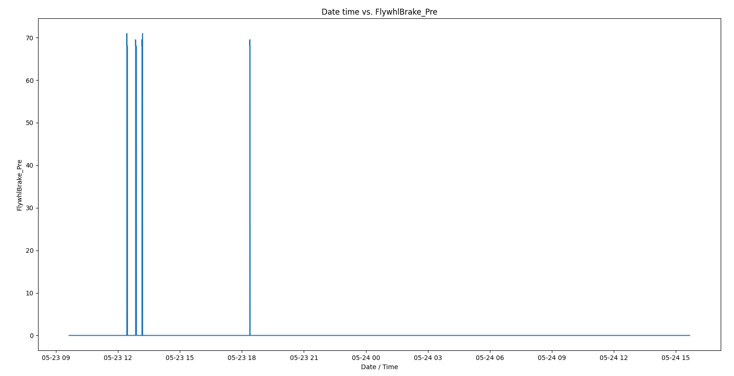
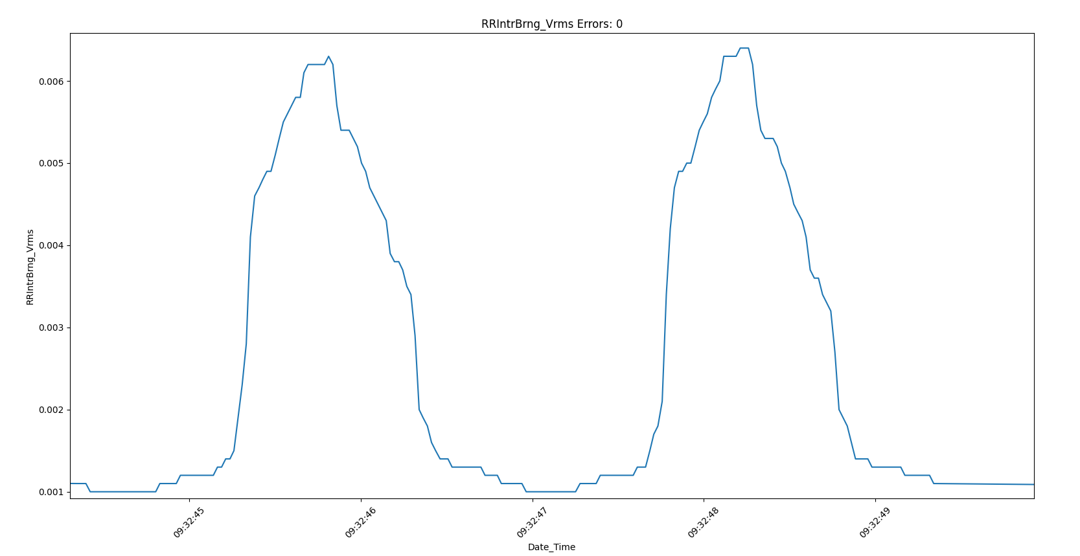
Number | Data Classification | Data Point Location | Measuring | Old labels | Character Count | Updated labels | Character Count | Present Batch | Class | Sensors' limit | Thresholds based on data | Ideal | Comments
1 | Press | Front Left Intermediate Bearing Condition - VVB001 | Vibration | FL_IntrBrng_Vrms | 16 | cr_flInterBrg_vrms | 18 | Batch 2 | Crown | 0 - 0.0495 | 0.0003 to 0.0070
 | Press | Front Left Intermediate Bearing Condition - VVB002 | Vibration | FL_IntrBrng_Apeak | 17 | cr_flInterBrg_apk | 17 | Batch 2 | Crown | 0 - 490 | 0.8 to 108.5
 | Press | Front Left Intermediate Bearing Condition - VVB003 | Vibration | FL_IntrBrng_Arms | 16 | cr_flInterBrg_arms | 18 | Batch 2 | Crown | 0 - 490 | 0.2 to 10.4
 | Press | Front Left Intermediate Bearing Condition - VVB004 | Vibration | FL_IntrBrng_Crest | 17 | cr_flInterBrg_crst | 18 | Batch 2 | Crown | 10 to 50 | 3.4 to 14.4
 | Press | Front Left Intermediate Bearing Condition - VVB005 | Temperature | FL_IntrBrng_Temp | 16 | cr_flInterBrg_tmp | 17 | Batch 2 | Crown |  | 92.1 to 95.4
2 | Press | Front Right Intermediate Bearing Condition - VVB001 | Vibration | FRIntrBrng_Vrms | 15 | cr_frInterBrg_vrms | 18 | Batch 2 | Crown |  | 0.0005 to 0.0057
 | Press | Front Right Intermediate Bearing Condition - VVB002 | Vibration | FRIntrBrng_Apeak | 16 | cr_frInterBrg_apk | 17 | Batch 2 | Crown |  | 1.0 to 145.9
 | Press | Front Right Intermediate Bearing Condition - VVB003 | Vibration | FRIntrBrng_Arms | 15 | cr_frInterBrg_arms | 18 | Batch 2 | Crown |  | 0.3 to 12.7
 | Press | Front Right Intermediate Bearing Condition - VVB004 | Vibration | FRIntrBrng_Crest | 16 | cr_frInterBrg_crst | 18 | Batch 2 | Crown |  | invalid (getting 6000)
 | Press | Front Right Intermediate Bearing Condition - VVB005 | Temperature | FRIntrBrng_Temp | 15 | cr_frInterBrg_tmp | 17 | Batch 2 | Crown |  | 92.48 to 96.98
3 | Press | Rear Left Intermediate Bearing Condition - VVB001 | Vibration | RLIntrBrng_Vrms | 15 | cr_rlInterBrg_vrms | 18 | Batch 2 | Crown |  | 0.0003 to 0.0053
 | Press | Rear Left Intermediate Bearing Condition - VVB002 | Vibration | RLIntrBrng_Apeak | 16 | cr_rlInterBrg_apk | 17 | Batch 2 | Crown |  | 0.5 to 56.7
 | Press | Rear Left Intermediate Bearing Condition - VVB003 | Vibration | RLIntrBrng_Arms | 15 | cr_rlInterBrg_arms | 18 | Batch 2 | Crown |  | 0.1 to 4.4
 | Press | Rear Left Intermediate Bearing Condition - VVB004 | Vibration | RLIntrBrng_Crest | 16 | cr_rlInterBrg_crst | 18 | Batch 2 | Crown |  | 3.6 to 16.0
 | Press | Rear Left Intermediate Bearing Condition - VVB005 | Temperature | RLIntrBrng_Temp | 15 | cr_rlInterBrg_tmp | 17 | Batch 2 | Crown |  | 87.1 to 89.4
4 | Press | Rear Right Intermediate Bearing Condition VVB001 | Vibration | RRIntrBrng_Vrms | 15 | cr_rrInterBrg_vrms | 18 | Batch 2 | Crown |  | 0.0002 to 0.0071
 | Press | Rear Right Intermediate Bearing Condition VVB002 | Vibration | RRIntrBrng_Apeak | 16 | cr_rrInterBrg_apk | 17 | Batch 2 | Crown |  | 1.3 to 102.0
 | Press | Rear Right Intermediate Bearing Condition VVB003 | Vibration | RRIntrBrng_Arms | 15 | cr_rrInterBrg_arms | 18 | Batch 2 | Crown |  | 0.3 to 7.2
 | Press | Rear Right Intermediate Bearing Condition VVB004 | Vibration | RRIntrBrng_Crest | 16 | cr_rrInterBrg_crst | 18 | Batch 2 | Crown |  | 3.5 to 17.7
 | Press | Rear Right Intermediate Bearing Condition VVB005 | Temperature | RRIntrBrng_Temp | 15 | cr_rrInterBrg_tmp | 17 | Batch 2 | Crown |  | 87.8 to 90.3
5 | Press | Front Left EccentricBearingCondition - VVB001 | Vibration | FL_EccBshng_Vrms | 16 | cr_flEccPin_vrms | 16 | Batch 2 | Crown |  | 0.0003 to 0.0049 avg = 0.0009 |  | This sensor had location issues in aug and sep
 | Press | Front Left EccentricBearingCondition - VVB002 | Vibration | FL_EccBshng_Apeak | 17 | cr_flEccPin_apk | 15 | Batch 2 | Crown |  | 0.4 to 50.2
 | Press | Front Left EccentricBearingCondition - VVB003 | Vibration | FL_EccBshng_Arms | 16 | cr_flEccPin_arms | 16 | Batch 2 | Crown |  | 0.1 to 4.4
 | Press | Front Left EccentricBearingCondition - VVB004 | Vibration | FL_EccBshng_Crest | 17 | cr_flEccPin_crst | 16 | Batch 2 | Crown |  | 3.2 to 17.4
 | Press | Front Left EccentricBearingCondition - VVB005 | Temperature | FL_EccBshng_Temp | 16 | cr_flEccPin_tmp | 15 | Batch 2 | Crown |  | 89.7 to 94.0
6 | Press | Front Right Eccentric bushingCondition - VVB001 | Vibration | FREccBshng_Vrms | 15 | cr_frEccPin_vrms | 16 | Batch 2 | Crown |  | 0.0003 to 0.0032
 | Press | Front Right Eccentric bushingCondition - VVB002 | Vibration | FREccBshng_Apeak | 16 | cr_frEccPin_apk | 15 | Batch 2 | Crown |  | 0.5 to 89.5
 | Press | Front Right Eccentric bushingCondition - VVB003 | Vibration | FREccBshng_Arms | 15 | cr_frEccPin_arms | 16 | Batch 2 | Crown |  | 0.1 to 3.9
 | Press | Front Right Eccentric bushingCondition - VVB004 | Vibration | FREccBshng_Crest | 16 | cr_frEccPin_crst | 16 | Batch 2 | Crown |  | 3.4 to 32.1
 | Press | Front Right Eccentric bushingCondition - VVB005 | Temperature | FREccBshng_Temp | 15 | cr_frEccPin_tmp | 15 | Batch 2 | Crown |  | 91.9 to 94.5
7 | Press | Rear Left Eccentric Bushing Condition - VVB001 | Vibration | RLEccBshg_Vrms | 14 | cr_rlEccPin_vrms | 16 | Batch 2 | Crown
 | Press | Rear Left Eccentric Bushing Condition - VVB002 | Vibration | RLEccBshg_Apeak | 15 | cr_rlEccPin_apk | 15 | Batch 2 | Crown
 | Press | Rear Left Eccentric Bushing Condition - VVB003 | Vibration | RLEccBshg_Arms | 14 | cr_rlEccPin_arms | 16 | Batch 2 | Crown
 | Press | Rear Left Eccentric Bushing Condition - VVB004 | Vibration | RLEccBshg_Crest | 15 | cr_rlEccPin_crst | 16 | Batch 2 | Crown
 | Press | Rear Left Eccentric Bushing Condition - VVB005 | Temperature | RLEccBshg_Temp | 14 | cr_rlEccPin_tmp | 15 | Batch 2 | Crown
8 | Press | Rear Right Eccentricbushing Condition - VVB001 | Vibration | RREccBshg_Vrms | 14 | cr_rrEccPin_vrms | 16 | Batch 2 | Crown
 | Press | Rear Right Eccentricbushing Condition - VVB002 | Vibration | RREccBshg_Apeak | 15 | cr_rrEccPin_apk | 15 | Batch 2 | Crown
 | Press | Rear Right Eccentricbushing Condition - VVB003 | Vibration | RREccBshg_Arms | 14 | cr_rrEccPin_arms | 16 | Batch 2 | Crown
 | Press | Rear Right Eccentricbushing Condition - VVB004 | Vibration | RREccBshg_Crest | 15 | cr_rrEccPin_crst | 16 | Batch 2 | Crown
 | Press | Rear Right Eccentricbushing Condition - VVB005 | Temperature | RREccBshg_Temp | 14 | cr_rrEccPin_tmp | 15 | Batch 2 | Crown
9 | Press | Press Main Motor Clutch Condition - VVB001 | Vibration | Prs_MMtrCltch_Vrms | 18 | cr_mMtrClch_vrms | 16 | Batch 1 | Crown |  | 0.002 to 0.012
 | Press | Press Main Motor Clutch Condition - VVB002 | Vibration | Prs_MMtrCltch_Apeak | 19 | cr_mMtrClch_apk | 15 | Batch 1 | Crown |  | 11.8 to 51.7
 | Press | Press Main Motor Clutch Condition - VVB003 | Vibration | Prs_MMtrCltch_Arms | 18 | cr_mMtrClch_arms | 16 | Batch 1 | Crown |  | 3.1 to 6.7
 | Press | Press Main Motor Clutch Condition - VVB004 | Vibration | Prs_MMtrCltch_Crest | 19 | cr_mMtrClch_crst | 16 | Batch 1 | Crown |  | 3.6 to 8.5
 | Press | Press Main Motor Clutch Condition - VVB005 | Temperature | Prs_MMtrCltch_Temp | 18 | cr_mMtrClch_tmp | 15 | Batch 1 | Crown |  | 86.3 to 88.7
10 | Press | Press Main Motor Condition - VVB001 | Vibration | Prs_MMtr_Vrms | 13 | cr_mMtr_vrms | 12 | Batch 1 | Crown |  | 0.0018 to 0.0121
 | Press | Press Main Motor Condition - VVB002 | Vibration | Prs_MMtr_Apeak | 14 | cr_mMtr_apk | 11 | Batch 1 | Crown |  | 19.4 to 53.1
 | Press | Press Main Motor Condition - VVB003 | Vibration | Prs_MMtr_Arms | 13 | cr_mMtr_arms | 12 | Batch 1 | Crown |  | 5.0 to 7.8
 | Press | Press Main Motor Condition - VVB004 | Vibration | Prs_MMtr_Crest | 14 | cr_mMtr_crst | 12 | Batch 1 | Crown |  | 3.6 to 7.3
 | Press | Press Main Motor Condition - VVB005 | Temperature | Prs_MMtr_Temp | 13 | cr_mMtr_tmp | 11 | Batch 1 | Crown |  | 88.0 to 90.2
11 | Press | Press Main AirPressure - PN2671 | Pressure | Prs_Main_AirPre | 15 | pneu_mainAir_psi | 16 | Batch 1 | Pneumatic |  | 106.5 to 110.9
12 | Press | Clutch Air Pressure PN2671 | Pressure | ClutchFRL_AirPre | 16 | pneu_clchAir_psi | 16 | Batch 1 | Pneumatic |  | no data as of 24 may and 7 june
13 | Press | Counter Balance Pressure - PN2671 | Pressure | CounterBalance_Pre | 18 | pneu_cBal_pre | 13 | Batch 1 | Pneumatic |  | 28.1 to 91.7
14 | Press | ClutchPressure - PN2671 | Pressure | ClutchPre | 9 | pneu_clch_psi | 13 | Batch 1 | Pneumatic |  | 0 to 68.0
15 | Press | Clutch Brake Surge Tank - PN2671 | Pressure | Cl_Br_SrgTankPre | 16 | pneu_clchBrkSrgTnk_psi | 22 | Batch 1 | Pneumatic |  | 59.1 to 72.5
16 | Press | Brake Pressure - PN2671 | Pressure | BrakePre | 8 | pneu_brk_psi | 12 | Batch 1 | Pneumatic |  | 0 to 68.0
17 | Press | FlywheelBrake - PN2671 | Pressure | FlywhlBrake_Pre | 15 | pneu_fwBrk_psi | 14 | Batch 1 | Pneumatic |  | 70 (only few times a day)
18 | Press | RightCounterBalanceReservoir - PN2671 | Pressure | R_Cbal_RsrPre | 13 | pneu_rCBalRes_psi | 17 | Batch 1 | Pneumatic |  | 26.6 to 90.2
19 | Press | Left Counter Balance Reservoir - PN2671 | Pressure | L_CBal_RsrPre | 13 | pneu_lCBalRes_psi | 17 | Batch 1 | Pneumatic |  | 23.6 to 85.8
20 | Press | Column1 Gibbs Condition Sensor -VVB001 | Vibration | Col1_Gibbs_Vrms | 15 | rm_frGb_vrms | 12 | Batch 1 | Ram |  | 0.0002 to 0.0060
 | Press | Column1 Gibbs Condition Sensor -VVB002 | Vibration | Col1_Gibbs_Apeak | 16 | rm_frGb_apk | 11 | Batch 1 | Ram |  | 0.3 to 22.0
 | Press | Column1 Gibbs Condition Sensor -VVB003 | Vibration | Col1_Gibbs_Arms | 15 | rm_frGb_arms | 12 | Batch 1 | Ram |  | 0.1 to 3.6
 | Press | Column1 Gibbs Condition Sensor -VVB004 | Vibration | Col1_Gibbs_Crest | 16 | rm_frGb_crst | 12 | Batch 1 | Ram |  | 3.3 to 8.7
 | Press | Column1 Gibbs Condition Sensor -VVB005 | Temperature | Col1_Gibbs_Temp | 15 | rm_frGb_tmp | 11 | Batch 1 | Ram |  | 83.1 to 84.2
21 | Press | Column2 Gibbs Condition - VVB001 | Vibration | Col2_Gibbs_Vrms | 15 | rm_flGb_vrms | 12 | Batch 1 | Ram |  | 0.0002 to 0.0049
 | Press | Column2 Gibbs Condition - VVB002 | Vibration | Col2_Gibbs_Apeak | 16 | rm_flGb_apk | 11 | Batch 1 | Ram |  | 0.3 to 19.4
 | Press | Column2 Gibbs Condition - VVB003 | Vibration | Col2_Gibbs_Arms | 15 | rm_frGb_arms | 12 | Batch 1 | Ram |  | 0.1 to 3.1
 | Press | Column2 Gibbs Condition - VVB004 | Vibration | Col2_Gibbs_Crest | 16 | rm_frGb_crst | 12 | Batch 1 | Ram |  | 3.2 to 8.8
 | Press | Column2 Gibbs Condition - VVB005 | Temperature | Col2_Gibbs_Temp | 15 | rm_frGb_tmp | 11 | Batch 1 | Ram |  | 84.7 to 86.0
22 | Press | Column3 Gibbs Condition - VVB001 | Vibration | Col3_Gibbs_Vrms | 15 | rm_rrGb_vrms | 12 | Batch 1 | Ram |  | constant data
 | Press | Column3 Gibbs Condition - VVB002 | Vibration | Col3_Gibbs_Apeak | 16 | rm_frGb_apk | 11 | Batch 1 | Ram |  | 0.3 to 19.7
 | Press | Column3 Gibbs Condition - VVB003 | Vibration | Col3_Gibbs_Arms | 15 | rm_frGb_arms | 12 | Batch 1 | Ram |  | 0.1 to 3.3
 | Press | Column3 Gibbs Condition - VVB004 | Vibration | Col3_Gibbs_Crest | 16 | rm_frGb_crst | 12 | Batch 1 | Ram |  | 3.3 to 8.5
 | Press | Column3 Gibbs Condition - VVB005 | Temperature | Col3_Gibbs_Temp | 15 | rm_frGb_tmp | 11 | Batch 1 | Ram |  | 83.4 to 84.8
23 | Press | Column4 Gibbs Condition - VVB001 | Vibration | Col4_Gibbs_Vrms | 15 | rm_rlGb_vrms | 12 | Batch 1 | Ram |  | constant data
 | Press | Column4 Gibbs Condition - VVB002 | Vibration | Col4_Gibbs_Apeak | 16 | rm_frGb_apk | 11 | Batch 1 | Ram |  | 0.3 to 19.1
 | Press | Column4 Gibbs Condition - VVB003 | Vibration | Col4_Gibbs_Arms | 15 | rm_frGb_arms | 12 | Batch 1 | Ram |  | 0.1 to 3.2
 | Press | Column4 Gibbs Condition - VVB004 | Vibration | Col4_Gibbs_Crest | 16 | rm_frGb_crst | 12 | Batch 1 | Ram |  | 3.3 to 8.6
 | Press | Column4 Gibbs Condition - VVB005 | Temperature | Col4_Gibbs_Temp | 15 | rm_frGb_tmp | 11 | Batch 1 | Ram |  | 82.2 to 83.7
24 | Press | Ram Left Connecting Nut Condition - VVB001 | Vibration | Rm_LCNut_Vrms | 13 | rm_lCnut_vrms | 13 | Batch 1 | Ram |  | 0.0002 to 0.0126
 | Press | Ram Left Connecting Nut Condition - VVB002 | Vibration | Rm_LCNut_Apeak | 14 | rm_lCnut_apk | 12 | Batch 1 | Ram |  | 0.3 to 23.8
 | Press | Ram Left Connecting Nut Condition - VVB003 | Vibration | Rm_LCNut_Arms | 13 | rm_lCnut_arms | 13 | Batch 1 | Ram |  | 0.1 to 2.7
 | Press | Ram Left Connecting Nut Condition - VVB004 | Vibration | Rm_LCNut_Crest | 14 | rm_frCnut_crst | 14 | Batch 1 | Ram |  | 3.2 to 14.9
 | Press | Ram Left Connecting Nut Condition - VVB005 | Temperature | Rm_LCNut_Temp | 13 | rm_frCnut_tmp | 13 | Batch 1 | Ram |  | 86.2 to 88.7
25 | Press | Ram Left Connecting Nut Condition - VVB006 | Vibration | Rm_RCNut_Vrms | 13 | rm_frCnut_vrms | 14 | Batch 1 | Ram |  | 0.0002 to 0.0179
 | Press | Ram Left Connecting Nut Condition - VVB007 | Vibration | Rm_RCNut_Apeak | 14 | rm_frCnut_apk | 13 | Batch 1 | Ram |  | 0.3 to 28.1
 | Press | Ram Left Connecting Nut Condition - VVB008 | Vibration | Rm_RCNut_Arms | 13 | rm_frCnut_arms | 14 | Batch 1 | Ram |  | 0.1 to 3.5
 | Press | Ram Left Connecting Nut Condition - VVB009 | Vibration | Rm_RCNut_Crest | 14 | rm_frCnut_crst | 14 | Batch 1 | Ram |  | 2.9 to 14.0
 | Press | Ram Left Connecting Nut Condition - VVB010 | Temperature | Rm_RCNut_Temp | 13 | rm_frCnut_tmp | 13 | Batch 1 | Ram |  | 86.2 to 88.9
26 | Press | Ram Adjust Motor Condition - VVB001 | Vibration | Rm_AdjMtr_Vrms | 14 | rm_adjMtr_vrms | 14 | Batch 1 | Ram |  | 0.0005 to 0.0365
 | Press | Ram Adjust Motor Condition - VVB002 | Vibration | Rm_AdjMtr_Apeak | 15 | rm_adjMtr_apk | 13 | Batch 1 | Ram |  | invalid data
 | Press | Ram Adjust Motor Condition - VVB003 | Vibration | Rm_AdjMtr_Arms | 14 | rm_adjMtr_arms | 14 | Batch 1 | Ram |  | 0.2 to 11.3
 | Press | Ram Adjust Motor Condition - VVB004 | Vibration | Rm_AdjMtr_Crest | 15 | rm_adjMtr_crst | 14 | Batch 1 | Ram |  | 2.9 to 13.5
 | Press | Ram Adjust Motor Condition - VVB005 | Temperature | Rm_AdjMtr_Temp | 14 | rm_adjMtr_tmp | 13 | Batch 1 | Ram |  | 83.8 to 87.1
27 | Press | Ram Adjust Shaft Bearing Condition - VVB001 | Vibration | Rm_AdjBrng_Vrms | 15 | rm_adjBrg_vrms | 14 | Batch 1 | Ram |  | 0.0003 to 0.0204
 | Press | Ram Adjust Shaft Bearing Condition - VVB002 | Vibration | Rm_AdjBrng_Apeak | 16 | rm_adjBrg_apk | 13 | Batch 1 | Ram |  | 0.4 to 58.1
 | Press | Ram Adjust Shaft Bearing Condition - VVB003 | Vibration | Rm_AdjBrng_Arms | 15 | rm_adjBrg_arms | 14 | Batch 1 | Ram |  | 0.1 to 7.6
 | Press | Ram Adjust Shaft Bearing Condition - VVB004 | Vibration | Rm_AdjBrng_Crest | 16 | rm_adjBrg_crst | 14 | Batch 1 | Ram |  | 3.0 to 17.7
 | Press | Ram Adjust Shaft Bearing Condition - VVB005 | Temperature | Rm_AdjBrng_Temp | 15 | rm_adjBrg_tmp | 13 | Batch 1 | Ram |  | 84.2 to 86.7
28 | Press | Press Lubrication Pressure PreFilter - PN2671 | Pressure | Prs_LubePreFilterPre | 20 | lub_preFltr_psi | 15 | Batch 2 | Lubrication |  | 313 to 362
29 | Press | Press Lubrication Pressure PostFilter - PN2671 | Pressure | Prs_LubePostFilterPre | 21 | lub_postFltr_psi | 16 | Batch 2 | Lubrication |  | 260 to 309
30 | Press | Ram Lube Progressive Distribution Block Inlet Pressure - PN2671 | Pressure | Rm_LubeBlckInPre | 16 |  | 0 | Batch 2 | Lubrication |  | 118 to 160
31 | Press | Ram Left Lower Link Lubrication Pressure - PN2671 | Pressure | Rm_LeftLwrLnk_Pre | 17 |  | 0 | Batch 2 | Lubrication |  | 22 to 31
32 | Press | Ram Right Lower Link Lubrication Pressure - PN2671 | Pressure | Rm_RightLwrLnk_Pre | 18 |  | 0 | Batch 2 | Lubrication |  | 19.2 to 28.1
33 | Press | LubeProgDistributionBlock1Pressure - PN2671 | Pressure | LubeBlock1Pre | 13 |  | 0 | Batch 2 | Lubrication |  | 34.0 to 62.1
34 | Press | Lube Progressive Distribution Block2 Pressure - PN2671 | Pressure | LubeBlock2Pre | 13 |  | 0 | Batch 2 | Lubrication |  | 120 to 247
35 | Press | Front Progressive Distribution Lube Block Pressure - PN2671 | Pressure | FrontLubeBlockPre | 17 |  | 0 | Batch 2 | Lubrication |  | 100 to 225
36 | Press | Lubrication_Pump Condition_VVB001_Vrms | Vibration | LubePump_Vrms | 13 |  | 0 | Batch 2 | Lubrication |  | .0004 to .0065
 | Press | Lubrication_Pump Condition_VVB001_Vrms | Vibration | LubePump_Apeak | 14 |  | 0 | Batch 2 | Lubrication |  | 5.6 to 10.9
 | Press | Lubrication_Pump Condition_VVB001_Vrms | Vibration | LubePump_Arms | 13 |  | 0 | Batch 2 | Lubrication |  | 1.9 to 2.4
 | Press | Lubrication_Pump Condition_VVB001_Vrms | Vibration | LubePump_Crest | 14 |  | 0 | Batch 2 | Lubrication |  | 2.6 to 4.2
 | Press | Lubrication_Pump Condition_VVB001_Vrms | Temperature | LubePump_Temp | 13 |  | 0 | Batch 2 | Lubrication |  | 83.6 to 85.5
37 | Press | Lubrication_MotorCondition_VVB001_Vrms | Vibration | LubeMotor_Vrms | 14 |  | 0 | Batch 2 | Lubrication |  | .0003 to .0056
 | Press | Lubrication_MotorCondition_VVB001_Vrms | Vibration | LubeMotor_Apeak | 15 |  | 0 | Batch 2 | Lubrication |  | 5.2 to 9.3
 | Press | Lubrication_MotorCondition_VVB001_Vrms | Vibration | LubeMotor_Arms | 14 |  | 0 | Batch 2 | Lubrication |  | 1.9 to 2.4
 | Press | Lubrication_MotorCondition_VVB001_Vrms | Vibration | LubeMotor_Crest | 15 |  | 0 | Batch 2 | Lubrication |  | 2.6 to 4.2
 | Press | Lubrication_MotorCondition_VVB001_Vrms | Temperature | LubeMotor_Temp | 14 |  | 0 | Batch 2 | Lubrication |  | 95.1 to 96.5
38 | Press | op_LubeReservior_LevelSensor_UGT525 | Oil Level | LubeRsrLevel_mm | 15 |  | 0 | Batch 2 | Lubrication |  | 0.00 to 0.00
39 | Press | Column1 QDC Drive In/Out pressure - PN2671 | Pressure | Col1_QDC_Pre | 12 |  | 0 | Batch 1 | Bolster |  | 100 PSI | 100 PSI
40 | Press | Column3 QDC Drive In/Out pressure - PN2671 | Pressure | Col3_QDC_Pre | 12 |  | 0 | Batch 1 | Bolster |  | 80 PSI | 80 PSI

