Assignment-1
Assignment 1 | Sort the employee table by firstname of the employee.

Query | select * from employees as e order by e.firstname

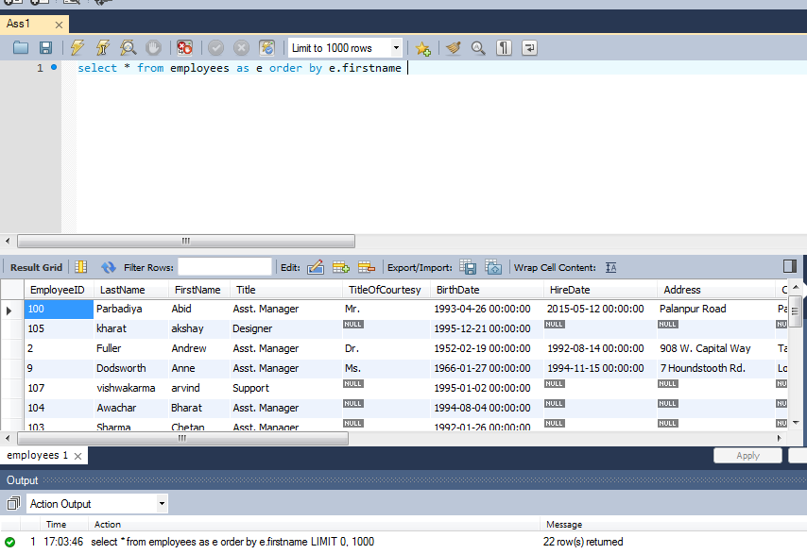
Output

Assignment-2
Assignment 2 | Sort the employee table by firstname and lastname of the employee.

Query | select * from employees as e order by e.firstname,e.lastname asc

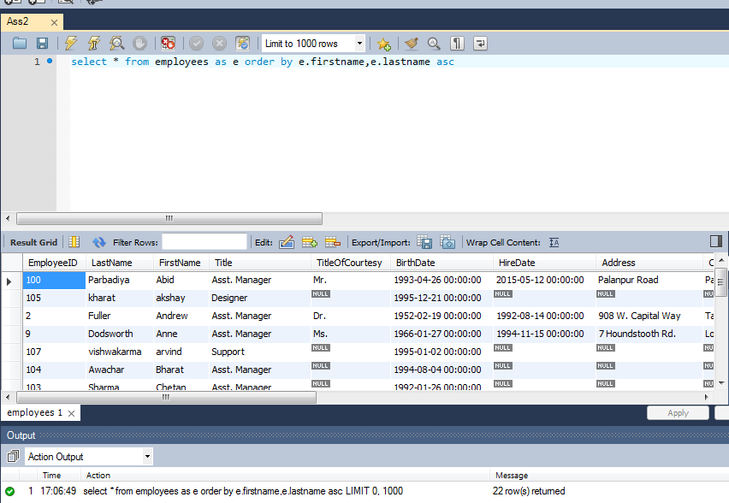
Output

Assignment-3
Assignment 3 | Select both productname and unitprice from products table in descending order.

Query | select p.ProductName,p.UnitPrice from products as p order by p.ProductName desc, p.UnitPrice desc

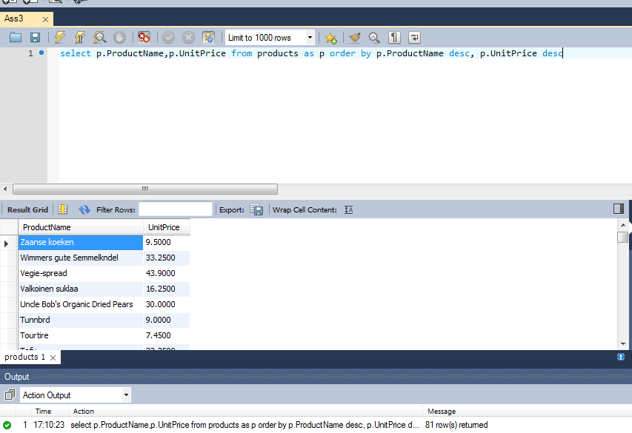
Output

Assignment-4
Assignment 4 | Display product name, unit price, and a 20% increase in the unit price for only those products for which the
 | percentage increase in unit price is greater than 30 and in descending order of the increased price.

Query | SELECT p.ProductName,p.UnitPrice,(p.UnitPrice+p.UnitPrice*20/100) AS IncreasedPrice
 | FROM products as p WHERE (p.UnitPrice+p.UnitPrice*20/100)>30 ORDER BY p.UnitPrice DESC;

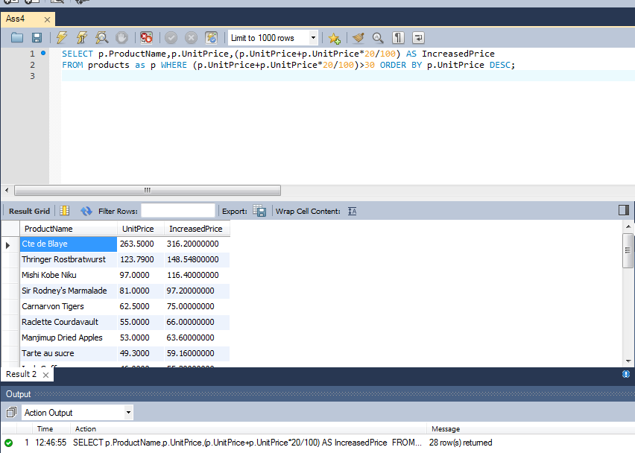
Output

Assignment-5
Assignment 5 | Display number of employees with "Sales Representative" title.

Query | select count(e.EmployeeID) as No_of_Employees from employees as e where e.Title = 'Sales Representative'

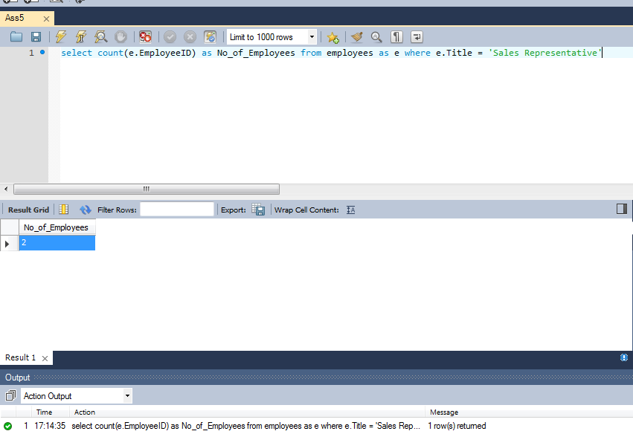
Output

Assignment-6
Assignment 6 | Display total number of employees in all the department.

Query | select count(e.EmployeeID) as Total_Employees from employees as e
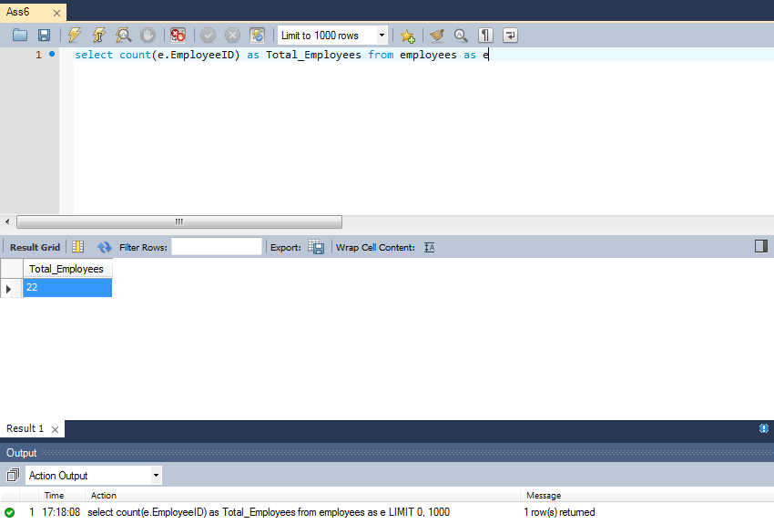
Output

Assignment-7
Assignment 7 | Select all distinct titles from employee table.

Query | select distinct e.Title from employees as e

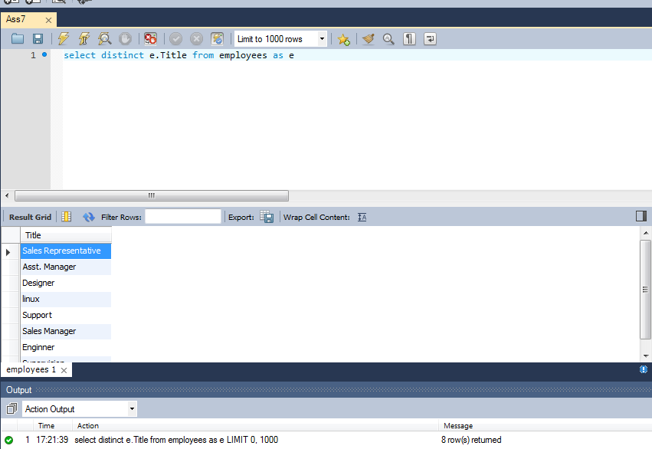
Output

Assignment-8
Assignment 8 | Get the count of employees with unique title.

Query | select distinct e.Title, count(e.Title) as No_of_employees from Employees as e GROUP BY e.Title

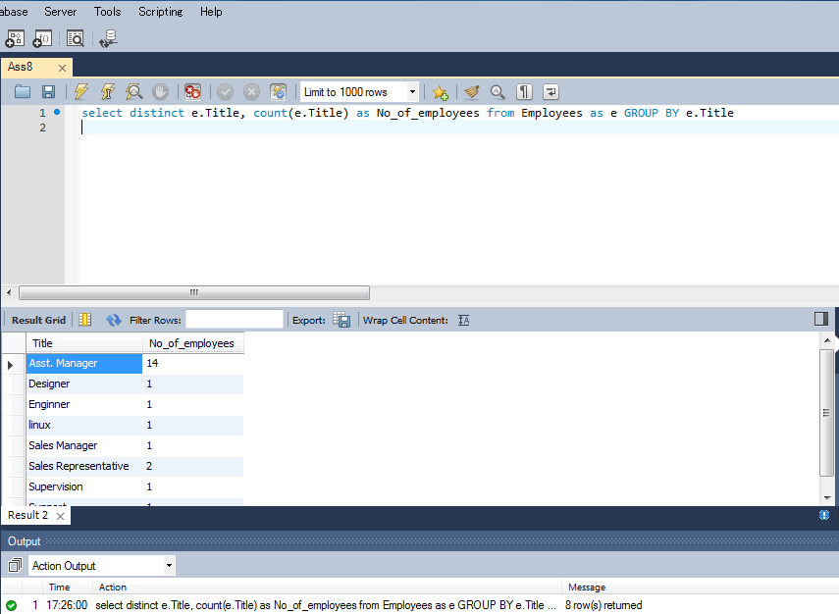
Output

Assignment-9
Assignment 9 | Get the most expensive product.

Query | select p.ProductName,p.UnitPrice from Products as p where p.UnitPrice in
 | (select max(p.UnitPrice) from Products as p)

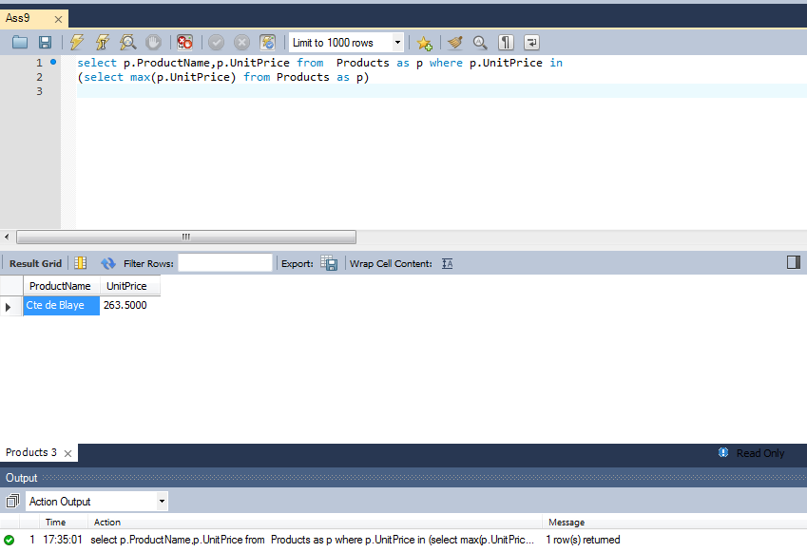
Output

Assignment-10
Assignment 10 | Get the product with minimum stock.

Query | select p.ProductName,p.UnitsInStock from Products as p where p.UnitsInStock in
 | (select min(p.UnitsInStock) from Products as p)

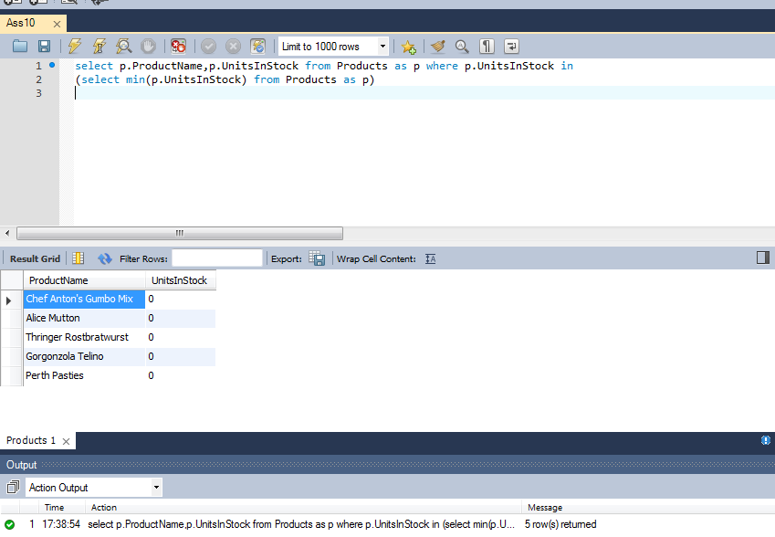
Output

Assignment-11
Assignment 11 | Get the average freight price for all the orders shipped to ShipCountry USA

Query | select avg(o.Freight) as AveragePrice from Orders as o where o.ShipCountry = 'USA';

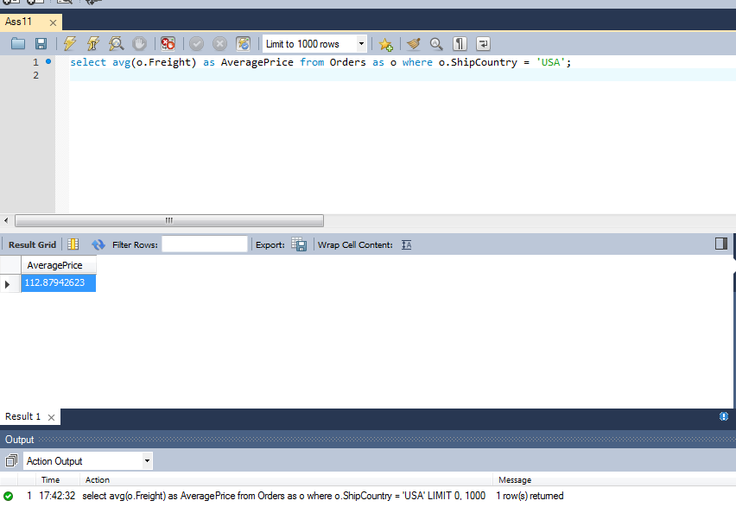
Output

Assignment-12
Assignment 12 | Get total freight expense in July 1996

Query | select sum(o.Freight) as TotalExpense from Orders as o
 | where date(o.ShippedDate) between '1996/07/01' and '1996/07/31'

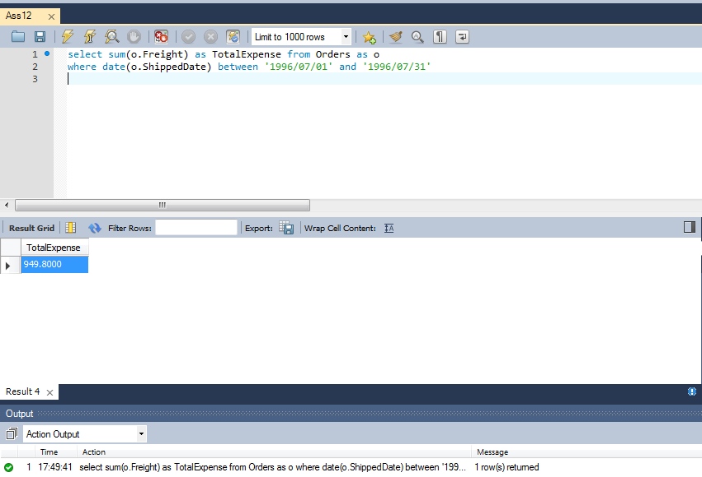
Output

