Assignment-1
Assignment 1 | List all the employees from the employee table.

Query | select * from employees;

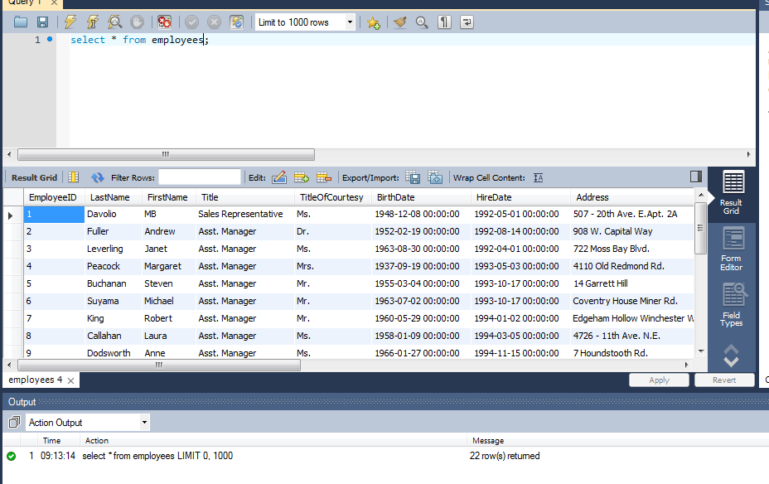
Output

Assignment-2
Assignment 2 | List product id, product name, unit price from products table.

Query | select p.ProductID,p.ProductName,p.UnitPrice from products as p;
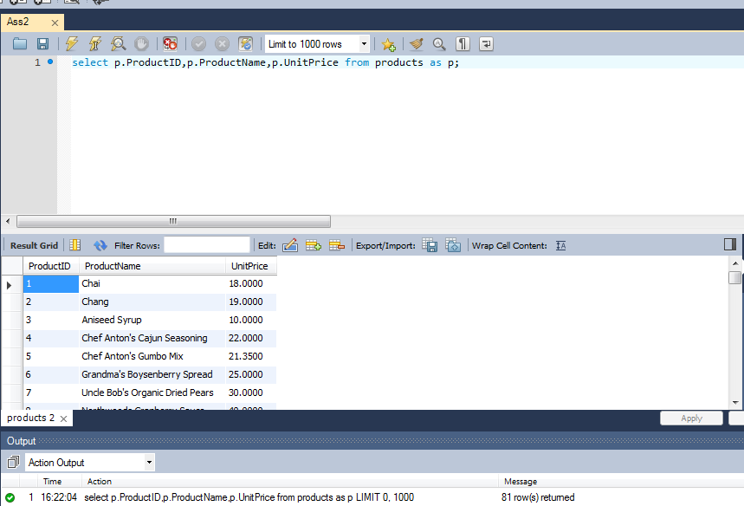
Output

Assignment-3
Assignment 3 | List product id, product name, unit price from products table. Change column name in output as below.
 | product id -> id
 | product name -> name
 | unit price -> price

Query | select p.ProductID as ID,p.ProductName as name,p.UnitPrice as price from products as p;

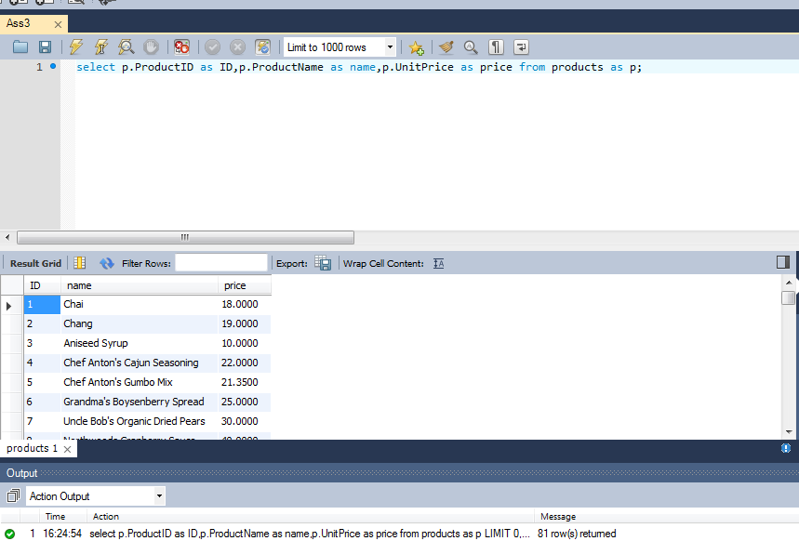
Output

Assignment-4
Assignment-4 | Write sql query to display all employees in "WA" region. (Use "=" Operator)

Query | select * from employees where Region = 'WA';

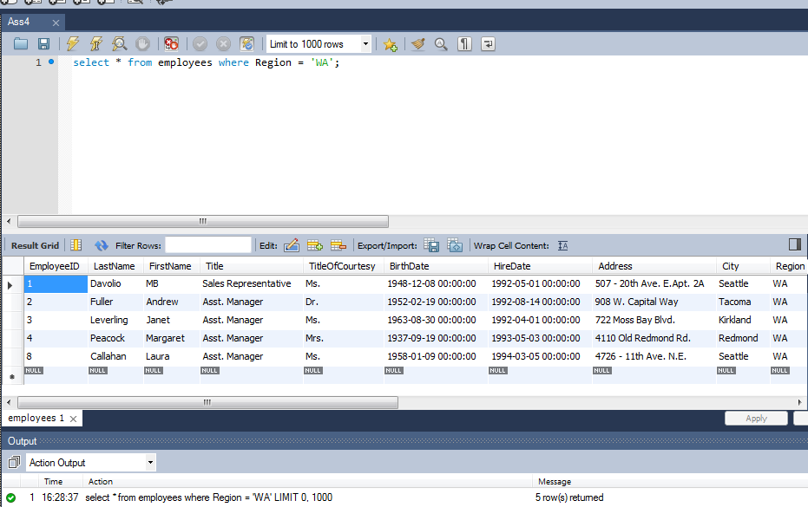
Output

Assignment-5
Assignment 5 | Write sql query to display all products which are still continued. (Use IS Operator)

Query | select * from products where Discontinued is not null and Discontinued is false

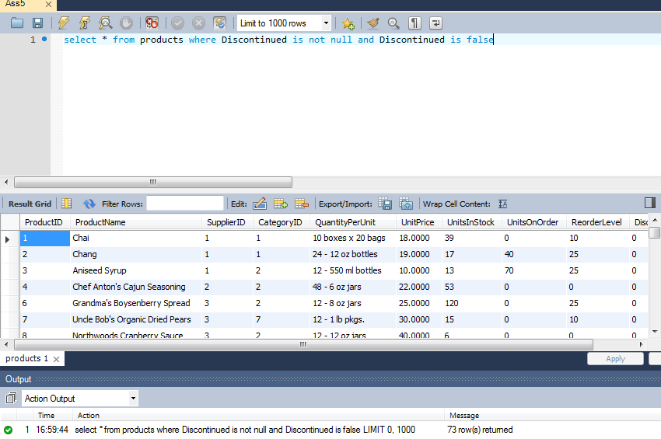
Output

Assignment-6
Assignment 6 | Write sql query to display all employees outside of london. (Use <> Operator)

Query | select * from employees where City <> 'london'

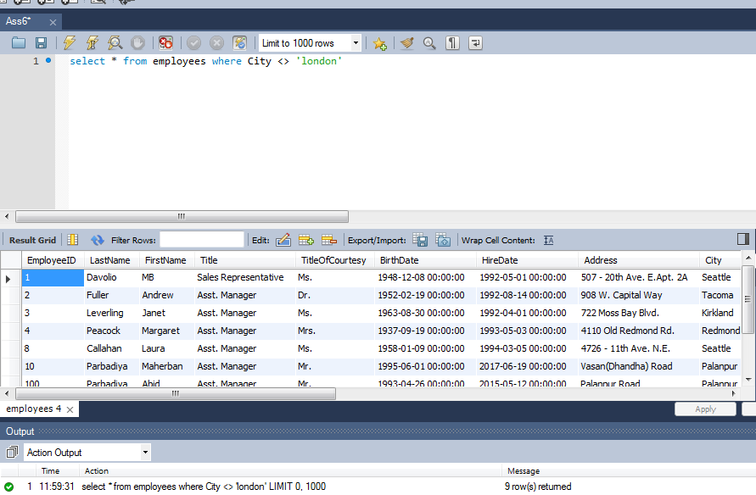
Output

Assignment-7
Assignment-7 | Find a employees who are either Sales Representative or Sales Manager

Query | select * from employees where Title = 'Sales Representative' or Title = 'Sales Manager'

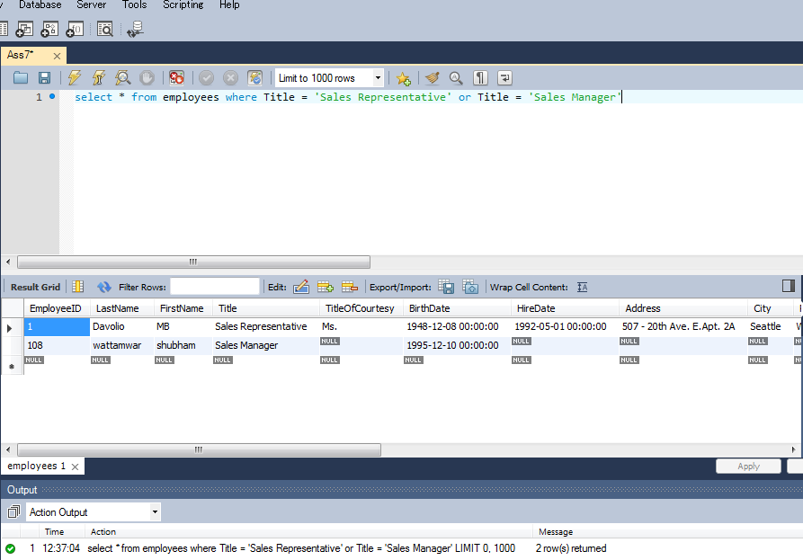
Output

Assignment-8
Assignment-8 | Find a employees who are either Sales Representative or Sales Manager and from london city.

Query | select * from employees where (Title = 'Sales Representative' or Title = 'Sales Manager') and City = 'london'

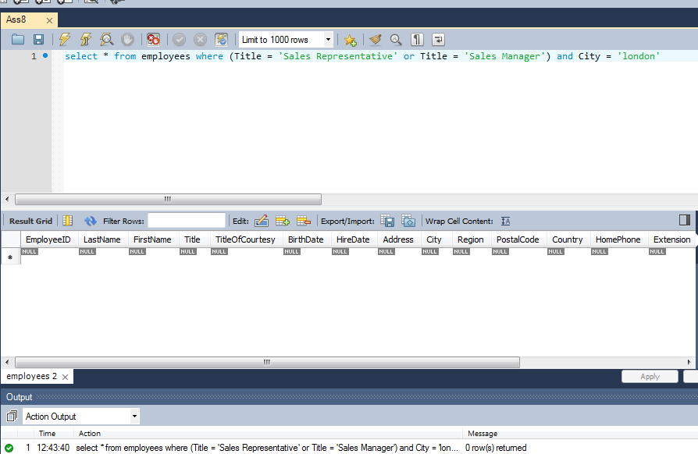
Output

Assignment-9
Assignment 9 | Find a employees whoes TitleOfCourtesy is not "Mr." (Use NOT Operator)

Query | select * from employees where not TitleOfCourtesy = 'Mr.'

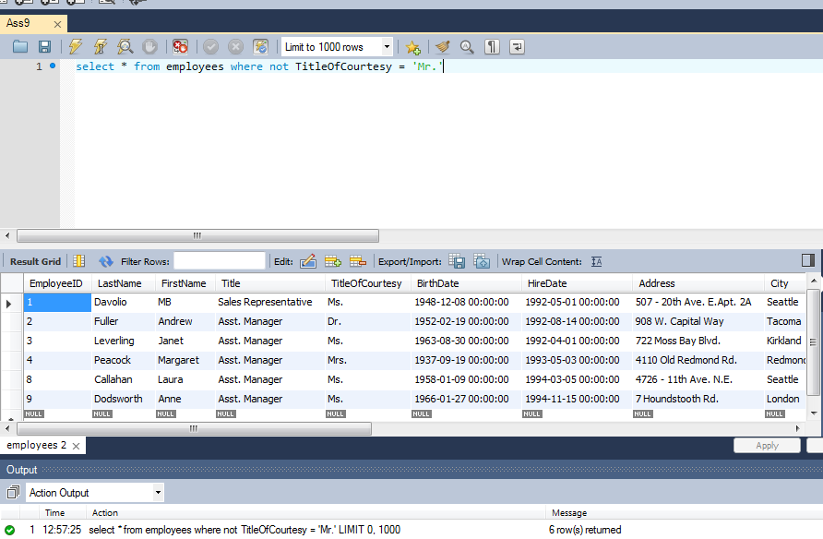
Output

Assignment-10
Assignment-10 | Select all records from the suppliers table where there is at least one record in the orders table with the same supplier_id. (Use Exists Operator)

Query | select * from suppliers as s where exists ( select p.SupplierID from products as p where p.ProductID in (select o.ProductID from orderdetails as o) and p.SupplierID = s.SupplierID)

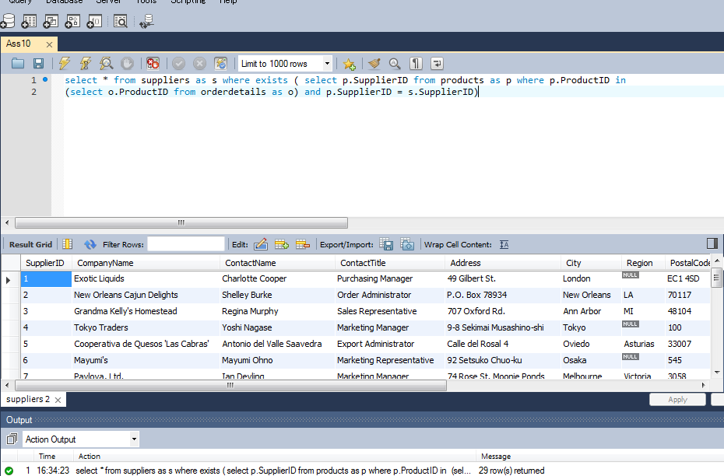
Output

Assignment-11
Assignment 11 | Select all records from the suppliers table where there are no records in the orders table for the given supplier_id.

Query | select * from suppliers where not exists ( select SupplierID from products where ProductID in
 | (select ProductID from orderdetails) and products.SupplierID = suppliers.SupplierID)

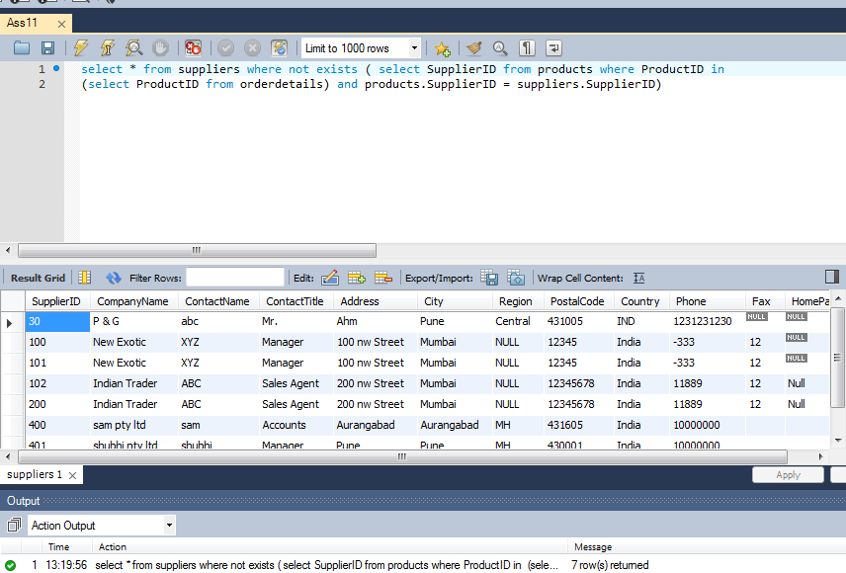
Output

Assignment-12
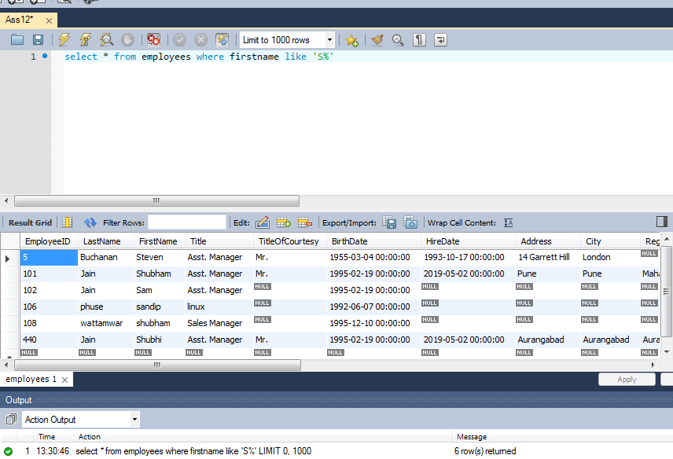
Assignment-12 | Select all employees whose first name begins with 'S'

Query | select * from employees where firstname like 'S%'

Output

Assignment-13
Assignment 13 | Select all employees whose first name's second character is 'a'.

Query | select * from employees where firstname like '_a%'
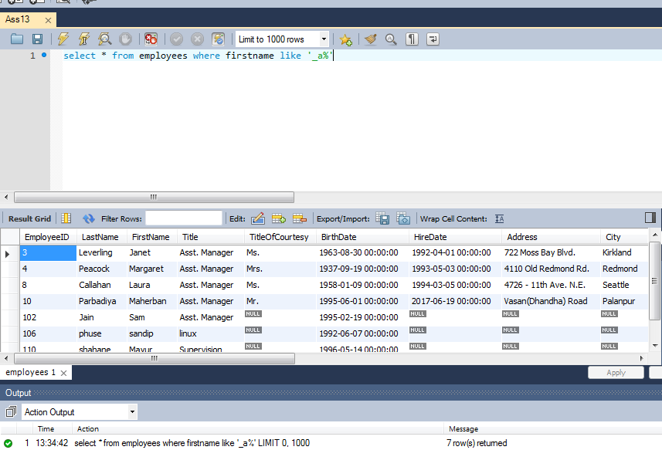
Output

Assignment-14
Assignment 14 | Find all employees whose birthdate is between 1953 to 1958.

Query | select * from employees as e where date(e.BirthDate) between '1953/01/01' and '1958/12/31'

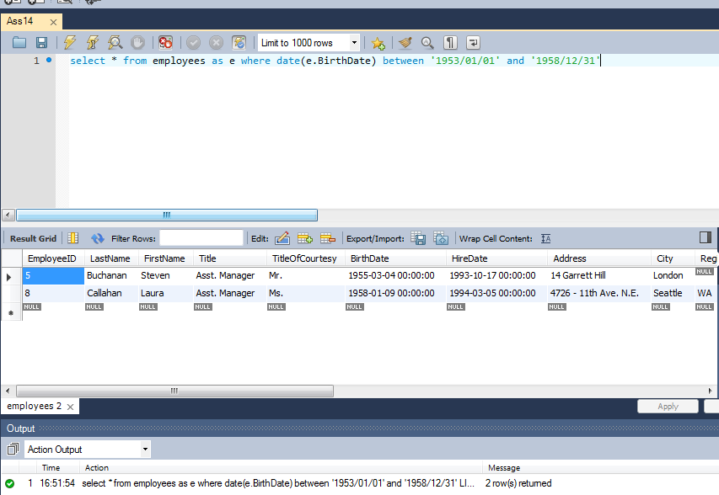
Output

Assignment-15
Assignment 15 | Find a employees who are either Sales Representative or Sales Manager (Use IN Operator)

Query | select * from employees where Title in ('Sales Representative','Sales Manager');

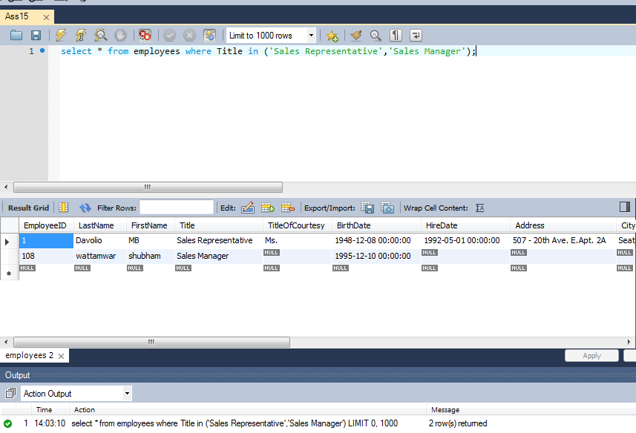
Output

Assignment-16
Assignment 16 | Display LastName, FirstName and Gender from Employees Table. Gender will be based on following Criteria.
 | If TitleOfCourtesy is Ms. Mrs. then display "Female"
 | If TitleOfCourtesy is Dr. Mr. then display "Male"

Query | select e.lastname,e.firstname,
 | case
 | when e.TitleOfCourtesy = 'Ms.' or e.TitleOfCourtesy = 'Mrs.' then 'Female'
 | when e.TitleOfCourtesy = 'Mr.' or e.TitleOfCourtesy = 'Dr.' then 'Male'
 | end as gender
 | from employees as e

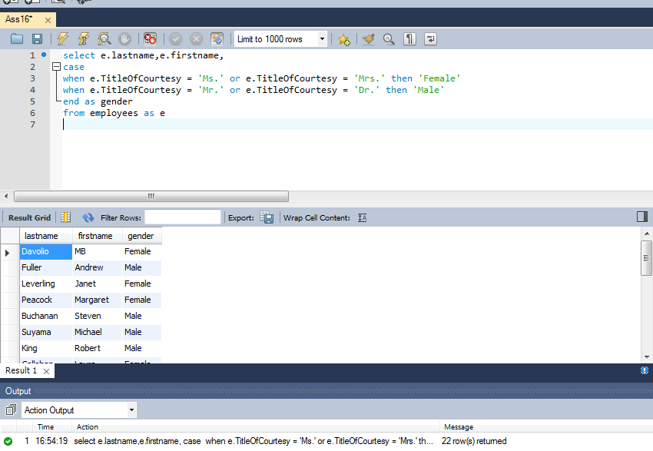
Output

