Assignment-1
Assignment 1 | Display output as follows. Use Inner Join

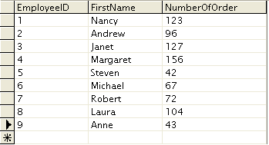

 | Display EmployeeID, Employee FirstName and Number Of Orders each employee has placed.
 | Use Table : Employees and Orders

Query | SELECT e.EmployeeID,e.firstname,COUNT(o.EmployeeID) AS Number_of_Orders
 | FROM employees AS e INNER JOIN orders AS o
 | ON e.EmployeeID = o.EmployeeID
 | GROUP BY e.EmployeeID

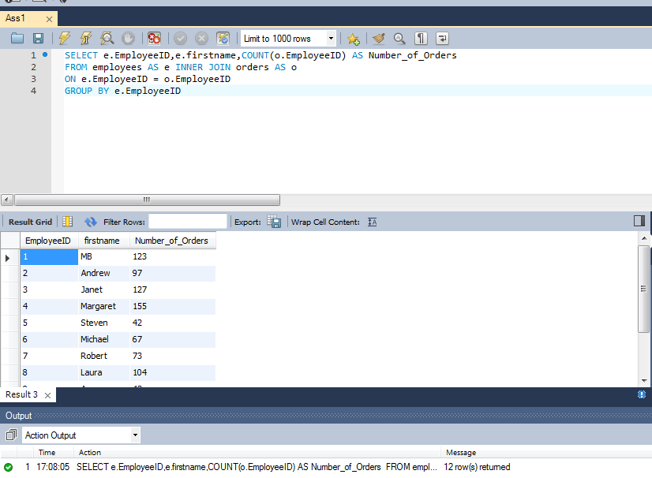
Output

Assignment-2
Assignment 2 | Get all the Orders shipped by Speedy Express and customers at berlin city.

 | User Table : Orders, Customers, Shippers

Query | SELECT * FROM orders AS o
 | INNER JOIN customers AS c ON o.CustomerID = c.CustomerID
 | INNER JOIN shippers AS s ON o.ShipVia = s.ShipperID
 | WHERE c.City = 'Berlin' AND s.CompanyName = 'Speedy Express'

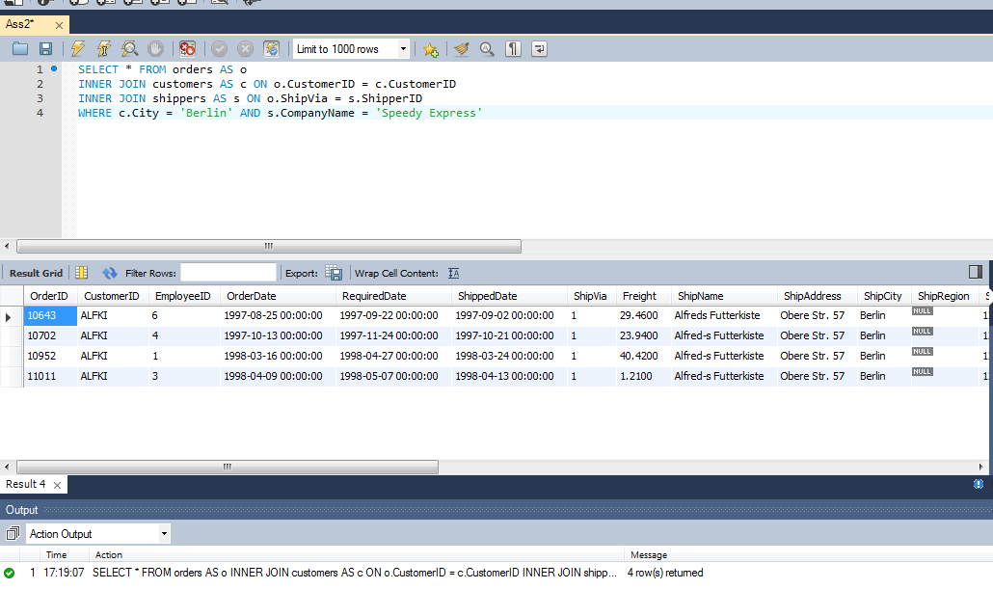
Output

Assignment-3
Assignment 3 | Get Supplier name and display count of product for which supplier is responsible.
 | Table Use : Products, Supplier
 | Use Left Outer Join

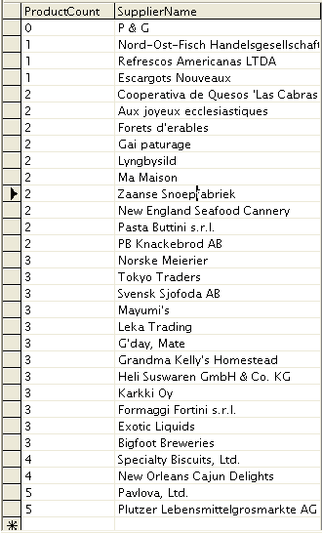

Query | SELECT COUNT(p.SupplierID) as ProductCount ,s.CompanyName as SupplierName FROM products as p
 | LEFT JOIN suppliers AS s
 | ON p.SupplierID = s.SupplierID
 | GROUP BY s.CompanyName ORDER BY ProductCount

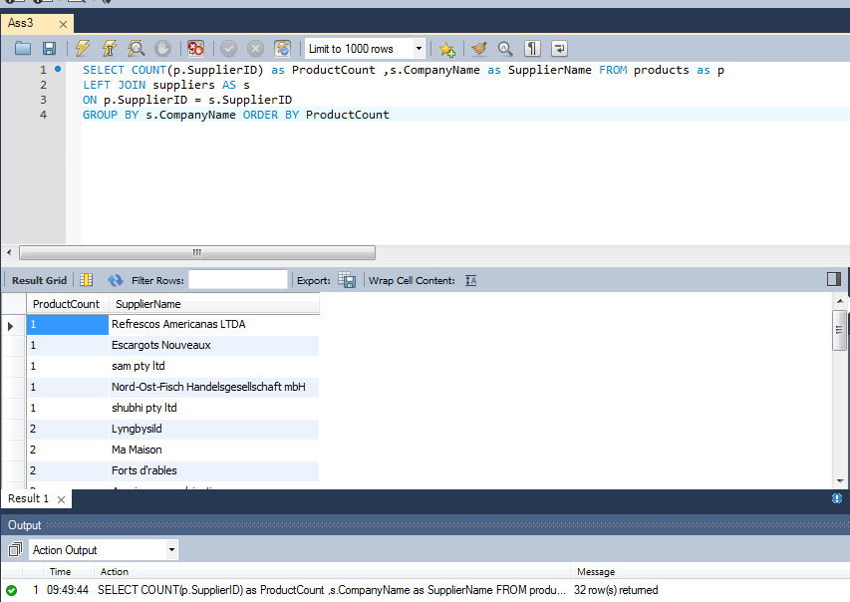
Output

Assignment-4
Assignment 4 | Retrieve a list of employees and Name of the person that employee is reporting.
 | Display as follows.
 | Use Table : Employees
 | Self Join

Query | SELECT CONCAT(b.firstname,' ',b.lastname) AS 'Employee Name', CONCAT(a.firstname,' ',a.lastname) AS 'Boss Name'
 | FROM employees as a
 | JOIN employees as b ON a.EmployeeID = b.ReportsTo

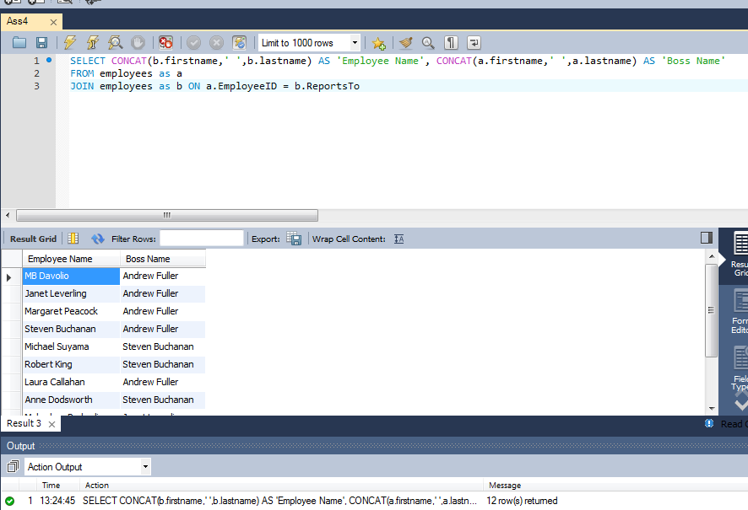
Output

